J089
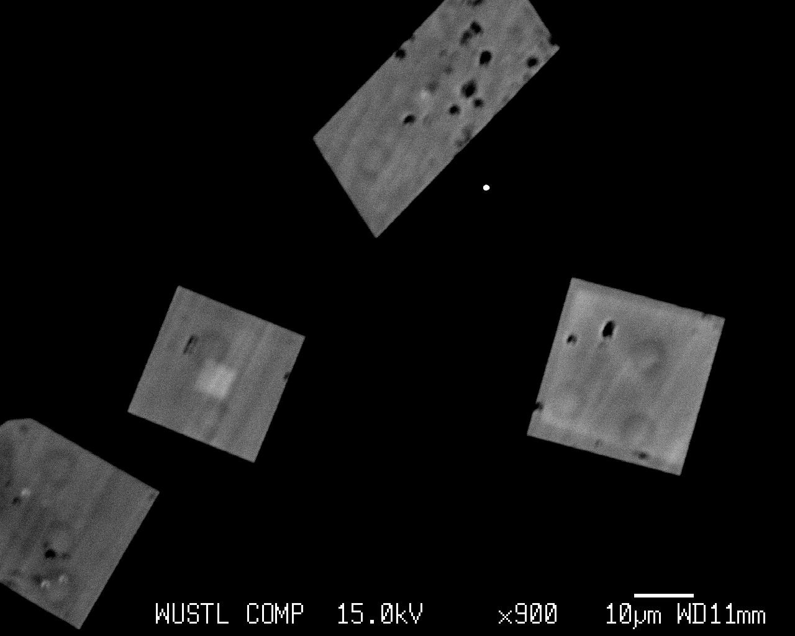
SAMPLE | Zr WT% | Si WT% | Th WT% | Th ppm | U WT% | U ppm | U/Th | O WT% | TOTAL | ZrO2 | SiO2 | ThO2 | UO2 | TOTAL | Zr CDL99 | Si CDL99 | Th CDL99 | U CDL99 | Zr %ERR | Si %ERR | Th %ERR | U %ERR | X-POS | Y-POS | Z-POS | DU | DTh | DU/DTh | DU at% | DTh at%
J089 zircon 1a | 50.0822 | 15.3146 | 0.244183 | 2441.83 | 0.326549 | 3265.49 | 1.3373125893 | 35.0952 | 101.063 | 67.651 | 32.7634 | 0.277858 | 0.37045 | 101.063 | 0.026436 | 0.005418 | 0.008618 | 0.007955 | 0.189765 | 0.075049 | 1.86128 | 1.3253 | 51.2201 | 47.272 | 10.832 | 2.4964698594 | 0.90191493141 | 2.7679659938 | 3.423671591 | 1.2367244794
J089 zircon 1b | 49.7161 | 15.2554 | 0.239886 | 2398.86 | 0.296537 | 2965.37 | 1.2361580084 | 34.8947 | 100.403 | 67.1565 | 32.6368 | 0.272969 | 0.336403 | 100.403 | 0.025441 | 0.00544 | 0.00854 | 0.007981 | 0.190368 | 0.075213 | 1.87762 | 1.4459 | 51.2203 | 47.2657 | 10.832 | 2.2670278663 | 0.88604352161 | 2.5585965147 | 3.1268776102 | 1.2219422663
J089 zircon 1c | 49.581 | 15.2888 | 0.28352 | 2835.2 | 0.343146 | 3431.46 | 1.2103061512 | 34.8977 | 100.394 | 66.974 | 32.7083 | 0.32262 | 0.389278 | 100.394 | 0.025258 | 0.005405 | 0.008605 | 0.007982 | 0.190609 | 0.0751 | 1.62737 | 1.2724 | 51.2202 | 47.2547 | 10.832 | 2.6233540644 | 1.0472101717 | 2.5050884105 | 3.6180436211 | 1.4440836443
J089 zircon 1d | 49.6247 | 15.3027 | 0.438853 | 4388.53 | 0.397835 | 3978.35 | 0.90653362288 | 34.9576 | 100.722 | 67.033 | 32.738 | 0.499374 | 0.451318 | 100.722 | 0.025036 | 0.005416 | 0.00857 | 0.008007 | 0.190622 | 0.075139 | 1.11334 | 1.12282 | 51.2199 | 47.2473 | 10.832 | 3.0414519307 | 1.6209485238 | 1.8763408498 | 4.1874812622 | 2.2314273473
J089 zircon 1e | 49.9007 | 15.4021 | 0.24943 | 2494.3 | 0.330625 | 3306.25 | 1.3255221906 | 35.1326 | 101.015 | 67.4059 | 32.9507 | 0.283829 | 0.375073 | 101.015 | 0.025991 | 0.005429 | 0.008553 | 0.007963 | 0.190158 | 0.074851 | 1.81529 | 1.31212 | 51.2381 | 47.24 | 10.832 | 2.5276309138 | 0.92129526356 | 2.7435622583 | 3.4627188947 | 1.2619554546
J089 zircon 1f | 49.7154 | 15.1828 | 0.295012 | 2950.12 | 0.354625 | 3546.25 | 1.2020697463 | 34.8271 | 100.375 | 67.1555 | 32.4814 | 0.335697 | 0.4023 | 100.375 | 0.025771 | 0.00538 | 0.008617 | 0.007991 | 0.190421 | 0.075386 | 1.57328 | 1.23773 | 51.2108 | 47.2696 | 10.832 | 2.7111111163 | 1.0896570512 | 2.4880407218 | 3.7466517482 | 1.5056618667
J089 zircon 2a | 49.7088 | 15.2455 | 0.130985 | 1309.85 | 0.196793 | 1967.93 | 1.5024086727 | 34.8525 | 100.135 | 67.1467 | 32.6156 | 0.149049 | 0.223249 | 100.135 | 0.025699 | 0.005357 | 0.008541 | 0.007988 | 0.190405 | 0.075159 | 3.27401 | 2.09246 | 50.9897 | 47.4734 | 10.832 | 1.5044841449 | 0.48380651925 | 3.1096814224 | 2.0776263942 | 0.66802568818
J089 zircon 2b | 49.8888 | 15.3898 | 0.038738 | 387.38 | 0.072019 | 720.19 | 1.8591305695 | 35.0505 | 100.44 | 67.3898 | 32.9242 | 0.04408 | 0.081702 | 100.44 | 0.025704 | 0.005398 | 0.008589 | 0.007951 | 0.190117 | 0.074806 | 10.6316 | 5.37858 | 50.9894 | 47.4671 | 10.832 | 0.55058586248 | 0.1430827724 | 3.848023443 | 3.1268776102 | 1.2219422663
J089 zircon 2c | 49.8091 | 15.3263 | 0.121914 | 1219.14 | 0.204253 | 2042.53 | 1.6753859278 | 34.9795 | 100.441 | 67.2822 | 32.7885 | 0.138727 | 0.231713 | 100.441 | 0.025203 | 0.005387 | 0.008595 | 0.007949 | 0.190096 | 0.074943 | 3.52184 | 2.01417 | 50.9891 | 47.453 | 10.832 | 1.5615159079 | 0.45030185127 | 3.4677092787 | 3.6180436211 | 1.4440836443
J089 zircon 2d | 49.6024 | 15.3233 | 0.051389 | 513.89 | 0.074631 | 746.31 | 1.4522757789 | 34.8763 | 99.928 | 67.0029 | 32.782 | 0.058475 | 0.084664 | 99.928 | 0.025119 | 0.005405 | 0.008584 | 0.007977 | 0.190666 | 0.075003 | 8.06241 | 5.21285 | 51.0008 | 47.4574 | 10.832 | 0.57055462451 | 0.18981053722 | 3.0059164937 | 0.78737218039 | 0.26190558702
J089 zircon 3a | 49.5067 | 15.132 | 0.478319 | 4783.19 | 0.446656 | 4466.56 | 0.93380359133 | 34.7337 | 100.297 | 66.8737 | 32.3727 | 0.544283 | 0.506704 | 100.297 | 0.024856 | 0.005391 | 0.008603 | 0.008023 | 0.190845 | 0.075599 | 1.0388 | 1.01922 | 50.9615 | 47.4467 | 10.832 | 3.4146888875 | 1.7667202388 | 1.932784157 | 4.7316605339 | 2.4477768915
J089 zircon 3b | 49.1518 | 15.1358 | 0.458789 | 4587.89 | 0.424668 | 4246.68 | 0.92562812099 | 34.6079 | 99.779 | 66.3943 | 32.3808 | 0.52206 | 0.481759 | 99.779 | 0.024881 | 0.00537 | 0.008632 | 0.008009 | 0.191456 | 0.07552 | 1.07772 | 1.06215 | 50.9611 | 47.4331 | 10.832 | 3.2465904421 | 1.6945841826 | 1.9158625906 | 4.5150834081 | 2.3563675232
J089 zircon 4a | 49.2048 | 15.1852 | 0.689206 | 6892.06 | 0.586924 | 5869.24 | 0.85159444346 | 34.7364 | 100.403 | 66.4659 | 32.4866 | 0.784253 | 0.665828 | 100.403 | 0.025409 | 0.005385 | 0.008588 | 0.008047 | 0.191496 | 0.075465 | 0.771723 | 0.814221 | 50.8888 | 47.449 | 10.83 | 4.4870389307 | 2.5456529825 | 1.7626278843 | 6.217111917 | 3.5267092539
J089 zircon 4b | 49.1556 | 15.2348 | 0.583365 | 5833.65 | 0.552683 | 5526.83 | 0.94740514086 | 34.7564 | 100.283 | 66.3994 | 32.5927 | 0.663816 | 0.626984 | 100.283 | 0.024636 | 0.005376 | 0.00864 | 0.008008 | 0.191463 | 0.075293 | 0.884776 | 0.852465 | 50.885 | 47.4344 | 10.83 | 4.2252661969 | 2.1547184037 | 1.9609366076 | 5.8510349592 | 2.983394928
J089 zircon 4c | 48.9014 | 15.1521 | 0.835136 | 8351.36 | 0.70419 | 7041.9 | 0.84320398115 | 34.6281 | 100.221 | 66.056 | 32.4158 | 0.950308 | 0.798859 | 100.221 | 0.02518 | 0.005393 | 0.00864 | 0.007965 | 0.192129 | 0.075597 | 0.666934 | 0.699305 | 50.9004 | 47.4448 | 10.83 | 5.3835384898 | 3.0846603906 | 1.745261328 | 7.4826014013 | 4.2868052473
J089 zircon 5 | 49.1679 | 15.19 | 0.522656 | 5226.56 | 0.507729 | 5077.29 | 0.97144010592 | 34.6953 | 100.084 | 66.416 | 32.4969 | 0.594735 | 0.575987 | 100.084 | 0.025176 | 0.005384 | 0.008683 | 0.008011 | 0.1919 | 0.075563 | 0.971714 | 0.915146 | 50.935 | 47.4028 | 10.83 | 3.8815924877 | 1.9304834914 | 2.0106841135 | 5.3845931837 | 2.6776305773
J089 zircon 6a | 49.3514 | 15.109 | 0.410914 | 4109.14 | 0.377511 | 3775.11 | 0.91871048443 | 34.6345 | 99.8833 | 66.6639 | 32.3235 | 0.467582 | 0.428263 | 99.8833 | 0.025591 | 0.005365 | 0.00857 | 0.007999 | 0.191175 | 0.075601 | 1.17686 | 1.17354 | 50.9593 | 47.5421 | 10.8265 | 2.8860747793 | 1.5177529645 | 1.9015444851 | 4.0106286154 | 2.1088591125
J089 zircon 6b | 50.2033 | 15.2528 | 0.136901 | 1369.01 | 0.18574 | 1857.4 | 1.3567468463 | 35.0336 | 100.812 | 67.8146 | 32.6313 | 0.155781 | 0.21071 | 100.812 | 0.025645 | 0.00543 | 0.008552 | 0.007966 | 0.189985 | 0.075418 | 3.14624 | 2.20257 | 50.9727 | 47.5483 | 10.8265 | 1.4199838667 | 0.50565787145 | 2.8081909664 | 1.9507984402 | 0.69458815039
J089 zircon 6c | 49.9498 | 15.1853 | 0.278002 | 2780.02 | 0.327326 | 3273.26 | 1.177423184 | 34.9063 | 100.647 | 67.4722 | 32.4869 | 0.31634 | 0.37133 | 100.647 | 0.026003 | 0.005392 | 0.008516 | 0.007937 | 0.190442 | 0.075565 | 1.64404 | 1.32121 | 50.9732 | 47.5537 | 10.8265 | 2.502410031 | 1.0268288733 | 2.4370273335 | 3.4503931671 | 1.4156301158
 |  |  |  | 3414.3147368 |  | 3531.8105263 | 1.3940672423 |  | 66.987026316 | 32.609268421 |  |  | 100.38554211 |  |  |  |  |  |  |  |  |  |  |  |  | 2.7000721264 | 1.2611121338 | 2.4655707817
 |  |  |  | 2173.9829728 |  | 1657.4350993 | 0.21502643518 |  | 0.48012811004 | 0.18494230347 |  |  | 0.35387092015 |  |  |  |  |  |  |  |  |  |  |  |  | 1.2671105314 | 0.80298288734 | 0.60763041225
SAMPLE | Zr WT% | K WT% | Ca WT% | Th WT% | Th ppm mol% | Th ppm | U WT% | U ppm | U ppm mol% | O WT% | TOTAL | SiO2 | TiO2 | Al2O3 | ZrO2 | FeO | MnO | MgO | CaO | Na2O | K2O | ThO2 | UO2 | TOTAL | Zr AT% | Th AT% | U AT% | Zr CDL99 | K CDL99 | Ca CDL99 | Th CDL99 | U CDL99 | Zr %ERR | Th %ERR | U %ERR | X-POS | Y-POS | Z-POS
J089 gls1 fz | 1.62756 | 0.142664 | 7.01968 | 0.266444 | 252.66 | 2664.44 | 0.142011 | 1420.11 | 131.27 | 44.4766 | 99.165 | 50.4409 | 0.663284 | 16.5481 | 2.19851 | 7.13911 | 0.174418 | 10.7365 | 9.82195 | 0.806195 | 0.171852 | 0.303188 | 0.161103 | 99.165 | 0.392587 | 0.025266 | 0.013127 | 0.013087 | 0.005057 | 0.005569 | 0.019293 | 0.018207 | 1.6289 | 4.10099 | 6.69169 | 51.0615 | 47.2437 | 10.8275
J089 gls2 | 1.62809 | 0.139728 | 6.96096 | 0.283615 | 269.14 | 2836.15 | 0.122983 | 1229.83 | 113.77 | 44.4563 | 99.0521 | 50.4887 | 0.577712 | 16.5866 | 2.19922 | 7.11327 | 0.202119 | 10.7451 | 9.73978 | 0.76896 | 0.168315 | 0.322728 | 0.139516 | 99.0521 | 0.392999 | 0.026914 | 0.011377 | 0.013087 | 0.005057 | 0.005568 | 0.019152 | 0.018474 | 1.62887 | 3.87148 | 7.72496 | 51.1041 | 47.1881 | 10.8275
J089 gls2 | 1.49179 | 0.14804 | 6.90224 | 0.263544 | 255.42 | 2635.44 | 0.133672 | 1336.72 | 126.29 | 43.4644 | 97.0209 | 48.9087 | 0.664404 | 16.4171 | 2.01511 | 7.05773 | 0.189995 | 10.6686 | 9.65762 | 0.811859 | 0.178327 | 0.299889 | 0.151643 | 97.0209 | 0.367773 | 0.025542 | 0.012629 | 0.013081 | 0.005053 | 0.005565 | 0.019471 | 0.01805 | 1.71065 | 4.16543 | 7.02001 | 51.1933 | 47.2479 | 10.8335
J089 gls2 | 1.54844 | 0.143958 | 6.91337 | 0.271594 | 262.01 | 2715.94 | 0.129843 | 1298.43 | 122.11 | 43.6765 | 97.4849 | 49.1453 | 0.626116 | 16.5441 | 2.09163 | 7.07629 | 0.200341 | 10.7156 | 9.67319 | 0.78255 | 0.17341 | 0.309049 | 0.147299 | 97.4849 | 0.379976 | 0.026201 | 0.012211 | 0.013087 | 0.005056 | 0.005568 | 0.019562 | 0.018165 | 1.67541 | 4.07407 | 7.24704 | 51.1731 | 47.2176 | 10.833
J089 gls2 | 1.55121 | 0.133832 | 6.85857 | 0.257793 | 248.46 | 2577.93 | 0.124549 | 1245.49 | 117.02 | 43.7298 | 97.5378 | 49.363 | 0.574642 | 16.487 | 2.09538 | 7.12308 | 0.208996 | 10.7105 | 9.59653 | 0.782735 | 0.161213 | 0.293345 | 0.141293 | 97.5378 | 0.380301 | 0.024846 | 0.011702 | 0.013084 | 0.005055 | 0.005566 | 0.019506 | 0.018453 | 1.67396 | 4.25025 | 7.6283 | 51.1531 | 47.1864 | 10.8325
J089 gls2 | 1.68329 | 0.149866 | 6.92801 | 0.263027 | 252.49 | 2630.27 | 0.110311 | 1103.11 | 103.23 | 43.903 | 98.0295 | 49.4584 | 0.610257 | 16.5312 | 2.27379 | 7.14234 | 0.197354 | 10.7343 | 9.69369 | 0.783211 | 0.180527 | 0.299301 | 0.125141 | 98.0295 | 0.411029 | 0.025249 | 0.010323 | 0.013081 | 0.005056 | 0.005567 | 0.019388 | 0.01863 | 1.59748 | 4.15982 | 8.60202 | 51.1332 | 47.1557 | 10.832
J089 gls2 | 1.70612 | 0.142173 | 6.88967 | 0.263478 | 252.7 | 2634.78 | 0.150308 | 1503.08 | 140.53 | 43.9516 | 98.1434 | 49.5403 | 0.583114 | 16.5647 | 2.30462 | 7.16988 | 0.18847 | 10.7419 | 9.64004 | 0.768803 | 0.171261 | 0.299814 | 0.170515 | 98.1434 | 0.416235 | 0.02527 | 0.014053 | 0.0131 | 0.005065 | 0.005575 | 0.019843 | 0.017988 | 1.58669 | 4.22276 | 6.29481 | 51.1134 | 47.1252 | 10.8315
J089 gls2 | 1.68627 | 0.137024 | 6.90795 | 0.265781 | 255.64 | 2657.81 | 0.131271 | 1312.71 | 123.08 | 43.8121 | 97.8881 | 49.2857 | 0.613279 | 16.5359 | 2.27782 | 7.2203 | 0.179413 | 10.7114 | 9.66562 | 0.782267 | 0.165058 | 0.302434 | 0.148919 | 97.8881 | 0.412574 | 0.025564 | 0.012308 | 0.01309 | 0.00506 | 0.005571 | 0.019712 | 0.018353 | 1.59609 | 4.17122 | 7.23582 | 51.0932 | 47.0952 | 10.831
J089 gls2 | 1.77639 | 0.15255 | 6.84948 | 0.289703 | 279.17 | 2897.03 | 0.136344 | 1363.44 | 128.08 | 43.7339 | 97.7929 | 49.1966 | 0.622441 | 16.4309 | 2.39955 | 7.22187 | 0.177865 | 10.7122 | 9.58381 | 0.779584 | 0.183761 | 0.329655 | 0.154673 | 97.7929 | 0.435432 | 0.027917 | 0.012808 | 0.013108 | 0.005071 | 0.00558 | 0.019 | 0.018101 | 1.55094 | 3.78291 | 6.91111 | 51.0736 | 47.0644 | 10.8305
J089 gls tran from z to gls | 1.6504 | 0.143998 | 6.88007 | 0.274257 | 263.32 | 2742.57 | 0.120565 | 1205.65 | 112.84 | 43.9185 | 97.9428 | 49.7218 | 0.599246 | 16.441 | 2.22936 | 7.07 | 0.177033 | 10.6461 | 9.62661 | 0.80947 | 0.173459 | 0.312079 | 0.136773 | 97.9428 | 0.403071 | 0.026332 | 0.011284 | 0.013085 | 0.005057 | 0.005567 | 0.019382 | 0.018575 | 1.61577 | 4.01448 | 7.90341 | 51.1986 | 47.2386 | 10.8305
J089 gls tran from z to gls | 1.58088 | 0.138127 | 6.85593 | 0.274432 | 262.87 | 2744.32 | 0.123043 | 1230.43 | 114.89 | 44.0121 | 98.1312 | 49.7127 | 0.609756 | 16.6097 | 2.13546 | 7.11481 | 0.200888 | 10.7419 | 9.59283 | 0.795016 | 0.166387 | 0.312278 | 0.139584 | 98.1312 | 0.385191 | 0.026287 | 0.011489 | 0.013083 | 0.005055 | 0.005565 | 0.019507 | 0.018148 | 1.65562 | 4.03015 | 7.60666 | 51.1771 | 47.2012 | 10.831
J089 gls tran from z to gls | 1.6298 | 0.151447 | 6.89843 | 0.257764 | 247.07 | 2577.64 | 0.119875 | 1198.75 | 112.01 | 43.9754 | 98.14 | 49.5953 | 0.632768 | 16.5779 | 2.20153 | 7.17978 | 0.188626 | 10.7075 | 9.6523 | 0.792647 | 0.182432 | 0.293312 | 0.135991 | 98.14 | 0.397367 | 0.024707 | 0.011201 | 0.013084 | 0.005056 | 0.005566 | 0.019442 | 0.018445 | 1.62733 | 4.24046 | 7.89834 | 51.156 | 47.1642 | 10.8315
J089 gls tran from z to gls | 1.66213 | 0.140196 | 6.89466 | 0.272798 | 261.37 | 2727.98 | 0.130223 | 1302.23 | 121.63 | 43.9818 | 98.2679 | 49.5549 | 0.604016 | 16.532 | 2.24521 | 7.32451 | 0.181468 | 10.7512 | 9.64703 | 0.800483 | 0.168879 | 0.31042 | 0.147729 | 98.2679 | 0.405088 | 0.026137 | 0.012163 | 0.013095 | 0.005062 | 0.005572 | 0.019318 | 0.018356 | 1.60951 | 4.02348 | 7.29043 | 51.1347 | 47.1269 | 10.832
J089 gls tran from z to gls | 1.68489 | 0.146133 | 6.81747 | 0.271434 | 261.41 | 2714.34 | 0.129116 | 1291.16 | 121.22 | 43.7619 | 97.7297 | 49.2913 | 0.589589 | 16.5052 | 2.27594 | 7.19116 | 0.190236 | 10.7356 | 9.53902 | 0.780295 | 0.176031 | 0.308867 | 0.146474 | 97.7297 | 0.412758 | 0.026141 | 0.012122 | 0.013096 | 0.005063 | 0.005572 | 0.019314 | 0.018039 | 1.59754 | 4.04018 | 7.24238 | 51.1133 | 47.0892 | 10.832
...

H175
...
H175 & H178 & J153 gls
 | H175 | H178 | J153

DTh vs. DU
 | EPMA analyses | Mean of EPMA analyses

Group 6: H175, H178, J153 zircon Th, U analyses
 | Th | U
0-100 | 5 | 18
100-200 | 9 | 28
200-300 | 13 | 6
300-400 | 8 | 1
400-500 | 5 | 0
500-600 | 5 | 0
600-700 | 4 | 0
700-800 | 3 | 0
800-900 | 1 | 0

