Div
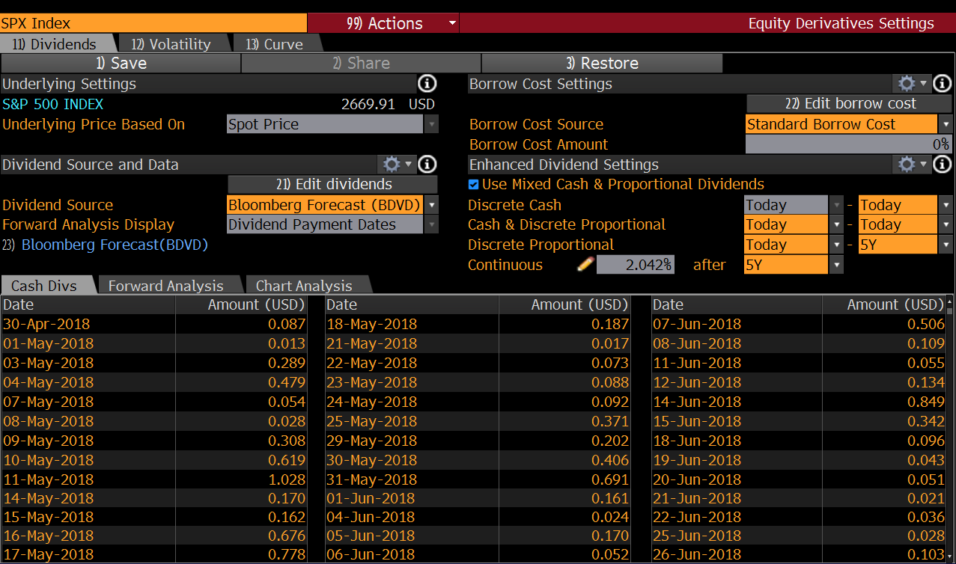
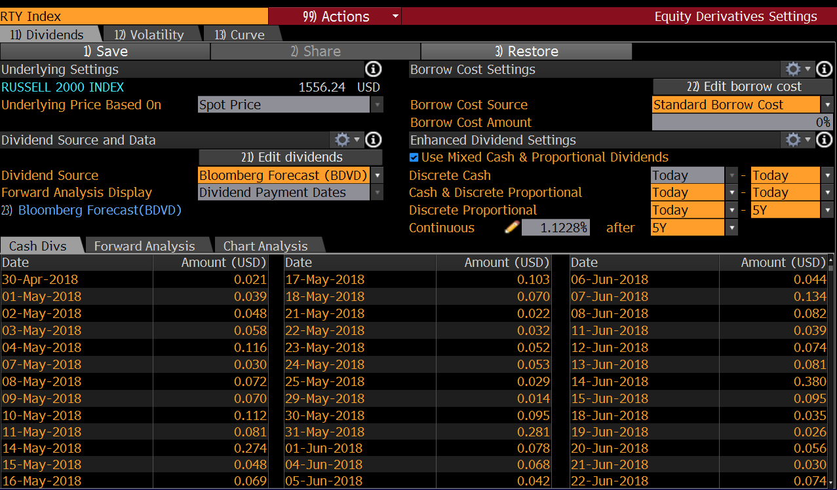
Div of SPX | 2.0420% | -> used in the valuation | Div of RTY | 1.1228% | -> used in the grid
* Source: Bloomberg |  |  | * Source: Bloomberg

LIBOR
Maturity Date | Days | Discount | CC rate
2019-12-18 | 623 | 0.957857 | 0.025225883201
2020-04-06 | 733 | 0.949732 | 0.025682176534 | * Source: Bloomberg
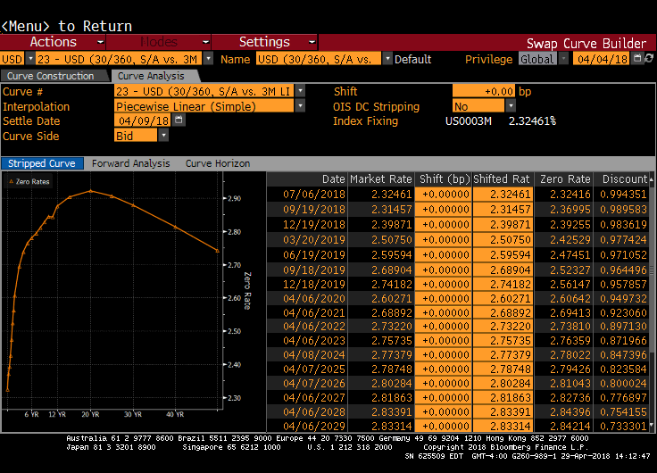
2021-04-06 | 1098 | 0.92306 | 0.026614098387
2022-04-06 | 1463 | 0.89713 | 0.027082975023
2023-04-06 | 1828 | 0.871966 | 0.027356000564
2024-04-08 | 2196 | 0.847396 | 0.027522456197

Today | 2018-04-04
Maturity | 2023-09-11
Days to mat | 1986
Interpolated | 0.027427467928 | -> used in the monte-calro simulation

Today | 2018-04-09
Maturity | 2023-09-11
Days to mat | 1981
Interpolated | 0.027425206303 | -> used in adjusting from pricing date to issuing date

Vol
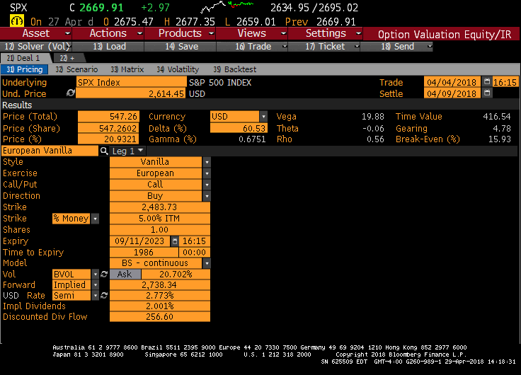
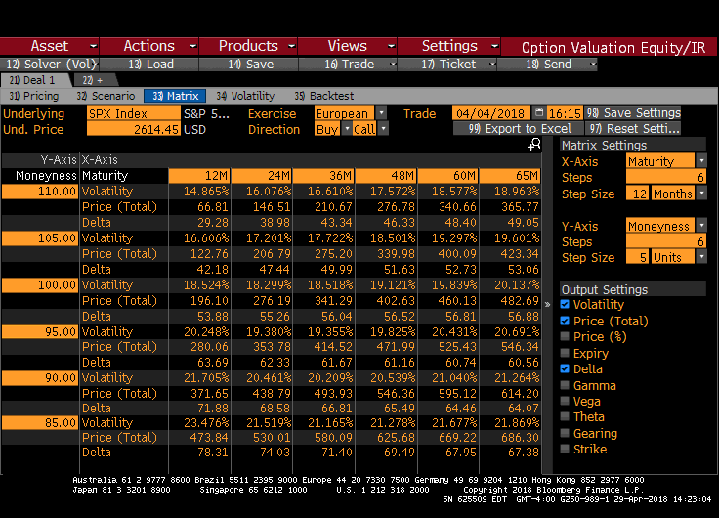
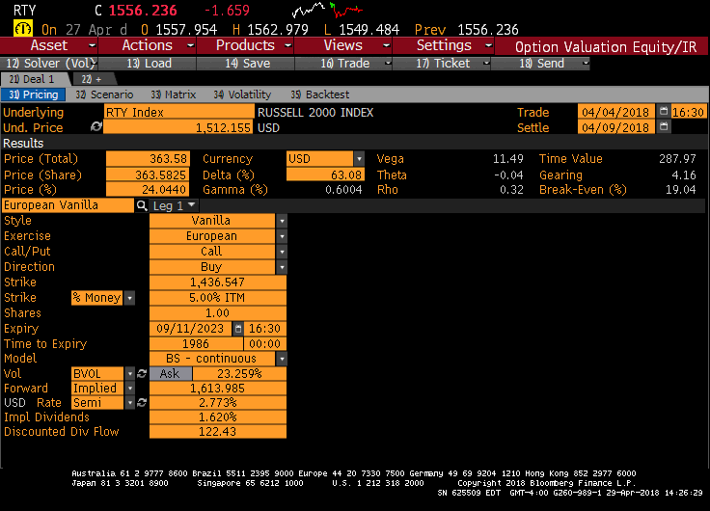
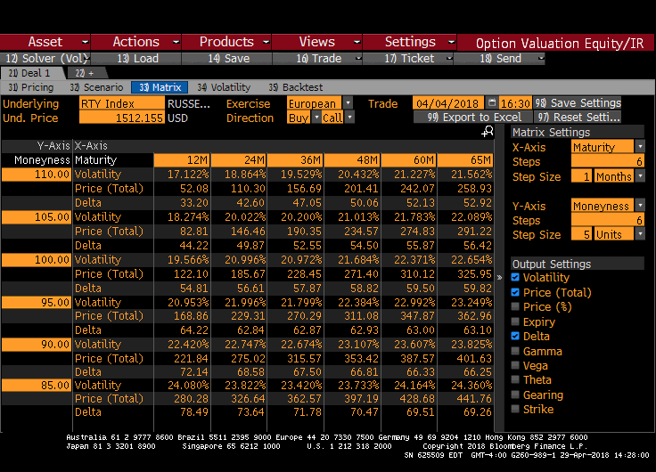
Implied vol of SPX | 20.702% | -> used in the valuation | Moneyness | 90% | 95% | 100% | 105% | 110% | -> from pricing date to maturity
Implied vol of RTY | 23.259% | -> used in the valuation | Implied vol (SPX) | 21.264 | 20.691 | 20.137 | 19.601 | 18.963
* Source: Bloomberg |  |  | Implied vol (RTY) | 23.825 | 23.249 | 22.654 | 22.089 | 21.562

