SHeet
StartTime: 2020-06-25 11:30:49.825
address | Time(s) | ax(g) | ay(g) | az(g) | wx(deg/s) | wy(deg/s) | wz(deg/s) | AngleX(deg) | AngleY(deg) | AngleZ(deg) | T(掳)
0x50 | 17:01:11 | -0.1533 | 0.2612 | 0.9189 | -6.4697 | 1.3428 | -0.3662 | 17.7649 | 12.052 | 86.7371 | 0
0x50 | 17:01:11 | -0.1689 | 0.2793 | 0.9219 | 0.5493 | 6.2256 | 0.3052 | 17.6495 | 12.3047 | 86.9073 | 0
0x50 | 17:01:12 | -0.1597 | 0.2686 | 0.9072 | 1.5869 | -3.1738 | 0.4272 | 17.5452 | 12.442 | 86.9128 | 0
0x50 | 17:01:12 | -0.1548 | 0.2783 | 0.9331 | 1.0986 | -7.019 | 1.3428 | 17.677 | 12.1014 | 86.9073 | 0
0x50 | 17:01:12 | -0.1631 | 0.2715 | 0.9106 | -0.1831 | -6.897 | 2.0752 | 17.7484 | 11.9312 | 86.9897 | 0
0x50 | 17:01:12 | -0.1704 | 0.2803 | 0.9336 | 0.9155 | -11.3525 | 4.4556 | 17.9572 | 11.3379 | 87.0941 | 0
 | -0.1533 | 0.2612 | 0.9189
 | -0.1689 | 0.2793 | 0.9219
 | -0.1597 | 0.2686 | 0.9072
 | -0.1548 | 0.2783 | 0.9331
 | -0.1631 | 0.2715 | 0.9106
 | -0.1704 | 0.2803 | 0.9336
 | -0.1675 | 0.2695 | 0.9521
 | -0.0781 | 0.2524 | 0.9448
 | 0.105 | 0.2363 | 0.8867
 | 0.4063 | 0.29 | 0.8784
 | 0.583 | 0.2666 | 0.7725
 | 0.6348 | 0.2783 | 0.6958
 | 0.689 | 0.3467 | 0.6772
 | 0.7358 | 0.3208 | 0.6343
 | 0.7378 | 0.2944 | 0.6167
 | 0.7378 | 0.314 | 0.6182
 | 0.7393 | 0.314 | 0.6431
 | 0.7202 | 0.3242 | 0.6743
 | 0.709 | 0.3218 | 0.6641
 | 0.6943 | 0.3296 | 0.6719
 | 0.6899 | 0.3296 | 0.6646
 | 0.6772 | 0.332 | 0.6763
 | 0.6616 | 0.3267 | 0.6714
 | 0.6553 | 0.3271 | 0.6851
 | 0.6831 | 0.3345 | 0.7788
 | 0.4102 | 0.4199 | 0.8447
 | 0.1494 | 0.3135 | 0.8467
 | -0.1387 | 0.3408 | 0.9009
 | -0.248 | 0.3306 | 0.8823
 | -0.2095 | 0.2954 | 0.8911
 | -0.248 | 0.3691 | 0.9351
 | -0.2192 | 0.3198 | 0.894
 | -0.2295 | 0.3545 | 0.9346
 | -0.1655 | 0.334 | 0.9272
 | -0.1646 | 0.3271 | 0.9077
 | -0.2036 | 0.3394 | 0.9009
 | -0.2168 | 0.3354 | 0.8931
 | -0.23 | 0.3491 | 0.9077
 | -0.2495 | 0.3804 | 0.8784
 | -0.2891 | 0.3628 | 0.8755
 | -0.4414 | 0.3838 | 0.7607
 | -0.6118 | 0.4331 | 0.707
 | -0.7476 | 0.3257 | 0.4927
 | -0.8789 | 0.2749 | 0.1973
 | -0.9263 | 0.2993 | -0.0767
 | -0.8867 | 0.2368 | -0.2627
 | -0.9351 | 0.3276 | -0.3291
 | -0.8926 | 0.2842 | -0.3794
 | -0.8765 | 0.291 | -0.3579
 | -0.8589 | 0.2822 | -0.3184
...
0x50 | 17:01:12 | -0.1675 | 0.2695 | 0.9521 | -3.479 | -36.1328 | 6.5918 | 17.8363 | 9.3768 | 87.0282 | 0
0x50 | 17:01:12 | -0.0781 | 0.2524 | 0.9448 | -18.0664 | -76.2329 | 4.6997 | 16.5454 | 4.3506 | 85.8856 | 0
0x50 | 17:01:12 | 0.105 | 0.2363 | 0.8867 | -10.9863 | -138.2446 | 23.6206 | 15.7379 | -6.3776 | 84.2157 | 0
0x50 | 17:01:12 | 0.4063 | 0.29 | 0.8784 | 18.9819 | -120.7275 | 33.3252 | 17.7264 | -20.3741 | 83.0566 | 0
0x50 | 17:01:12 | 0.583 | 0.2666 | 0.7725 | 15.3198 | -105.5298 | 22.9492 | 20.6488 | -30.8057 | 81.2878 | 0
0x50 | 17:01:12 | 0.6348 | 0.2783 | 0.6958 | 23.3154 | -71.5942 | 25.5127 | 23.9447 | -38.7927 | 80.1453 | 0
0x50 | 17:01:13 | 0.689 | 0.3467 | 0.6772 | 10.5591 | -35.0952 | 15.2588 | 26.109 | -43.8794 | 79.8816 | 0
0x50 | 17:01:13 | 0.7358 | 0.3208 | 0.6343 | -14.2212 | -4.9438 | -6.5918 | 26.3562 | -45.0934 | 79.2059 | 0
0x50 | 17:01:13 | 0.7378 | 0.2944 | 0.6167 | -2.9907 | 8.4229 | -8.1177 | 26.076 | -44.9341 | 78.6621 | 0
0x50 | 17:01:13 | 0.7378 | 0.314 | 0.6182 | 1.3428 | 12.3291 | -4.3945 | 26.1145 | -44.5221 | 78.5577 | 0
0x50 | 17:01:13 | 0.7393 | 0.314 | 0.6431 | 4.5776 | 12.3901 | -2.6855 | 26.1475 | -43.819 | 78.7225 | 0
0x50 | 17:01:13 | 0.7202 | 0.3242 | 0.6743 | 6.2256 | 8.4839 | -1.8311 | 26.1475 | -43.0884 | 78.9972 | 0
0x50 | 17:01:13 | 0.709 | 0.3218 | 0.6641 | 1.0986 | 4.6997 | -2.1362 | 26.2408 | -42.4731 | 79.0906 | 0
0x50 | 17:01:13 | 0.6943 | 0.3296 | 0.6719 | 3.3569 | 5.9204 | 0.3052 | 26.2408 | -41.9403 | 79.3597 | 0
0x50 | 17:01:13 | 0.6899 | 0.3296 | 0.6646 | 2.4414 | 5.127 | -5.7983 | 26.2518 | -41.2317 | 79.2828 | 0
0x50 | 17:01:14 | 0.6772 | 0.332 | 0.6763 | 4.0283 | 10.1929 | 1.0376 | 26.098 | -40.979 | 79.6179 | 0
0x50 | 17:01:14 | 0.6616 | 0.3267 | 0.6714 | -0.6104 | 10.376 | -0.1221 | 25.5707 | -40.2319 | 80.2606 | 0
0x50 | 17:01:14 | 0.6553 | 0.3271 | 0.6851 | -0.9766 | 13.0005 | -2.1973 | 25.1422 | -39.5233 | 80.7715 | 0
0x50 | 17:01:14 | 0.6831 | 0.3345 | 0.7788 | 16.4185 | 94.1772 | -35.6445 | 25.0598 | -36.1505 | 81.2054 | 0
0x50 | 17:01:14 | 0.4102 | 0.4199 | 0.8447 | -63.9038 | 89.1724 | -15.4419 | 23.1976 | -22.9834 | 83.7708 | 0
0x50 | 17:01:14 | 0.1494 | 0.3135 | 0.8467 | -4.0894 | 169.3115 | -8.606 | 18.2318 | -9.8712 | 87.0667 | 0
0x50 | 17:01:14 | -0.1387 | 0.3408 | 0.9009 | 13.2446 | 123.9014 | -4.5166 | 18.6218 | 5.5371 | 90.5988 | 0
0x50 | 17:01:14 | -0.248 | 0.3306 | 0.8823 | -3.2349 | 48.5229 | -2.1973 | 19.0613 | 13.9142 | 92.6532 | 0
0x50 | 17:01:14 | -0.2095 | 0.2954 | 0.8911 | 9.4604 | 2.9297 | 9.2163 | 18.9734 | 15.3644 | 93.219 | 0
0x50 | 17:01:14 | -0.248 | 0.3691 | 0.9351 | 6.2256 | 2.9907 | 4.8828 | 20.1654 | 14.9689 | 93.7793 | 0
0x50 | 17:01:15 | -0.2192 | 0.3198 | 0.894 | -2.7466 | -11.1084 | 2.9907 | 20.0555 | 13.7549 | 93.5431 | 0
0x50 | 17:01:15 | -0.2295 | 0.3545 | 0.9346 | -0.061 | -1.8311 | 0.4883 | 20.2917 | 13.2605 | 93.5486 | 0
0x50 | 17:01:15 | -0.1655 | 0.334 | 0.9272 | 2.6855 | -0.3662 | -0.9766 | 20.0391 | 12.464 | 93.0212 | 0
0x50 | 17:01:15 | -0.1646 | 0.3271 | 0.9077 | 5.0049 | 0.2441 | 1.1597 | 20.2368 | 12.464 | 92.84 | 0
0x50 | 17:01:15 | -0.2036 | 0.3394 | 0.9009 | -1.3428 | -2.8687 | -0.5493 | 20.5829 | 12.6508 | 92.8455 | 0
0x50 | 17:01:15 | -0.2168 | 0.3354 | 0.8931 | -2.6855 | -0.5493 | -2.6855 | 20.6598 | 12.7496 | 92.6807 | 0
0x50 | 17:01:15 | -0.23 | 0.3491 | 0.9077 | 4.2114 | 14.7705 | -0.5493 | 20.9784 | 13.2385 | 92.6312 | 0
0x50 | 17:01:15 | -0.2495 | 0.3804 | 0.8784 | 32.4097 | 48.5229 | -0.061 | 23.0109 | 15.9686 | 93.1036 | 0
0x50 | 17:01:15 | -0.2891 | 0.3628 | 0.8755 | 5.4932 | 48.0347 | -11.3525 | 24.6863 | 19.9017 | 94.0594 | 0
0x50 | 17:01:15 | -0.4414 | 0.3838 | 0.7607 | 10.3149 | 95.6421 | -20.5688 | 26.5814 | 27.2186 | 96.0974 | 0
0x50 | 17:01:16 | -0.6118 | 0.4331 | 0.707 | 24.7192 | 134.0332 | -45.2271 | 30.6354 | 39.1608 | 98.9758 | 0
0x50 | 17:01:16 | -0.7476 | 0.3257 | 0.4927 | -11.2305 | 190.6128 | -36.7432 | 35.5023 | 53.9154 | 105.4358 | 0
0x50 | 17:01:16 | -0.8789 | 0.2749 | 0.1973 | -4.0894 | 168.2739 | -8.4839 | 54.4977 | 68.0548 | 127.9523 | 0
0x50 | 17:01:16 | -0.9263 | 0.2993 | -0.0767 | 3.9063 | 126.8311 | -13.1226 | 97.1356 | 72.8503 | 171.6559 | 0
0x50 | 17:01:16 | -0.8867 | 0.2368 | -0.2627 | -2.0142 | 78.4912 | -13.5498 | 128.7653 | 70.285 | -156.2091 | 0
0x50 | 17:01:16 | -0.9351 | 0.3276 | -0.3291 | -4.7607 | 58.7769 | 18.1885 | 140.3668 | 64.6655 | -145.3491 | 0
0x50 | 17:01:16 | -0.8926 | 0.2842 | -0.3794 | 2.0142 | -7.4463 | -1.77 | 142.4323 | 63.0835 | -144.4208 | 0
0x50 | 17:01:16 | -0.8765 | 0.291 | -0.3579 | 9.7656 | -6.958 | 3.9673 | 142.3004 | 63.3636 | -146.3599 | 0
0x50 | 17:01:16 | -0.8589 | 0.2822 | -0.3184 | 8.1787 | -8.606 | 0.1221 | 141.9983 | 64.0723 | -148.5132 | 0
0x50 | 17:01:16 | -0.8911 | 0.2988 | -0.3169 | 8.2397 | -2.4414 | 7.5684 | 142.6959 | 63.7042 | -148.9362 | 0
0x50 | 17:01:17 | -0.8857 | 0.2554 | -0.3647 | 4.6997 | -5.4932 | 2.7466 | 142.7234 | 63.5834 | -150.0458 | 0
0x50 | 17:01:17 | -0.8589 | 0.269 | -0.3428 | 4.5776 | -5.4932 | 2.9907 | 143.1903 | 63.5779 | -150.8588 | 0
0x50 | 17:01:17 | -0.877 | 0.2378 | -0.3569 | 3.7842 | -1.2817 | 4.0894 | 144.1077 | 63.2813 | -151.3257 | 0
0x50 | 17:01:17 | -0.8809 | 0.2402 | -0.3628 | 3.3569 | -6.4697 | 1.5869 | 144.1956 | 63.3582 | -152.1442 | 0
0x50 | 17:01:17 | -0.8945 | 0.2397 | -0.3613 | 2.6245 | -21.7285 | 4.0894 | 143.5419 | 64.0503 | -153.902 | 0
0x50 | 17:01:17 | -0.959 | 0.2451 | -0.2939 | -7.3853 | -90.1489 | 18.0664 | 134.4507 | 67.2363 | -164.0259 | 0
0x50 | 17:01:17 | -0.9429 | 0.2939 | -0.0483 | -18.6157 | -185.3638 | 32.959 | 94.6088 | 71.2354 | 154.8248 | 0
0x50 | 17:01:17 | -0.8086 | 0.3198 | 0.2749 | -25.2075 | -184.1431 | 18.6768 | 49.4879 | 62.4628 | 109.3085 | 0
0x50 | 17:01:17 | -0.6396 | 0.353 | 0.5952 | -27.4048 | -179.4434 | 37.7808 | 33.2941 | 46.4447 | 93.1696 | 0
0x50 | 17:01:17 | -0.2544 | 0.4023 | 0.7744 | 16.8457 | -176.9409 | 44.4336 | 27.5922 | 28.493 | 85.3748 | 0
0x50 | 17:01:18 | -0.2021 | 0.4146 | 0.9121 | -26.001 | -96.9849 | 14.0991 | 25.4224 | 15.8588 | 82.4524 | 0
0x50 | 17:01:18 | -0.1016 | 0.3877 | 0.8921 | 18.7988 | -0.5493 | 12.0239 | 24.7412 | 10.9808 | 82.3041 | 0
0x50 | 17:01:18 | -0.1494 | 0.4077 | 0.9023 | -4.6387 | -8.7891 | -2.8076 | 25.4169 | 11.0193 | 83.2214 | 0
0x50 | 17:01:18 | -0.1431 | 0.3911 | 0.8989 | 1.0376 | 5.8594 | -3.3569 | 25.0488 | 11.0797 | 83.4851 | 0
0x50 | 17:01:18 | -0.1724 | 0.396 | 0.8833 | 5.127 | 4.3945 | -1.5259 | 25.2686 | 11.9202 | 84.1168 | 0
0x50 | 17:01:18 | -0.1533 | 0.3896 | 0.8857 | -0.3052 | -0.7935 | -0.3052 | 25.1752 | 11.9092 | 84.5123 | 0
0x50 | 17:01:18 | -0.1611 | 0.3945 | 0.875 | 0.3662 | 2.1973 | -0.3052 | 25.2411 | 12.1509 | 84.9738 | 0
0x50 | 17:01:18 | -0.1729 | 0.3931 | 0.8867 | 0.2441 | 1.4038 | -0.7935 | 25.318 | 12.3431 | 85.3088 | 0
0x50 | 17:01:18 | -0.1836 | 0.395 | 0.8779 | 4.7607 | 5.6763 | 0.2441 | 25.5048 | 12.5848 | 85.7648 | 0
0x50 | 17:01:18 | -0.1694 | 0.3965 | 0.8979 | -1.77 | 3.6011 | -2.9297 | 25.4773 | 12.6123 | 85.9076 | 0
0x50 | 17:01:19 | -0.208 | 0.3984 | 0.8672 | 3.9063 | 18.1274 | -0.9155 | 25.5157 | 13.5406 | 86.4459 | 0
0x50 | 17:01:19 | -0.2061 | 0.3823 | 0.8687 | 0.061 | 13.6719 | -4.3335 | 25.5762 | 14.8755 | 86.8799 | 0
0x50 | 17:01:19 | -0.2695 | 0.3853 | 0.8525 | -2.2583 | 9.8877 | -7.0801 | 25.6531 | 16.2708 | 87.2974 | 0
0x50 | 17:01:19 | -0.311 | 0.4038 | 0.8442 | 12.0239 | 24.7803 | -6.8359 | 26.3342 | 18.6163 | 87.6544 | 0
0x50 | 17:01:19 | -0.4302 | 0.3926 | 0.7949 | -3.7231 | 2.9297 | -42.0532 | 26.2244 | 20.907 | 86.6327 | 0
0x50 | 17:01:19 | -0.4375 | 0.4102 | 0.8145 | 5.9814 | -17.6392 | -81.9702 | 24.5215 | 22.8351 | 79.986 | 0
0x50 | 17:01:19 | -0.4058 | 0.3218 | 0.8188 | 5.127 | -32.2876 | -92.1021 | 21.275 | 23.3185 | 70.1367 | 0
0x50 | 17:01:19 | -0.2388 | 0.2549 | 0.8374 | -14.7705 | -137.085 | -68.2373 | 17.7155 | 18.4186 | 58.678 | 0
0x50 | 17:01:19 | -0.2266 | 0.2388 | 0.8975 | 3.2349 | -68.4814 | -76.1108 | 15.2655 | 10.5908 | 49.3451 | 0
0x50 | 17:01:19 | -0.0239 | 0.272 | 0.9268 | 29.7241 | -57.312 | -85.8154 | 16.0455 | 5.6305 | 39.6057 | 0
0x50 | 17:01:20 | 0.1826 | 0.2681 | 0.9766 | 13.3057 | -6.897 | -41.5039 | 17.4023 | 2.0215 | 33.3215 | 0
0x50 | 17:01:20 | 0.0488 | 0.3223 | 0.9995 | 1.5259 | 9.3384 | 5.0659 | 17.7045 | 1.3348 | 33.5797 | 0
0x50 | 17:01:20 | -0.0562 | 0.2988 | 0.938 | -8.4839 | 29.9683 | 13.7939 | 17.3529 | 2.4445 | 36.3098 | 0
0x50 | 17:01:20 | 0.0244 | 0.2681 | 0.9536 | -3.9063 | 25.6958 | 22.2778 | 16.7651 | 3.3563 | 39.3915 | 0
0x50 | 17:01:20 | 0.0757 | 0.2891 | 0.9722 | -26.4893 | 36.5601 | 74.0967 | 15.65 | 3.3398 | 45.7141 | 0
0x50 | 17:01:20 | 0.0664 | 0.2349 | 0.9321 | -9.8267 | 26.4893 | 121.46 | 13.3319 | 3.5046 | 57.1509 | 0
0x50 | 17:01:20 | -0.085 | 0.228 | 0.917 | 1.4648 | 39.1235 | 97.29 | 13.3759 | 7.4213 | 68.9227 | 0
0x50 | 17:01:20 | -0.104 | 0.2383 | 0.937 | -9.5825 | 50.1099 | 106.1401 | 15.1172 | 10.0635 | 79.3872 | 0
0x50 | 17:01:20 | -0.2998 | 0.3105 | 0.8506 | 14.3433 | 41.748 | 99.3652 | 18.6218 | 13.1396 | 91.4996 | 0
0x50 | 17:01:20 | -0.2466 | 0.3545 | 0.9238 | -15.8691 | -13.7329 | 31.311 | 20.5994 | 12.4805 | 97.3499 | 0
0x50 | 17:01:21 | -0.2007 | 0.3115 | 0.9199 | 0 | -3.479 | 9.7046 | 20.3192 | 11.7279 | 98.2452 | 0
0x50 | 17:01:21 | -0.1953 | 0.3271 | 0.9316 | 0.1221 | 3.2349 | -0.3662 | 20.5389 | 11.684 | 98.0695 | 0
0x50 | 17:01:21 | -0.1812 | 0.3198 | 0.9194 | -1.709 | -3.9063 | -5.5542 | 20.2368 | 11.6895 | 97.3389 | 0
0x50 | 17:01:21 | -0.1953 | 0.3223 | 0.9214 | -2.8076 | -2.0752 | -8.667 | 19.8798 | 11.7883 | 96.416 | 0
0x50 | 17:01:21 | -0.2139 | 0.3135 | 0.8999 | 1.77 | 4.9438 | -18.4937 | 19.3744 | 11.9421 | 95.1086 | 0
0x50 | 17:01:21 | -0.1714 | 0.2876 | 0.8989 | 8.7891 | 2.9907 | -13.1226 | 19.1327 | 11.5411 | 93.4827 | 0
0x50 | 17:01:21 | -0.3047 | 0.3403 | 0.8906 | 10.2539 | -9.2773 | -57.9224 | 19.715 | 12.9474 | 90.3241 | 0
0x50 | 17:01:21 | -0.1333 | 0.3599 | 1.0078 | -10.5591 | -54.2603 | -80.6885 | 18.3087 | 12.4146 | 81.0242 | 0
0x50 | 17:01:21 | -0.1821 | 0.3223 | 0.9844 | 12.2681 | -37.2314 | -136.6577 | 15.3259 | 12.7881 | 69.2303 | 0
0x50 | 17:01:21 | -0.1382 | 0.3057 | 0.9482 | 52.4902 | -52.2461 | -124.3896 | 15.7544 | 12.6617 | 54.8108 | 0
0x50 | 17:01:22 | -0.0342 | 0.2964 | 1.0156 | 13.4888 | -64.0869 | -41.1377 | 17.2266 | 9.5416 | 46.4777 | 0
0x50 | 17:01:22 | -0.0967 | 0.3149 | 0.96 | 11.5356 | -12.0239 | -40.8325 | 18.8361 | 8.6627 | 42.6489 | 0
0x50 | 17:01:22 | -0.0898 | 0.2861 | 0.9399 | 8.0566 | 1.6479 | -16.9678 | 18.7042 | 9.1296 | 40.7208 | 0
0x50 | 17:01:22 | -0.1216 | 0.2705 | 0.9043 | 4.4556 | 12.9395 | 0.6714 | 19.0613 | 9.7339 | 41.2372 | 0
0x50 | 17:01:22 | -0.1338 | 0.311 | 0.9258 | -3.479 | 4.1504 | -0.9766 | 19.1656 | 10.2557 | 42.2644 | 0
0x50 | 17:01:22 | -0.0845 | 0.3027 | 0.9336 | -1.5259 | -0.6104 | 10.376 | 19.2645 | 9.9316 | 43.5059 | 0
0x50 | 17:01:22 | -0.1206 | 0.2954 | 0.9395 | -9.2773 | 11.4136 | 20.874 | 18.8361 | 10.0415 | 46.1975 | 0
0x50 | 17:01:22 | -0.1445 | 0.2847 | 0.9321 | -9.1553 | 6.1035 | 22.644 | 18.1329 | 10.4919 | 49.0594 | 0
0x50 | 17:01:22 | -0.1528 | 0.2803 | 0.9287 | -19.6533 | 3.7842 | 38.3301 | 17.1826 | 10.1843 | 52.6025 | 0
0x50 | 17:01:22 | -0.084 | 0.2485 | 0.9404 | -26.062 | 0.8545 | 70.4346 | 15.8588 | 9.3604 | 57.8595 | 0
0x50 | 17:01:23 | -0.0049 | 0.3071 | 1.0059 | -6.7139 | -1.8921 | 118.8354 | 15.2216 | 6.5259 | 67.6538 | 0
0x50 | 17:01:23 | -0.0098 | 0.2949 | 0.9746 | 16.7847 | 35.8276 | 123.23 | 15.4578 | 5.3668 | 79.6948 | 0
0x50 | 17:01:23 | -0.1729 | 0.356 | 0.9219 | 20.752 | 64.27 | 103.5767 | 17.9681 | 6.6577 | 92.2852 | 0
0x50 | 17:01:23 | -0.271 | 0.3745 | 0.9199 | -3.2349 | 27.3438 | 35.2783 | 19.2755 | 8.2068 | 99.7833 | 0
0x50 | 17:01:23 | -0.187 | 0.2847 | 0.874 | -3.3569 | 13.2446 | 5.7373 | 18.6713 | 9.1351 | 101.1127 | 0
0x50 | 17:01:23 | -0.1621 | 0.2808 | 0.915 | 5.0659 | 2.6855 | -7.1411 | 18.9185 | 9.5032 | 100.6073 | 0
0x50 | 17:01:23 | -0.1406 | 0.2974 | 0.9531 | 1.0376 | 3.6621 | -2.5024 | 19.0558 | 9.3439 | 99.5306 | 0
0x50 | 17:01:23 | -0.1636 | 0.3179 | 0.9277 | 0.5493 | 1.2207 | -4.8218 | 19.0338 | 9.3713 | 98.7177 | 0
0x50 | 17:01:23 | -0.1362 | 0.2979 | 0.9063 | 2.3193 | -0.7324 | -1.77 | 18.8855 | 9.2889 | 97.7783 | 0
0x50 | 17:01:24 | -0.1455 | 0.3081 | 0.9268 | -0.061 | 6.2256 | 0.9766 | 18.9514 | 9.4702 | 97.2565 | 0
0x50 | 17:01:24 | -0.1631 | 0.3047 | 0.9194 | 4.3945 | 17.334 | -3.6621 | 18.847 | 10.1624 | 96.8884 | 0
0x50 | 17:01:24 | -0.1719 | 0.3047 | 0.9277 | -1.5869 | 3.8452 | -5.7983 | 18.8745 | 10.9314 | 96.3281 | 0
0x50 | 17:01:24 | -0.1553 | 0.2969 | 0.9131 | 2.5024 | -1.77 | 0.8545 | 18.7042 | 10.9424 | 95.6689 | 0
0x50 | 17:01:24 | -0.1704 | 0.2974 | 0.9258 | -1.1597 | -4.5166 | 0 | 18.6603 | 10.7172 | 95.1691 | 0
0x50 | 17:01:24 | -0.1597 | 0.2954 | 0.937 | -3.2959 | -8.9111 | 1.6479 | 18.4131 | 9.9756 | 94.5923 | 0
0x50 | 17:01:24 | -0.1406 | 0.293 | 0.9131 | 4.0894 | -8.1787 | 6.3477 | 18.2483 | 9.0088 | 94.1693 | 0
0x50 | 17:01:24 | -0.1899 | 0.3052 | 0.9355 | -6.897 | -30.3345 | 0.5493 | 18.3197 | 8.053 | 93.6694 | 0
0x50 | 17:01:24 | -0.0542 | 0.2734 | 0.9922 | -16.1133 | -92.1021 | 1.8921 | 16.3257 | 1.0712 | 91.1371 | 0
0x50 | 17:01:24 | 0.1484 | 0.3066 | 0.9521 | -9.0332 | -126.2817 | 12.0239 | 14.9579 | -11.1182 | 88.0774 | 0
0x50 | 17:01:25 | 0.3472 | 0.2646 | 0.8154 | -7.2632 | -139.5874 | 13.2446 | 15.5292 | -25.351 | 84.6002 | 0
0x50 | 17:01:25 | 0.6587 | 0.2432 | 0.6997 | 27.0386 | -96.4355 | 5.3711 | 18.8086 | -38.8916 | 80.2771 | 0
0x50 | 17:01:25 | 0.7988 | 0.2637 | 0.6743 | 10.8032 | -43.9453 | -5.7983 | 23.0383 | -46.0712 | 76.0913 | 0
0x50 | 17:01:25 | 0.8433 | 0.251 | 0.606 | -0.4883 | -12.3901 | -5.6152 | 24.7192 | -48.3508 | 73.3942 | 0
0x50 | 17:01:25 | 0.8027 | 0.2729 | 0.6118 | -8.4229 | 7.3853 | 0 | 24.906 | -47.3291 | 73.0426 | 0
0x50 | 17:01:25 | 0.7866 | 0.2817 | 0.644 | 16.7847 | 75.9888 | -15.1978 | 24.4446 | -43.1213 | 74.4104 | 0
0x50 | 17:01:25 | 0.5093 | 0.4121 | 0.7671 | 38.8184 | 173.3398 | -16.0522 | 24.9005 | -30.4376 | 78.5852 | 0
0x50 | 17:01:25 | 0.3716 | 0.353 | 0.833 | 14.7705 | 177.124 | -4.4556 | 23.2031 | -17.2705 | 84.6661 | 0
0x50 | 17:01:25 | -0.0269 | 0.374 | 0.8423 | -2.7466 | 162.5366 | -8.8501 | 22.5824 | -0.813 | 90.7635 | 0
0x50 | 17:01:25 | -0.2021 | 0.333 | 0.8408 | -8.4229 | 83.6792 | -7.5684 | 21.3409 | 9.624 | 93.5266 | 0
0x50 | 17:01:26 | -0.2192 | 0.3335 | 0.8677 | 7.1411 | 64.6973 | -1.0986 | 21.5826 | 15.3369 | 95.1141 | 0
0x50 | 17:01:26 | -0.3433 | 0.4072 | 0.8857 | 3.54 | -5.5542 | 1.5869 | 23.703 | 18.8416 | 96.5314 | 0
0x50 | 17:01:26 | -0.2285 | 0.3765 | 0.8799 | -1.1597 | -74.8291 | 1.5259 | 22.7307 | 15.1062 | 94.3945 | 0
0x50 | 17:01:26 | 0.0293 | 0.3906 | 0.9072 | 17.334 | -116.9434 | 26.8555 | 22.7911 | 4.4714 | 91.4722 | 0
0x50 | 17:01:26 | 0.1377 | 0.3994 | 0.9063 | -13.916 | -116.333 | 9.5215 | 22.9614 | -7.0917 | 88.5992 | 0
0x50 | 17:01:26 | 0.2881 | 0.3818 | 0.8892 | -13.0615 | -111.2061 | 15.9302 | 22.1155 | -19.0887 | 84.8639 | 0
0x50 | 17:01:26 | 0.5361 | 0.2827 | 0.7588 | -0.6104 | -51.3916 | 0.7324 | 21.4069 | -31.0529 | 81.5131 | 0
0x50 | 17:01:26 | 0.6167 | 0.2979 | 0.7202 | 13.1226 | -45.8984 | -3.2349 | 23.3295 | -36.98 | 78.783 | 0
0x50 | 17:01:26 | 0.7119 | 0.3354 | 0.7002 | -6.7139 | -21.9727 | -7.5073 | 25.4498 | -40.4956 | 76.1353 | 0
0x50 | 17:01:26 | 0.7075 | 0.3198 | 0.6694 | -3.479 | 2.6855 | -5.0049 | 26.0431 | -41.1603 | 74.9103 | 0
0x50 | 17:01:27 | 0.7104 | 0.3154 | 0.6621 | 2.8687 | 8.728 | -3.1128 | 25.9497 | -40.7758 | 74.762 | 0
0x50 | 17:01:27 | 0.6719 | 0.3311 | 0.6807 | 3.2959 | 11.9629 | -2.3193 | 25.6311 | -39.9353 | 75.152 | 0
0x50 | 17:01:27 | 0.6479 | 0.3232 | 0.6714 | 6.5308 | 7.6904 | -1.1597 | 25.5377 | -39.2761 | 75.4102 | 0
0x50 | 17:01:27 | 0.6563 | 0.3315 | 0.6968 | 4.0283 | 7.8735 | -0.9155 | 25.6586 | -38.9795 | 75.542 | 0
0x50 | 17:01:27 | 0.6616 | 0.3477 | 0.7104 | -0.7935 | 8.3618 | -0.9766 | 25.6091 | -38.7598 | 75.7617 | 0
0x50 | 17:01:27 | 0.6377 | 0.3467 | 0.7109 | -0.7935 | 0.8545 | 2.7466 | 25.4498 | -38.0896 | 76.1243 | 0
0x50 | 17:01:27 | 0.6362 | 0.3423 | 0.7139 | -1.6479 | -1.3428 | 3.54 | 25.285 | -37.8094 | 76.4099 | 0
0x50 | 17:01:27 | 0.5933 | 0.3496 | 0.7295 | 4.9438 | 31.1279 | -0.3052 | 25.0598 | -36.2933 | 77.2394 | 0
0x50 | 17:01:27 | 0.4995 | 0.3892 | 0.7715 | -9.4604 | -7.2632 | 11.0474 | 25.1312 | -32.8436 | 78.6896 | 0
0x50 | 17:01:27 | 0.5605 | 0.3589 | 0.7671 | -8.1177 | -14.4043 | 7.3242 | 24.4116 | -33.0469 | 79.2938 | 0
0x50 | 17:01:27 | 0.5771 | 0.3232 | 0.7368 | -6.1035 | -12.4512 | 1.709 | 23.9832 | -33.4259 | 79.118 | 0
0x50 | 17:01:28 | 0.5972 | 0.3569 | 0.7896 | -0.5493 | 15.9912 | -3.1128 | 24.5709 | -32.4646 | 79.1895 | 0
0x50 | 17:01:28 | 0.4268 | 0.4229 | 0.7979 | 64.7583 | 191.8945 | -31.9824 | 26.3947 | -22.3352 | 82.0734 | 0
0x50 | 17:01:28 | 0.1152 | 0.4824 | 0.9204 | -35.7666 | 125.6714 | -17.8223 | 26.7737 | -6.1084 | 87.3413 | 0
0x50 | 17:01:28 | -0.0952 | 0.3359 | 0.8687 | -29.1138 | 151.6113 | -12.085 | 22.4615 | 6.4325 | 90.9943 | 0
0x50 | 17:01:28 | -0.3638 | 0.3496 | 0.832 | -14.2822 | 62.3169 | -7.5684 | 21.8079 | 17.8638 | 94.4879 | 0
0x50 | 17:01:28 | -0.2593 | 0.3032 | 0.8296 | -1.8311 | -20.5688 | 0.1221 | 20.6049 | 19.0668 | 93.8892 | 0
0x50 | 17:01:28 | -0.3032 | 0.354 | 0.8867 | 5.5542 | -11.4746 | 4.3335 | 21.33 | 18.0286 | 93.576 | 0
0x50 | 17:01:28 | -0.2764 | 0.3628 | 0.8652 | 14.0991 | -6.2256 | 9.4604 | 22.3572 | 17.2266 | 93.7079 | 0
0x50 | 17:01:28 | -0.293 | 0.3711 | 0.8687 | 6.4087 | -4.1504 | 1.2207 | 23.0933 | 16.7322 | 93.8177 | 0
0x50 | 17:01:29 | -0.2524 | 0.3848 | 0.8911 | 4.1504 | -5.127 | 0.1221 | 23.5437 | 16.1334 | 93.4113 | 0
0x50 | 17:01:29 | -0.2163 | 0.3857 | 0.8755 | 4.7607 | -6.5918 | 2.9907 | 23.8348 | 15.3424 | 92.9828 | 0
0x50 | 17:01:29 | -0.2397 | 0.3867 | 0.8662 | 0.6104 | -3.479 | 0.4272 | 24.082 | 14.837 | 92.8455 | 0
0x50 | 17:01:29 | -0.2256 | 0.3965 | 0.8682 | 5.4321 | -3.7231 | 2.0752 | 24.3347 | 14.2822 | 92.6532 | 0
0x50 | 17:01:29 | -0.207 | 0.3916 | 0.8755 | 4.3945 | -5.6763 | 2.4414 | 24.6643 | 13.7219 | 92.4884 | 0
0x50 | 17:01:29 | -0.2202 | 0.4043 | 0.8755 | 2.0752 | 0.9766 | 2.1362 | 25.0269 | 13.288 | 92.4774 | 0
0x50 | 17:01:29 | -0.2202 | 0.396 | 0.8579 | -1.77 | 0.1221 | -1.5869 | 25.0983 | 13.4253 | 92.3511 | 0
0x50 | 17:01:29 | -0.2104 | 0.4043 | 0.8721 | -1.4038 | -0.6714 | -0.4883 | 25.1093 | 13.5022 | 92.1259 | 0
0x50 | 17:01:29 | -0.2119 | 0.4106 | 0.8818 | -0.1831 | 1.5259 | 0.6104 | 25.1971 | 13.5187 | 92.0105 | 0
0x50 | 17:01:29 | -0.228 | 0.4082 | 0.8618 | 1.0376 | 4.3945 | -1.4648 | 25.1697 | 13.689 | 91.9611 | 0
0x50 | 17:01:30 | -0.2104 | 0.4155 | 0.8872 | 2.0142 | 34.1187 | -7.9346 | 25.3729 | 15.2051 | 91.8622 | 0
0x50 | 17:01:30 | -0.3555 | 0.3774 | 0.7954 | 8.9111 | 132.6904 | -30.8838 | 26.2518 | 23.5107 | 93.7793 | 0
0x50 | 17:01:30 | -0.5645 | 0.3696 | 0.7119 | 17.9443 | 141.2964 | -44.9219 | 28.9984 | 37.3535 | 97.0093 | 0
0x50 | 17:01:30 | -0.749 | 0.3062 | 0.4868 | -15.4419 | 170.5933 | -47.1802 | 33.8324 | 54.223 | 102.3651 | 0
0x50 | 17:01:30 | -0.8774 | 0.2544 | 0.167 | -13.7939 | 147.3999 | -14.0381 | 48.3893 | 68.6261 | 120.2783 | 0
0x50 | 17:01:30 | -0.9482 | 0.2002 | -0.0596 | 2.3193 | 81.2988 | -0.2441 | 79.2389 | 74.8828 | 152.9187 | 0
0x50 | 17:01:30 | -0.9697 | 0.2334 | -0.1152 | 1.709 | 34.3018 | 6.2866 | 100.47 | 74.4818 | 173.5345 | 0
0x50 | 17:01:30 | -0.9272 | 0.2354 | -0.0811 | 3.2349 | -0.4272 | 3.0518 | 103.2001 | 74.0753 | 175.21 | 0
0x50 | 17:01:30 | -0.894 | 0.2324 | -0.0317 | 12.085 | -18.3105 | 6.4087 | 96.8939 | 73.949 | 167.7502 | 0
0x50 | 17:01:30 | -0.9863 | 0.2881 | -0.0122 | 5.4932 | -21.1792 | 9.0332 | 92.1094 | 72.8613 | 161.5759 | 0
0x50 | 17:01:31 | -0.9946 | 0.2954 | 0.0684 | -8.2397 | -54.3823 | 19.104 | 79.2719 | 71.3177 | 147.8815 | 0
0x50 | 17:01:31 | -0.8594 | 0.4165 | 0.3032 | -11.1694 | -133.8501 | 30.0903 | 52.2015 | 61.8146 | 120.5585 | 0
0x50 | 17:01:31 | -0.5498 | 0.3716 | 0.5361 | 10.376 | -140.4419 | 29.6631 | 36.6943 | 46.4117 | 103.9087 | 0
0x50 | 17:01:31 | -0.312 | 0.3877 | 0.8149 | -22.2778 | -133.3008 | 13.916 | 29.7235 | 30.5365 | 94.8615 | 0
0x50 | 17:01:31 | -0.334 | 0.3872 | 0.8584 | -29.0527 | -64.3311 | 1.5259 | 26.3947 | 22.3242 | 91.7194 | 0
0x50 | 17:01:31 | -0.1919 | 0.3247 | 0.8691 | -11.4136 | -29.3579 | -2.3804 | 23.6041 | 17.5397 | 89.6265 | 0
0x50 | 17:01:31 | -0.2285 | 0.3784 | 0.8862 | 2.9297 | -15.5029 | 5.0659 | 24.1095 | 16.7651 | 89.8187 | 0
0x50 | 17:01:31 | -0.2173 | 0.3804 | 0.9048 | 6.8359 | 29.6021 | -3.9673 | 24.6423 | 17.4628 | 90.3406 | 0
0x50 | 17:01:31 | -0.3105 | 0.3696 | 0.8008 | 33.8745 | 130.6152 | -27.3438 | 26.5869 | 24.472 | 92.2577 | 0
0x50 | 17:01:31 | -0.624 | 0.4214 | 0.6323 | 29.3579 | 144.5923 | -50.415 | 33.2831 | 39.6112 | 97.4927 | 0
0x50 | 17:01:32 | -0.7515 | 0.3413 | 0.4004 | 17.8833 | 148.7427 | -48.8892 | 40.6439 | 53.7616 | 104.6722 | 0
0x50 | 17:01:32 | -0.9028 | 0.314 | 0.2212 | 9.9487 | 137.8784 | -24.5972 | 56.7059 | 65.8081 | 121.3989 | 0
0x50 | 17:01:32 | -0.9492 | 0.2798 | 0.0347 | 0.6104 | 65.4297 | -15.5029 | 78.8873 | 71.4716 | 144.6625 | 0
0x50 | 17:01:32 | -0.9155 | 0.2432 | -0.0645 | 4.4556 | 22.8271 | -9.3994 | 93.3948 | 73.1195 | 159.1205 | 0
0x50 | 17:01:32 | -0.9746 | 0.2534 | -0.0801 | -2.3804 | 14.4043 | -1.6479 | 101.1237 | 72.9712 | 166.1517 | 0
0x50 | 17:01:32 | -0.9316 | 0.2495 | -0.042 | -1.3428 | -8.3008 | 4.6387 | 98.0969 | 73.1744 | 162.702 | 0
0x50 | 17:01:32 | -0.916 | 0.2476 | -0.0264 | 3.9063 | -1.4648 | 7.5073 | 93.9441 | 72.8394 | 158.0933 | 0
0x50 | 17:01:32 | -0.9521 | 0.2661 | -0.0498 | 0.3052 | -9.7656 | 3.9673 | 95.5701 | 72.2681 | 159.1919 | 0
0x50 | 17:01:32 | -1.0103 | 0.2744 | -0.0078 | -10.6201 | -27.0386 | 10.7422 | 92.1973 | 71.8121 | 155.4785 | 0
0x50 | 17:01:32 | -0.8389 | 0.3262 | 0.1758 | -20.813 | -99.7314 | 53.6499 | 67.132 | 66.6376 | 131.2152 | 0
0x50 | 17:01:33 | -0.8813 | 0.4951 | 0.3911 | -19.2871 | -173.0957 | 54.5044 | 49.5209 | 52.0422 | 113.7909 | 0
0x50 | 17:01:33 | -0.3979 | 0.4136 | 0.7007 | -84.5947 | -278.4424 | 16.9067 | 31.2726 | 31.0858 | 95.4547 | 0
0x50 | 17:01:33 | -0.0454 | 0.3003 | 0.9111 | -8.3618 | -55.7251 | 1.4648 | 22.077 | 13.4967 | 87.7039 | 0
0x50 | 17:01:33 | -0.1875 | 0.3643 | 0.9043 | 15.686 | -6.897 | -0.4272 | 23.7305 | 12.9474 | 87.8796 | 0
0x50 | 17:01:33 | -0.168 | 0.3691 | 0.8906 | 2.3804 | -1.4038 | -1.0986 | 24.093 | 12.5684 | 87.7917 | 0
0x50 | 17:01:33 | -0.1885 | 0.3862 | 0.8892 | 4.2114 | 4.6387 | 0 | 24.4281 | 12.5024 | 88.0939 | 0
0x50 | 17:01:33 | -0.1851 | 0.3691 | 0.8843 | 1.0376 | 1.4648 | -0.5493 | 24.5105 | 12.6123 | 88.2806 | 0
0x50 | 17:01:33 | -0.188 | 0.3652 | 0.8838 | -0.2441 | -1.0986 | -0.3052 | 24.505 | 13.0463 | 88.5004 | 0
0x50 | 17:01:33 | -0.2012 | 0.397 | 0.8955 | 1.2207 | -0.9766 | -0.6104 | 24.6588 | 13.0298 | 88.6926 | 0
0x50 | 17:01:33 | -0.1812 | 0.3838 | 0.8916 | 3.6011 | 0.3052 | -0.6714 | 24.7028 | 13.0133 | 88.7146 | 0
0x50 | 17:01:34 | -0.1924 | 0.3853 | 0.874 | 0.1221 | 0.9766 | 0.2441 | 24.7412 | 13.1177 | 88.9508 | 0
0x50 | 17:01:34 | -0.1934 | 0.3936 | 0.8774 | 2.5024 | 0.9766 | 0.4883 | 24.9225 | 13.0463 | 89.1925 | 0
0x50 | 17:01:34 | -0.1924 | 0.3799 | 0.876 | -0.8545 | -1.5259 | 0.4272 | 24.9225 | 13.0298 | 89.3738 | 0
0x50 | 17:01:34 | -0.1733 | 0.4038 | 0.9058 | 1.0376 | -0.3052 | 1.9531 | 25.0873 | 12.7277 | 89.577 | 0
0x50 | 17:01:34 | -0.1958 | 0.4067 | 0.8931 | 3.0518 | 3.1128 | 1.3428 | 25.1202 | 12.7936 | 89.8627 | 0
0x50 | 17:01:34 | -0.1792 | 0.3711 | 0.8657 | 2.1362 | 1.0986 | 1.4648 | 24.9994 | 12.7936 | 89.978 | 0
0x50 | 17:01:34 | -0.1929 | 0.3906 | 0.8838 | -2.1362 | 1.2817 | 0.7324 | 25.0598 | 12.7441 | 90.2307 | 0
0x50 | 17:01:34 | -0.1904 | 0.3936 | 0.8882 | 3.1128 | 5.6763 | 1.1597 | 25.2686 | 13.0243 | 90.5164 | 0
0x50 | 17:01:34 | -0.2129 | 0.4023 | 0.876 | -1.0376 | 2.9297 | 0.8545 | 25.34 | 13.2001 | 90.7745 | 0
0x50 | 17:01:34 | -0.1958 | 0.3887 | 0.8677 | 1.1597 | 0.3662 | 0.4883 | 25.2521 | 13.1671 | 90.835 | 0
0x50 | 17:01:35 | -0.2012 | 0.4038 | 0.8853 | -0.6104 | 0 | 0.9155 | 25.3674 | 13.0737 | 90.9174 | 0
0x50 | 17:01:35 | -0.1816 | 0.3931 | 0.897 | -0.7935 | 0.1221 | 0.9766 | 25.329 | 12.9968 | 90.9283 | 0
0x50 | 17:01:35 | -0.2104 | 0.4019 | 0.8804 | -1.0986 | 2.9907 | 0 | 25.2576 | 12.9913 | 91.0327 | 0
0x50 | 17:01:35 | -0.1851 | 0.3979 | 0.8901 | 1.2207 | 0.6104 | 0.7324 | 25.1752 | 12.876 | 91.0767 | 0
0x50 | 17:01:35 | -0.1982 | 0.3906 | 0.873 | 0.4883 | 2.8687 | 0.8545 | 25.0269 | 12.865 | 91.181 | 0
0x50 | 17:01:35 | -0.1865 | 0.3921 | 0.8735 | 2.5024 | 2.5024 | 0.7935 | 25.0269 | 12.8815 | 91.2744 | 0
0x50 | 17:01:35 | -0.187 | 0.3945 | 0.8813 | 2.7466 | 0.2441 | 0.9766 | 25.1093 | 12.7716 | 91.3348 | 0
0x50 | 17:01:35 | -0.2026 | 0.3945 | 0.8784 | -0.1831 | 1.4038 | 1.4038 | 25.1257 | 12.7332 | 91.4667 | 0
0x50 | 17:01:35 | -0.1963 | 0.3911 | 0.8813 | -0.3052 | 1.1597 | 0.1221 | 25.0818 | 12.832 | 91.5271 | 0
0x50 | 17:01:35 | -0.2031 | 0.3945 | 0.8853 | -1.5869 | 2.5024 | 0.4883 | 25.0214 | 12.843 | 91.5765 | 0
0x50 | 17:01:36 | -0.2026 | 0.3887 | 0.8638 | -1.5259 | 0.1221 | -0.061 | 24.9115 | 12.854 | 91.6589 | 0
0x50 | 17:01:36 | -0.2119 | 0.3975 | 0.8755 | 1.8311 | 2.2583 | 1.5259 | 24.95 | 12.7826 | 91.7249 | 0
0x50 | 17:01:36 | -0.2021 | 0.3989 | 0.8882 | 3.2959 | 2.0752 | 1.4648 | 25.0269 | 12.6563 | 91.7578 | 0

Sheet1
-0.1533 |  | 0.2612
-0.1689 |  | 0.2793
-0.1597 | 0.105 | 0.2686
-0.1548 | 0.4063 | 0.2783
-0.1631 | 0.583 | 0.2715
-0.1533 | 0.6348 | 0.2803
-0.1689 | 0.689 | 0.2695
-0.1597 | 0.7358 | 0.2524
-0.1548 | 0.7378 | 0.2363
-0.1631 | 0.7378 | 0.29
-0.1533 | 0.7393 | 0.2666
-0.1689 | 0.7202 | 0.2783
-0.1597 | 0.709 | 0.3467
-0.1548 | 0.6943 | 0.3208
-0.1631 | 0.6899 | 0.2944
-0.1704 | 0.6772 | 0.314
-0.1675 | 0.6616 | 0.314
-0.0781 | 0.6553 | 0.3242
0.105 | 0.6831 | 0.3218
0.4063 | 0.4102 | 0.3296
0.583 | 0.1104 | 0.3296
0.6348 |  | 0.332
0.689 |  | 0.3267
0.7358 |  | 0.3271
0.7378 |  | 0.3345
0.7378 |  | 0.4199
0.7393 |  | 0.3135
0.7202 |  | 0.3408
0.709 |  | 0.3306
0.6943 |  | 0.2954
0.6899 |  | 0.3691
0.6772 |  | 0.3198
0.6616 |  | 0.3545
0.6553 |  | 0.334
0.6831 |  | 0.3271
0.4102 |  | 0.3394
0.1494 |  | 0.3354
-0.1387 |  | 0.3491
-0.248 |  | 0.3804
-0.2095 |  | 0.3628
-0.248 |  | 0.3838
-0.2192 |  | 0.4331
-0.2295 |  | 0.3257
-0.1655 |  | 0.2749
-0.1646 |  | 0.2993
-0.2036 |  | 0.2368
-0.2168 |  | 0.3276
-0.23 |  | 0.2842
-0.2495 |  | 0.291
-0.2891 |  | 0.2822
-0.4414 |  | 0.2988
-0.6118 |  | 0.2554
-0.7476 |  | 0.269
-0.8789 |  | 0.2378
-0.9263 |  | 0.2402
-0.8867 |  | 0.2397
-0.9351 |  | 0.2451
-0.8926 |  | 0.2939
-0.8765 |  | 0.3198
-0.8589 |  | 0.353
-0.8911 |  | 0.4023
-0.8857 |  | 0.4146
-0.8589 |  | 0.3877
-0.877 |  | 0.4077
-0.8809 |  | 0.3911
-0.8945 |  | 0.396
-0.959 |  | 0.3896
-0.9429 |  | 0.3945
-0.8086 |  | 0.3931
-0.6396 |  | 0.395
-0.2544 |  | 0.3965
-0.2021 |  | 0.3984
-0.1016 |  | 0.3823
-0.1494 |  | 0.3853
-0.1431 |  | 0.4038
-0.1724 |  | 0.3926
-0.1533 |  | 0.4102
-0.1611 |  | 0.3218
-0.1729 |  | 0.2549
-0.1836 |  | 0.2388
-0.1694 |  | 0.272
-0.208 |  | 0.2681
-0.2061 |  | 0.3223
-0.2695 |  | 0.2988
-0.311 |  | 0.2681
-0.4302 |  | 0.2891
-0.4375 |  | 0.2349
-0.4058 |  | 0.228
-0.2388 |  | 0.2383
-0.2266 |  | 0.3105
-0.0239 |  | 0.3545
0.1826 |  | 0.3115
0.0488 |  | 0.3271
-0.0562 |  | 0.3198
0.0244 |  | 0.3223
0.0757 |  | 0.3135
0.0664 |  | 0.2876
-0.085 |  | 0.3403
-0.104 |  | 0.3599
-0.2998 |  | 0.3223
-0.2466 |  | 0.3057
-0.2007 |  | 0.2964
-0.1953 |  | 0.3149
-0.1812 |  | 0.2861
-0.1953 |  | 0.2705
-0.2139 |  | 0.311
-0.1714 |  | 0.3027
-0.3047 |  | 0.2954
-0.1333 |  | 0.2847
-0.1821 |  | 0.2803
-0.1382 |  | 0.2485
-0.0342 |  | 0.3071
-0.0967 |  | 0.2949
-0.0898 |  | 0.356
-0.1216 |  | 0.3745
-0.1338 |  | 0.2847
-0.0845 |  | 0.2808
-0.1206 |  | 0.2974
-0.1445 |  | 0.3179
-0.1528 |  | 0.2979
-0.084 |  | 0.3081
-0.0049 |  | 0.3047
-0.0098 |  | 0.3047
-0.1729 |  | 0.2969
-0.271 |  | 0.2974
-0.187 |  | 0.2954
-0.1621 |  | 0.293
-0.1406 |  | 0.3052
-0.1636 |  | 0.2734
-0.1362 |  | 0.3066
-0.1455 |  | 0.2646
-0.1631 |  | 0.2432
-0.1719 |  | 0.2637
-0.1553 |  | 0.251
-0.1704 |  | 0.2729
-0.1597 |  | 0.2817
-0.1406 |  | 0.4121
-0.1899 |  | 0.353
-0.0542 |  | 0.374
0.1484 |  | 0.333
0.3472 |  | 0.3335
0.6587 |  | 0.4072
0.7988 |  | 0.3765
0.8433 |  | 0.3906
0.8027 |  | 0.3994
0.7866 |  | 0.3818
0.5093 |  | 0.2827
0.3716 |  | 0.2979
-0.0269 |  | 0.3354
-0.2021 |  | 0.3198
-0.2192 |  | 0.3154
-0.3433 |  | 0.3311
-0.2285 |  | 0.3232
0.0293 |  | 0.3315
0.1377 |  | 0.3477
0.2881 |  | 0.3467
0.5361 |  | 0.3423
0.6167 |  | 0.3496
0.7119 |  | 0.3892
0.7075 |  | 0.3589
0.7104 |  | 0.3232
0.6719 |  | 0.3569
0.6479 |  | 0.4229
0.6563 |  | 0.4824
0.6616 |  | 0.3359
0.6377 |  | 0.3496
0.6362 |  | 0.3032
0.5933 |  | 0.354
0.4995 |  | 0.3628
0.5605 |  | 0.3711
0.5771 |  | 0.3848
0.5972 |  | 0.3857
0.4268 |  | 0.3867
0.1152 |  | 0.3965
-0.0952 |  | 0.3916
-0.3638 |  | 0.4043
-0.2593 |  | 0.396
-0.3032 |  | 0.4043
-0.2764 |  | 0.4106
-0.293 |  | 0.4082
-0.2524 |  | 0.4155
-0.2163 |  | 0.3774
-0.2397 |  | 0.3696
-0.2256 |  | 0.3062
-0.207 |  | 0.2544
-0.2202 |  | 0.2002
-0.2202 |  | 0.2334
-0.2104 |  | 0.2354
-0.2119 |  | 0.2324
-0.228 |  | 0.2881
-0.2104 |  | 0.2954
-0.3555 |  | 0.4165
-0.5645 |  | 0.3716
-0.749 |  | 0.3877
-0.8774 |  | 0.3872
-0.9482 |  | 0.3247
-0.9697 |  | 0.3784
-0.9272 |  | 0.3804
-0.894 |  | 0.3696
-0.9863 |  | 0.4214
-0.9946 |  | 0.3413
-0.8594 |  | 0.314
-0.5498 |  | 0.2798
-0.312 |  | 0.2432
-0.334 |  | 0.2534
-0.1919 |  | 0.2495
-0.2285 |  | 0.2476
-0.2173 |  | 0.2661
-0.3105 |  | 0.2744
-0.624 |  | 0.3262
-0.7515 |  | 0.4951
-0.9028 |  | 0.4136
-0.9492 |  | 0.3003
-0.9155 |  | 0.3643
-0.9746 |  | 0.3691
-0.9316 |  | 0.3862
-0.916 |  | 0.3691
-0.9521 |  | 0.3652
-1.0103 |  | 0.397
-0.8389 |  | 0.3838
-0.8813 |  | 0.3853
-0.3979 |  | 0.3936
-0.0454 |  | 0.3799
-0.1875 |  | 0.4038
-0.168 |  | 0.4067
-0.1885 |  | 0.3711
-0.1851 |  | 0.3906
-0.188 |  | 0.3936
-0.2012 |  | 0.4023
-0.1812 |  | 0.3887
-0.1924 |  | 0.4038
-0.1934 |  | 0.3931
-0.1924 |  | 0.4019
-0.1733 |  | 0.3979
-0.1958 |  | 0.3906
-0.1792 |  | 0.3921
-0.1929 |  | 0.3945
-0.1904 |  | 0.3945
-0.2129 |  | 0.3911
-0.1958 |  | 0.3945
-0.2012 |  | 0.3887
-0.1816 |  | 0.3975
-0.2104 |  | 0.3989
-0.1851
-0.1982
-0.1865
-0.187
-0.2026
-0.1963
-0.2031
-0.2026
-0.2119
-0.2021

Sheet2
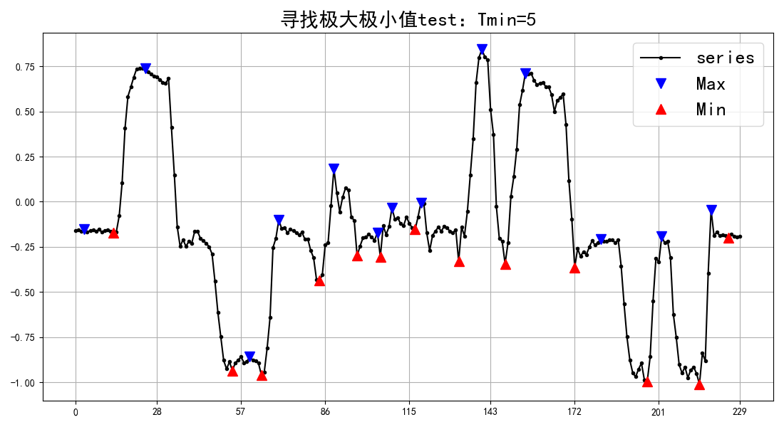
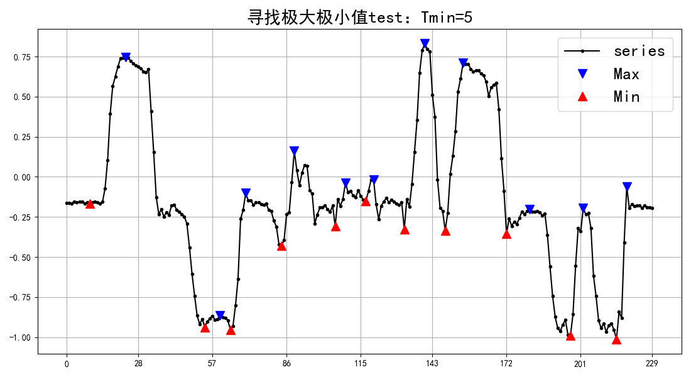

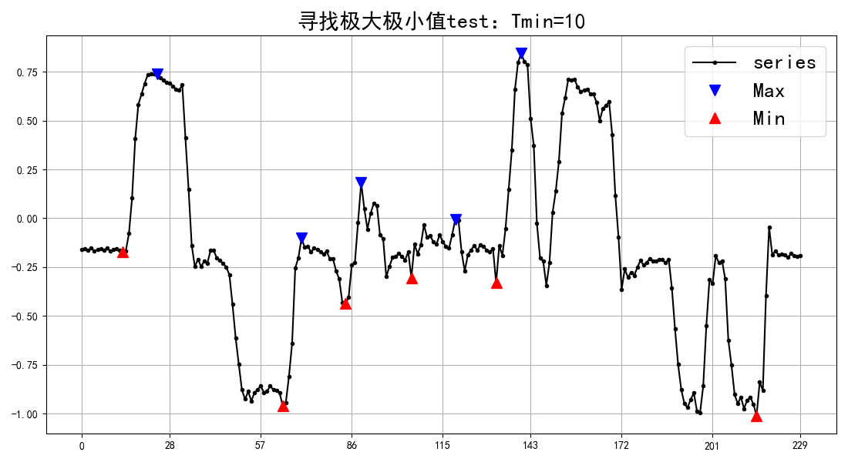
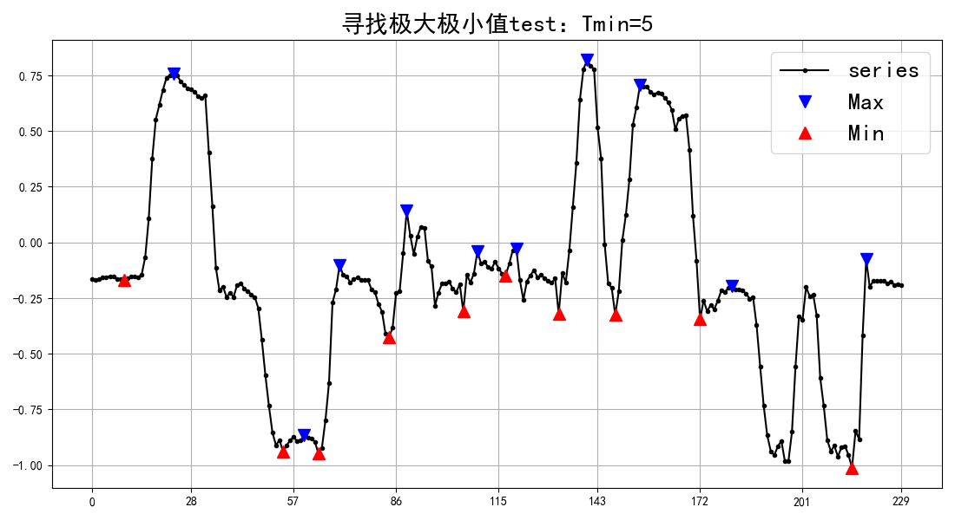
 | pd.Series
 | r = np.array([
 | -0.1597,
 | -0.1548,
 | -0.1631,
myplot.png | -0.1533,
 | -0.1689,
 | -0.1597,
 | -0.1548,
 | -0.1631,
 | -0.1533,
 | -0.1689,
 | -0.1597,
 | -0.1548,
 | -0.1631,
 | -0.1704,
 | -0.1675,
 | -0.0781,
 | 0.105,
 | 0.4063,
 | 0.583,
 | 0.6348,
 | 0.689,
 | 0.7358,
 | 0.7378,
 | 0.7378,
 | 0.7393,
 | 0.7202,
 | 0.709,
 | 0.6943,
 | 0.6899,
 | 0.6772,
 | 0.6616,
 | 0.6553,
 | 0.6831,
 | 0.4102,
 | 0.1494,
 | -0.1387,
 | -0.248,
 | -0.2095,
 | -0.248,
 | -0.2192,
 | -0.2295,
 | -0.1655,
 | -0.1646,
 | -0.2036,
 | -0.2168,
 | -0.23,
 | -0.2495,
 | -0.2891,
 | -0.4414,
 | -0.6118,
 | -0.7476,
 | -0.8789,
 | -0.9263,
 | -0.8867,
 | -0.9351,
 | -0.8926,
 | -0.8765,
 | -0.8589,
 | -0.8911,
 | -0.8857,
 | -0.8589,
 | -0.877,
 | -0.8809,
 | -0.8945,
 | -0.959,
 | -0.9429,
 | -0.8086,
 | -0.6396,
 | -0.2544,
 | -0.2021,
 | -0.1016,
 | -0.1494,
 | -0.1431,
 | -0.1724,
 | -0.1533,
 | -0.1611,
 | -0.1729,
 | -0.1836,
 | -0.1694,
 | -0.208,
 | -0.2061,
 | -0.2695,
 | -0.311,
 | -0.4302,
 | -0.4375,
 | -0.4058,
 | -0.2388,
 | -0.2266,
 | -0.0239,
 | 0.1826,
 | 0.0488,
 | -0.0562,
 | 0.0244,
 | 0.0757,
 | 0.0664,
 | -0.085,
 | -0.104,
 | -0.2998,
 | -0.2466,
 | -0.2007,
 | -0.1953,
 | -0.1812,
 | -0.1953,
 | -0.2139,
 | -0.1714,
 | -0.3047,
 | -0.1333,
 | -0.1821,
 | -0.1382,
 | -0.0342,
 | -0.0967,
 | -0.0898,
 | -0.1216,
 | -0.1338,
 | -0.0845,
 | -0.1206,
 | -0.1445,
 | -0.1528,
 | -0.084,
 | -0.0049,
 | -0.0098,
 | -0.1729,
 | -0.271,
 | -0.187,
 | -0.1621,
 | -0.1406,
 | -0.1636,
 | -0.1362,
 | -0.1455,
 | -0.1631,
 | -0.1719,
 | -0.1553,
 | -0.1704
 | -0.1597,
 | -0.1406,
 | -0.1899,
 | -0.0542,
 | 0.1484,
 | 0.3472,
 | 0.6587,
 | 0.7988,
 | 0.8433,
 | 0.8027,
 | 0.7866,
 | 0.5093,
 | 0.3716,
 | -0.0269,
 | -0.2021,
 | -0.2192,
 | -0.3433,
 | -0.2285,
 | 0.0293,
 | 0.1377,
 | 0.2881,
 | 0.5361,
 | 0.6167,
 | 0.7119,
 | 0.7075,
 | 0.7104,
 | 0.6719,
 | 0.6479,
 | 0.6563,
 | 0.6616,
 | 0.6377,
 | 0.6362,
 | 0.5933,
 | 0.4995,
 | 0.5605,
 | 0.5771,
 | 0.5972,
 | 0.4268,
 | 0.1152,
 | -0.0952,
 | -0.3638,
 | -0.2593,
 | -0.3032,
 | -0.2764,
 | -0.293,
 | -0.2524,
 | -0.2163,
 | -0.2397,
 | -0.2256,
 | -0.207,
 | -0.2202,
 | -0.2202,
 | -0.2104,
 | -0.2119,
 | -0.228,
 | -0.2104,
 | -0.3555,
 | -0.5645,
 | -0.749,
 | -0.8774,
 | -0.9482,
 | -0.9697,
 | -0.9272,
 | -0.894,
 | -0.9863,
 | -0.9946,
 | -0.8594,
 | -0.5498,
 | -0.312,
 | -0.334,
 | -0.1919,
 | -0.2285,
 | -0.2173,
 | -0.3105,
 | -0.624,
 | -0.7515,
 | -0.9028,
 | -0.9492,
 | -0.9155,
 | -0.9746,
 | -0.9316,
 | -0.916,
 | -0.9521,
 | -1.0103,
 | -0.8389,
 | -0.8813,
 | -0.3979,
 | -0.0454,
 | -0.1875,
 | -0.168,
 | -0.1885,
 | -0.1851,
 | -0.188,
 | -0.2012,
 | -0.1812,
 | -0.1924,
 | -0.1934,
 | -0.1924,
 | ])

Sheet3
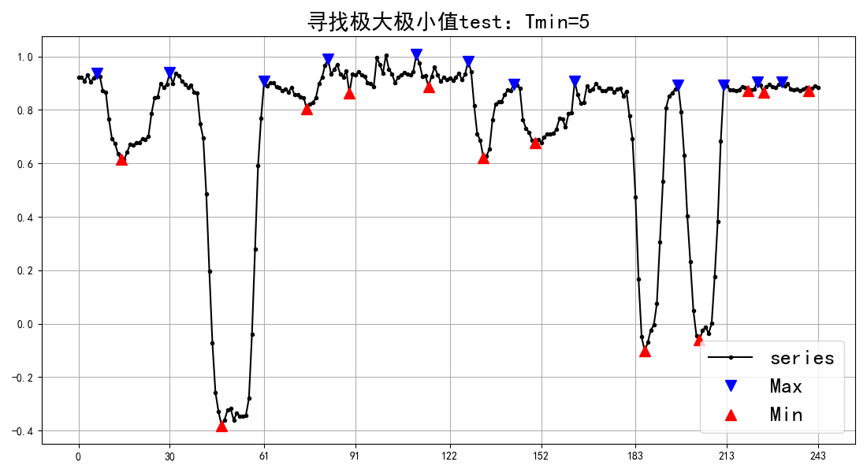
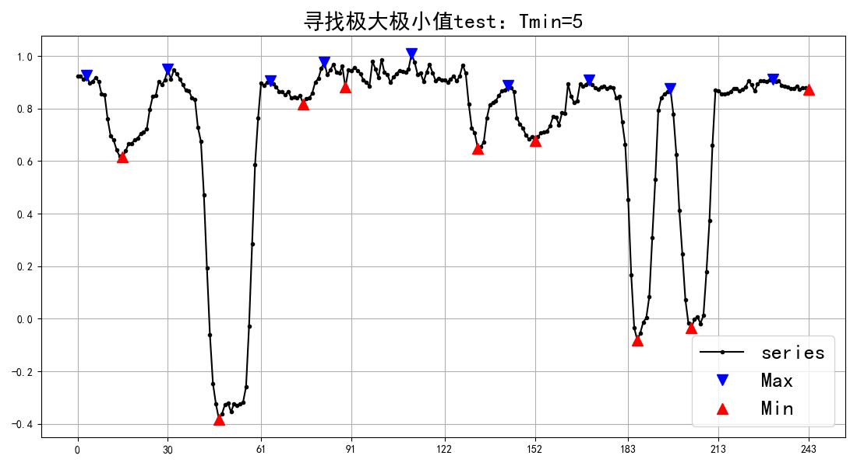
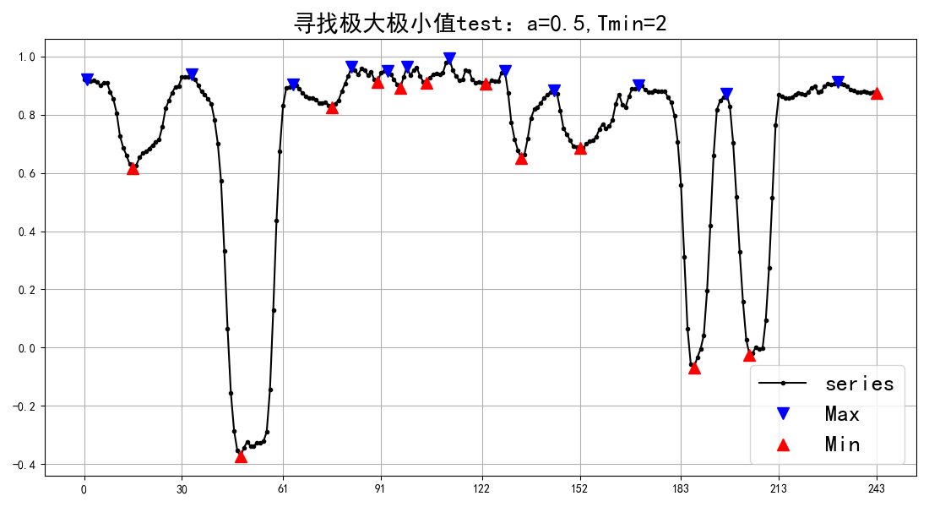
0.2612
0.2793
0.2686
0.2783
0.2715
0.2803
0.2695
0.2524
0.2363
0.29
0.2666
0.2783
0.3467
0.3208
0.2944
0.314
0.314
0.3242
0.3218
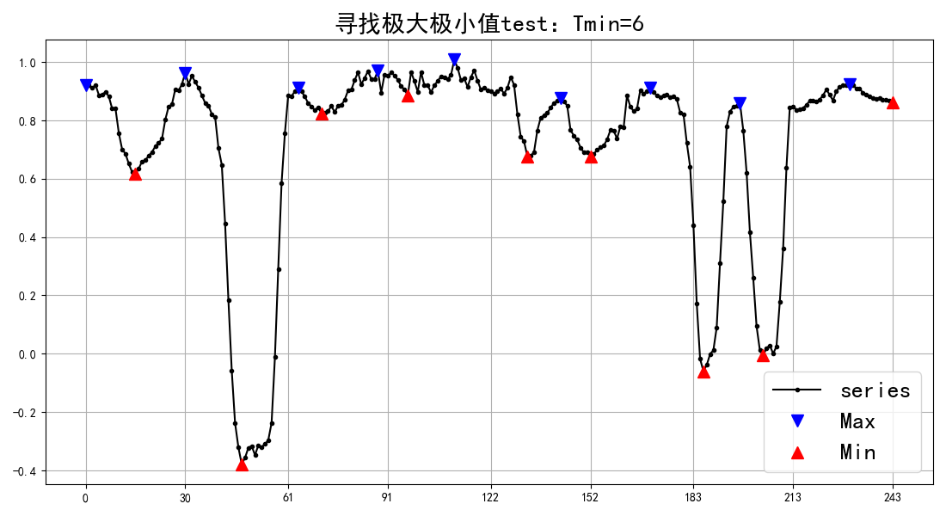
0.3296
0.3296
0.332
0.3267
0.3271
0.3345
0.4199
0.3135
0.3408
0.3306
0.2954
0.3691
0.3198
0.3545
0.334
0.3271
0.3394
0.3354
0.3491
0.3804
0.3628
0.3838
0.4331
0.3257
0.2749
0.2993
0.2368
0.3276
0.2842
0.291
0.2822
0.2988
0.2554
0.269
0.2378
0.2402
0.2397
0.2451
0.2939
0.3198
0.353
0.4023
0.4146
0.3877
0.4077
0.3911
0.396
0.3896
0.3945
0.3931
0.395
0.3965
0.3984
0.3823
0.3853
0.4038
0.3926
0.4102
0.3218
0.2549
0.2388
0.272
0.2681
0.3223
0.2988
0.2681
0.2891
0.2349
0.228
0.2383
0.3105
0.3545
0.3115
0.3271
0.3198
0.3223
0.3135
0.2876
0.3403
0.3599
0.3223
0.3057
0.2964
0.3149
0.2861
0.2705
0.311
0.3027
0.2954
0.2847
0.2803
0.2485
0.3071
0.2949
0.356
0.3745
0.2847
0.2808
0.2974
0.3179
0.2979
0.3081
0.3047
0.3047
0.2969
0.2974
0.2954
0.293
0.3052
0.2734
0.3066
0.2646
0.2432
0.2637
0.251
0.2729
0.2817
0.4121
0.353
0.374
0.333
0.3335
0.4072
0.3765
0.3906
0.3994
0.3818
0.2827
0.2979
0.3354
0.3198
0.3154
0.3311
0.3232
0.3315
0.3477
0.3467
0.3423
0.3496
0.3892
0.3589
0.3232
0.3569
0.4229
0.4824
0.3359
0.3496
0.3032
0.354
0.3628
0.3711
0.3848
0.3857
0.3867
0.3965
0.3916
0.4043
0.396
0.4043
0.4106
0.4082
0.4155
0.3774
0.3696
0.3062
0.2544
0.2002
0.2334
0.2354
0.2324
0.2881
0.2954
0.4165
0.3716
0.3877
0.3872
0.3247
0.3784
0.3804
0.3696
0.4214
0.3413
0.314
0.2798
0.2432
0.2534
0.2495
0.2476
0.2661
0.2744
0.3262
0.4951
0.4136
0.3003
0.3643
0.3691
0.3862
0.3691
0.3652
0.397
0.3838
0.3853
0.3936
0.3799
0.4038
0.4067
0.3711
0.3906
0.3936
0.4023
0.3887
0.4038
0.3931
0.4019
0.3979
0.3906
0.3921
0.3945
0.3945
0.3911
0.3945
0.3887
0.3975
0.3989

