Sheet1
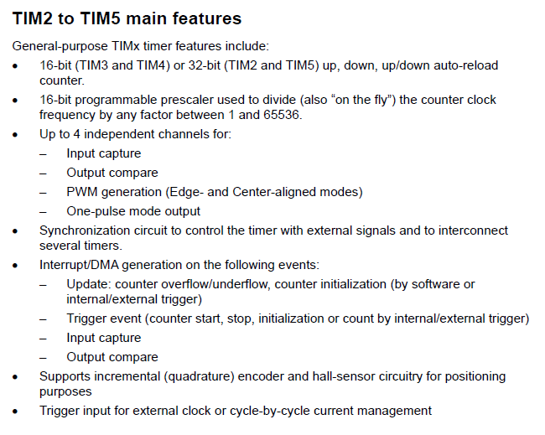
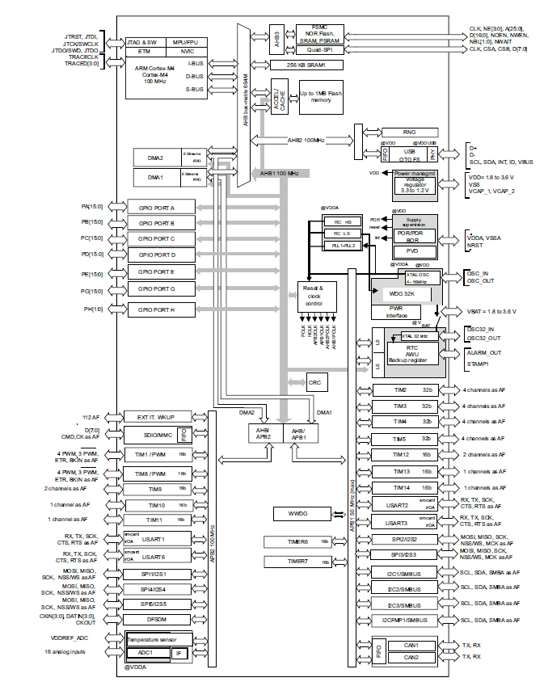
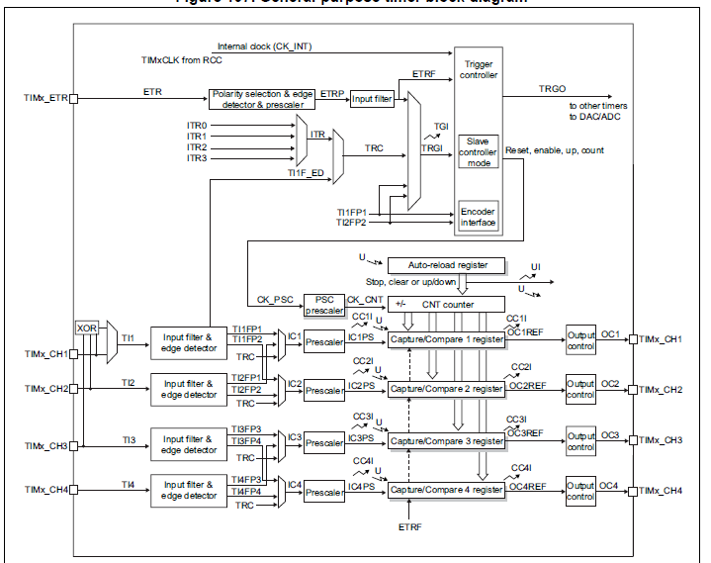

Timer calculator

Timer clock | 96 | MHz
Timer on | APB1 | 50MHz max

Prescaler | 0
Counter mode | UP
Period ARR | 65535 | 16bit

PWM compare | 200 | 16bit

PWM freq | 0.0014648661021 | MHz | 682.65625 | us
 | 1.4648661021 | kHz | 0.68265625 | ms
 | 1,464.87 | Hz
PWM duty | 0.30518043793 | %

