Timer calc
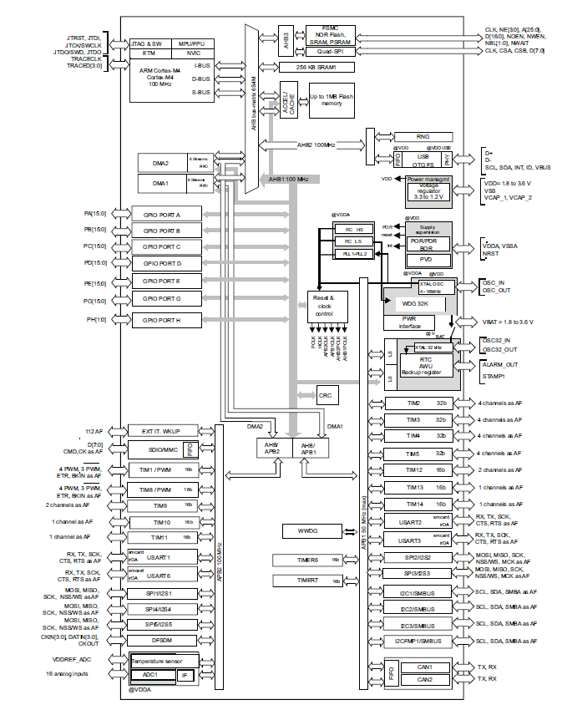
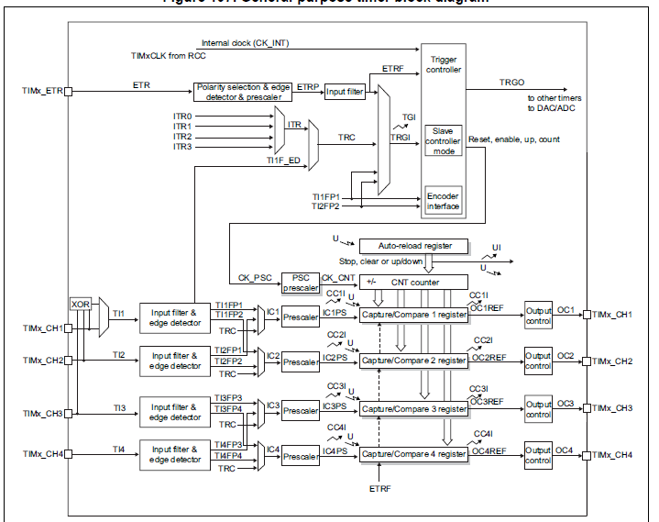

Timer calculator

Timer clock | 96 | MHz
Timer on | APB1 | 50MHz max

Prescaler | 0
Counter mode | UP
Period ARR | 119 | 16bit

PWM compare | 76 | 16bit

PWM freq | 0.8 | MHz | 1.25 | us
 | 800 | kHz | 0.00125 | ms
 | 800,000.00 | Hz
PWM duty | 63.865546218 | % | 0.79831932773 | ms
 |  |  | 798.31932773 | us

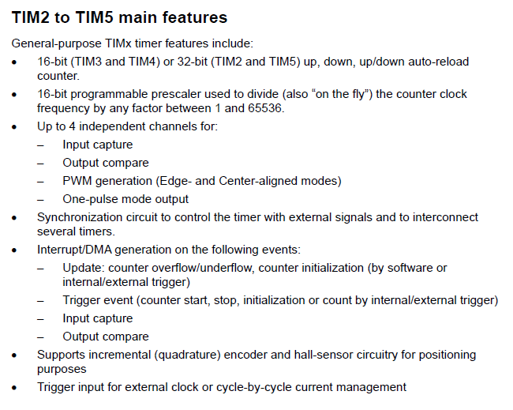
119 | -> | 1.25 us per
38 |  | .4us pos width
76 |  | 0.798

Gamma
gamma | 2.2
0 | 0 | 0
1 | 0.0012946482347 | 0
2 | 0.0059486411899 | 0
3 | 0.014515050257 | 0
4 | 0.027332777397 | 0
5 | 0.044656614263 | 0
6 | 0.06669365741 | 0
7 | 0.093619748803 | 0
8 | 0.12558846573 | 0
9 | 0.16273662475 | 0
10 | 0.20518791738 | 0
11 | 0.25305544754 | 0
12 | 0.30644357822 | 0
13 | 0.36544932037 | 0
14 | 0.43016340578 | 0
15 | 0.50067113442 | 0
16 | 0.57705305598 | 0
17 | 0.65938552704 | 0
18 | 0.7477411726 | 0
19 | 0.84218927316 | 0
20 | 0.94279609262 | 0
21 | 1.0496251588 | 1
22 | 1.1627375052 | 1
23 | 1.2821918815 | 1
24 | 1.4080449368 | 1
25 | 1.540351382 | 1
26 | 1.6791641326 | 1
27 | 1.8245344362 | 1
28 | 1.9765119864 | 1
29 | 2.135145025 | 2
30 | 2.300480434 | 2
31 | 2.4725638189 | 2
32 | 2.6514395846 | 2
33 | 2.8371510039 | 2
34 | 3.0297402809 | 3
35 | 3.2292486081 | 3
36 | 3.4357162197 | 3
37 | 3.6491824406 | 3
38 | 3.8696857307 | 3
39 | 4.0972637272 | 4
40 | 4.3319532828 | 4
41 | 4.5737905017 | 4
42 | 4.822810773 | 4
43 | 5.0790488019 | 5
44 | 5.3425386383 | 5
45 | 5.6133137044 | 5
46 | 5.8914068203 | 5
47 | 6.1768502272 | 6
48 | 6.4696756107 | 6
49 | 6.7699141213 | 6
50 | 7.0775963944 | 7
51 | 7.3927525695 | 7
52 | 7.7154123074 | 7
53 | 8.0456048071 | 8
54 | 8.3833588218 | 8
55 | 8.7287026741 | 8
56 | 9.0816642697 | 9
57 | 9.4422711113 | 9
58 | 9.8105503116 | 9
59 | 10.186528605 | 10
60 | 10.570232361 | 10
61 | 10.961687591 | 10
62 | 11.360919966 | 11
63 | 11.767954818 | 11
64 | 12.182817157 | 12
65 | 12.605531677 | 12
66 | 13.036122764 | 13
67 | 13.474614508 | 13
68 | 13.921030707 | 13
69 | 14.375394876 | 14
70 | 14.837730256 | 14
71 | 15.30805982 | 15
72 | 15.786406279 | 15
73 | 16.272792092 | 16
74 | 16.767239466 | 16
75 | 17.26977037 | 17
76 | 17.780406533 | 17
77 | 18.299169456 | 18
78 | 18.826080414 | 18
79 | 19.361160461 | 19
80 | 19.904430439 | 19
81 | 20.455910978 | 20
82 | 21.015622502 | 21
83 | 21.583585235 | 21
84 | 22.159819206 | 22
85 | 22.74434425 | 22
86 | 23.337180015 | 23
87 | 23.938345964 | 23
88 | 24.547861381 | 24
89 | 25.165745373 | 25
90 | 25.792016873 | 25
91 | 26.426694647 | 26
92 | 27.069797292 | 27
93 | 27.721343245 | 27
94 | 28.38135078 | 28
95 | 29.049838019 | 29
96 | 29.726822926 | 29
97 | 30.412323316 | 30
98 | 31.106356858 | 31
99 | 31.808941074 | 31
100 | 32.520093342 | 32
101 | 33.239830904 | 33
102 | 33.968170862 | 33
103 | 34.705130183 | 34
104 | 35.450725702 | 35
105 | 36.204974125 | 36
106 | 36.967892027 | 36
107 | 37.739495861 | 37
108 | 38.519801952 | 38
109 | 39.308826507 | 39
110 | 40.106585612 | 40
111 | 40.913095235 | 40
112 | 41.728371229 | 41
113 | 42.552429332 | 42
114 | 43.385285172 | 43
115 | 44.226954265 | 44
116 | 45.077452018 | 45
117 | 45.936793734 | 45
118 | 46.804994609 | 46
119 | 47.682069734 | 47
120 | 48.5680341 | 48
121 | 49.462902597 | 49
122 | 50.366690017 | 50
123 | 51.279411053 | 51
124 | 52.201080303 | 52
125 | 53.13171227 | 53
126 | 54.071321363 | 54
127 | 55.0199219 | 55
128 | 55.977528109 | 55
129 | 56.944154127 | 56
130 | 57.919814004 | 57
131 | 58.904521702 | 58
132 | 59.8982911 | 59
133 | 60.901135989 | 60
134 | 61.91307008 | 61
135 | 62.934106998 | 62
136 | 63.964260291 | 63
137 | 65.003543424 | 65
138 | 66.051969785 | 66
139 | 67.109552682 | 67
140 | 68.176305347 | 68
141 | 69.252240937 | 69
142 | 70.337372533 | 70
143 | 71.431713142 | 71
144 | 72.535275698 | 72
145 | 73.648073063 | 73
146 | 74.770118029 | 74
147 | 75.901423315 | 75
148 | 77.042001572 | 77
149 | 78.191865382 | 78
150 | 79.35102726 | 79
151 | 80.519499653 | 80
152 | 81.697294942 | 81
153 | 82.884425443 | 82
154 | 84.080903407 | 84
155 | 85.286741021 | 85
156 | 86.501950409 | 86
157 | 87.726543632 | 87
158 | 88.960532691 | 88
159 | 90.203929525 | 90
160 | 91.456746011 | 91
161 | 92.71899397 | 92
162 | 93.99068516 | 93
163 | 95.271831285 | 95
164 | 96.562443987 | 96
165 | 97.862534854 | 97
166 | 99.172115417 | 99
167 | 100.49119715 | 100
168 | 101.81979148 | 101
169 | 103.15790975 | 103
170 | 104.5055633 | 104
171 | 105.86276337 | 105
172 | 107.22952117 | 107
173 | 108.60584786 | 108
174 | 109.99175452 | 109
175 | 111.38725222 | 111
176 | 112.79235195 | 112
177 | 114.20706466 | 114
178 | 115.63140125 | 115
179 | 117.06537257 | 117
180 | 118.50898942 | 118
181 | 119.96226255 | 119
182 | 121.42520268 | 121
183 | 122.89782045 | 122
184 | 124.38012648 | 124
185 | 125.87213133 | 125
186 | 127.37384553 | 127
187 | 128.88527955 | 128
188 | 130.40644382 | 130
189 | 131.93734871 | 131
190 | 133.47800458 | 133
191 | 135.02842172 | 135
192 | 136.58861038 | 136
193 | 138.15858077 | 138
194 | 139.73834306 | 139
195 | 141.32790738 | 141
196 | 142.92728381 | 142
197 | 144.5364824 | 144
198 | 146.15551314 | 146
199 | 147.784386 | 147
200 | 149.42311091 | 149
201 | 151.07169773 | 151
202 | 152.73015632 | 152
203 | 154.39849648 | 154
204 | 156.07672797 | 156
205 | 157.76486051 | 157
206 | 159.4629038 | 159
207 | 161.17086749 | 161
208 | 162.88876119 | 162
209 | 164.61659447 | 164
210 | 166.35437688 | 166
211 | 168.10211791 | 168
212 | 169.85982704 | 169
213 | 171.62751369 | 171
214 | 173.40518725 | 173
215 | 175.1928571 | 175
216 | 176.99053255 | 176
217 | 178.79822289 | 178
218 | 180.61593738 | 180
219 | 182.44368525 | 182
220 | 184.28147567 | 184
221 | 186.1293178 | 186
222 | 187.98722078 | 187
223 | 189.85519367 | 189
224 | 191.73324555 | 191
225 | 193.62138543 | 193
226 | 195.5196223 | 195
227 | 197.42796513 | 197
228 | 199.34642283 | 199
229 | 201.27500432 | 201
230 | 203.21371844 | 203
231 | 205.16257404 | 205
232 | 207.12157992 | 207
233 | 209.09074486 | 209
234 | 211.07007759 | 211
235 | 213.05958682 | 213
236 | 215.05928125 | 215
237 | 217.06916952 | 217
238 | 219.08926026 | 219
239 | 221.11956207 | 221
240 | 223.1600835 | 223
241 | 225.21083311 | 225
242 | 227.27181939 | 227
243 | 229.34305083 | 229
244 | 231.42453588 | 231
245 | 233.51628297 | 233
246 | 235.61830049 | 235
247 | 237.73059682 | 237
248 | 239.85318029 | 239
249 | 241.98605924 | 241
250 | 244.12924193 | 244
251 | 246.28273664 | 246
252 | 248.44655161 | 248
253 | 250.62069504 | 250
254 | 252.80517512 | 252
255 | 255 | 255

