Sheet1
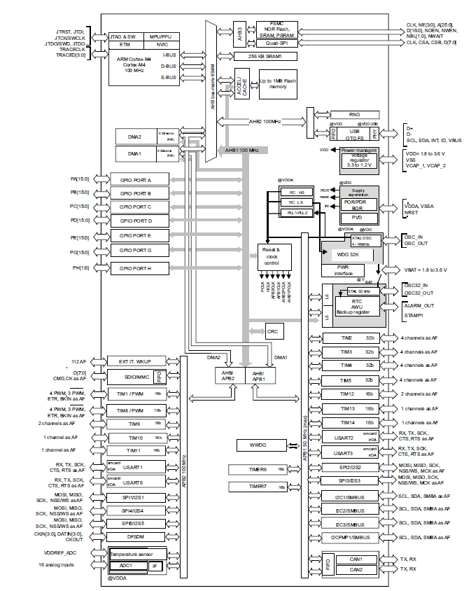
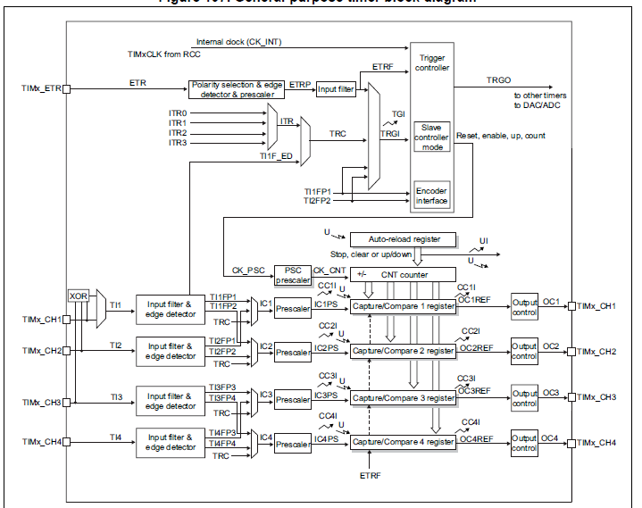

Timer calculator

Timer clock | 96 | MHz
Timer on | APB1 | 50MHz max

Prescaler | 0
Counter mode | UP
Period ARR | 119 | 16bit

PWM compare | 76 | 16bit

PWM freq | 0.8 | MHz | 1.25 | us
 | 800 | kHz | 0.00125 | ms
 | 800,000.00 | Hz
PWM duty | 63.865546218 | % | 0.79831932773 | ms
 |  |  | 798.31932773 | us

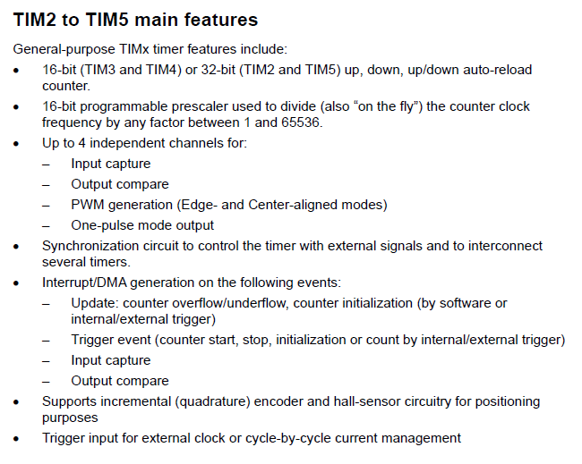
119 | -> | 1.25 us per
38 |  | .4us pos width
76 |  | 0.798

