signupForm_ios
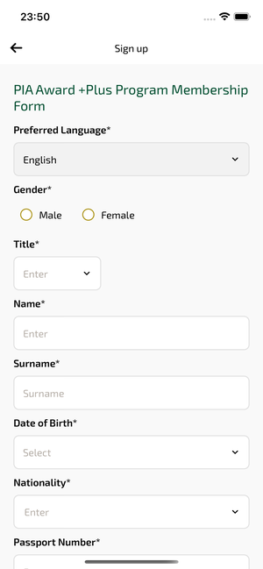
signupForm_ios | 30.03.2026 23:51 | IOS |  |  |  |  |  |  |  | 📸 signupForm_ios
Element ID | Page | Type | Label / Text | Value | Accessibility ID | Status | New Status
signupForm_ios_element_1 | Sign up | Other |  |  |  | ID Yok | ID Eklenecek (Waiting Dev)
signupForm_ios_element_2 | Sign up | Other | Log in |  |  | ID Yok | ID Eklenecek (Waiting Dev)
signupForm_ios_element_3 | Sign up | Other | Flight Schedule |  |  | ID Yok | ID Eklenecek (Waiting Dev)
signupForm_ios_element_4 | Sign up | Other | Flight Status |  |  | ID Yok | ID Eklenecek (Waiting Dev)
signupForm_ios_element_5 | Sign up | Other | Feedback |  |  | ID Yok | ID Eklenecek (Waiting Dev)
signupForm_ios_element_6 | Sign up | Other | Notifications |  |  | ID Yok | ID Eklenecek (Waiting Dev)
signupForm_ios_element_7 | Sign up | Other | Gift Card |  |  | ID Yok | ID Eklenecek (Waiting Dev)
signupForm_ios_element_8 | Sign up | Other | Settings |  |  | ID Yok | ID Eklenecek (Waiting Dev)
signupForm_ios_element_9 | Sign up | Other | Contact us |  |  | ID Yok | ID Eklenecek (Waiting Dev)
signupForm_ios_element_10 | Sign up | Other |  |  |  | ID Yok | ID Eklenecek (Waiting Dev)
signupForm_ios_element_11 | Sign up | Other | Sign up |  |  | ID Yok | ID Eklenecek (Waiting Dev)
signupForm_ios_element_12 | Sign up | Other | I want to be informed through SMS. |  |  | ID Yok | ID Eklenecek (Waiting Dev)
signupForm_ios_element_13 | Sign up | Other | I want to be informed through E-mail. |  |  | ID Yok | ID Eklenecek (Waiting Dev)
signupForm_ios_element_14 | Sign up | Other | I accept the Awards* +Plus Membership Rules and Conditions |  |  | ID Yok | ID Eklenecek (Waiting Dev)
signupForm_ios_element_15 | Sign up | Other | E-mail |  |  | ID Yok | ID Eklenecek (Waiting Dev)
signupForm_ios_element_16 | Sign up | Other | Add |  |  | ID Yok | ID Eklenecek (Waiting Dev)
signupForm_ios_element_17 | Sign up | Other | Phone |  |  | ID Yok | ID Eklenecek (Waiting Dev)
signupForm_ios_element_18 | Sign up | Other | Add |  |  | ID Yok | ID Eklenecek (Waiting Dev)
signupForm_ios_element_19 | Sign up | Other | Address |  |  | ID Yok | ID Eklenecek (Waiting Dev)
signupForm_ios_element_20 | Sign up | Other | Add |  |  | ID Yok | ID Eklenecek (Waiting Dev)
signupForm_ios_element_21 | Sign up | Other | Male |  |  | ID Yok | ID Eklenecek (Waiting Dev)
signupForm_ios_element_22 | Sign up | Other | Female |  |  | ID Yok | ID Eklenecek (Waiting Dev)
signupForm_ios_element_23 | Sign up | Other | Preferred |  |  | ID Yok | ID Eklenecek (Waiting Dev)
signupForm_ios_element_24 | Sign up | Other | Preferred |  |  | ID Yok | ID Eklenecek (Waiting Dev)
signupForm_ios_element_25 | Sign up | Other | Preferred |  |  | ID Yok | ID Eklenecek (Waiting Dev)
signupForm_ios_element_26 | Sign up | TextField | Enter | Enter | undefinedgivenName | Undefined ID | ID Eklenecek (Waiting Dev)
signupForm_ios_element_27 | Sign up | TextField | Surname | Surname | undefinedsurname | Undefined ID | ID Eklenecek (Waiting Dev)
signupForm_ios_element_28 | Sign up | TextField | Enter | Enter | undefinedpassportNumber | Undefined ID | ID Eklenecek (Waiting Dev)
signupForm_ios_element_29 | Sign up | TextField | Enter | Enter | undefinedemailList.0.email | Undefined ID | ID Eklenecek (Waiting Dev)
signupForm_ios_element_30 | Sign up | TextField | Enter | Enter | undefinedaddressList.0.apartmentNo | Undefined ID | ID Eklenecek (Waiting Dev)
signupForm_ios_element_31 | Sign up | TextField | Enter | Enter | undefinedaddressList.0.streetNo | Undefined ID | ID Eklenecek (Waiting Dev)
signupForm_ios_element_32 | Sign up | TextField | Enter | Enter | undefinedaddressList.0.area | Undefined ID | ID Eklenecek (Waiting Dev)
signupForm_ios_element_33 | Sign up | TextField | Enter | Enter | undefinedaddressList.0.postalCode | Undefined ID | ID Eklenecek (Waiting Dev)
signupForm_ios_element_34 | Sign up | TextField | Phone number | Phone number | undefinedphoneNumberList.0.phoneNumber | Undefined ID | ID Eklenecek (Waiting Dev)
signupForm_ios_element_35 | Sign up | SecureTextField | Enter | Enter | undefinedpassword | Undefined ID | ID Eklenecek (Waiting Dev)
signupForm_ios_element_36 | Sign up | SecureTextField | Enter | Enter | undefinedreTypePassword | Undefined ID | ID Eklenecek (Waiting Dev)
signupForm_ios_element_37 | Sign up | SecureTextField | Enter | Enter | undefinedivrPassword | Undefined ID | ID Eklenecek (Waiting Dev)
signupForm_ios_element_38 | Sign up | SecureTextField | Enter | Enter | undefinedreTypeIvrPassword | Undefined ID | ID Eklenecek (Waiting Dev)
signupForm_ios_element_39 | Sign up | Other |  |  | undefinedlanguage | Undefined ID | ID Eklenecek (Waiting Dev)
signupForm_ios_element_40 | Sign up | Other | Enter |  | undefinedtitle | Undefined ID | ID Eklenecek (Waiting Dev)
signupForm_ios_element_41 | Sign up | Other | Date of Birth*, Select |  | undefinedbirthDate | Undefined ID | ID Eklenecek (Waiting Dev)
signupForm_ios_element_42 | Sign up | Other | Nationality*, Enter |  | undefinednationality | Undefined ID | ID Eklenecek (Waiting Dev)
signupForm_ios_element_43 | Sign up | Other |  |  | undefinedemailList.0.emailUseType | Undefined ID | ID Eklenecek (Waiting Dev)
signupForm_ios_element_44 | Sign up | Other |  |  | undefinedphoneNumberList.0.phoneNumberUseType | Undefined ID | ID Eklenecek (Waiting Dev)
signupForm_ios_element_45 | Sign up | Other |  |  | undefinedaddressList.0.addressUseType | Undefined ID | ID Eklenecek (Waiting Dev)
signupForm_ios_element_46 | Sign up | Other | Country of Residence*, Select |  | undefinedaddressList.0.country | Undefined ID | ID Eklenecek (Waiting Dev)
signupForm_ios_element_47 | Sign up | Other | City, Select |  | undefinedaddressList.0.city | Undefined ID | ID Eklenecek (Waiting Dev)
signupForm_ios_element_48 | Sign up | Other | State, Select |  | undefinedaddressList.0.state | Undefined ID | ID Eklenecek (Waiting Dev)
signupForm_ios_element_49 | Sign up | Other |  |  | undefinedphoneNumberList.0.phoneNumber | Undefined ID | ID Eklenecek (Waiting Dev)

login_ios
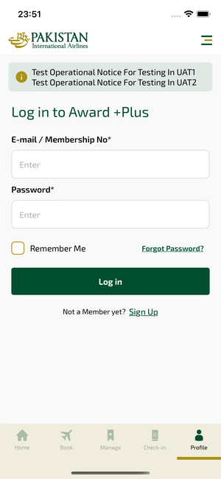
login_ios | 30.03.2026 23:51 | IOS |  |  |  |  |  |  |  | 📸 login_ios
Element ID | Page | Type | Label / Text | Value | Accessibility ID | Status | New Status
login_ios_element_1 | Log in to Award +Plus | Button | HOME, tab, 1 of 5 |  |  | ID Yok | ID Eklenecek (Waiting Dev)
login_ios_element_2 | Log in to Award +Plus | Button | AVAILABILITY_SEARCH, tab, 2 of 5 |  |  | ID Yok | ID Eklenecek (Waiting Dev)
login_ios_element_3 | Log in to Award +Plus | Button | MY_TRIPS_INITIAL, tab, 3 of 5 |  |  | ID Yok | ID Eklenecek (Waiting Dev)
login_ios_element_4 | Log in to Award +Plus | Button | CHECKIN, tab, 4 of 5 |  |  | ID Yok | ID Eklenecek (Waiting Dev)
login_ios_element_5 | Log in to Award +Plus | Button | LOYALTY, tab, 5 of 5 | 1 |  | ID Yok | ID Eklenecek (Waiting Dev)
login_ios_element_6 | Log in to Award +Plus | Other |  |  |  | ID Yok | ID Eklenecek (Waiting Dev)
login_ios_element_7 | Log in to Award +Plus | Other | Log in |  |  | ID Yok | ID Eklenecek (Waiting Dev)
login_ios_element_8 | Log in to Award +Plus | Other | Flight Schedule |  |  | ID Yok | ID Eklenecek (Waiting Dev)
login_ios_element_9 | Log in to Award +Plus | Other | Flight Status |  |  | ID Yok | ID Eklenecek (Waiting Dev)
login_ios_element_10 | Log in to Award +Plus | Other | Feedback |  |  | ID Yok | ID Eklenecek (Waiting Dev)
login_ios_element_11 | Log in to Award +Plus | Other | Notifications |  |  | ID Yok | ID Eklenecek (Waiting Dev)
login_ios_element_12 | Log in to Award +Plus | Other | Gift Card |  |  | ID Yok | ID Eklenecek (Waiting Dev)
login_ios_element_13 | Log in to Award +Plus | Other | Settings |  |  | ID Yok | ID Eklenecek (Waiting Dev)
login_ios_element_14 | Log in to Award +Plus | Other | Contact us |  |  | ID Yok | ID Eklenecek (Waiting Dev)
login_ios_element_15 | Log in to Award +Plus | Other |  |  |  | ID Yok | ID Eklenecek (Waiting Dev)
login_ios_element_16 | Log in to Award +Plus | Other | Long Lon Long Operational Notice One Two |  |  | ID Yok | ID Eklenecek (Waiting Dev)
login_ios_element_17 | Log in to Award +Plus | Other | Test Operational Notice For Testing In UAT1 Test Operational Notice For Testing In UAT2 |  |  | ID Yok | ID Eklenecek (Waiting Dev)
login_ios_element_18 | Log in to Award +Plus | Other | Information for Credit Card Holders |  |  | ID Yok | ID Eklenecek (Waiting Dev)
login_ios_element_19 | Log in to Award +Plus | Other | Remember Me |  |  | ID Yok | ID Eklenecek (Waiting Dev)
login_ios_element_20 | Log in to Award +Plus | Other | Forgot Password? |  |  | ID Yok | ID Eklenecek (Waiting Dev)
login_ios_element_21 | Log in to Award +Plus | Other | Sign Up |  |  | ID Yok | ID Eklenecek (Waiting Dev)
login_ios_element_22 | Log in to Award +Plus | TextField | Enter | Enter | loyalty_login_text_field_emailOrMembership | ID Var
login_ios_element_23 | Log in to Award +Plus | SecureTextField | Enter | Enter | loyalty_login_text_field_password | ID Var
login_ios_element_24 | Log in to Award +Plus | Other | Log in |  | loyalty_login_login_button | ID Var

forgotPassword_ios
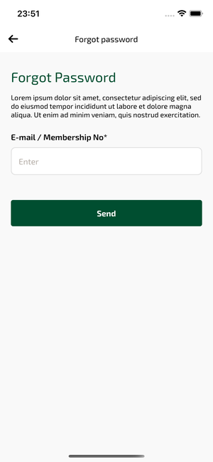
forgotPassword_ios | 30.03.2026 23:52 | IOS |  |  |  |  |  |  |  | 📸 forgotPassword_ios
Element ID | Page | Type | Label / Text | Value | Accessibility ID | Status | New Status
forgotPassword_ios_element_1 | Forgot password | Other |  |  |  | ID Yok | ID Eklenecek (Waiting Dev)
forgotPassword_ios_element_2 | Forgot password | Other | Log in |  |  | ID Yok | ID Eklenecek (Waiting Dev)
forgotPassword_ios_element_3 | Forgot password | Other | Flight Schedule |  |  | ID Yok | ID Eklenecek (Waiting Dev)
forgotPassword_ios_element_4 | Forgot password | Other | Flight Status |  |  | ID Yok | ID Eklenecek (Waiting Dev)
forgotPassword_ios_element_5 | Forgot password | Other | Feedback |  |  | ID Yok | ID Eklenecek (Waiting Dev)
forgotPassword_ios_element_6 | Forgot password | Other | Notifications |  |  | ID Yok | ID Eklenecek (Waiting Dev)
forgotPassword_ios_element_7 | Forgot password | Other | Gift Card |  |  | ID Yok | ID Eklenecek (Waiting Dev)
forgotPassword_ios_element_8 | Forgot password | Other | Settings |  |  | ID Yok | ID Eklenecek (Waiting Dev)
forgotPassword_ios_element_9 | Forgot password | Other | Contact us |  |  | ID Yok | ID Eklenecek (Waiting Dev)
forgotPassword_ios_element_10 | Forgot password | Other |  |  |  | ID Yok | ID Eklenecek (Waiting Dev)
forgotPassword_ios_element_11 | Forgot password | Other | Send |  |  | ID Yok | ID Eklenecek (Waiting Dev)
forgotPassword_ios_element_12 | Forgot password | TextField | Enter | Enter | undefinedmembershipId | Undefined ID | ID Eklenecek (Waiting Dev)

hamburgerMenu_ios
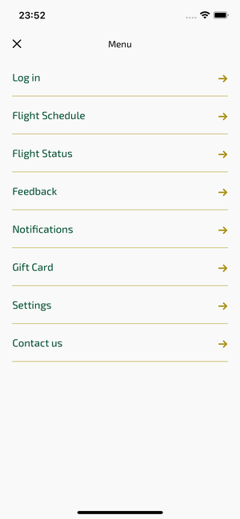
hamburgerMenu_ios | 30.03.2026 23:52 | IOS |  |  |  |  |  |  |  | 📸 hamburgerMenu_ios
Element ID | Page | Type | Label / Text | Value | Accessibility ID | Status | New Status
hamburgerMenu_ios_element_1 | Menu | Other |  |  |  | ID Yok | ID Eklenecek (Waiting Dev)
hamburgerMenu_ios_element_2 | Menu | Other | Log in |  |  | ID Yok | ID Eklenecek (Waiting Dev)
hamburgerMenu_ios_element_3 | Menu | Other | Flight Schedule |  |  | ID Yok | ID Eklenecek (Waiting Dev)
hamburgerMenu_ios_element_4 | Menu | Other | Flight Status |  |  | ID Yok | ID Eklenecek (Waiting Dev)
hamburgerMenu_ios_element_5 | Menu | Other | Feedback |  |  | ID Yok | ID Eklenecek (Waiting Dev)
hamburgerMenu_ios_element_6 | Menu | Other | Notifications |  |  | ID Yok | ID Eklenecek (Waiting Dev)
hamburgerMenu_ios_element_7 | Menu | Other | Gift Card |  |  | ID Yok | ID Eklenecek (Waiting Dev)
hamburgerMenu_ios_element_8 | Menu | Other | Settings |  |  | ID Yok | ID Eklenecek (Waiting Dev)
hamburgerMenu_ios_element_9 | Menu | Other | Contact us |  |  | ID Yok | ID Eklenecek (Waiting Dev)

flightSchedule_ios
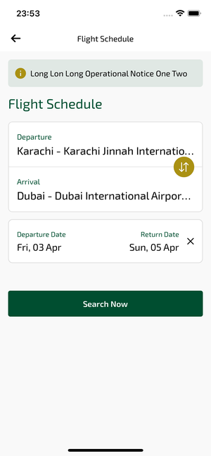
flightSchedule_ios | 30.03.2026 23:53 | IOS |  |  |  |  |  |  |  | 📸 flightSchedule_ios
Element ID | Page | Type | Label / Text | Value | Accessibility ID | Status | New Status
flightSchedule_ios_element_1 | Flight Schedule | Other |  |  |  | ID Yok | ID Eklenecek (Waiting Dev)
flightSchedule_ios_element_2 | Flight Schedule | Other | Log in |  |  | ID Yok | ID Eklenecek (Waiting Dev)
flightSchedule_ios_element_3 | Flight Schedule | Other | Flight Schedule |  |  | ID Yok | ID Eklenecek (Waiting Dev)
flightSchedule_ios_element_4 | Flight Schedule | Other | Flight Status |  |  | ID Yok | ID Eklenecek (Waiting Dev)
flightSchedule_ios_element_5 | Flight Schedule | Other | Feedback |  |  | ID Yok | ID Eklenecek (Waiting Dev)
flightSchedule_ios_element_6 | Flight Schedule | Other | Notifications |  |  | ID Yok | ID Eklenecek (Waiting Dev)
flightSchedule_ios_element_7 | Flight Schedule | Other | Gift Card |  |  | ID Yok | ID Eklenecek (Waiting Dev)
flightSchedule_ios_element_8 | Flight Schedule | Other | Settings |  |  | ID Yok | ID Eklenecek (Waiting Dev)
flightSchedule_ios_element_9 | Flight Schedule | Other | Contact us |  |  | ID Yok | ID Eklenecek (Waiting Dev)
flightSchedule_ios_element_10 | Flight Schedule | Other |  |  |  | ID Yok | ID Eklenecek (Waiting Dev)
flightSchedule_ios_element_11 | Flight Schedule | Other | Departure Date, Fri, 03 Apr |  |  | ID Yok | ID Eklenecek (Waiting Dev)
flightSchedule_ios_element_12 | Flight Schedule | Other | Return Date, Sun, 05 Apr |  |  | ID Yok | ID Eklenecek (Waiting Dev)
flightSchedule_ios_element_13 | Flight Schedule | Other | Search Now |  |  | ID Yok | ID Eklenecek (Waiting Dev)
flightSchedule_ios_element_14 | Flight Schedule | Other | Departure, Karachi - Karachi Jinnah International Airport(KHI) |  |  | ID Yok | ID Eklenecek (Waiting Dev)
flightSchedule_ios_element_15 | Flight Schedule | Other | Arrival, Dubai - Dubai International Airport(DXB) |  |  | ID Yok | ID Eklenecek (Waiting Dev)
flightSchedule_ios_element_16 | Flight Schedule | Other | Test Operational Notice For Testing In UAT1 Test Operational Notice For Testing In UAT2 |  |  | ID Yok | ID Eklenecek (Waiting Dev)
flightSchedule_ios_element_17 | Flight Schedule | Other | Information for Credit Card Holders |  |  | ID Yok | ID Eklenecek (Waiting Dev)
flightSchedule_ios_element_18 | Flight Schedule | Other | Long Lon Long Operational Notice One Two |  |  | ID Yok | ID Eklenecek (Waiting Dev)
flightSchedule_ios_element_19 | Flight Schedule | Other |  |  |  | ID Yok | ID Eklenecek (Waiting Dev)

flightStatus_ios
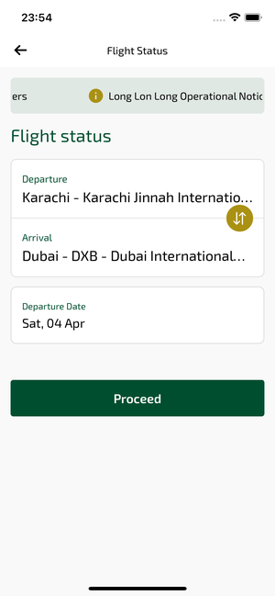
flightStatus_ios | 30.03.2026 23:54 | IOS |  |  |  |  |  |  |  | 📸 flightStatus_ios
Element ID | Page | Type | Label / Text | Value | Accessibility ID | Status | New Status
flightStatus_ios_element_1 | Flight Status | Other |  |  |  | ID Yok | ID Eklenecek (Waiting Dev)
flightStatus_ios_element_2 | Flight Status | Other | Log in |  |  | ID Yok | ID Eklenecek (Waiting Dev)
flightStatus_ios_element_3 | Flight Status | Other | Flight Schedule |  |  | ID Yok | ID Eklenecek (Waiting Dev)
flightStatus_ios_element_4 | Flight Status | Other | Flight Status |  |  | ID Yok | ID Eklenecek (Waiting Dev)
flightStatus_ios_element_5 | Flight Status | Other | Feedback |  |  | ID Yok | ID Eklenecek (Waiting Dev)
flightStatus_ios_element_6 | Flight Status | Other | Notifications |  |  | ID Yok | ID Eklenecek (Waiting Dev)
flightStatus_ios_element_7 | Flight Status | Other | Gift Card |  |  | ID Yok | ID Eklenecek (Waiting Dev)
flightStatus_ios_element_8 | Flight Status | Other | Settings |  |  | ID Yok | ID Eklenecek (Waiting Dev)
flightStatus_ios_element_9 | Flight Status | Other | Contact us |  |  | ID Yok | ID Eklenecek (Waiting Dev)
flightStatus_ios_element_10 | Flight Status | Other |  |  |  | ID Yok | ID Eklenecek (Waiting Dev)
flightStatus_ios_element_11 | Flight Status | Other | Departure Date, Sat, 04 Apr |  |  | ID Yok | ID Eklenecek (Waiting Dev)
flightStatus_ios_element_12 | Flight Status | Other | Proceed |  |  | ID Yok | ID Eklenecek (Waiting Dev)
flightStatus_ios_element_13 | Flight Status | Other | Departure, Karachi - Karachi Jinnah International Airport(KHI) |  |  | ID Yok | ID Eklenecek (Waiting Dev)
flightStatus_ios_element_14 | Flight Status | Other | Arrival, Dubai - DXB - Dubai International Airport(DXB) |  |  | ID Yok | ID Eklenecek (Waiting Dev)
flightStatus_ios_element_15 | Flight Status | Other | Long Lon Long Operational Notice One Two |  |  | ID Yok | ID Eklenecek (Waiting Dev)
flightStatus_ios_element_16 | Flight Status | Other | Test Operational Notice For Testing In UAT1 Test Operational Notice For Testing In UAT2 |  |  | ID Yok | ID Eklenecek (Waiting Dev)
flightStatus_ios_element_17 | Flight Status | Other | Information for Credit Card Holders |  |  | ID Yok | ID Eklenecek (Waiting Dev)
flightStatus_ios_element_18 | Flight Status | Other |  |  |  | ID Yok | ID Eklenecek (Waiting Dev)

createGiftCard_ios
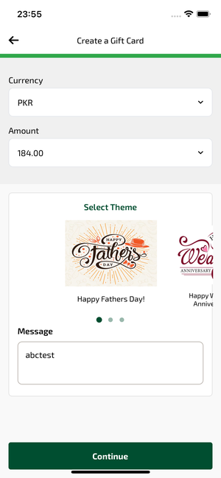
createGiftCard_ios | 30.03.2026 23:55 | IOS |  |  |  |  |  |  |  | 📸 createGiftCard_ios
Element ID | Page | Type | Label / Text | Value | Accessibility ID | Status | New Status
createGiftCard_ios_element_1 | Create a Gift Card | TextField | PKR | PKR |  | ID Yok | ID Eklenecek (Waiting Dev)
createGiftCard_ios_element_2 | Create a Gift Card | TextField | 184.00 | 184.00 |  | ID Yok | ID Eklenecek (Waiting Dev)
createGiftCard_ios_element_3 | Create a Gift Card | Other |  |  |  | ID Yok | ID Eklenecek (Waiting Dev)
createGiftCard_ios_element_4 | Create a Gift Card | Other | Log in |  |  | ID Yok | ID Eklenecek (Waiting Dev)
createGiftCard_ios_element_5 | Create a Gift Card | Other | Flight Schedule |  |  | ID Yok | ID Eklenecek (Waiting Dev)
createGiftCard_ios_element_6 | Create a Gift Card | Other | Flight Status |  |  | ID Yok | ID Eklenecek (Waiting Dev)
createGiftCard_ios_element_7 | Create a Gift Card | Other | Feedback |  |  | ID Yok | ID Eklenecek (Waiting Dev)
createGiftCard_ios_element_8 | Create a Gift Card | Other | Notifications |  |  | ID Yok | ID Eklenecek (Waiting Dev)
createGiftCard_ios_element_9 | Create a Gift Card | Other | Gift Card |  |  | ID Yok | ID Eklenecek (Waiting Dev)
createGiftCard_ios_element_10 | Create a Gift Card | Other | Settings |  |  | ID Yok | ID Eklenecek (Waiting Dev)
createGiftCard_ios_element_11 | Create a Gift Card | Other | Contact us |  |  | ID Yok | ID Eklenecek (Waiting Dev)
createGiftCard_ios_element_12 | Create a Gift Card | Other |  |  |  | ID Yok | ID Eklenecek (Waiting Dev)
createGiftCard_ios_element_13 | Create a Gift Card | Other | Continue |  |  | ID Yok | ID Eklenecek (Waiting Dev)
createGiftCard_ios_element_14 | Create a Gift Card | Other |  |  |  | ID Yok | ID Eklenecek (Waiting Dev)
createGiftCard_ios_element_15 | Create a Gift Card | Other |  |  |  | ID Yok | ID Eklenecek (Waiting Dev)

giftCardContactInfo_ios
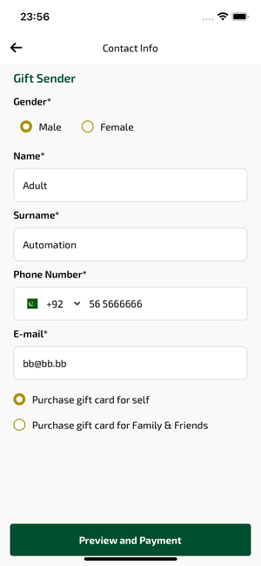
giftCardContactInfo_ios | 30.03.2026 23:56 | IOS |  |  |  |  |  |  |  | 📸 giftCardContactInfo_ios
Element ID | Page | Type | Label / Text | Value | Accessibility ID | Status | New Status
giftCardContactInfo_ios_element_1 | Contact Info | Other |  |  |  | ID Yok | ID Eklenecek (Waiting Dev)
giftCardContactInfo_ios_element_2 | Contact Info | Other | Log in |  |  | ID Yok | ID Eklenecek (Waiting Dev)
giftCardContactInfo_ios_element_3 | Contact Info | Other | Flight Schedule |  |  | ID Yok | ID Eklenecek (Waiting Dev)
giftCardContactInfo_ios_element_4 | Contact Info | Other | Flight Status |  |  | ID Yok | ID Eklenecek (Waiting Dev)
giftCardContactInfo_ios_element_5 | Contact Info | Other | Feedback |  |  | ID Yok | ID Eklenecek (Waiting Dev)
giftCardContactInfo_ios_element_6 | Contact Info | Other | Notifications |  |  | ID Yok | ID Eklenecek (Waiting Dev)
giftCardContactInfo_ios_element_7 | Contact Info | Other | Gift Card |  |  | ID Yok | ID Eklenecek (Waiting Dev)
giftCardContactInfo_ios_element_8 | Contact Info | Other | Settings |  |  | ID Yok | ID Eklenecek (Waiting Dev)
giftCardContactInfo_ios_element_9 | Contact Info | Other | Contact us |  |  | ID Yok | ID Eklenecek (Waiting Dev)
giftCardContactInfo_ios_element_10 | Contact Info | Other |  |  |  | ID Yok | ID Eklenecek (Waiting Dev)
giftCardContactInfo_ios_element_11 | Contact Info | Other | Preview and Payment |  |  | ID Yok | ID Eklenecek (Waiting Dev)
giftCardContactInfo_ios_element_12 | Contact Info | Other | Male |  |  | ID Yok | ID Eklenecek (Waiting Dev)
giftCardContactInfo_ios_element_13 | Contact Info | Other | Female |  |  | ID Yok | ID Eklenecek (Waiting Dev)
giftCardContactInfo_ios_element_14 | Contact Info | Other | Purchase gift card for self |  |  | ID Yok | ID Eklenecek (Waiting Dev)
giftCardContactInfo_ios_element_15 | Contact Info | Other | Purchase gift card for Family & Friends |  |  | ID Yok | ID Eklenecek (Waiting Dev)
giftCardContactInfo_ios_element_16 | Contact Info | TextField | Adult | Adult | undefinedsenderName | Undefined ID | ID Eklenecek (Waiting Dev)
giftCardContactInfo_ios_element_17 | Contact Info | TextField | Automation | Automation | undefinedsenderSurname | Undefined ID | ID Eklenecek (Waiting Dev)
giftCardContactInfo_ios_element_18 | Contact Info | TextField | bb@bb.bb | bb@bb.bb | undefinedsenderEmail | Undefined ID | ID Eklenecek (Waiting Dev)
giftCardContactInfo_ios_element_19 | Contact Info | TextField | 56 5666666 | 56 5666666 | undefinedsenderPhoneNumber | Undefined ID | ID Eklenecek (Waiting Dev)
giftCardContactInfo_ios_element_20 | Contact Info | Other |  |  | undefinedsenderPhoneNumber | Undefined ID | ID Eklenecek (Waiting Dev)

giftCardPreview_ios
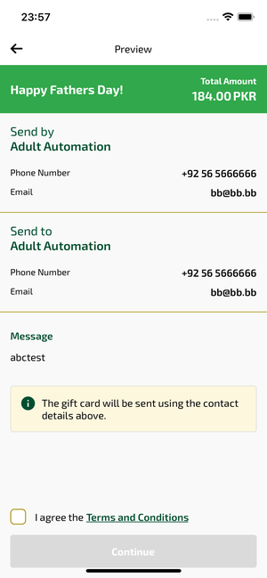
giftCardPreview_ios | 30.03.2026 23:57 | IOS |  |  |  |  |  |  |  | 📸 giftCardPreview_ios
Element ID | Page | Type | Label / Text | Value | Accessibility ID | Status | New Status
giftCardPreview_ios_element_1 | Preview | Other |  |  |  | ID Yok | ID Eklenecek (Waiting Dev)
giftCardPreview_ios_element_2 | Preview | Other | Log in |  |  | ID Yok | ID Eklenecek (Waiting Dev)
giftCardPreview_ios_element_3 | Preview | Other | Flight Schedule |  |  | ID Yok | ID Eklenecek (Waiting Dev)
giftCardPreview_ios_element_4 | Preview | Other | Flight Status |  |  | ID Yok | ID Eklenecek (Waiting Dev)
giftCardPreview_ios_element_5 | Preview | Other | Feedback |  |  | ID Yok | ID Eklenecek (Waiting Dev)
giftCardPreview_ios_element_6 | Preview | Other | Notifications |  |  | ID Yok | ID Eklenecek (Waiting Dev)
giftCardPreview_ios_element_7 | Preview | Other | Gift Card |  |  | ID Yok | ID Eklenecek (Waiting Dev)
giftCardPreview_ios_element_8 | Preview | Other | Settings |  |  | ID Yok | ID Eklenecek (Waiting Dev)
giftCardPreview_ios_element_9 | Preview | Other | Contact us |  |  | ID Yok | ID Eklenecek (Waiting Dev)
giftCardPreview_ios_element_10 | Preview | Other |  |  |  | ID Yok | ID Eklenecek (Waiting Dev)
giftCardPreview_ios_element_11 | Preview | Other |  |  |  | ID Yok | ID Eklenecek (Waiting Dev)
giftCardPreview_ios_element_12 | Preview | Other | Terms and Conditions |  |  | ID Yok | ID Eklenecek (Waiting Dev)
giftCardPreview_ios_element_13 | Preview | Other | Continue |  |  | ID Yok | ID Eklenecek (Waiting Dev)

payment_ios
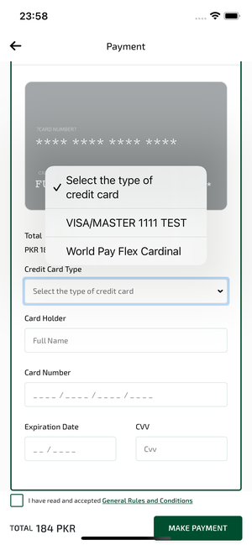
payment_ios | 30.03.2026 23:58 | IOS |  |  |  |  |  |  |  | 📸 payment_ios
Element ID | Page | Type | Label / Text | Value | Accessibility ID | Status | New Status
payment_ios_element_1 | Payment | TextField | Card Holder | Full Name |  | ID Yok | ID Eklenecek (Waiting Dev)
payment_ios_element_2 | Payment | TextField | Card Number | _ _ _ _ / _ _ _ _ / _ _ _ _ / _ _ _ _ |  | ID Yok | ID Eklenecek (Waiting Dev)
payment_ios_element_3 | Payment | TextField | Expiration Date | _ _ / _ _ _ _ |  | ID Yok | ID Eklenecek (Waiting Dev)
payment_ios_element_4 | Payment | TextField | CVV | Cvv |  | ID Yok | ID Eklenecek (Waiting Dev)
payment_ios_element_5 | Payment | Button | Select the type of credit card | 1 |  | ID Yok | ID Eklenecek (Waiting Dev)
payment_ios_element_6 | Payment | Button | VISA/MASTER 1111 TEST |  |  | ID Yok | ID Eklenecek (Waiting Dev)
payment_ios_element_7 | Payment | Button | World Pay Flex Cardinal |  |  | ID Yok | ID Eklenecek (Waiting Dev)
payment_ios_element_8 | Payment | Button | MAKE PAYMENT |  |  | ID Yok | ID Eklenecek (Waiting Dev)
payment_ios_element_9 | Payment | Cell |  |  |  | ID Yok | ID Eklenecek (Waiting Dev)
payment_ios_element_10 | Payment | Cell |  |  |  | ID Yok | ID Eklenecek (Waiting Dev)
payment_ios_element_11 | Payment | Cell |  |  |  | ID Yok | ID Eklenecek (Waiting Dev)
payment_ios_element_12 | Payment | Other |  |  |  | ID Yok | ID Eklenecek (Waiting Dev)
payment_ios_element_13 | Payment | Other | Log in |  |  | ID Yok | ID Eklenecek (Waiting Dev)
payment_ios_element_14 | Payment | Other | Flight Schedule |  |  | ID Yok | ID Eklenecek (Waiting Dev)
payment_ios_element_15 | Payment | Other | Flight Status |  |  | ID Yok | ID Eklenecek (Waiting Dev)
payment_ios_element_16 | Payment | Other | Feedback |  |  | ID Yok | ID Eklenecek (Waiting Dev)
payment_ios_element_17 | Payment | Other | Notifications |  |  | ID Yok | ID Eklenecek (Waiting Dev)
payment_ios_element_18 | Payment | Other | Gift Card |  |  | ID Yok | ID Eklenecek (Waiting Dev)
payment_ios_element_19 | Payment | Other | Settings |  |  | ID Yok | ID Eklenecek (Waiting Dev)
payment_ios_element_20 | Payment | Other | Contact us |  |  | ID Yok | ID Eklenecek (Waiting Dev)
payment_ios_element_21 | Payment | Other |  |  |  | ID Yok | ID Eklenecek (Waiting Dev)
payment_ios_element_22 | Payment | Other | Credit Card Type | Select the type of credit card |  | ID Yok | ID Eklenecek (Waiting Dev)

giftCardSuccess_ios
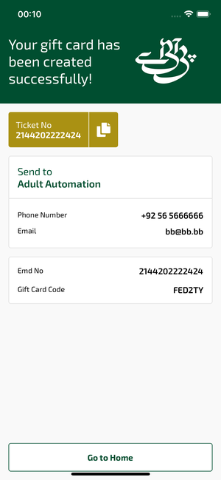
giftCardSuccess_ios | 31.03.2026 00:10 | IOS |  |  |  |  |  |  |  | 📸 giftCardSuccess_ios
Element ID | Page | Type | Label / Text | Value | Accessibility ID | Status | New Status
giftCardSuccess_ios_element_1 | Your gift card has been created successfully! | Other |  |  |  | ID Yok | ID Eklenecek (Waiting Dev)
giftCardSuccess_ios_element_2 | Your gift card has been created successfully! | Other | Log in |  |  | ID Yok | ID Eklenecek (Waiting Dev)
giftCardSuccess_ios_element_3 | Your gift card has been created successfully! | Other | Flight Schedule |  |  | ID Yok | ID Eklenecek (Waiting Dev)
giftCardSuccess_ios_element_4 | Your gift card has been created successfully! | Other | Flight Status |  |  | ID Yok | ID Eklenecek (Waiting Dev)
giftCardSuccess_ios_element_5 | Your gift card has been created successfully! | Other | Feedback |  |  | ID Yok | ID Eklenecek (Waiting Dev)
giftCardSuccess_ios_element_6 | Your gift card has been created successfully! | Other | Notifications |  |  | ID Yok | ID Eklenecek (Waiting Dev)
giftCardSuccess_ios_element_7 | Your gift card has been created successfully! | Other | Gift Card |  |  | ID Yok | ID Eklenecek (Waiting Dev)
giftCardSuccess_ios_element_8 | Your gift card has been created successfully! | Other | Settings |  |  | ID Yok | ID Eklenecek (Waiting Dev)
giftCardSuccess_ios_element_9 | Your gift card has been created successfully! | Other | Contact us |  |  | ID Yok | ID Eklenecek (Waiting Dev)
giftCardSuccess_ios_element_10 | Your gift card has been created successfully! | Other | Go to Home |  |  | ID Yok | ID Eklenecek (Waiting Dev)
giftCardSuccess_ios_element_11 | Your gift card has been created successfully! | Other | Ticket No, 2144202222424 |  |  | ID Yok | ID Eklenecek (Waiting Dev)

settings_ios
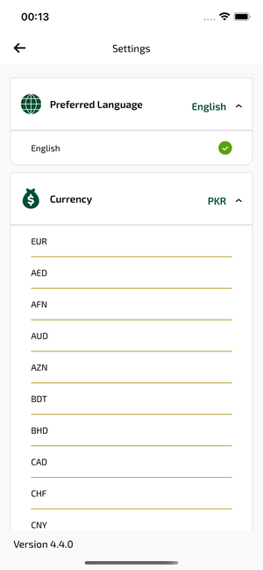
settings_ios | 31.03.2026 00:14 | IOS |  |  |  |  |  |  |  | 📸 settings_ios
Element ID | Page | Type | Label / Text | Value | Accessibility ID | Status | New Status
settings_ios_element_1 | Settings | Other |  |  |  | ID Yok | ID Eklenecek (Waiting Dev)
settings_ios_element_2 | Settings | Other | Log in |  |  | ID Yok | ID Eklenecek (Waiting Dev)
settings_ios_element_3 | Settings | Other | Flight Schedule |  |  | ID Yok | ID Eklenecek (Waiting Dev)
settings_ios_element_4 | Settings | Other | Flight Status |  |  | ID Yok | ID Eklenecek (Waiting Dev)
settings_ios_element_5 | Settings | Other | Feedback |  |  | ID Yok | ID Eklenecek (Waiting Dev)
settings_ios_element_6 | Settings | Other | Notifications |  |  | ID Yok | ID Eklenecek (Waiting Dev)
settings_ios_element_7 | Settings | Other | Gift Card |  |  | ID Yok | ID Eklenecek (Waiting Dev)
settings_ios_element_8 | Settings | Other | Settings |  |  | ID Yok | ID Eklenecek (Waiting Dev)
settings_ios_element_9 | Settings | Other | Contact us |  |  | ID Yok | ID Eklenecek (Waiting Dev)
settings_ios_element_10 | Settings | Other |  |  |  | ID Yok | ID Eklenecek (Waiting Dev)
settings_ios_element_11 | Settings | Other | Preferred Language, English |  |  | ID Yok | ID Eklenecek (Waiting Dev)
settings_ios_element_12 | Settings | Other | Currency, PKR |  |  | ID Yok | ID Eklenecek (Waiting Dev)
settings_ios_element_13 | Settings | Other | English |  |  | ID Yok | ID Eklenecek (Waiting Dev)
settings_ios_element_14 | Settings | Other | EUR |  |  | ID Yok | ID Eklenecek (Waiting Dev)
settings_ios_element_15 | Settings | Other | AED |  |  | ID Yok | ID Eklenecek (Waiting Dev)
settings_ios_element_16 | Settings | Other | AFN |  |  | ID Yok | ID Eklenecek (Waiting Dev)
settings_ios_element_17 | Settings | Other | AUD |  |  | ID Yok | ID Eklenecek (Waiting Dev)
settings_ios_element_18 | Settings | Other | AZN |  |  | ID Yok | ID Eklenecek (Waiting Dev)
settings_ios_element_19 | Settings | Other | BDT |  |  | ID Yok | ID Eklenecek (Waiting Dev)
settings_ios_element_20 | Settings | Other | BHD |  |  | ID Yok | ID Eklenecek (Waiting Dev)
settings_ios_element_21 | Settings | Other | CAD |  |  | ID Yok | ID Eklenecek (Waiting Dev)
settings_ios_element_22 | Settings | Other | CHF |  |  | ID Yok | ID Eklenecek (Waiting Dev)
settings_ios_element_23 | Settings | Other | CNY |  |  | ID Yok | ID Eklenecek (Waiting Dev)
settings_ios_element_24 | Settings | Other | DKK |  |  | ID Yok | ID Eklenecek (Waiting Dev)
settings_ios_element_25 | Settings | Other | EGP |  |  | ID Yok | ID Eklenecek (Waiting Dev)
settings_ios_element_26 | Settings | Other | GBP |  |  | ID Yok | ID Eklenecek (Waiting Dev)
settings_ios_element_27 | Settings | Other | HKD |  |  | ID Yok | ID Eklenecek (Waiting Dev)
settings_ios_element_28 | Settings | Other | IDR |  |  | ID Yok | ID Eklenecek (Waiting Dev)
settings_ios_element_29 | Settings | Other | INR |  |  | ID Yok | ID Eklenecek (Waiting Dev)
settings_ios_element_30 | Settings | Other | IRR |  |  | ID Yok | ID Eklenecek (Waiting Dev)
settings_ios_element_31 | Settings | Other | JPY |  |  | ID Yok | ID Eklenecek (Waiting Dev)
settings_ios_element_32 | Settings | Other | KRW |  |  | ID Yok | ID Eklenecek (Waiting Dev)
settings_ios_element_33 | Settings | Other | KWD |  |  | ID Yok | ID Eklenecek (Waiting Dev)
settings_ios_element_34 | Settings | Other | LKR |  |  | ID Yok | ID Eklenecek (Waiting Dev)
settings_ios_element_35 | Settings | Other | MYR |  |  | ID Yok | ID Eklenecek (Waiting Dev)
settings_ios_element_36 | Settings | Other | NOK |  |  | ID Yok | ID Eklenecek (Waiting Dev)
settings_ios_element_37 | Settings | Other | NPR |  |  | ID Yok | ID Eklenecek (Waiting Dev)
settings_ios_element_38 | Settings | Other | OMR |  |  | ID Yok | ID Eklenecek (Waiting Dev)
settings_ios_element_39 | Settings | Other | PHP |  |  | ID Yok | ID Eklenecek (Waiting Dev)
settings_ios_element_40 | Settings | Other | PKR |  |  | ID Yok | ID Eklenecek (Waiting Dev)
settings_ios_element_41 | Settings | Other | QAR |  |  | ID Yok | ID Eklenecek (Waiting Dev)
settings_ios_element_42 | Settings | Other | SAR |  |  | ID Yok | ID Eklenecek (Waiting Dev)
settings_ios_element_43 | Settings | Other | SEK |  |  | ID Yok | ID Eklenecek (Waiting Dev)
settings_ios_element_44 | Settings | Other | SYP |  |  | ID Yok | ID Eklenecek (Waiting Dev)
settings_ios_element_45 | Settings | Other | THB |  |  | ID Yok | ID Eklenecek (Waiting Dev)
settings_ios_element_46 | Settings | Other | TRY |  |  | ID Yok | ID Eklenecek (Waiting Dev)
settings_ios_element_47 | Settings | Other | USD |  |  | ID Yok | ID Eklenecek (Waiting Dev)
settings_ios_element_48 | Settings | Other | ZAR |  |  | ID Yok | ID Eklenecek (Waiting Dev)

home_ios
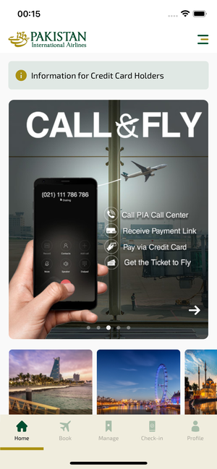
home_ios | 31.03.2026 00:15 | IOS |  |  |  |  |  |  |  | 📸 home_ios
Element ID | Page | Type | Label / Text | Value | Accessibility ID | Status | New Status
home_ios_element_1 |  | Button | HOME, tab, 1 of 5 | 1 |  | ID Yok | ID Eklenecek (Waiting Dev)
home_ios_element_2 |  | Button | AVAILABILITY_SEARCH, tab, 2 of 5 |  |  | ID Yok | ID Eklenecek (Waiting Dev)
home_ios_element_3 |  | Button | MY_TRIPS_INITIAL, tab, 3 of 5 |  |  | ID Yok | ID Eklenecek (Waiting Dev)
home_ios_element_4 |  | Button | CHECKIN, tab, 4 of 5 |  |  | ID Yok | ID Eklenecek (Waiting Dev)
home_ios_element_5 |  | Button | LOYALTY, tab, 5 of 5 |  |  | ID Yok | ID Eklenecek (Waiting Dev)
home_ios_element_6 |  | Other |  |  |  | ID Yok | ID Eklenecek (Waiting Dev)
home_ios_element_7 |  | Other | Log in |  |  | ID Yok | ID Eklenecek (Waiting Dev)
home_ios_element_8 |  | Other | Flight Schedule |  |  | ID Yok | ID Eklenecek (Waiting Dev)
home_ios_element_9 |  | Other | Flight Status |  |  | ID Yok | ID Eklenecek (Waiting Dev)
home_ios_element_10 |  | Other | Feedback |  |  | ID Yok | ID Eklenecek (Waiting Dev)
home_ios_element_11 |  | Other | Notifications |  |  | ID Yok | ID Eklenecek (Waiting Dev)
home_ios_element_12 |  | Other | Gift Card |  |  | ID Yok | ID Eklenecek (Waiting Dev)
home_ios_element_13 |  | Other | Settings |  |  | ID Yok | ID Eklenecek (Waiting Dev)
home_ios_element_14 |  | Other | Contact us |  |  | ID Yok | ID Eklenecek (Waiting Dev)
home_ios_element_15 |  | Other |  |  |  | ID Yok | ID Eklenecek (Waiting Dev)
home_ios_element_16 |  | Other | Test Operational Notice For Testing In UAT1 Test Operational Notice For Testing In UAT2 |  |  | ID Yok | ID Eklenecek (Waiting Dev)
home_ios_element_17 |  | Other | Information for Credit Card Holders |  |  | ID Yok | ID Eklenecek (Waiting Dev)
home_ios_element_18 |  | Other | Long Lon Long Operational Notice One Two |  |  | ID Yok | ID Eklenecek (Waiting Dev)
home_ios_element_19 |  | Other |  |  |  | ID Yok | ID Eklenecek (Waiting Dev)
home_ios_element_20 |  | Other |  |  |  | ID Yok | ID Eklenecek (Waiting Dev)
home_ios_element_21 |  | Other |  |  |  | ID Yok | ID Eklenecek (Waiting Dev)
home_ios_element_22 |  | Other |  |  |  | ID Yok | ID Eklenecek (Waiting Dev)
home_ios_element_23 |  | Other |  |  |  | ID Yok | ID Eklenecek (Waiting Dev)
home_ios_element_24 |  | Other | Jeddah |  |  | ID Yok | ID Eklenecek (Waiting Dev)
home_ios_element_25 |  | Other | London |  |  | ID Yok | ID Eklenecek (Waiting Dev)
home_ios_element_26 |  | Other | Istanbul |  |  | ID Yok | ID Eklenecek (Waiting Dev)

mbSearch_ios
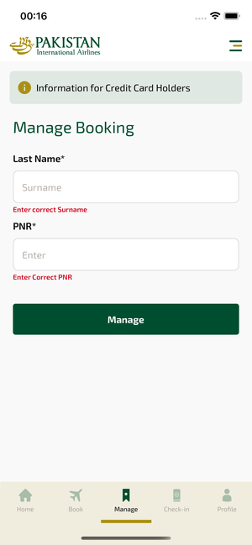
mbSearch_ios | 31.03.2026 00:16 | IOS |  |  |  |  |  |  |  | 📸 mbSearch_ios
Element ID | Page | Type | Label / Text | Value | Accessibility ID | Status | New Status
mbSearch_ios_element_1 | Information for Credit Card Holders | Button | HOME, tab, 1 of 5 |  |  | ID Yok | ID Eklenecek (Waiting Dev)
mbSearch_ios_element_2 | Information for Credit Card Holders | Button | AVAILABILITY_SEARCH, tab, 2 of 5 |  |  | ID Yok | ID Eklenecek (Waiting Dev)
mbSearch_ios_element_3 | Information for Credit Card Holders | Button | MY_TRIPS_INITIAL, tab, 3 of 5 | 1 |  | ID Yok | ID Eklenecek (Waiting Dev)
mbSearch_ios_element_4 | Information for Credit Card Holders | Button | CHECKIN, tab, 4 of 5 |  |  | ID Yok | ID Eklenecek (Waiting Dev)
mbSearch_ios_element_5 | Information for Credit Card Holders | Button | LOYALTY, tab, 5 of 5 |  |  | ID Yok | ID Eklenecek (Waiting Dev)
mbSearch_ios_element_6 | Information for Credit Card Holders | Other |  |  |  | ID Yok | ID Eklenecek (Waiting Dev)
mbSearch_ios_element_7 | Information for Credit Card Holders | Other | Log in |  |  | ID Yok | ID Eklenecek (Waiting Dev)
mbSearch_ios_element_8 | Information for Credit Card Holders | Other | Flight Schedule |  |  | ID Yok | ID Eklenecek (Waiting Dev)
mbSearch_ios_element_9 | Information for Credit Card Holders | Other | Flight Status |  |  | ID Yok | ID Eklenecek (Waiting Dev)
mbSearch_ios_element_10 | Information for Credit Card Holders | Other | Feedback |  |  | ID Yok | ID Eklenecek (Waiting Dev)
mbSearch_ios_element_11 | Information for Credit Card Holders | Other | Notifications |  |  | ID Yok | ID Eklenecek (Waiting Dev)
mbSearch_ios_element_12 | Information for Credit Card Holders | Other | Gift Card |  |  | ID Yok | ID Eklenecek (Waiting Dev)
mbSearch_ios_element_13 | Information for Credit Card Holders | Other | Settings |  |  | ID Yok | ID Eklenecek (Waiting Dev)
mbSearch_ios_element_14 | Information for Credit Card Holders | Other | Contact us |  |  | ID Yok | ID Eklenecek (Waiting Dev)
mbSearch_ios_element_15 | Information for Credit Card Holders | Other |  |  |  | ID Yok | ID Eklenecek (Waiting Dev)
mbSearch_ios_element_16 | Information for Credit Card Holders | Other | Test Operational Notice For Testing In UAT1 Test Operational Notice For Testing In UAT2 |  |  | ID Yok | ID Eklenecek (Waiting Dev)
mbSearch_ios_element_17 | Information for Credit Card Holders | Other | Information for Credit Card Holders |  |  | ID Yok | ID Eklenecek (Waiting Dev)
mbSearch_ios_element_18 | Information for Credit Card Holders | Other | Long Lon Long Operational Notice One Two |  |  | ID Yok | ID Eklenecek (Waiting Dev)
mbSearch_ios_element_19 | Information for Credit Card Holders | TextField | Surname | Surname | mbk_search_text_field_surname | ID Var
mbSearch_ios_element_20 | Information for Credit Card Holders | TextField | Enter | Enter | mbk_search_text_field_bookingId | ID Var
mbSearch_ios_element_21 | Information for Credit Card Holders | Other | Manage |  | mbk_search_find_button | ID Var

checkinSearch_ios
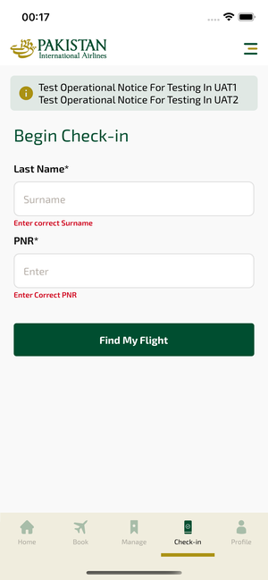
checkinSearch_ios | 31.03.2026 00:17 | IOS |  |  |  |  |  |  |  | 📸 checkinSearch_ios
Element ID | Page | Type | Label / Text | Value | Accessibility ID | Status | New Status
checkinSearch_ios_element_1 | Begin Check-in | Button | HOME, tab, 1 of 5 |  |  | ID Yok | ID Eklenecek (Waiting Dev)
checkinSearch_ios_element_2 | Begin Check-in | Button | AVAILABILITY_SEARCH, tab, 2 of 5 |  |  | ID Yok | ID Eklenecek (Waiting Dev)
checkinSearch_ios_element_3 | Begin Check-in | Button | MY_TRIPS_INITIAL, tab, 3 of 5 |  |  | ID Yok | ID Eklenecek (Waiting Dev)
checkinSearch_ios_element_4 | Begin Check-in | Button | CHECKIN, tab, 4 of 5 | 1 |  | ID Yok | ID Eklenecek (Waiting Dev)
checkinSearch_ios_element_5 | Begin Check-in | Button | LOYALTY, tab, 5 of 5 |  |  | ID Yok | ID Eklenecek (Waiting Dev)
checkinSearch_ios_element_6 | Begin Check-in | Other |  |  |  | ID Yok | ID Eklenecek (Waiting Dev)
checkinSearch_ios_element_7 | Begin Check-in | Other | Log in |  |  | ID Yok | ID Eklenecek (Waiting Dev)
checkinSearch_ios_element_8 | Begin Check-in | Other | Flight Schedule |  |  | ID Yok | ID Eklenecek (Waiting Dev)
checkinSearch_ios_element_9 | Begin Check-in | Other | Flight Status |  |  | ID Yok | ID Eklenecek (Waiting Dev)
checkinSearch_ios_element_10 | Begin Check-in | Other | Feedback |  |  | ID Yok | ID Eklenecek (Waiting Dev)
checkinSearch_ios_element_11 | Begin Check-in | Other | Notifications |  |  | ID Yok | ID Eklenecek (Waiting Dev)
checkinSearch_ios_element_12 | Begin Check-in | Other | Gift Card |  |  | ID Yok | ID Eklenecek (Waiting Dev)
checkinSearch_ios_element_13 | Begin Check-in | Other | Settings |  |  | ID Yok | ID Eklenecek (Waiting Dev)
checkinSearch_ios_element_14 | Begin Check-in | Other | Contact us |  |  | ID Yok | ID Eklenecek (Waiting Dev)
checkinSearch_ios_element_15 | Begin Check-in | Other |  |  |  | ID Yok | ID Eklenecek (Waiting Dev)
checkinSearch_ios_element_16 | Begin Check-in | Other | Long Lon Long Operational Notice One Two |  |  | ID Yok | ID Eklenecek (Waiting Dev)
checkinSearch_ios_element_17 | Begin Check-in | Other | Test Operational Notice For Testing In UAT1 Test Operational Notice For Testing In UAT2 |  |  | ID Yok | ID Eklenecek (Waiting Dev)
checkinSearch_ios_element_18 | Begin Check-in | Other | Information for Credit Card Holders |  |  | ID Yok | ID Eklenecek (Waiting Dev)
checkinSearch_ios_element_19 | Begin Check-in | TextField | Surname | Surname | check_in_search_text_field_surname | ID Var
checkinSearch_ios_element_20 | Begin Check-in | TextField | Enter | Enter | check_in_search_text_field_bookingId | ID Var
checkinSearch_ios_element_21 | Begin Check-in | Other | Find My Flight |  | check_in_search_find_button | ID Var

rtFlightSearch_ios
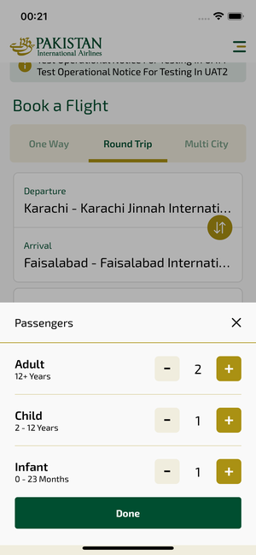
rtFlightSearch_ios | 31.03.2026 00:22 | IOS |  |  |  |  |  |  |  | 📸 rtFlightSearch_ios
Element ID | Page | Type | Label / Text | Value | Accessibility ID | Status | New Status
rtFlightSearch_ios_element_1 | Book a Flight | Button | HOME, tab, 1 of 5 |  |  | ID Yok | ID Eklenecek (Waiting Dev)
rtFlightSearch_ios_element_2 | Book a Flight | Button | AVAILABILITY_SEARCH, tab, 2 of 5 | 1 |  | ID Yok | ID Eklenecek (Waiting Dev)
rtFlightSearch_ios_element_3 | Book a Flight | Button | MY_TRIPS_INITIAL, tab, 3 of 5 |  |  | ID Yok | ID Eklenecek (Waiting Dev)
rtFlightSearch_ios_element_4 | Book a Flight | Button | CHECKIN, tab, 4 of 5 |  |  | ID Yok | ID Eklenecek (Waiting Dev)
rtFlightSearch_ios_element_5 | Book a Flight | Button | LOYALTY, tab, 5 of 5 |  |  | ID Yok | ID Eklenecek (Waiting Dev)
rtFlightSearch_ios_element_6 | Book a Flight | Other | Bottom Sheet |  |  | ID Yok | ID Eklenecek (Waiting Dev)
rtFlightSearch_ios_element_7 | Book a Flight | Other |  |  |  | ID Yok | ID Eklenecek (Waiting Dev)
rtFlightSearch_ios_element_8 | Book a Flight | Other |  |  |  | ID Yok | ID Eklenecek (Waiting Dev)
rtFlightSearch_ios_element_9 | Book a Flight | Other | Log in |  |  | ID Yok | ID Eklenecek (Waiting Dev)
rtFlightSearch_ios_element_10 | Book a Flight | Other | Flight Schedule |  |  | ID Yok | ID Eklenecek (Waiting Dev)
rtFlightSearch_ios_element_11 | Book a Flight | Other | Flight Status |  |  | ID Yok | ID Eklenecek (Waiting Dev)
rtFlightSearch_ios_element_12 | Book a Flight | Other | Feedback |  |  | ID Yok | ID Eklenecek (Waiting Dev)
rtFlightSearch_ios_element_13 | Book a Flight | Other | Notifications |  |  | ID Yok | ID Eklenecek (Waiting Dev)
rtFlightSearch_ios_element_14 | Book a Flight | Other | Gift Card |  |  | ID Yok | ID Eklenecek (Waiting Dev)
rtFlightSearch_ios_element_15 | Book a Flight | Other | Settings |  |  | ID Yok | ID Eklenecek (Waiting Dev)
rtFlightSearch_ios_element_16 | Book a Flight | Other | Contact us |  |  | ID Yok | ID Eklenecek (Waiting Dev)
rtFlightSearch_ios_element_17 | Book a Flight | Other |  |  |  | ID Yok | ID Eklenecek (Waiting Dev)
rtFlightSearch_ios_element_18 | Book a Flight | Other | Information for Credit Card Holders |  |  | ID Yok | ID Eklenecek (Waiting Dev)
rtFlightSearch_ios_element_19 | Book a Flight | Other | Long Lon Long Operational Notice One Two |  |  | ID Yok | ID Eklenecek (Waiting Dev)
rtFlightSearch_ios_element_20 | Book a Flight | Other | Test Operational Notice For Testing In UAT1 Test Operational Notice For Testing In UAT2 |  |  | ID Yok | ID Eklenecek (Waiting Dev)
rtFlightSearch_ios_element_21 | Book a Flight | Other |  |  |  | ID Yok | ID Eklenecek (Waiting Dev)
rtFlightSearch_ios_element_22 | Book a Flight | Other | One Way |  | avail_selection_switch_item | Duplicate | ID Eklenecek (Waiting Dev)
rtFlightSearch_ios_element_23 | Book a Flight | Other | Round Trip |  | avail_selection_switch_item | Duplicate | ID Eklenecek (Waiting Dev)
rtFlightSearch_ios_element_24 | Book a Flight | Other | Multi City |  | avail_selection_switch_item | Duplicate | ID Eklenecek (Waiting Dev)
rtFlightSearch_ios_element_25 | Book a Flight | Other | Passengers, 2 Adult, , 1 Child, , 1 Infant |  | avail_search_pax_count_card | Duplicate | ID Eklenecek (Waiting Dev)
rtFlightSearch_ios_element_26 | Book a Flight | Other | Class, Economy |  | avail_search_pax_count_card | Duplicate | ID Eklenecek (Waiting Dev)
rtFlightSearch_ios_element_27 | Book a Flight | Other |  |  | pax_count_picker_dec_button_ADLT | ID Var
rtFlightSearch_ios_element_28 | Book a Flight | Other |  |  | pax_count_picker_inc_button_ADLT | ID Var
rtFlightSearch_ios_element_29 | Book a Flight | Other |  |  | pax_count_picker_dec_button_CHLD | ID Var
rtFlightSearch_ios_element_30 | Book a Flight | Other |  |  | pax_count_picker_inc_button_CHLD | ID Var
rtFlightSearch_ios_element_31 | Book a Flight | Other |  |  | pax_count_picker_dec_button_INFT | ID Var
rtFlightSearch_ios_element_32 | Book a Flight | Other |  |  | pax_count_picker_inc_button_INFT | ID Var
rtFlightSearch_ios_element_33 | Book a Flight | Other | Done |  | pax_count_picker_done_button | ID Var
rtFlightSearch_ios_element_34 | Book a Flight | Other | Search |  | avail_search_search_flight_button | ID Var
rtFlightSearch_ios_element_35 | Book a Flight | Other | Departure Date, Sat, 09 May |  | avail_search_dep_date_card | ID Var
rtFlightSearch_ios_element_36 | Book a Flight | Other | Return Date, Sun, 17 May |  | avail_search_ret_date_card | ID Var
rtFlightSearch_ios_element_37 | Book a Flight | Other | Departure, Karachi - Karachi Jinnah International Airport(KHI) |  | avail_search_dep_port_card | ID Var
rtFlightSearch_ios_element_38 | Book a Flight | Other | Arrival, Faisalabad - Faisalabad International Airport(LYP) |  | avail_search_arr_port_card | ID Var

mcFlightSearch_ios
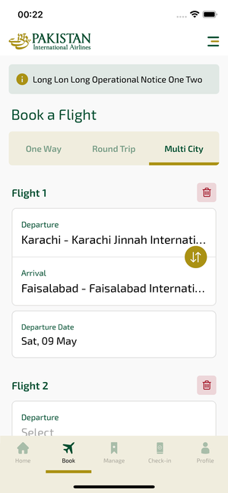
mcFlightSearch_ios | 31.03.2026 00:22 | IOS |  |  |  |  |  |  |  | 📸 mcFlightSearch_ios
Element ID | Page | Type | Label / Text | Value | Accessibility ID | Status | New Status
mcFlightSearch_ios_element_1 | Book a Flight | Button | HOME, tab, 1 of 5 |  |  | ID Yok | ID Eklenecek (Waiting Dev)
mcFlightSearch_ios_element_2 | Book a Flight | Button | AVAILABILITY_SEARCH, tab, 2 of 5 | 1 |  | ID Yok | ID Eklenecek (Waiting Dev)
mcFlightSearch_ios_element_3 | Book a Flight | Button | MY_TRIPS_INITIAL, tab, 3 of 5 |  |  | ID Yok | ID Eklenecek (Waiting Dev)
mcFlightSearch_ios_element_4 | Book a Flight | Button | CHECKIN, tab, 4 of 5 |  |  | ID Yok | ID Eklenecek (Waiting Dev)
mcFlightSearch_ios_element_5 | Book a Flight | Button | LOYALTY, tab, 5 of 5 |  |  | ID Yok | ID Eklenecek (Waiting Dev)
mcFlightSearch_ios_element_6 | Book a Flight | Other |  |  |  | ID Yok | ID Eklenecek (Waiting Dev)
mcFlightSearch_ios_element_7 | Book a Flight | Other | Log in |  |  | ID Yok | ID Eklenecek (Waiting Dev)
mcFlightSearch_ios_element_8 | Book a Flight | Other | Flight Schedule |  |  | ID Yok | ID Eklenecek (Waiting Dev)
mcFlightSearch_ios_element_9 | Book a Flight | Other | Flight Status |  |  | ID Yok | ID Eklenecek (Waiting Dev)
mcFlightSearch_ios_element_10 | Book a Flight | Other | Feedback |  |  | ID Yok | ID Eklenecek (Waiting Dev)
mcFlightSearch_ios_element_11 | Book a Flight | Other | Notifications |  |  | ID Yok | ID Eklenecek (Waiting Dev)
mcFlightSearch_ios_element_12 | Book a Flight | Other | Gift Card |  |  | ID Yok | ID Eklenecek (Waiting Dev)
mcFlightSearch_ios_element_13 | Book a Flight | Other | Settings |  |  | ID Yok | ID Eklenecek (Waiting Dev)
mcFlightSearch_ios_element_14 | Book a Flight | Other | Contact us |  |  | ID Yok | ID Eklenecek (Waiting Dev)
mcFlightSearch_ios_element_15 | Book a Flight | Other |  |  |  | ID Yok | ID Eklenecek (Waiting Dev)
mcFlightSearch_ios_element_16 | Book a Flight | Other |  |  |  | ID Yok | ID Eklenecek (Waiting Dev)
mcFlightSearch_ios_element_17 | Book a Flight | Other |  |  |  | ID Yok | ID Eklenecek (Waiting Dev)
mcFlightSearch_ios_element_18 | Book a Flight | Other |  |  |  | ID Yok | ID Eklenecek (Waiting Dev)
mcFlightSearch_ios_element_19 | Book a Flight | Other | Add Flight |  |  | ID Yok | ID Eklenecek (Waiting Dev)
mcFlightSearch_ios_element_20 | Book a Flight | Other | Long Lon Long Operational Notice One Two |  |  | ID Yok | ID Eklenecek (Waiting Dev)
mcFlightSearch_ios_element_21 | Book a Flight | Other | Test Operational Notice For Testing In UAT1 Test Operational Notice For Testing In UAT2 |  |  | ID Yok | ID Eklenecek (Waiting Dev)
mcFlightSearch_ios_element_22 | Book a Flight | Other | Information for Credit Card Holders |  |  | ID Yok | ID Eklenecek (Waiting Dev)
mcFlightSearch_ios_element_23 | Book a Flight | Other |  |  |  | ID Yok | ID Eklenecek (Waiting Dev)
mcFlightSearch_ios_element_24 | Book a Flight | Other |  |  |  | ID Yok | ID Eklenecek (Waiting Dev)
mcFlightSearch_ios_element_25 | Book a Flight | Other |  |  |  | ID Yok | ID Eklenecek (Waiting Dev)
mcFlightSearch_ios_element_26 | Book a Flight | Other | Departure Date, Sat, 09 May |  | avail_search_dep_date_card | Duplicate | ID Eklenecek (Waiting Dev)
mcFlightSearch_ios_element_27 | Book a Flight | Other | Departure Date, Select |  | avail_search_dep_date_card | Duplicate | ID Eklenecek (Waiting Dev)
mcFlightSearch_ios_element_28 | Book a Flight | Other | Departure Date, Select |  | avail_search_dep_date_card | Duplicate | ID Eklenecek (Waiting Dev)
mcFlightSearch_ios_element_29 | Book a Flight | Other | Passengers, 2 Adult, , 1 Child, , 1 Infant |  | avail_search_pax_count_card | Duplicate | ID Eklenecek (Waiting Dev)
mcFlightSearch_ios_element_30 | Book a Flight | Other | Class, Economy |  | avail_search_pax_count_card | Duplicate | ID Eklenecek (Waiting Dev)
mcFlightSearch_ios_element_31 | Book a Flight | Other | One Way |  | avail_selection_switch_item | Duplicate | ID Eklenecek (Waiting Dev)
mcFlightSearch_ios_element_32 | Book a Flight | Other | Round Trip |  | avail_selection_switch_item | Duplicate | ID Eklenecek (Waiting Dev)
mcFlightSearch_ios_element_33 | Book a Flight | Other | Multi City |  | avail_selection_switch_item | Duplicate | ID Eklenecek (Waiting Dev)
mcFlightSearch_ios_element_34 | Book a Flight | Other | Departure, Karachi - Karachi Jinnah International Airport(KHI) |  | avail_search_dep_port_card | Duplicate | ID Eklenecek (Waiting Dev)
mcFlightSearch_ios_element_35 | Book a Flight | Other | Arrival, Faisalabad - Faisalabad International Airport(LYP) |  | avail_search_arr_port_card | Duplicate | ID Eklenecek (Waiting Dev)
mcFlightSearch_ios_element_36 | Book a Flight | Other | Departure, Select |  | avail_search_dep_port_card | Duplicate | ID Eklenecek (Waiting Dev)
mcFlightSearch_ios_element_37 | Book a Flight | Other | Arrival, Select |  | avail_search_arr_port_card | Duplicate | ID Eklenecek (Waiting Dev)
mcFlightSearch_ios_element_38 | Book a Flight | Other | Departure, Select |  | avail_search_dep_port_card | Duplicate | ID Eklenecek (Waiting Dev)
mcFlightSearch_ios_element_39 | Book a Flight | Other | Arrival, Select |  | avail_search_arr_port_card | Duplicate | ID Eklenecek (Waiting Dev)

portSearch_ios
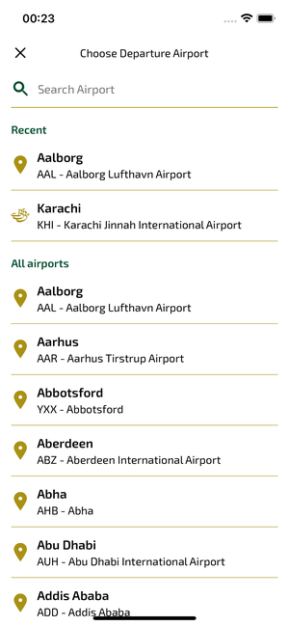
portSearch_ios | 31.03.2026 00:25 | IOS |  |  |  |  |  |  |  | 📸 portSearch_ios
Element ID | Page | Type | Label / Text | Value | Accessibility ID | Status | New Status
portSearch_ios_element_1 | Choose Departure Airport | TextField | Search Airport | Search Airport |  | ID Yok | ID Eklenecek (Waiting Dev)
portSearch_ios_element_2 | Choose Departure Airport | Other |  |  |  | ID Yok | ID Eklenecek (Waiting Dev)
portSearch_ios_element_3 | Choose Departure Airport | Other | Log in |  |  | ID Yok | ID Eklenecek (Waiting Dev)
portSearch_ios_element_4 | Choose Departure Airport | Other | Flight Schedule |  |  | ID Yok | ID Eklenecek (Waiting Dev)
portSearch_ios_element_5 | Choose Departure Airport | Other | Flight Status |  |  | ID Yok | ID Eklenecek (Waiting Dev)
portSearch_ios_element_6 | Choose Departure Airport | Other | Feedback |  |  | ID Yok | ID Eklenecek (Waiting Dev)
portSearch_ios_element_7 | Choose Departure Airport | Other | Notifications |  |  | ID Yok | ID Eklenecek (Waiting Dev)
portSearch_ios_element_8 | Choose Departure Airport | Other | Gift Card |  |  | ID Yok | ID Eklenecek (Waiting Dev)
portSearch_ios_element_9 | Choose Departure Airport | Other | Settings |  |  | ID Yok | ID Eklenecek (Waiting Dev)
portSearch_ios_element_10 | Choose Departure Airport | Other | Contact us |  |  | ID Yok | ID Eklenecek (Waiting Dev)
portSearch_ios_element_11 | Choose Departure Airport | Other |  |  |  | ID Yok | ID Eklenecek (Waiting Dev)
portSearch_ios_element_12 | Choose Departure Airport | Other | Aalborg, AAL - Aalborg Lufthavn Airport |  |  | ID Yok | ID Eklenecek (Waiting Dev)
portSearch_ios_element_13 | Choose Departure Airport | Other | Karachi, KHI - Karachi Jinnah International Airport |  |  | ID Yok | ID Eklenecek (Waiting Dev)
portSearch_ios_element_14 | Choose Departure Airport | Other | Aalborg, AAL - Aalborg Lufthavn Airport |  | port_picker_dep_port_item_AAL | ID Var
portSearch_ios_element_15 | Choose Departure Airport | Other | Aarhus, AAR - Aarhus Tirstrup Airport |  | port_picker_dep_port_item_AAR | ID Var
portSearch_ios_element_16 | Choose Departure Airport | Other | Abbotsford, YXX - Abbotsford |  | port_picker_dep_port_item_YXX | ID Var
portSearch_ios_element_17 | Choose Departure Airport | Other | Aberdeen, ABZ - Aberdeen International Airport |  | port_picker_dep_port_item_ABZ | ID Var
portSearch_ios_element_18 | Choose Departure Airport | Other | Abha, AHB - Abha |  | port_picker_dep_port_item_AHB | ID Var
portSearch_ios_element_19 | Choose Departure Airport | Other | Abu Dhabi, AUH - Abu Dhabi International Airport |  | port_picker_dep_port_item_AUH | ID Var
portSearch_ios_element_20 | Choose Departure Airport | Other | Addis Ababa, ADD - Addis Ababa |  | port_picker_dep_port_item_ADD | ID Var
portSearch_ios_element_21 | Choose Departure Airport | Other | Adelaide, ADL - Adelaide International Airport |  | port_picker_dep_port_item_ADL | ID Var
portSearch_ios_element_22 | Choose Departure Airport | Other | Al Ain, AAN - Al Ain International Airport |  | port_picker_dep_port_item_AAN | ID Var
portSearch_ios_element_23 | Choose Departure Airport | Other | Al Baha, ABT - Al Baha |  | port_picker_dep_port_item_ABT | ID Var
portSearch_ios_element_24 | Choose Departure Airport | Other | Al Najaf, NJF - Al Najaf |  | port_picker_dep_port_item_NJF | ID Var
portSearch_ios_element_25 | Choose Departure Airport | Other | Al Ula, ULH - Al Ula |  | port_picker_dep_port_item_ULH | ID Var
portSearch_ios_element_26 | Choose Departure Airport | Other | Alexandria, ALY - Alexandria El Nouzha Airport |  | port_picker_dep_port_item_ALY | ID Var
portSearch_ios_element_27 | Choose Departure Airport | Other | Alicante, YJE - Alicante Railway Station |  | port_picker_dep_port_item_YJE | ID Var
portSearch_ios_element_28 | Choose Departure Airport | Other | Almaty, ALA - Almaty |  | port_picker_dep_port_item_ALA | ID Var
portSearch_ios_element_29 | Choose Departure Airport | Other | Amman, AMM - Amman Queen Alia International Airport |  | port_picker_dep_port_item_AMM | ID Var
portSearch_ios_element_30 | Choose Departure Airport | Other | Amsterdam, AMS - Amsterdam Airport Schiphol |  | port_picker_dep_port_item_AMS | ID Var
portSearch_ios_element_31 | Choose Departure Airport | Other | Araak, AJK - Araak |  | port_picker_dep_port_item_AJK | ID Var
portSearch_ios_element_32 | Choose Departure Airport | Other | Arar, RAE - Arar |  | port_picker_dep_port_item_RAE | ID Var
portSearch_ios_element_33 | Choose Departure Airport | Other | Athens, ATH - Athens International Airport |  | port_picker_dep_port_item_ATH | ID Var
portSearch_ios_element_34 | Choose Departure Airport | Other | Atlanta, ATL - Hartsfield-Jackson Atlanta International Airport |  | port_picker_dep_port_item_ATL | ID Var
portSearch_ios_element_35 | Choose Departure Airport | Other | Auckland, AKL - Auckland International Airport |  | port_picker_dep_port_item_AKL | ID Var
portSearch_ios_element_36 | Choose Departure Airport | Other | Baghdad, BGW - Baghdad |  | port_picker_dep_port_item_BGW | ID Var
portSearch_ios_element_37 | Choose Departure Airport | Other | Bahawalpur, BHV - Bahawalpur Airport |  | port_picker_dep_port_item_BHV | ID Var
portSearch_ios_element_38 | Choose Departure Airport | Other | Bahrain, BAH - Bahrain International Airport |  | port_picker_dep_port_item_BAH | ID Var
portSearch_ios_element_39 | Choose Departure Airport | Other | Baku, GYD - Baku Heydar Aliyev Internation |  | port_picker_dep_port_item_GYD | ID Var
portSearch_ios_element_40 | Choose Departure Airport | Other | Ballina, BNK - Ballina |  | port_picker_dep_port_item_BNK | ID Var
portSearch_ios_element_41 | Choose Departure Airport | Other | Bandar Seri Begawan, BWN - Bandar Seri Begawan |  | port_picker_dep_port_item_BWN | ID Var
portSearch_ios_element_42 | Choose Departure Airport | Other | Bangkok, BKK - Bangkok Suvarnabhumi Airport |  | port_picker_dep_port_item_BKK | ID Var
portSearch_ios_element_43 | Choose Departure Airport | Other | Barcelona, BCN - Barcelona-El Prat Josep Tarradellas Airport |  | port_picker_dep_port_item_BCN | ID Var
portSearch_ios_element_44 | Choose Departure Airport | Other | Basrah, BSR - Basrah |  | port_picker_dep_port_item_BSR | ID Var
portSearch_ios_element_45 | Choose Departure Airport | Other | Bath Spa, QQX - Bath Spa Railway Station |  | port_picker_dep_port_item_QQX | ID Var
portSearch_ios_element_46 | Choose Departure Airport | Other | Beijing, BJS - BEIJING |  | port_picker_dep_port_item_BJS | ID Var
portSearch_ios_element_47 | Choose Departure Airport | Other | Beijing, PEK - Beijing Capital International Airport |  | port_picker_dep_port_item_PEK | ID Var
portSearch_ios_element_48 | Choose Departure Airport | Other | Beijing Daxing Intl., PKX - Beijing Daxing Intl. |  | port_picker_dep_port_item_PKX | ID Var
portSearch_ios_element_49 | Choose Departure Airport | Other | Beirut, BEY - Beirut |  | port_picker_dep_port_item_BEY | ID Var
portSearch_ios_element_50 | Choose Departure Airport | Other | Belfast, BHD - George Best Belfast City Airport |  | port_picker_dep_port_item_BHD | ID Var
portSearch_ios_element_51 | Choose Departure Airport | Other | Bergen, BGO - Bergen Airport |  | port_picker_dep_port_item_BGO | ID Var
portSearch_ios_element_52 | Choose Departure Airport | Other | Berlin, BER - Berlin Brandenburg Airport |  | port_picker_dep_port_item_BER | ID Var
portSearch_ios_element_53 | Choose Departure Airport | Other | Bilbao Abando, YJI - Bilbao Abando Railway Station |  | port_picker_dep_port_item_YJI | ID Var
portSearch_ios_element_54 | Choose Departure Airport | Other | Birmingham, ZBC - Birmingham Colmore Row Bus Sta |  | port_picker_dep_port_item_ZBC | ID Var
portSearch_ios_element_55 | Choose Departure Airport | Other | Birmingham, BHX - Birmingham Airport |  | port_picker_dep_port_item_BHX | ID Var
portSearch_ios_element_56 | Choose Departure Airport | Other | Bisha, BHH - Bisha |  | port_picker_dep_port_item_BHH | ID Var
portSearch_ios_element_57 | Choose Departure Airport | Other | Bologna, BLQ - Bologna Guglielmo Marconi Airport |  | port_picker_dep_port_item_BLQ | ID Var
portSearch_ios_element_58 | Choose Departure Airport | Other | Boston, BOS - Boston Logan International Airport |  | port_picker_dep_port_item_BOS | ID Var
portSearch_ios_element_59 | Choose Departure Airport | Other | Brandon, YBR - Brandon |  | port_picker_dep_port_item_YBR | ID Var
portSearch_ios_element_60 | Choose Departure Airport | Other | Brisbane, BNE - Brisbane Airport |  | port_picker_dep_port_item_BNE | ID Var
portSearch_ios_element_61 | Choose Departure Airport | Other | Bristol, BRS - Bristol Airport |  | port_picker_dep_port_item_BRS | ID Var
portSearch_ios_element_62 | Choose Departure Airport | Other | Bristol, TTY - Tauton Bus Station |  | port_picker_dep_port_item_TTY | ID Var
portSearch_ios_element_63 | Choose Departure Airport | Other | Bristol, TPB - Bristol Temple Meads Railway Station |  | port_picker_dep_port_item_TPB | ID Var
portSearch_ios_element_64 | Choose Departure Airport | Other | Bristol, BPR - Bristol Parkway railway station |  | port_picker_dep_port_item_BPR | ID Var
portSearch_ios_element_65 | Choose Departure Airport | Other | Busan, PUS - Busan Gimhae International Airport |  | port_picker_dep_port_item_PUS | ID Var
portSearch_ios_element_66 | Choose Departure Airport | Other | Cagliari, CAG - Cagliari Elmas Airport |  | port_picker_dep_port_item_CAG | ID Var
portSearch_ios_element_67 | Choose Departure Airport | Other | Cairns, CNS - Cairns |  | port_picker_dep_port_item_CNS | ID Var
portSearch_ios_element_68 | Choose Departure Airport | Other | Cairo, CAI - Cairo |  | port_picker_dep_port_item_CAI | ID Var
portSearch_ios_element_69 | Choose Departure Airport | Other | Calgary, YYC - Calgary International Airport |  | port_picker_dep_port_item_YYC | ID Var
portSearch_ios_element_70 | Choose Departure Airport | Other | Cambridge, CBG - Cambridge Airport |  | port_picker_dep_port_item_CBG | ID Var
portSearch_ios_element_71 | Choose Departure Airport | Other | Canberra, CBR - Canberra |  | port_picker_dep_port_item_CBR | ID Var
portSearch_ios_element_72 | Choose Departure Airport | Other | Cardiff, CFW - Cardiff Railway Station |  | port_picker_dep_port_item_CFW | ID Var
portSearch_ios_element_73 | Choose Departure Airport | Other | Cardiff, CWL - Cardiff |  | port_picker_dep_port_item_CWL | ID Var
portSearch_ios_element_74 | Choose Departure Airport | Other | Castellon de la Plana, CPJ - Castellon de la Plana Railway Station |  | port_picker_dep_port_item_CPJ | ID Var
portSearch_ios_element_75 | Choose Departure Airport | Other | Catania, CTA - Catania–Fontanarossa Airport |  | port_picker_dep_port_item_CTA | ID Var
portSearch_ios_element_76 | Choose Departure Airport | Other | Changchun, CGQ - Changchun |  | port_picker_dep_port_item_CGQ | ID Var
portSearch_ios_element_77 | Choose Departure Airport | Other | Changzhi, CIH - Changzhi |  | port_picker_dep_port_item_CIH | ID Var
portSearch_ios_element_78 | Choose Departure Airport | Other | Charlottetown, YYG - Charlottetown |  | port_picker_dep_port_item_YYG | ID Var
portSearch_ios_element_79 | Choose Departure Airport | Other | Chengdu, TFU - Chengdu |  | port_picker_dep_port_item_TFU | ID Var
portSearch_ios_element_80 | Choose Departure Airport | Other | Chengdu, CTU - Chengdu |  | port_picker_dep_port_item_CTU | ID Var
portSearch_ios_element_81 | Choose Departure Airport | Other | Chiang Mai, CNX - Chiang Mai International Airport |  | port_picker_dep_port_item_CNX | ID Var
portSearch_ios_element_82 | Choose Departure Airport | Other | Chiang Rai, CEI - Mae Fah Luang Chiang Rai International Airport |  | port_picker_dep_port_item_CEI | ID Var
portSearch_ios_element_83 | Choose Departure Airport | Other | Chicago, ORD - Chicago O'Hare International Airport |  | port_picker_dep_port_item_ORD | ID Var
portSearch_ios_element_84 | Choose Departure Airport | Other | Chignik, KCG - Chignik Fisheries Airport |  | port_picker_dep_port_item_KCG | ID Var
portSearch_ios_element_85 | Choose Departure Airport | Other | Chitral, CJL - Chitral Airport |  | port_picker_dep_port_item_CJL | ID Var
portSearch_ios_element_86 | Choose Departure Airport | Other | Chongqing, CKG - Chongqing |  | port_picker_dep_port_item_CKG | ID Var
portSearch_ios_element_87 | Choose Departure Airport | Other | Cincinnati, CVG - Cincinnati/Northern Kentucky International Airport |  | port_picker_dep_port_item_CVG | ID Var
portSearch_ios_element_88 | Choose Departure Airport | Other | Colombo, CMB - Bandaranaike Intl |  | port_picker_dep_port_item_CMB | ID Var
portSearch_ios_element_89 | Choose Departure Airport | Other | Comox, YQQ - Comox |  | port_picker_dep_port_item_YQQ | ID Var
portSearch_ios_element_90 | Choose Departure Airport | Other | Copenhagen, CPH - Copenhagen Kastrup Airport |  | port_picker_dep_port_item_CPH | ID Var
portSearch_ios_element_91 | Choose Departure Airport | Other | Coventry, CVT - Coventry Airport |  | port_picker_dep_port_item_CVT | ID Var
portSearch_ios_element_92 | Choose Departure Airport | Other | Dalbandin, DBA - Dalbandin Airport |  | port_picker_dep_port_item_DBA | ID Var
portSearch_ios_element_93 | Choose Departure Airport | Other | Dalian, DLC - Dalian |  | port_picker_dep_port_item_DLC | ID Var
portSearch_ios_element_94 | Choose Departure Airport | Other | Dallas/Fort Worth, DFW - Dallas-Fort Worth International Airport |  | port_picker_dep_port_item_DFW | ID Var
portSearch_ios_element_95 | Choose Departure Airport | Other | Dammam, DMM - Dammam - King Fahd International Airport |  | port_picker_dep_port_item_DMM | ID Var
portSearch_ios_element_96 | Choose Departure Airport | Other | Dar es Salaam, DAR - Dar es Salaam |  | port_picker_dep_port_item_DAR | ID Var
portSearch_ios_element_97 | Choose Departure Airport | Other | Dawadmi, DWD - Dawadmi |  | port_picker_dep_port_item_DWD | ID Var
portSearch_ios_element_98 | Choose Departure Airport | Other | Deer Lake, YDF - Deer Lake |  | port_picker_dep_port_item_YDF | ID Var
portSearch_ios_element_99 | Choose Departure Airport | Other | Delhi, DEL - Delhi |  | port_picker_dep_port_item_DEL | ID Var
portSearch_ios_element_100 | Choose Departure Airport | Other | Denpasar-Bali, DPS - Denpasar-Bali |  | port_picker_dep_port_item_DPS | ID Var
portSearch_ios_element_101 | Choose Departure Airport | Other | Denver, DEN - Denver Intl Apt |  | port_picker_dep_port_item_DEN | ID Var
portSearch_ios_element_102 | Choose Departure Airport | Other | Dera Ghazi Khan, DEA - Dera Ghazi Khan International Airport |  | port_picker_dep_port_item_DEA | ID Var
portSearch_ios_element_103 | Choose Departure Airport | Other | Dera Ismail Khan, DSK - Dera Ismail Khan Airport |  | port_picker_dep_port_item_DSK | ID Var
portSearch_ios_element_104 | Choose Departure Airport | Other | Detroit, DTT - DETROIT |  | port_picker_dep_port_item_DTT | ID Var
portSearch_ios_element_105 | Choose Departure Airport | Other | Dhaka, DAC - Dhaka - Hazrat Shahjalal International Airport |  | port_picker_dep_port_item_DAC | ID Var
portSearch_ios_element_106 | Choose Departure Airport | Other | Doha, DOH - Doha Hamad International Airport |  | port_picker_dep_port_item_DOH | ID Var
portSearch_ios_element_107 | Choose Departure Airport | Other | Dubai, DXB - Dubai International Airport |  | port_picker_dep_port_item_DXB | ID Var
portSearch_ios_element_108 | Choose Departure Airport | Other | Dublin, DUB - Dublin |  | port_picker_dep_port_item_DUB | ID Var
portSearch_ios_element_109 | Choose Departure Airport | Other | Duesseldorf, DUS - Düsseldorf International Airport |  | port_picker_dep_port_item_DUS | ID Var
portSearch_ios_element_110 | Choose Departure Airport | Other | Dunhuang, DNH - Dunhuang |  | port_picker_dep_port_item_DNH | ID Var
portSearch_ios_element_111 | Choose Departure Airport | Other | Edinburgh, EDI - Edinburgh Airport |  | port_picker_dep_port_item_EDI | ID Var
portSearch_ios_element_112 | Choose Departure Airport | Other | Edmonton, YEG - Edmonton International Apt |  | port_picker_dep_port_item_YEG | ID Var
portSearch_ios_element_113 | Choose Departure Airport | Other | Erbil, EBL - Erbil |  | port_picker_dep_port_item_EBL | ID Var
portSearch_ios_element_114 | Choose Departure Airport | Other | Exeter, EXS - Exeter St Thomas Train Station |  | port_picker_dep_port_item_EXS | ID Var
portSearch_ios_element_115 | Choose Departure Airport | Other | Faisalabad, LYP - Faisalabad International Airport |  | port_picker_dep_port_item_LYP | ID Var
portSearch_ios_element_116 | Choose Departure Airport | Other | Fort McMurray, YMM - Fort McMurray International Airport |  | port_picker_dep_port_item_YMM | ID Var
portSearch_ios_element_117 | Choose Departure Airport | Other | Fort St John, YXJ - Fort St John |  | port_picker_dep_port_item_YXJ | ID Var
portSearch_ios_element_118 | Choose Departure Airport | Other | Frankfurt, FRA - Frankfurt International Airport |  | port_picker_dep_port_item_FRA | ID Var
portSearch_ios_element_119 | Choose Departure Airport | Other | Fujairah, FJR - Fujairah |  | port_picker_dep_port_item_FJR | ID Var
portSearch_ios_element_120 | Choose Departure Airport | Other | Fukuoka, FUK - Fukuoka Airport |  | port_picker_dep_port_item_FUK | ID Var
portSearch_ios_element_121 | Choose Departure Airport | Other | Gassim, ELQ - Gassim |  | port_picker_dep_port_item_ELQ | ID Var

selectFlight_ios
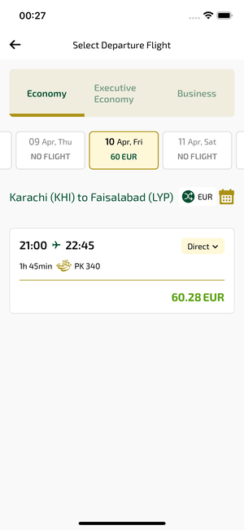
selectFlight_ios | 31.03.2026 00:27 | IOS |  |  |  |  |  |  |  | 📸 selectFlight_ios
Element ID | Page | Type | Label / Text | Value | Accessibility ID | Status | New Status
selectFlight_ios_element_1 | Select Departure Flight | Other |  |  |  | ID Yok | ID Eklenecek (Waiting Dev)
selectFlight_ios_element_2 | Select Departure Flight | Other | Log in |  |  | ID Yok | ID Eklenecek (Waiting Dev)
selectFlight_ios_element_3 | Select Departure Flight | Other | Flight Schedule |  |  | ID Yok | ID Eklenecek (Waiting Dev)
selectFlight_ios_element_4 | Select Departure Flight | Other | Flight Status |  |  | ID Yok | ID Eklenecek (Waiting Dev)
selectFlight_ios_element_5 | Select Departure Flight | Other | Feedback |  |  | ID Yok | ID Eklenecek (Waiting Dev)
selectFlight_ios_element_6 | Select Departure Flight | Other | Notifications |  |  | ID Yok | ID Eklenecek (Waiting Dev)
selectFlight_ios_element_7 | Select Departure Flight | Other | Gift Card |  |  | ID Yok | ID Eklenecek (Waiting Dev)
selectFlight_ios_element_8 | Select Departure Flight | Other | Settings |  |  | ID Yok | ID Eklenecek (Waiting Dev)
selectFlight_ios_element_9 | Select Departure Flight | Other | Contact us |  |  | ID Yok | ID Eklenecek (Waiting Dev)
selectFlight_ios_element_10 | Select Departure Flight | Other |  |  |  | ID Yok | ID Eklenecek (Waiting Dev)
selectFlight_ios_element_11 | Select Departure Flight | Other | 31 , Mar, Tue, Search |  |  | ID Yok | ID Eklenecek (Waiting Dev)
selectFlight_ios_element_12 | Select Departure Flight | Other | 01 , Apr, Wed, Search |  |  | ID Yok | ID Eklenecek (Waiting Dev)
selectFlight_ios_element_13 | Select Departure Flight | Other | 02 , Apr, Thu, Search |  |  | ID Yok | ID Eklenecek (Waiting Dev)
selectFlight_ios_element_14 | Select Departure Flight | Other | 03 , Apr, Fri, Search |  |  | ID Yok | ID Eklenecek (Waiting Dev)
selectFlight_ios_element_15 | Select Departure Flight | Other | 04 , Apr, Sat, Search |  |  | ID Yok | ID Eklenecek (Waiting Dev)
selectFlight_ios_element_16 | Select Departure Flight | Other | 05 , Apr, Sun, Search |  |  | ID Yok | ID Eklenecek (Waiting Dev)
selectFlight_ios_element_17 | Select Departure Flight | Other | 06 , Apr, Mon, NO FLIGHT |  |  | ID Yok | ID Eklenecek (Waiting Dev)
selectFlight_ios_element_18 | Select Departure Flight | Other | 07 , Apr, Tue, 60EUR |  |  | ID Yok | ID Eklenecek (Waiting Dev)
selectFlight_ios_element_19 | Select Departure Flight | Other | 08 , Apr, Wed, NO FLIGHT |  |  | ID Yok | ID Eklenecek (Waiting Dev)
selectFlight_ios_element_20 | Select Departure Flight | Other | 09 , Apr, Thu, NO FLIGHT |  |  | ID Yok | ID Eklenecek (Waiting Dev)
selectFlight_ios_element_21 | Select Departure Flight | Other | 10 , Apr, Fri, 60EUR |  |  | ID Yok | ID Eklenecek (Waiting Dev)
selectFlight_ios_element_22 | Select Departure Flight | Other | 11 , Apr, Sat, NO FLIGHT |  |  | ID Yok | ID Eklenecek (Waiting Dev)
selectFlight_ios_element_23 | Select Departure Flight | Other | 12 , Apr, Sun, 60EUR |  |  | ID Yok | ID Eklenecek (Waiting Dev)
selectFlight_ios_element_24 | Select Departure Flight | Other | 13 , Apr, Mon, NO FLIGHT |  |  | ID Yok | ID Eklenecek (Waiting Dev)
selectFlight_ios_element_25 | Select Departure Flight | Other | 14 , Apr, Tue, Search |  |  | ID Yok | ID Eklenecek (Waiting Dev)
selectFlight_ios_element_26 | Select Departure Flight | Other | 15 , Apr, Wed, Search |  |  | ID Yok | ID Eklenecek (Waiting Dev)
selectFlight_ios_element_27 | Select Departure Flight | Other | 16 , Apr, Thu, Search |  |  | ID Yok | ID Eklenecek (Waiting Dev)
selectFlight_ios_element_28 | Select Departure Flight | Other | 17 , Apr, Fri, Search |  |  | ID Yok | ID Eklenecek (Waiting Dev)
selectFlight_ios_element_29 | Select Departure Flight | Other | 18 , Apr, Sat, Search |  |  | ID Yok | ID Eklenecek (Waiting Dev)
selectFlight_ios_element_30 | Select Departure Flight | Other | 19 , Apr, Sun, Search |  |  | ID Yok | ID Eklenecek (Waiting Dev)
selectFlight_ios_element_31 | Select Departure Flight | Other | 20 , Apr, Mon, Search |  |  | ID Yok | ID Eklenecek (Waiting Dev)
selectFlight_ios_element_32 | Select Departure Flight | Other | Executive Economy |  | avail_selection_switch_item | Duplicate | ID Eklenecek (Waiting Dev)
selectFlight_ios_element_33 | Select Departure Flight | Other | Economy |  | avail_selection_switch_item | Duplicate | ID Eklenecek (Waiting Dev)
selectFlight_ios_element_34 | Select Departure Flight | Other | Business |  | avail_selection_switch_item | Duplicate | ID Eklenecek (Waiting Dev)
selectFlight_ios_element_35 | Select Departure Flight | Other | EUR |  | avail_selection_currency_picker | ID Var
selectFlight_ios_element_36 | Select Departure Flight | Other |  |  | avail_selection_calendar_picker | ID Var
selectFlight_ios_element_37 | Select Departure Flight | Other | 21:00, 22:45, 1h 45min, PK 340, Direct, 60.28EUR |  | avail_selection_flight_item_direct | ID Var

selectFlightFlightInfo_ios
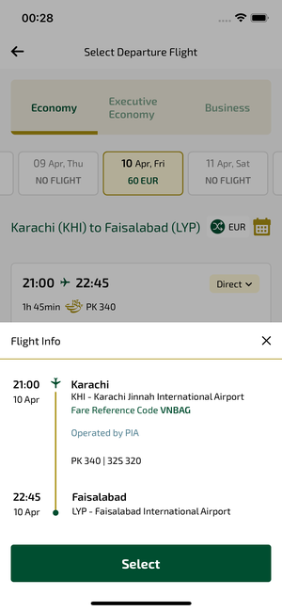
selectFlightFlightInfo_ios | 31.03.2026 00:29 | IOS |  |  |  |  |  |  |  | 📸 selectFlightFlightInfo_ios
Element ID | Page | Type | Label / Text | Value | Accessibility ID | Status | New Status
selectFlightFlightInfo_ios_element_1 | Select Departure Flight | Other | Bottom Sheet |  |  | ID Yok | ID Eklenecek (Waiting Dev)
selectFlightFlightInfo_ios_element_2 | Select Departure Flight | Other | Flight Info |  |  | ID Yok | ID Eklenecek (Waiting Dev)
selectFlightFlightInfo_ios_element_3 | Select Departure Flight | Other |  |  |  | ID Yok | ID Eklenecek (Waiting Dev)
selectFlightFlightInfo_ios_element_4 | Select Departure Flight | Other | Log in |  |  | ID Yok | ID Eklenecek (Waiting Dev)
selectFlightFlightInfo_ios_element_5 | Select Departure Flight | Other | Flight Schedule |  |  | ID Yok | ID Eklenecek (Waiting Dev)
selectFlightFlightInfo_ios_element_6 | Select Departure Flight | Other | Flight Status |  |  | ID Yok | ID Eklenecek (Waiting Dev)
selectFlightFlightInfo_ios_element_7 | Select Departure Flight | Other | Feedback |  |  | ID Yok | ID Eklenecek (Waiting Dev)
selectFlightFlightInfo_ios_element_8 | Select Departure Flight | Other | Notifications |  |  | ID Yok | ID Eklenecek (Waiting Dev)
selectFlightFlightInfo_ios_element_9 | Select Departure Flight | Other | Gift Card |  |  | ID Yok | ID Eklenecek (Waiting Dev)
selectFlightFlightInfo_ios_element_10 | Select Departure Flight | Other | Settings |  |  | ID Yok | ID Eklenecek (Waiting Dev)
selectFlightFlightInfo_ios_element_11 | Select Departure Flight | Other | Contact us |  |  | ID Yok | ID Eklenecek (Waiting Dev)
selectFlightFlightInfo_ios_element_12 | Select Departure Flight | Other |  |  |  | ID Yok | ID Eklenecek (Waiting Dev)
selectFlightFlightInfo_ios_element_13 | Select Departure Flight | Other | 31 , Mar, Tue, Search |  |  | ID Yok | ID Eklenecek (Waiting Dev)
selectFlightFlightInfo_ios_element_14 | Select Departure Flight | Other | 01 , Apr, Wed, Search |  |  | ID Yok | ID Eklenecek (Waiting Dev)
selectFlightFlightInfo_ios_element_15 | Select Departure Flight | Other | 02 , Apr, Thu, Search |  |  | ID Yok | ID Eklenecek (Waiting Dev)
selectFlightFlightInfo_ios_element_16 | Select Departure Flight | Other | 03 , Apr, Fri, Search |  |  | ID Yok | ID Eklenecek (Waiting Dev)
selectFlightFlightInfo_ios_element_17 | Select Departure Flight | Other | 04 , Apr, Sat, Search |  |  | ID Yok | ID Eklenecek (Waiting Dev)
selectFlightFlightInfo_ios_element_18 | Select Departure Flight | Other | 05 , Apr, Sun, Search |  |  | ID Yok | ID Eklenecek (Waiting Dev)
selectFlightFlightInfo_ios_element_19 | Select Departure Flight | Other | 06 , Apr, Mon, NO FLIGHT |  |  | ID Yok | ID Eklenecek (Waiting Dev)
selectFlightFlightInfo_ios_element_20 | Select Departure Flight | Other | 07 , Apr, Tue, 60EUR |  |  | ID Yok | ID Eklenecek (Waiting Dev)
selectFlightFlightInfo_ios_element_21 | Select Departure Flight | Other | 08 , Apr, Wed, NO FLIGHT |  |  | ID Yok | ID Eklenecek (Waiting Dev)
selectFlightFlightInfo_ios_element_22 | Select Departure Flight | Other | 09 , Apr, Thu, NO FLIGHT |  |  | ID Yok | ID Eklenecek (Waiting Dev)
selectFlightFlightInfo_ios_element_23 | Select Departure Flight | Other | 10 , Apr, Fri, 60EUR |  |  | ID Yok | ID Eklenecek (Waiting Dev)
selectFlightFlightInfo_ios_element_24 | Select Departure Flight | Other | 11 , Apr, Sat, NO FLIGHT |  |  | ID Yok | ID Eklenecek (Waiting Dev)
selectFlightFlightInfo_ios_element_25 | Select Departure Flight | Other | 12 , Apr, Sun, 60EUR |  |  | ID Yok | ID Eklenecek (Waiting Dev)
selectFlightFlightInfo_ios_element_26 | Select Departure Flight | Other | 13 , Apr, Mon, NO FLIGHT |  |  | ID Yok | ID Eklenecek (Waiting Dev)
selectFlightFlightInfo_ios_element_27 | Select Departure Flight | Other | 14 , Apr, Tue, Search |  |  | ID Yok | ID Eklenecek (Waiting Dev)
selectFlightFlightInfo_ios_element_28 | Select Departure Flight | Other | 15 , Apr, Wed, Search |  |  | ID Yok | ID Eklenecek (Waiting Dev)
selectFlightFlightInfo_ios_element_29 | Select Departure Flight | Other | 16 , Apr, Thu, Search |  |  | ID Yok | ID Eklenecek (Waiting Dev)
selectFlightFlightInfo_ios_element_30 | Select Departure Flight | Other | 17 , Apr, Fri, Search |  |  | ID Yok | ID Eklenecek (Waiting Dev)
selectFlightFlightInfo_ios_element_31 | Select Departure Flight | Other | 18 , Apr, Sat, Search |  |  | ID Yok | ID Eklenecek (Waiting Dev)
selectFlightFlightInfo_ios_element_32 | Select Departure Flight | Other | 19 , Apr, Sun, Search |  |  | ID Yok | ID Eklenecek (Waiting Dev)
selectFlightFlightInfo_ios_element_33 | Select Departure Flight | Other | 20 , Apr, Mon, Search |  |  | ID Yok | ID Eklenecek (Waiting Dev)
selectFlightFlightInfo_ios_element_34 | Select Departure Flight | Other | Executive Economy |  | avail_selection_switch_item | Duplicate | ID Eklenecek (Waiting Dev)
selectFlightFlightInfo_ios_element_35 | Select Departure Flight | Other | Economy |  | avail_selection_switch_item | Duplicate | ID Eklenecek (Waiting Dev)
selectFlightFlightInfo_ios_element_36 | Select Departure Flight | Other | Business |  | avail_selection_switch_item | Duplicate | ID Eklenecek (Waiting Dev)
selectFlightFlightInfo_ios_element_37 | Select Departure Flight | Other | Select |  | avail_selection_select_button | ID Var
selectFlightFlightInfo_ios_element_38 | Select Departure Flight | Other | EUR |  | avail_selection_currency_picker | ID Var
selectFlightFlightInfo_ios_element_39 | Select Departure Flight | Other |  |  | avail_selection_calendar_picker | ID Var
selectFlightFlightInfo_ios_element_40 | Select Departure Flight | Other | 21:00, 22:45, 1h 45min, PK 340, Direct, 60.28EUR |  | avail_selection_flight_item_direct | ID Var

selectBundle_ios
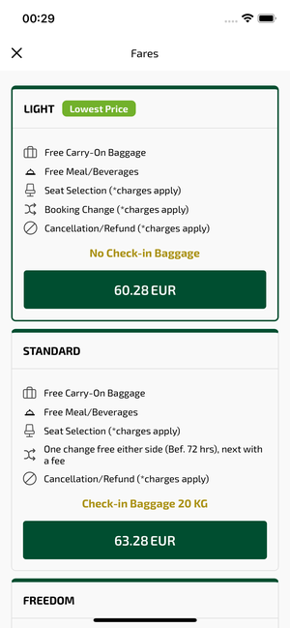
selectBundle_ios | 31.03.2026 00:29 | IOS |  |  |  |  |  |  |  | 📸 selectBundle_ios
Element ID | Page | Type | Label / Text | Value | Accessibility ID | Status | New Status
selectBundle_ios_element_1 | Fares | Other |  |  |  | ID Yok | ID Eklenecek (Waiting Dev)
selectBundle_ios_element_2 | Fares | Other | LIGHT, Lowest Price, Free Carry-On Baggage, Free Meal/Beverages, Seat Selection (*charges apply), Booking Change (*charges apply), Cancellation/Refund (*charges apply), No Check-in Baggage, 60.28EUR |  |  | ID Yok | ID Eklenecek (Waiting Dev)
selectBundle_ios_element_3 | Fares | Other | STANDARD, Free Carry-On Baggage, Free Meal/Beverages, Seat Selection (*charges apply), One change free either side (Bef. 72 hrs), next with a fee, Cancellation/Refund (*charges apply), Check-in Baggage 20 KG, 63.28EUR |  |  | ID Yok | ID Eklenecek (Waiting Dev)
selectBundle_ios_element_4 | Fares | Other | FREEDOM, Free Carry-On Baggage, Free Meal/Beverages, Free Standard Seat Selection, One change free on each side (Bef. 48 hrs), next with a fee, Free refund, Before 48 hrs of Departure, Check-in Baggage 30 KG, 66.28EUR |  |  | ID Yok | ID Eklenecek (Waiting Dev)

yourFlight_ios

yourFlight_ios | 31.03.2026 00:30 | IOS |  |  |  |  |  |  |  | 📸 yourFlight_ios
Element ID | Page | Type | Label / Text | Value | Accessibility ID | Status | New Status
yourFlight_ios_element_1 | Your Route | Other |  |  |  | ID Yok | ID Eklenecek (Waiting Dev)
yourFlight_ios_element_2 | Your Route | Other | Log in |  |  | ID Yok | ID Eklenecek (Waiting Dev)
yourFlight_ios_element_3 | Your Route | Other | Flight Schedule |  |  | ID Yok | ID Eklenecek (Waiting Dev)
yourFlight_ios_element_4 | Your Route | Other | Flight Status |  |  | ID Yok | ID Eklenecek (Waiting Dev)
yourFlight_ios_element_5 | Your Route | Other | Feedback |  |  | ID Yok | ID Eklenecek (Waiting Dev)
yourFlight_ios_element_6 | Your Route | Other | Notifications |  |  | ID Yok | ID Eklenecek (Waiting Dev)
yourFlight_ios_element_7 | Your Route | Other | Gift Card |  |  | ID Yok | ID Eklenecek (Waiting Dev)
yourFlight_ios_element_8 | Your Route | Other | Settings |  |  | ID Yok | ID Eklenecek (Waiting Dev)
yourFlight_ios_element_9 | Your Route | Other | Contact us |  |  | ID Yok | ID Eklenecek (Waiting Dev)
yourFlight_ios_element_10 | Your Route | Other |  |  |  | ID Yok | ID Eklenecek (Waiting Dev)
yourFlight_ios_element_11 | Your Route | Other | Total , 179.59EUR |  |  | ID Yok | ID Eklenecek (Waiting Dev)
yourFlight_ios_element_12 | Your Route | Other | Karachi (KHI) to Faisalabad (LYP), Fri, 10 Apr - 21:00, 1h 45min - PK 340, ECONOMY, Direct |  |  | ID Yok | ID Eklenecek (Waiting Dev)
yourFlight_ios_element_13 | Your Route | Other | Continue |  | your_route_continue_button | ID Var

passengersDetailAdult1_ios
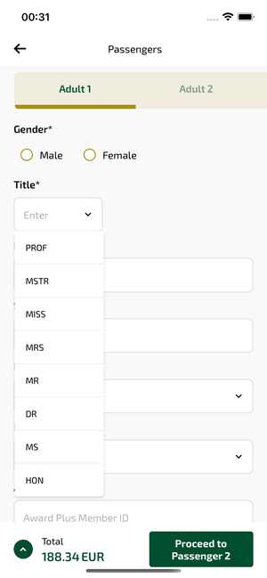
passengersDetailAdult1_ios | 31.03.2026 00:31 | IOS |  |  |  |  |  |  |  | 📸 passengersDetailAdult1_ios
Element ID | Page | Type | Label / Text | Value | Accessibility ID | Status | New Status
passengersDetailAdult1_ios_element_1 | Passengers | Other | PROF |  |  | ID Yok | ID Eklenecek (Waiting Dev)
passengersDetailAdult1_ios_element_2 | Passengers | Other | MSTR |  |  | ID Yok | ID Eklenecek (Waiting Dev)
passengersDetailAdult1_ios_element_3 | Passengers | Other | MISS |  |  | ID Yok | ID Eklenecek (Waiting Dev)
passengersDetailAdult1_ios_element_4 | Passengers | Other | MRS |  |  | ID Yok | ID Eklenecek (Waiting Dev)
passengersDetailAdult1_ios_element_5 | Passengers | Other | MR |  |  | ID Yok | ID Eklenecek (Waiting Dev)
passengersDetailAdult1_ios_element_6 | Passengers | Other | DR |  |  | ID Yok | ID Eklenecek (Waiting Dev)
passengersDetailAdult1_ios_element_7 | Passengers | Other | MS |  |  | ID Yok | ID Eklenecek (Waiting Dev)
passengersDetailAdult1_ios_element_8 | Passengers | Other | HON |  |  | ID Yok | ID Eklenecek (Waiting Dev)
passengersDetailAdult1_ios_element_9 | Passengers | Other |  |  |  | ID Yok | ID Eklenecek (Waiting Dev)
passengersDetailAdult1_ios_element_10 | Passengers | Other | Log in |  |  | ID Yok | ID Eklenecek (Waiting Dev)
passengersDetailAdult1_ios_element_11 | Passengers | Other | Flight Schedule |  |  | ID Yok | ID Eklenecek (Waiting Dev)
passengersDetailAdult1_ios_element_12 | Passengers | Other | Flight Status |  |  | ID Yok | ID Eklenecek (Waiting Dev)
passengersDetailAdult1_ios_element_13 | Passengers | Other | Feedback |  |  | ID Yok | ID Eklenecek (Waiting Dev)
passengersDetailAdult1_ios_element_14 | Passengers | Other | Notifications |  |  | ID Yok | ID Eklenecek (Waiting Dev)
passengersDetailAdult1_ios_element_15 | Passengers | Other | Gift Card |  |  | ID Yok | ID Eklenecek (Waiting Dev)
passengersDetailAdult1_ios_element_16 | Passengers | Other | Settings |  |  | ID Yok | ID Eklenecek (Waiting Dev)
passengersDetailAdult1_ios_element_17 | Passengers | Other | Contact us |  |  | ID Yok | ID Eklenecek (Waiting Dev)
passengersDetailAdult1_ios_element_18 | Passengers | Other | Total , 188.34EUR |  |  | ID Yok | ID Eklenecek (Waiting Dev)
passengersDetailAdult1_ios_element_19 | Passengers | Other | Save Passenger Info |  |  | ID Yok | ID Eklenecek (Waiting Dev)
passengersDetailAdult1_ios_element_20 | Passengers | Other | Select as a Contact Person |  |  | ID Yok | ID Eklenecek (Waiting Dev)
passengersDetailAdult1_ios_element_21 | Passengers | Other | Adult 1 |  | pax_form_tab_bar_item | Duplicate | ID Eklenecek (Waiting Dev)
passengersDetailAdult1_ios_element_22 | Passengers | Other | Adult 2 |  | pax_form_tab_bar_item | Duplicate | ID Eklenecek (Waiting Dev)
passengersDetailAdult1_ios_element_23 | Passengers | Other | Child 1 |  | pax_form_tab_bar_item | Duplicate | ID Eklenecek (Waiting Dev)
passengersDetailAdult1_ios_element_24 | Passengers | Other | Infant 1 |  | pax_form_tab_bar_item | Duplicate | ID Eklenecek (Waiting Dev)
passengersDetailAdult1_ios_element_25 | Passengers | Other | Contact Person |  | pax_form_tab_bar_item | Duplicate | ID Eklenecek (Waiting Dev)
passengersDetailAdult1_ios_element_26 | Passengers | TextField | Enter | Enter | pax_form_text_field_givenName | ID Var
passengersDetailAdult1_ios_element_27 | Passengers | TextField | Enter | Enter | pax_form_text_field_surname | ID Var
passengersDetailAdult1_ios_element_28 | Passengers | TextField | Award Plus Member ID | Award Plus Member ID | pax_form_text_field_membershipId | ID Var
passengersDetailAdult1_ios_element_29 | Passengers | Other |  |  | pax_form_back_button | ID Var
passengersDetailAdult1_ios_element_30 | Passengers | Other | Proceed to Passenger 2 |  | pax_form_continue_button | ID Var
passengersDetailAdult1_ios_element_31 | Passengers | Other | Enter |  | pax_form_menu_card_title | ID Var
passengersDetailAdult1_ios_element_32 | Passengers | Other | Date of Birth*, Select |  | pax_form_date_card_birthDate | ID Var
passengersDetailAdult1_ios_element_33 | Passengers | Other | Nationality*, Enter |  | pax_form_country_card_nationality | ID Var
passengersDetailAdult1_ios_element_34 | Passengers | Other | Medical Assistance |  | pax_form_special_assistance | ID Var

passengersDetailAdult2_ios
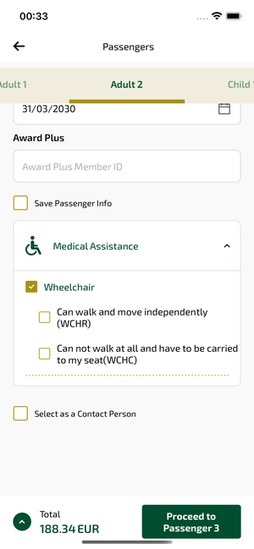
passengersDetailAdult2_ios | 31.03.2026 00:34 | IOS |  |  |  |  |  |  |  | 📸 passengersDetailAdult2_ios
Element ID | Page | Type | Label / Text | Value | Accessibility ID | Status | New Status
passengersDetailAdult2_ios_element_1 | Passengers | Other |  |  |  | ID Yok | ID Eklenecek (Waiting Dev)
passengersDetailAdult2_ios_element_2 | Passengers | Other | Log in |  |  | ID Yok | ID Eklenecek (Waiting Dev)
passengersDetailAdult2_ios_element_3 | Passengers | Other | Flight Schedule |  |  | ID Yok | ID Eklenecek (Waiting Dev)
passengersDetailAdult2_ios_element_4 | Passengers | Other | Flight Status |  |  | ID Yok | ID Eklenecek (Waiting Dev)
passengersDetailAdult2_ios_element_5 | Passengers | Other | Feedback |  |  | ID Yok | ID Eklenecek (Waiting Dev)
passengersDetailAdult2_ios_element_6 | Passengers | Other | Notifications |  |  | ID Yok | ID Eklenecek (Waiting Dev)
passengersDetailAdult2_ios_element_7 | Passengers | Other | Gift Card |  |  | ID Yok | ID Eklenecek (Waiting Dev)
passengersDetailAdult2_ios_element_8 | Passengers | Other | Settings |  |  | ID Yok | ID Eklenecek (Waiting Dev)
passengersDetailAdult2_ios_element_9 | Passengers | Other | Contact us |  |  | ID Yok | ID Eklenecek (Waiting Dev)
passengersDetailAdult2_ios_element_10 | Passengers | Other | Total , 188.34EUR |  |  | ID Yok | ID Eklenecek (Waiting Dev)
passengersDetailAdult2_ios_element_11 | Passengers | Other | Save Passenger Info |  |  | ID Yok | ID Eklenecek (Waiting Dev)
passengersDetailAdult2_ios_element_12 | Passengers | Other | Select as a Contact Person |  |  | ID Yok | ID Eklenecek (Waiting Dev)
passengersDetailAdult2_ios_element_13 | Passengers | Other | Adult 1 |  | pax_form_tab_bar_item | Duplicate | ID Eklenecek (Waiting Dev)
passengersDetailAdult2_ios_element_14 | Passengers | Other | Adult 2 |  | pax_form_tab_bar_item | Duplicate | ID Eklenecek (Waiting Dev)
passengersDetailAdult2_ios_element_15 | Passengers | Other | Child 1 |  | pax_form_tab_bar_item | Duplicate | ID Eklenecek (Waiting Dev)
passengersDetailAdult2_ios_element_16 | Passengers | Other | Infant 1 |  | pax_form_tab_bar_item | Duplicate | ID Eklenecek (Waiting Dev)
passengersDetailAdult2_ios_element_17 | Passengers | Other | Contact Person |  | pax_form_tab_bar_item | Duplicate | ID Eklenecek (Waiting Dev)
passengersDetailAdult2_ios_element_18 | Passengers | TextField | Ddf | Ddf | pax_form_text_field_givenName | ID Var
passengersDetailAdult2_ios_element_19 | Passengers | TextField | Fgt | Fgt | pax_form_text_field_surname | ID Var
passengersDetailAdult2_ios_element_20 | Passengers | TextField | p1 | p1 | pax_form_text_field_passportNumber | ID Var
passengersDetailAdult2_ios_element_21 | Passengers | TextField | Award Plus Member ID | Award Plus Member ID | pax_form_text_field_membershipId | ID Var
passengersDetailAdult2_ios_element_22 | Passengers | Other |  |  | pax_form_back_button | ID Var
passengersDetailAdult2_ios_element_23 | Passengers | Other | Proceed to Passenger 3 |  | pax_form_continue_button | ID Var
passengersDetailAdult2_ios_element_24 | Passengers | Other |  |  | pax_form_menu_card_title | ID Var
passengersDetailAdult2_ios_element_25 | Passengers | Other | Date of Birth* |  | pax_form_date_card_birthDate | ID Var
passengersDetailAdult2_ios_element_26 | Passengers | Other | Nationality* |  | pax_form_country_card_nationality | ID Var
passengersDetailAdult2_ios_element_27 | Passengers | Other | Passport Issue Country* |  | pax_form_country_card_docIssueCountry | ID Var
passengersDetailAdult2_ios_element_28 | Passengers | Other | Passport Expire Date* |  | pax_form_date_card_docExpireDate | ID Var
passengersDetailAdult2_ios_element_29 | Passengers | Other | Medical Assistance |  | pax_form_special_assistance | ID Var

passengersDetailChild_ios
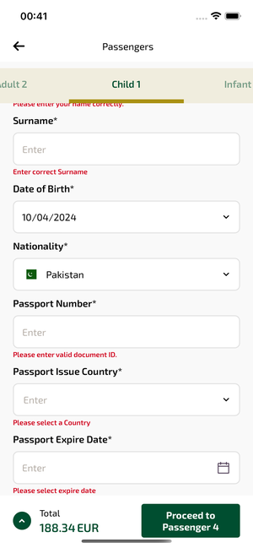
passengersDetailChild_ios | 31.03.2026 00:42 | IOS |  |  |  |  |  |  |  | 📸 passengersDetailChild_ios
Element ID | Page | Type | Label / Text | Value | Accessibility ID | Status | New Status
passengersDetailChild_ios_element_1 | Passengers | Other |  |  |  | ID Yok | ID Eklenecek (Waiting Dev)
passengersDetailChild_ios_element_2 | Passengers | Other | Log in |  |  | ID Yok | ID Eklenecek (Waiting Dev)
passengersDetailChild_ios_element_3 | Passengers | Other | Flight Schedule |  |  | ID Yok | ID Eklenecek (Waiting Dev)
passengersDetailChild_ios_element_4 | Passengers | Other | Flight Status |  |  | ID Yok | ID Eklenecek (Waiting Dev)
passengersDetailChild_ios_element_5 | Passengers | Other | Feedback |  |  | ID Yok | ID Eklenecek (Waiting Dev)
passengersDetailChild_ios_element_6 | Passengers | Other | Notifications |  |  | ID Yok | ID Eklenecek (Waiting Dev)
passengersDetailChild_ios_element_7 | Passengers | Other | Gift Card |  |  | ID Yok | ID Eklenecek (Waiting Dev)
passengersDetailChild_ios_element_8 | Passengers | Other | Settings |  |  | ID Yok | ID Eklenecek (Waiting Dev)
passengersDetailChild_ios_element_9 | Passengers | Other | Contact us |  |  | ID Yok | ID Eklenecek (Waiting Dev)
passengersDetailChild_ios_element_10 | Passengers | Other | Total , 188.34EUR |  |  | ID Yok | ID Eklenecek (Waiting Dev)
passengersDetailChild_ios_element_11 | Passengers | Other | Save Passenger Info |  |  | ID Yok | ID Eklenecek (Waiting Dev)
passengersDetailChild_ios_element_12 | Passengers | Other | Adult 1 |  | pax_form_tab_bar_item | Duplicate | ID Eklenecek (Waiting Dev)
passengersDetailChild_ios_element_13 | Passengers | Other | Adult 2 |  | pax_form_tab_bar_item | Duplicate | ID Eklenecek (Waiting Dev)
passengersDetailChild_ios_element_14 | Passengers | Other | Child 1 |  | pax_form_tab_bar_item | Duplicate | ID Eklenecek (Waiting Dev)
passengersDetailChild_ios_element_15 | Passengers | Other | Infant 1 |  | pax_form_tab_bar_item | Duplicate | ID Eklenecek (Waiting Dev)
passengersDetailChild_ios_element_16 | Passengers | Other | Contact Person |  | pax_form_tab_bar_item | Duplicate | ID Eklenecek (Waiting Dev)
passengersDetailChild_ios_element_17 | Passengers | TextField | Enter | Enter | pax_form_text_field_givenName | ID Var
passengersDetailChild_ios_element_18 | Passengers | TextField | Enter | Enter | pax_form_text_field_surname | ID Var
passengersDetailChild_ios_element_19 | Passengers | TextField | Enter | Enter | pax_form_text_field_passportNumber | ID Var
passengersDetailChild_ios_element_20 | Passengers | Other |  |  | pax_form_back_button | ID Var
passengersDetailChild_ios_element_21 | Passengers | Other | Proceed to Passenger 4 |  | pax_form_continue_button | ID Var
passengersDetailChild_ios_element_22 | Passengers | Other |  |  | pax_form_menu_card_title | ID Var
passengersDetailChild_ios_element_23 | Passengers | Other | Date of Birth* |  | pax_form_date_card_birthDate | ID Var
passengersDetailChild_ios_element_24 | Passengers | Other | Nationality* |  | pax_form_country_card_nationality | ID Var
passengersDetailChild_ios_element_25 | Passengers | Other | Passport Issue Country*, Enter, Please select a Country |  | pax_form_country_card_docIssueCountry | ID Var
passengersDetailChild_ios_element_26 | Passengers | Other | Passport Expire Date*, Enter, Please select expire date |  | pax_form_date_card_docExpireDate | ID Var
passengersDetailChild_ios_element_27 | Passengers | Other | Medical Assistance |  | pax_form_special_assistance | ID Var

passengersDetailInfnat_ios
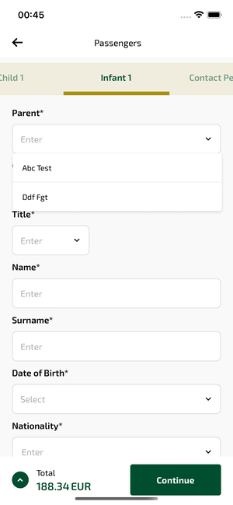
passengersDetailInfnat_ios | 31.03.2026 00:46 | IOS |  |  |  |  |  |  |  | 📸 passengersDetailInfnat_ios
Element ID | Page | Type | Label / Text | Value | Accessibility ID | Status | New Status
passengersDetailInfnat_ios_element_1 | Passengers | Other | Abc Test |  |  | ID Yok | ID Eklenecek (Waiting Dev)
passengersDetailInfnat_ios_element_2 | Passengers | Other | Ddf Fgt |  |  | ID Yok | ID Eklenecek (Waiting Dev)
passengersDetailInfnat_ios_element_3 | Passengers | Other |  |  |  | ID Yok | ID Eklenecek (Waiting Dev)
passengersDetailInfnat_ios_element_4 | Passengers | Other | Log in |  |  | ID Yok | ID Eklenecek (Waiting Dev)
passengersDetailInfnat_ios_element_5 | Passengers | Other | Flight Schedule |  |  | ID Yok | ID Eklenecek (Waiting Dev)
passengersDetailInfnat_ios_element_6 | Passengers | Other | Flight Status |  |  | ID Yok | ID Eklenecek (Waiting Dev)
passengersDetailInfnat_ios_element_7 | Passengers | Other | Feedback |  |  | ID Yok | ID Eklenecek (Waiting Dev)
passengersDetailInfnat_ios_element_8 | Passengers | Other | Notifications |  |  | ID Yok | ID Eklenecek (Waiting Dev)
passengersDetailInfnat_ios_element_9 | Passengers | Other | Gift Card |  |  | ID Yok | ID Eklenecek (Waiting Dev)
passengersDetailInfnat_ios_element_10 | Passengers | Other | Settings |  |  | ID Yok | ID Eklenecek (Waiting Dev)
passengersDetailInfnat_ios_element_11 | Passengers | Other | Contact us |  |  | ID Yok | ID Eklenecek (Waiting Dev)
passengersDetailInfnat_ios_element_12 | Passengers | Other | Total , 188.34EUR |  |  | ID Yok | ID Eklenecek (Waiting Dev)
passengersDetailInfnat_ios_element_13 | Passengers | Other | Adult 1 |  | pax_form_tab_bar_item | Duplicate | ID Eklenecek (Waiting Dev)
passengersDetailInfnat_ios_element_14 | Passengers | Other | Adult 2 |  | pax_form_tab_bar_item | Duplicate | ID Eklenecek (Waiting Dev)
passengersDetailInfnat_ios_element_15 | Passengers | Other | Child 1 |  | pax_form_tab_bar_item | Duplicate | ID Eklenecek (Waiting Dev)
passengersDetailInfnat_ios_element_16 | Passengers | Other | Infant 1 |  | pax_form_tab_bar_item | Duplicate | ID Eklenecek (Waiting Dev)
passengersDetailInfnat_ios_element_17 | Passengers | Other | Contact Person |  | pax_form_tab_bar_item | Duplicate | ID Eklenecek (Waiting Dev)
passengersDetailInfnat_ios_element_18 | Passengers | TextField | Enter | Enter | pax_form_text_field_givenName | ID Var
passengersDetailInfnat_ios_element_19 | Passengers | TextField | Enter | Enter | pax_form_text_field_surname | ID Var
passengersDetailInfnat_ios_element_20 | Passengers | Other |  |  | pax_form_back_button | ID Var
passengersDetailInfnat_ios_element_21 | Passengers | Other | Continue |  | pax_form_continue_button | ID Var
passengersDetailInfnat_ios_element_22 | Passengers | Other | Enter |  | pax_form_menu_card_parentId | ID Var
passengersDetailInfnat_ios_element_23 | Passengers | Other | Enter |  | pax_form_menu_card_title | ID Var
passengersDetailInfnat_ios_element_24 | Passengers | Other | Date of Birth*, Select |  | pax_form_date_card_birthDate | ID Var
passengersDetailInfnat_ios_element_25 | Passengers | Other | Nationality*, Enter |  | pax_form_country_card_nationality | ID Var

contactPerson_ios
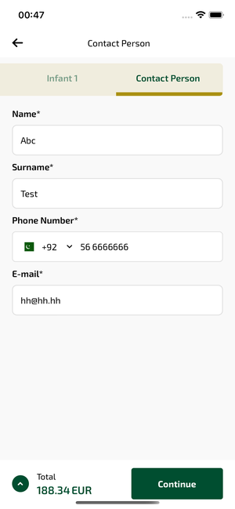
contactPerson_ios | 31.03.2026 00:48 | IOS |  |  |  |  |  |  |  | 📸 contactPerson_ios
Element ID | Page | Type | Label / Text | Value | Accessibility ID | Status | New Status
contactPerson_ios_element_1 | Contact Person | Other |  |  |  | ID Yok | ID Eklenecek (Waiting Dev)
contactPerson_ios_element_2 | Contact Person | Other | Log in |  |  | ID Yok | ID Eklenecek (Waiting Dev)
contactPerson_ios_element_3 | Contact Person | Other | Flight Schedule |  |  | ID Yok | ID Eklenecek (Waiting Dev)
contactPerson_ios_element_4 | Contact Person | Other | Flight Status |  |  | ID Yok | ID Eklenecek (Waiting Dev)
contactPerson_ios_element_5 | Contact Person | Other | Feedback |  |  | ID Yok | ID Eklenecek (Waiting Dev)
contactPerson_ios_element_6 | Contact Person | Other | Notifications |  |  | ID Yok | ID Eklenecek (Waiting Dev)
contactPerson_ios_element_7 | Contact Person | Other | Gift Card |  |  | ID Yok | ID Eklenecek (Waiting Dev)
contactPerson_ios_element_8 | Contact Person | Other | Settings |  |  | ID Yok | ID Eklenecek (Waiting Dev)
contactPerson_ios_element_9 | Contact Person | Other | Contact us |  |  | ID Yok | ID Eklenecek (Waiting Dev)
contactPerson_ios_element_10 | Contact Person | Other | Total , 188.34EUR |  |  | ID Yok | ID Eklenecek (Waiting Dev)
contactPerson_ios_element_11 | Contact Person | Other | Adult 1 |  | pax_form_tab_bar_item | Duplicate | ID Eklenecek (Waiting Dev)
contactPerson_ios_element_12 | Contact Person | Other | Adult 2 |  | pax_form_tab_bar_item | Duplicate | ID Eklenecek (Waiting Dev)
contactPerson_ios_element_13 | Contact Person | Other | Child 1 |  | pax_form_tab_bar_item | Duplicate | ID Eklenecek (Waiting Dev)
contactPerson_ios_element_14 | Contact Person | Other | Infant 1 |  | pax_form_tab_bar_item | Duplicate | ID Eklenecek (Waiting Dev)
contactPerson_ios_element_15 | Contact Person | Other | Contact Person |  | pax_form_tab_bar_item | Duplicate | ID Eklenecek (Waiting Dev)
contactPerson_ios_element_16 | Contact Person | TextField | Abc | Abc | pax_form_text_field_givenName | ID Var
contactPerson_ios_element_17 | Contact Person | TextField | Test | Test | pax_form_text_field_surname | ID Var
contactPerson_ios_element_18 | Contact Person | TextField | hh@hh.hh | hh@hh.hh | pax_form_text_field_email | ID Var
contactPerson_ios_element_19 | Contact Person | Other |  |  | pax_form_back_button | ID Var
contactPerson_ios_element_20 | Contact Person | Other | Continue |  | pax_form_continue_button | ID Var
contactPerson_ios_element_21 | Contact Person | Other |  |  | pax_form_phone_dial_code_phoneNumber | ID Var

seatMap_ios
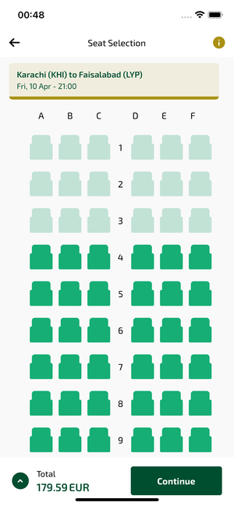
seatMap_ios | 31.03.2026 00:49 | IOS |  |  |  |  |  |  |  | 📸 seatMap_ios
Element ID | Page | Type | Label / Text | Value | Accessibility ID | Status | New Status
seatMap_ios_element_1 | Seat Selection | Other |  |  |  | ID Yok | ID Eklenecek (Waiting Dev)
seatMap_ios_element_2 | Seat Selection | Other | Log in |  |  | ID Yok | ID Eklenecek (Waiting Dev)
seatMap_ios_element_3 | Seat Selection | Other | Flight Schedule |  |  | ID Yok | ID Eklenecek (Waiting Dev)
seatMap_ios_element_4 | Seat Selection | Other | Flight Status |  |  | ID Yok | ID Eklenecek (Waiting Dev)
seatMap_ios_element_5 | Seat Selection | Other | Feedback |  |  | ID Yok | ID Eklenecek (Waiting Dev)
seatMap_ios_element_6 | Seat Selection | Other | Notifications |  |  | ID Yok | ID Eklenecek (Waiting Dev)
seatMap_ios_element_7 | Seat Selection | Other | Gift Card |  |  | ID Yok | ID Eklenecek (Waiting Dev)
seatMap_ios_element_8 | Seat Selection | Other | Settings |  |  | ID Yok | ID Eklenecek (Waiting Dev)
seatMap_ios_element_9 | Seat Selection | Other | Contact us |  |  | ID Yok | ID Eklenecek (Waiting Dev)
seatMap_ios_element_10 | Seat Selection | Other |  |  |  | ID Yok | ID Eklenecek (Waiting Dev)
seatMap_ios_element_11 | Seat Selection | Other | Total , 179.59EUR |  |  | ID Yok | ID Eklenecek (Waiting Dev)
seatMap_ios_element_12 | Seat Selection | Other | Karachi (KHI) to Faisalabad (LYP), Fri, 10 Apr - 21:00 |  |  | ID Yok | ID Eklenecek (Waiting Dev)
seatMap_ios_element_13 | Seat Selection | Other |  |  | seat_selection_back_button | ID Var
seatMap_ios_element_14 | Seat Selection | Other | Continue |  | seat_selection_continue_button | ID Var

seatSelect_ios
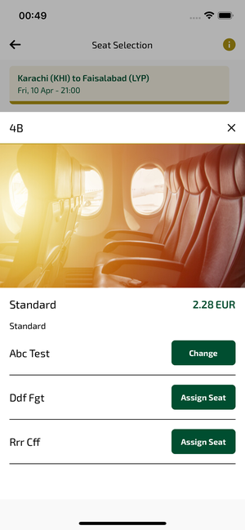
seatSelect_ios | 31.03.2026 00:50 | IOS |  |  |  |  |  |  |  | 📸 seatSelect_ios
Element ID | Page | Type | Label / Text | Value | Accessibility ID | Status | New Status
seatSelect_ios_element_1 | Seat Selection | Other | Bottom Sheet |  |  | ID Yok | ID Eklenecek (Waiting Dev)
seatSelect_ios_element_2 | Seat Selection | Other | 4B |  |  | ID Yok | ID Eklenecek (Waiting Dev)
seatSelect_ios_element_3 | Seat Selection | Other |  |  |  | ID Yok | ID Eklenecek (Waiting Dev)
seatSelect_ios_element_4 | Seat Selection | Other | Log in |  |  | ID Yok | ID Eklenecek (Waiting Dev)
seatSelect_ios_element_5 | Seat Selection | Other | Flight Schedule |  |  | ID Yok | ID Eklenecek (Waiting Dev)
seatSelect_ios_element_6 | Seat Selection | Other | Flight Status |  |  | ID Yok | ID Eklenecek (Waiting Dev)
seatSelect_ios_element_7 | Seat Selection | Other | Feedback |  |  | ID Yok | ID Eklenecek (Waiting Dev)
seatSelect_ios_element_8 | Seat Selection | Other | Notifications |  |  | ID Yok | ID Eklenecek (Waiting Dev)
seatSelect_ios_element_9 | Seat Selection | Other | Gift Card |  |  | ID Yok | ID Eklenecek (Waiting Dev)
seatSelect_ios_element_10 | Seat Selection | Other | Settings |  |  | ID Yok | ID Eklenecek (Waiting Dev)
seatSelect_ios_element_11 | Seat Selection | Other | Contact us |  |  | ID Yok | ID Eklenecek (Waiting Dev)
seatSelect_ios_element_12 | Seat Selection | Other |  |  |  | ID Yok | ID Eklenecek (Waiting Dev)
seatSelect_ios_element_13 | Seat Selection | Other | Total , 181.87EUR |  |  | ID Yok | ID Eklenecek (Waiting Dev)
seatSelect_ios_element_14 | Seat Selection | Other | Karachi (KHI) to Faisalabad (LYP), Fri, 10 Apr - 21:00 |  |  | ID Yok | ID Eklenecek (Waiting Dev)
seatSelect_ios_element_15 | Seat Selection | Other | Change |  | seat_selection_seat_change_button_abc_test | ID Var
seatSelect_ios_element_16 | Seat Selection | Other | Assign Seat |  | seat_selection_seat_assign_button_ddf_fgt | ID Var
seatSelect_ios_element_17 | Seat Selection | Other | Assign Seat |  | seat_selection_seat_assign_button_rrr_cff | ID Var
seatSelect_ios_element_18 | Seat Selection | Other |  |  | seat_selection_back_button | ID Var
seatSelect_ios_element_19 | Seat Selection | Other | Continue |  | seat_selection_continue_button | ID Var

xbagSelect_ios
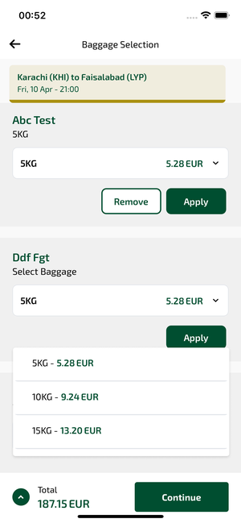
xbagSelect_ios | 31.03.2026 00:52 | IOS |  |  |  |  |  |  |  | 📸 xbagSelect_ios
Element ID | Page | Type | Label / Text | Value | Accessibility ID | Status | New Status
xbagSelect_ios_element_1 | Baggage Selection | Other |  |  |  | ID Yok | ID Eklenecek (Waiting Dev)
xbagSelect_ios_element_2 | Baggage Selection | Other |  |  |  | ID Yok | ID Eklenecek (Waiting Dev)
xbagSelect_ios_element_3 | Baggage Selection | Other |  |  |  | ID Yok | ID Eklenecek (Waiting Dev)
xbagSelect_ios_element_4 | Baggage Selection | Other |  |  |  | ID Yok | ID Eklenecek (Waiting Dev)
xbagSelect_ios_element_5 | Baggage Selection | Other |  |  |  | ID Yok | ID Eklenecek (Waiting Dev)
xbagSelect_ios_element_6 | Baggage Selection | Other |  |  |  | ID Yok | ID Eklenecek (Waiting Dev)
xbagSelect_ios_element_7 | Baggage Selection | Other |  |  |  | ID Yok | ID Eklenecek (Waiting Dev)
xbagSelect_ios_element_8 | Baggage Selection | Other | Log in |  |  | ID Yok | ID Eklenecek (Waiting Dev)
xbagSelect_ios_element_9 | Baggage Selection | Other | Flight Schedule |  |  | ID Yok | ID Eklenecek (Waiting Dev)
xbagSelect_ios_element_10 | Baggage Selection | Other | Flight Status |  |  | ID Yok | ID Eklenecek (Waiting Dev)
xbagSelect_ios_element_11 | Baggage Selection | Other | Feedback |  |  | ID Yok | ID Eklenecek (Waiting Dev)
xbagSelect_ios_element_12 | Baggage Selection | Other | Notifications |  |  | ID Yok | ID Eklenecek (Waiting Dev)
xbagSelect_ios_element_13 | Baggage Selection | Other | Gift Card |  |  | ID Yok | ID Eklenecek (Waiting Dev)
xbagSelect_ios_element_14 | Baggage Selection | Other | Settings |  |  | ID Yok | ID Eklenecek (Waiting Dev)
xbagSelect_ios_element_15 | Baggage Selection | Other | Contact us |  |  | ID Yok | ID Eklenecek (Waiting Dev)
xbagSelect_ios_element_16 | Baggage Selection | Other | Total , 187.15EUR |  |  | ID Yok | ID Eklenecek (Waiting Dev)
xbagSelect_ios_element_17 | Baggage Selection | Other | Karachi (KHI) to Faisalabad (LYP), Fri, 10 Apr - 21:00 |  |  | ID Yok | ID Eklenecek (Waiting Dev)
xbagSelect_ios_element_18 | Baggage Selection | Other |  |  | bag_selection_back_button | ID Var
xbagSelect_ios_element_19 | Baggage Selection | Other | Continue |  | bag_selection_continue_button | ID Var

ssrList_ios
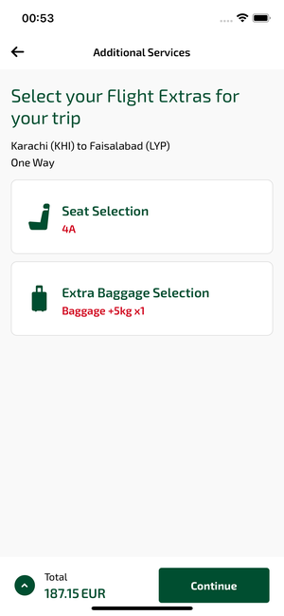
ssrList_ios | 31.03.2026 00:54 | IOS |  |  |  |  |  |  |  | 📸 ssrList_ios
Element ID | Page | Type | Label / Text | Value | Accessibility ID | Status | New Status
ssrList_ios_element_1 | Additional Services | Other |  |  |  | ID Yok | ID Eklenecek (Waiting Dev)
ssrList_ios_element_2 | Additional Services | Other | Log in |  |  | ID Yok | ID Eklenecek (Waiting Dev)
ssrList_ios_element_3 | Additional Services | Other | Flight Schedule |  |  | ID Yok | ID Eklenecek (Waiting Dev)
ssrList_ios_element_4 | Additional Services | Other | Flight Status |  |  | ID Yok | ID Eklenecek (Waiting Dev)
ssrList_ios_element_5 | Additional Services | Other | Feedback |  |  | ID Yok | ID Eklenecek (Waiting Dev)
ssrList_ios_element_6 | Additional Services | Other | Notifications |  |  | ID Yok | ID Eklenecek (Waiting Dev)
ssrList_ios_element_7 | Additional Services | Other | Gift Card |  |  | ID Yok | ID Eklenecek (Waiting Dev)
ssrList_ios_element_8 | Additional Services | Other | Settings |  |  | ID Yok | ID Eklenecek (Waiting Dev)
ssrList_ios_element_9 | Additional Services | Other | Contact us |  |  | ID Yok | ID Eklenecek (Waiting Dev)
ssrList_ios_element_10 | Additional Services | Other | Total , 187.15EUR |  |  | ID Yok | ID Eklenecek (Waiting Dev)
ssrList_ios_element_11 | Additional Services | Other |  |  | ssr_navigator_back_button | ID Var
ssrList_ios_element_12 | Additional Services | Other | Continue |  | ssr_navigator_continue_button | ID Var
ssrList_ios_element_13 | Additional Services | Other | Seat Selection, 4A |  | ssr_navigator_ssr_item_SEAT | ID Var
ssrList_ios_element_14 | Additional Services | Other | Extra Baggage Selection, Baggage +5kg x1 |  | ssr_navigator_ssr_item_BAG | ID Var

bookingSummary_ios
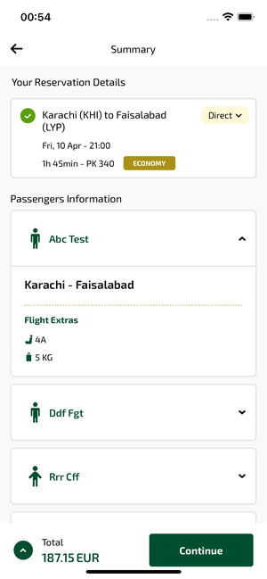
bookingSummary_ios | 31.03.2026 00:54 | IOS |  |  |  |  |  |  |  | 📸 bookingSummary_ios
Element ID | Page | Type | Label / Text | Value | Accessibility ID | Status | New Status
bookingSummary_ios_element_1 | Summary | TextField | Enter | Enter |  | ID Yok | ID Eklenecek (Waiting Dev)
bookingSummary_ios_element_2 | Summary | Other |  |  |  | ID Yok | ID Eklenecek (Waiting Dev)
bookingSummary_ios_element_3 | Summary | Other | Log in |  |  | ID Yok | ID Eklenecek (Waiting Dev)
bookingSummary_ios_element_4 | Summary | Other | Flight Schedule |  |  | ID Yok | ID Eklenecek (Waiting Dev)
bookingSummary_ios_element_5 | Summary | Other | Flight Status |  |  | ID Yok | ID Eklenecek (Waiting Dev)
bookingSummary_ios_element_6 | Summary | Other | Feedback |  |  | ID Yok | ID Eklenecek (Waiting Dev)
bookingSummary_ios_element_7 | Summary | Other | Notifications |  |  | ID Yok | ID Eklenecek (Waiting Dev)
bookingSummary_ios_element_8 | Summary | Other | Gift Card |  |  | ID Yok | ID Eklenecek (Waiting Dev)
bookingSummary_ios_element_9 | Summary | Other | Settings |  |  | ID Yok | ID Eklenecek (Waiting Dev)
bookingSummary_ios_element_10 | Summary | Other | Contact us |  |  | ID Yok | ID Eklenecek (Waiting Dev)
bookingSummary_ios_element_11 | Summary | Other | Total , 187.15EUR |  |  | ID Yok | ID Eklenecek (Waiting Dev)
bookingSummary_ios_element_12 | Summary | Other | Karachi (KHI) to Faisalabad (LYP), Fri, 10 Apr - 21:00, 1h 45min - PK 340, ECONOMY, Direct |  |  | ID Yok | ID Eklenecek (Waiting Dev)
bookingSummary_ios_element_13 | Summary | Other | Abc Test, Karachi - , Faisalabad, Flight Extras, 4A, 5 KG |  |  | ID Yok | ID Eklenecek (Waiting Dev)
bookingSummary_ios_element_14 | Summary | Other | Ddf Fgt |  |  | ID Yok | ID Eklenecek (Waiting Dev)
bookingSummary_ios_element_15 | Summary | Other | Rrr Cff |  |  | ID Yok | ID Eklenecek (Waiting Dev)
bookingSummary_ios_element_16 | Summary | Other | Ggg Fff |  |  | ID Yok | ID Eklenecek (Waiting Dev)
bookingSummary_ios_element_17 | Summary | Other | Pay Later |  |  | ID Yok | ID Eklenecek (Waiting Dev)
bookingSummary_ios_element_18 | Summary | Other | 2603VOUCH |  |  | ID Yok | ID Eklenecek (Waiting Dev)
bookingSummary_ios_element_19 | Summary | Other | Apply |  |  | ID Yok | ID Eklenecek (Waiting Dev)
bookingSummary_ios_element_20 | Summary | Other |  |  | book_summary_back_button | ID Var
bookingSummary_ios_element_21 | Summary | Other | Continue |  | book_summary_continue_button | ID Var

bookingSuccess_ios
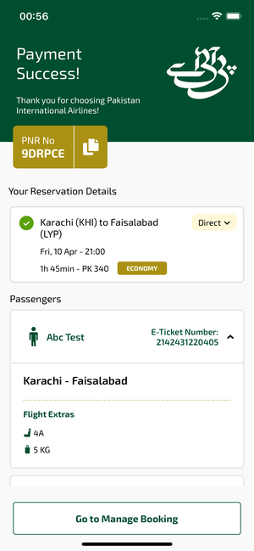
bookingSuccess_ios | 31.03.2026 00:56 | IOS |  |  |  |  |  |  |  | 📸 bookingSuccess_ios
Element ID | Page | Type | Label / Text | Value | Accessibility ID | Status | New Status
bookingSuccess_ios_element_1 | Payment Success! | Other |  |  |  | ID Yok | ID Eklenecek (Waiting Dev)
bookingSuccess_ios_element_2 | Payment Success! | Other | Log in |  |  | ID Yok | ID Eklenecek (Waiting Dev)
bookingSuccess_ios_element_3 | Payment Success! | Other | Flight Schedule |  |  | ID Yok | ID Eklenecek (Waiting Dev)
bookingSuccess_ios_element_4 | Payment Success! | Other | Flight Status |  |  | ID Yok | ID Eklenecek (Waiting Dev)
bookingSuccess_ios_element_5 | Payment Success! | Other | Feedback |  |  | ID Yok | ID Eklenecek (Waiting Dev)
bookingSuccess_ios_element_6 | Payment Success! | Other | Notifications |  |  | ID Yok | ID Eklenecek (Waiting Dev)
bookingSuccess_ios_element_7 | Payment Success! | Other | Gift Card |  |  | ID Yok | ID Eklenecek (Waiting Dev)
bookingSuccess_ios_element_8 | Payment Success! | Other | Settings |  |  | ID Yok | ID Eklenecek (Waiting Dev)
bookingSuccess_ios_element_9 | Payment Success! | Other | Contact us |  |  | ID Yok | ID Eklenecek (Waiting Dev)
bookingSuccess_ios_element_10 | Payment Success! | Other | PNR No, 9DRPCE |  |  | ID Yok | ID Eklenecek (Waiting Dev)
bookingSuccess_ios_element_11 | Payment Success! | Other | Karachi (KHI) to Faisalabad (LYP), Fri, 10 Apr - 21:00, 1h 45min - PK 340, ECONOMY, Direct |  |  | ID Yok | ID Eklenecek (Waiting Dev)
bookingSuccess_ios_element_12 | Payment Success! | Other | Abc Test, E-Ticket Number:, 2142431220405, Karachi - , Faisalabad, Flight Extras, 4A, 5 KG |  |  | ID Yok | ID Eklenecek (Waiting Dev)
bookingSuccess_ios_element_13 | Payment Success! | Other | Ddf Fgt, E-Ticket Number:, 2142431220406 |  |  | ID Yok | ID Eklenecek (Waiting Dev)
bookingSuccess_ios_element_14 | Payment Success! | Other | Rrr Cff, E-Ticket Number:, 2142431220407 |  |  | ID Yok | ID Eklenecek (Waiting Dev)
bookingSuccess_ios_element_15 | Payment Success! | Other | Ggg Fff, E-Ticket Number:, 2142431220408 |  |  | ID Yok | ID Eklenecek (Waiting Dev)
bookingSuccess_ios_element_16 | Payment Success! | Other | Go to Manage Booking |  | payment_success_mbk_button | ID Var

