Sheet1
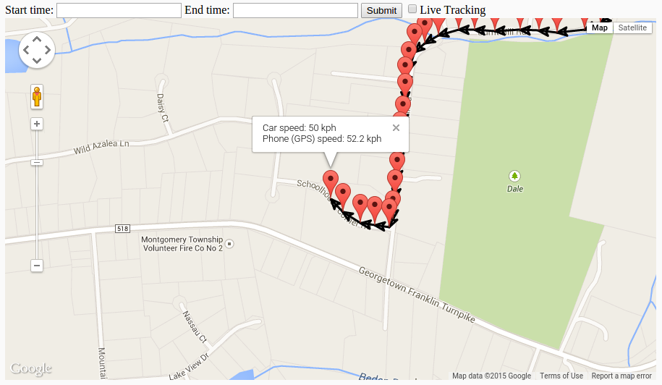
GPS Time | Car speed, kph | GPS speed, m/s | GPS speed, kph | GPS accuracy | del speed, kph | del speed avg | del speed stdev | min del speed | max del speed | sample size
1407200640949 | 53 | 23.5 | 84.6 | 18 | 31.6 | 3.526785443 | 4.570189235 | 0.1 | 31.6 | 58
1407200643922 | 53 | 16 | 57.6 | 10 | 4.6
1407200647924 | 54 | 15.75 | 56.7 | 7 | 2.7
Speed Difference vs. Accuracy
1407200650923 | 55 | 15.75 | 56.7 | 10 | 1.7
1407200654933 | 56 | 16 | 57.6 | 8 | 1.6
1407200657932 | 58 | 16.25 | 58.5 | 8 | 0.5
1407200660927 | 60 | 16.75 | 60.3 | 7 | 0.3
1407200664933 | 62 | 17.75 | 63.9 | 7 | 1.9
1407200670930 | 61 | 16.5 | 59.4 | 5 | 1.6
1407200671938 | 53 | 15.5 | 55.8 | 5 | 2.8
1407200674934 | 34 | 11.25 | 40.5 | 5 | 6.5
1407200677927 | 8 | 4.75 | 17.1 | 5 | 9.1
1407200681925 | 20 | 3.75 | 13.5 | 6 | 6.5
1407200684927 | 36 | 6.5 | 23.4 | 8 | 12.6
1407200688935 | 47 | 12.5 | 45 | 6 | 2
1407200691934 | 56 | 14.5 | 52.2 | 8 | 3.8
1407200694945 | 59 | 15.75 | 56.7 | 10 | 2.3
1407200698943 | 60 | 17 | 61.2 | 5 | 1.2
1407200701919 | 60 | 17.25 | 62.1 | 7 | 2.1
1407200705923 | 60 | 17.25 | 62.1 | 6 | 2.1
1407200708934 | 64 | 17.75 | 63.9 | 8 | 0.1
1407200711927 | 66 | 18.5 | 66.6 | 7 | 0.6
1407200715926 | 68 | 19.5 | 70.2 | 8 | 2.2
1407200718920 | 70 | 20.5 | 73.8 | 6 | 3.8
Speed Difference vs. Car Speed
1407200721916 | 71 | 20.5 | 73.8 | 6 | 2.8
1407200725933 | 72 | 20.5 | 73.8 | 6 | 1.8
1407200728935 | 72 | 20.75 | 74.7 | 8 | 2.7
1407200731919 | 71 | 20.5 | 73.8 | 9 | 2.8
1407200735950 | 68 | 19.75 | 71.1 | 9 | 3.1
1407200738939 | 63 | 18.25 | 65.7 | 8 | 2.7
1407200741930 | 58 | 17.5 | 63 | 9 | 5
1407200744927 | 49 | 16 | 57.6 | 11 | 8.6
1407200748938 | 43 | 13.25 | 47.7 | 14 | 4.7
1407200751923 | 50 | 12.25 | 44.1 | 12 | 5.9
1407200754922 | 55 | 13.75 | 49.5 | 10 | 5.5
1407200758959 | 58 | 16.25769043 | 58.52768555 | 10 | 0.5276855469
1407200761936 | 57 | 15.75 | 56.7 | 9 | 0.3
1407200764927 | 57 | 14.75 | 53.1 | 9 | 3.9
1407200768960 | 58 | 15.25 | 54.9 | 10 | 3.1
1407200771939 | 53 | 15.25 | 54.9 | 8 | 1.9
1407200774919 | 40 | 13 | 46.8 | 9 | 6.8
1407200778922 | 44 | 12 | 43.2 | 9 | 0.8
1407200781936 | 48 | 13.25 | 47.7 | 7 | 0.3
1407200784951 | 38 | 12.25 | 44.1 | 8 | 6.1
1407200788942 | 42 | 11.25 | 40.5 | 11 | 1.5
1407200791965 | 43 | 12.25 | 44.1 | 8 | 1.1
Speed Difference vs. Time
1407200794926 | 48 | 13.25 | 47.7 | 8 | 0.3
1407200798934 | 50 | 14.25 | 51.3 | 6 | 1.3
1407200801956 | 49 | 14 | 50.4 | 7 | 1.4
1407200805938 | 49 | 13.75 | 49.5 | 8 | 0.5
1407200808919 | 52 | 15.008331299 | 54.02999268 | 8 | 2.029992676
1407200811930 | 52 | 15 | 54 | 7 | 2
1407200815934 | 35 | 12.25 | 44.1 | 6 | 9.1
1407200818934 | 22 | 7.75 | 27.9 | 7 | 5.9
1407200822920 | 37 | 10.443299294 | 37.59587746 | 5 | 0.5958774567
1407200825917 | 46 | 13.25 | 47.7 | 4 | 1.7
1407200829933 | 49 | 14 | 50.4 | 4 | 1.4
1407200832933 | 50 | 14.5 | 52.2 | 5 | 2.2
avg | 52.10344828 |  | 53.88885441 |  | 3.526785443
med | 53 |  | 54.9 |  | 2.15
std | 12.78525694 |  | 13.61093444 |  | 4.570189235

