README
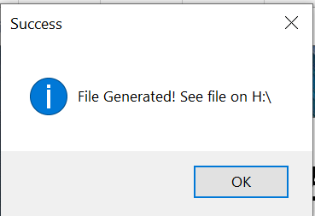
How to run QAB Tool

1. On Startup, Import Data Dialog box will be prompted.
Note: Always choose the Clear Data button first, so that there will be no data left from last import


2. After selecting Clear Data button, a pop-up dialog box will appear. Click Import Data button. A File Dialog Box will open that lets you choose which report to Import.
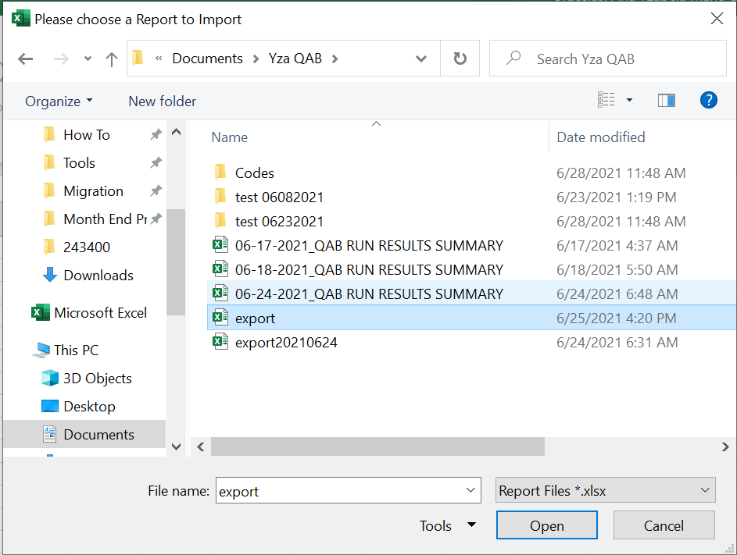
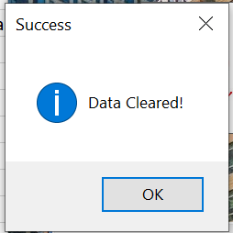

3. After importing the report.

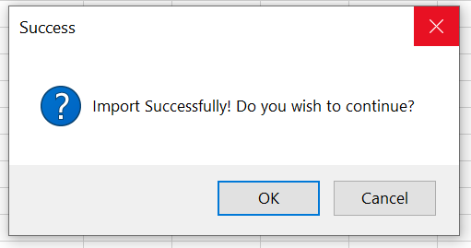

4. After clicking OK button, this will prompt you to Bill Test Tool Dialog Box. Click Generate File button
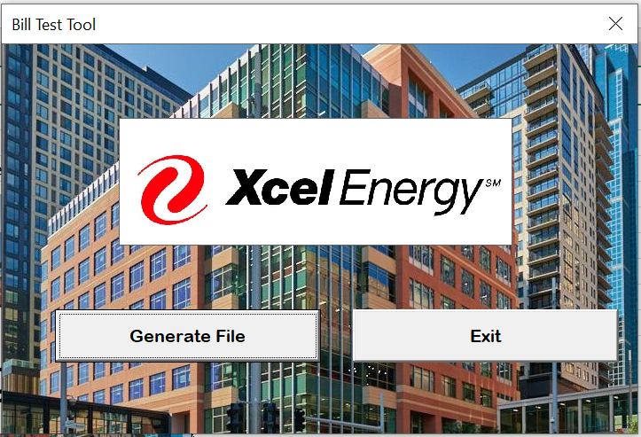

5. QAB Run Results Summary is now being generated. Look for the indicator at the bottom of the spreadsheet.

6. A pop-up dialog box will appear. Click Ok and then Exit.

