Sheet1
图片 | 款号 | 工厂货号 或1688供应商货号 | 品名 | 产品链接 或图片下载链接 | 面料成分 | 颜色 | 尺码范围 | 美元价格 (数量区间根据不同产品自行调整） |  |  | 工厂采购价格(数量区间根据不同产品自行调整） |  |  | 产品说明
 |  |  |  |  |  |  |  | 2-9件 | 10-19件 | 20+ | 2-9件 | 10-19件 | 20+
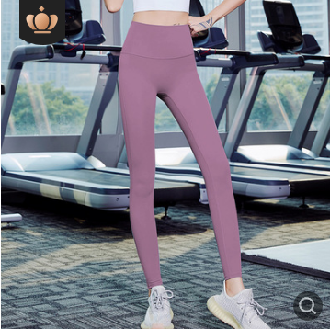 | JX01 | CK8304 | sueded fabric yoga pants | https://detail.1688.com/offer/609504197317.html?spm=a2615.7691456.autotrace-offerGeneral.4.6b453a59dXrqBI |  | black,blue,grey,purple grey,purple | XS -- XXXL | $7.27 | $6.80 | $6.34 | ￥xx | ￥xx | ￥xx | Super stretchy, Breathable, QUICK DRY, Lightweight，Yoga, Jogging, Workout, Fitness，sueded fabric,firm butt
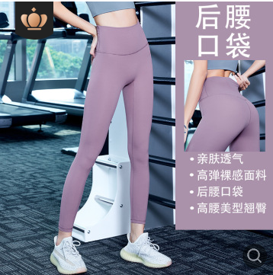 | JX02 | CK8253 | Yoga Leggings | https://detail.1688.com/offer/599414026804.html?spm=a2615.7691456.autotrace-offerGeneral.10.688b3a59f2pqED |  | Black，blue | XS -- XXXL | $6.56 | $6.33 | $6.09 | ￥xx | ￥xx | ￥xx | Super stretchy, Breathable, QUICK DRY, Lightweight，Yoga, Jogging, Workout, Fitness

