Rough Notes
System | Observe | Orient | Decide | Act

Crewmember #1 | Physical location | Assess viability of mission | Follow path | 1. Drive LTV
 | Health status (SE) |  | Conduct science experiment | 2. Transport cargo | RQ 1 Structural
 |  |  | Proceed or abort mission |  | CHANGE # CREW MEMBERS from 2 to 3
 |  |  |  |  | LTV AUTONOMY LEVEL CONFIGURATIONS
 |  |  |  |  | LTV AUTONOMY AUTHORITY SWAP
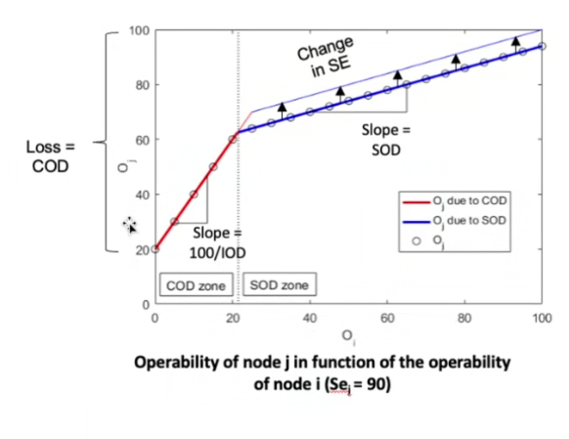
Crewmember #2 | Physical location | Assess viability of mission | Follow path | Deploy science equipment
 | Health status (SE) |  | Conduct science experiment | Transport cargo | RQ 2 Tuning
 |  |  | Proceed or abort mission |  | At higher autonomy levels
LTV | Physical location Vehicle health | Route planning |  | Transport crew members and science equipment | Fine-Tune autonomy parameters at higher levels
 |  |  |  | Crew life support
HLS | Receive crew health data | Transmit data to Ground Control |  | Crew support and safety
 | Monitor system health | Transmit data to crew
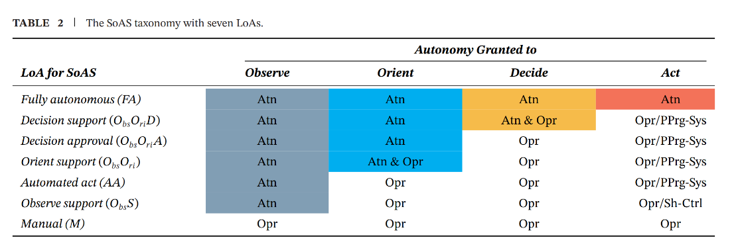
Ground Control | Crew health | Mission coordination | Mission guidance | Support crew transport to/from Moon
 | System status | Navigation | Emergency protocols
 | Location
 | Debris management
Science Equipment |  |  |  | Sample collection

