Sheet1
图片 | 链接 | 价格 | AI中文标题 | AI英文标题 | AI中文详情 | AI英文详情
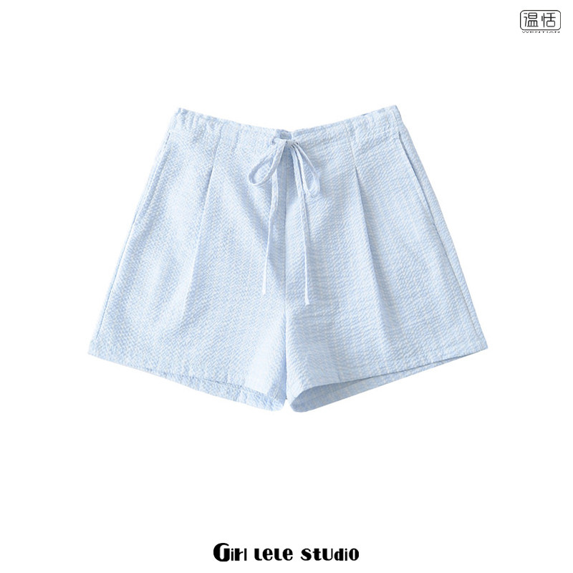 | https://item.taobao.com/item.htm?id=923559749412&pisk=gqzT1I0ot9XMWKQCeFjhi4VCHo535MVwORPWoxDMcJeLGRMincMfRWG-wxTshSGjkJwc_AVfQ-Uxd-5wo1zgHmNipftXfxgIObGkfFNbojax7yqMoAXZkSwokTXlraVa_VufETYzVT4r7jLs1E9mOWGxkfGKASNL_qufHBYfqaFaI9bMpIGjO6hmgx9_hAgIAvlm1nwjCD9Igjujh-wjAvGrGFTX5mNQOvltGFGs1w9IafLj1mwbO6hxdxgjf-NC9jkIhbdPHvOsnEEdAzf_n3pcRwaK6cHvovLYOz8o7YZodE67KfprF5MplEM5mBxQ95X9zW0ao8huIwTTe7zUpXw5k934LowjMJ_ynVruQzoLIg689VDtRPZJGENKWAwb5D9OpYaaOzuIxa18Oyyg_yFDGZG3EvNa5qQ5aV3sC2hUo98sHkZbScu2CTmaGkeK64sPaz486gvoejx196K20cGEnxOWgGIZc5GKE1Qv0noFTXHl96K20cGE9YfOBn-qY65..&spm=a1z10.5-c-s.w4002-13439634375.51.5ac77eeexOY5E4&skuId=5968673619810
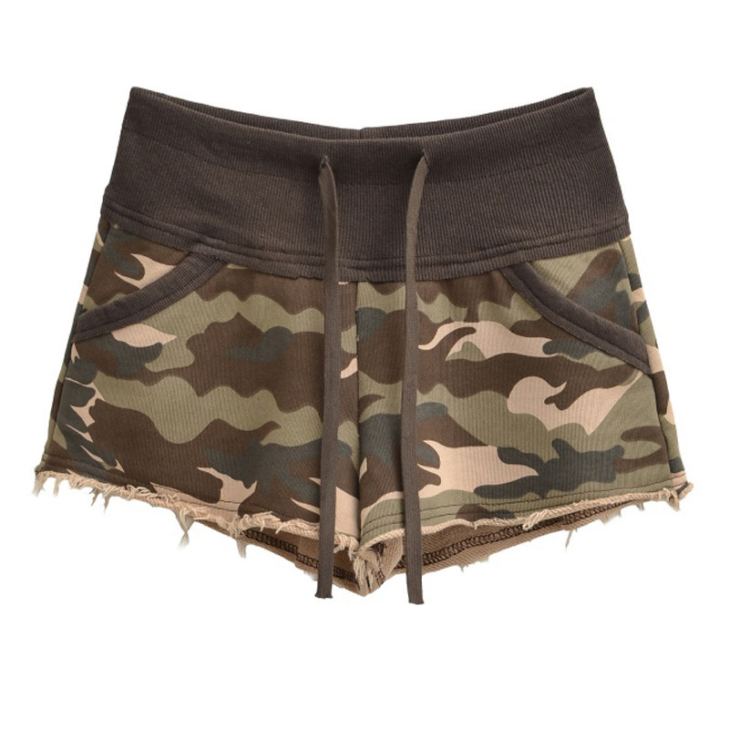 | https://item.taobao.com/item.htm?id=1015900314147&pisk=gDjT6AxkKWVMikqQwc43n3XQMZyh5yXZd1WSmIAil6Cdh1OMiFObA99JeIi6Gt9XD610QCXb_sIvOsyZmRSGME6M9dgj5ItBdL9o5c6fmKsvbMbimCVwDt1kD7VuquXNQh-bZ7mPP7jybKnslnGmAH9WDd9pRt6dQn-bMvmbruBNsWqG4l9XdJpD3IG1GCtBRBJDhd1X1eGB3K-XGs1XRB9yhcijfE6CdBJvGd9s596BhKnXCIi_p9OennOfGFwddBJXcIG-ZSdICImAJysuCsVuqkrFvdL9MmAKDssoqhAWRBibN19taQ669miXNrDnR9Bg60WHbifJE1qIX_BPY6pCNoFp067fGKCQ4jxNr1SyJ147w9KM6Hs1yxifphd1GGTI6Wd5b9syAeq7e9sFsOSdnxZXK_ACQGtYV8-9fCtpLiVEfIQClGYw0fNk7t_d9dK54bSl2OUoZQpm5JeKuq86LIAjFxzT7E66pQ2TDqu28JJpZJeKuq86LpduB53queyF.&spm=a1z10.5-c-s.w4002-13439634375.57.5ac77eeexOY5E4&skuId=6024404761879
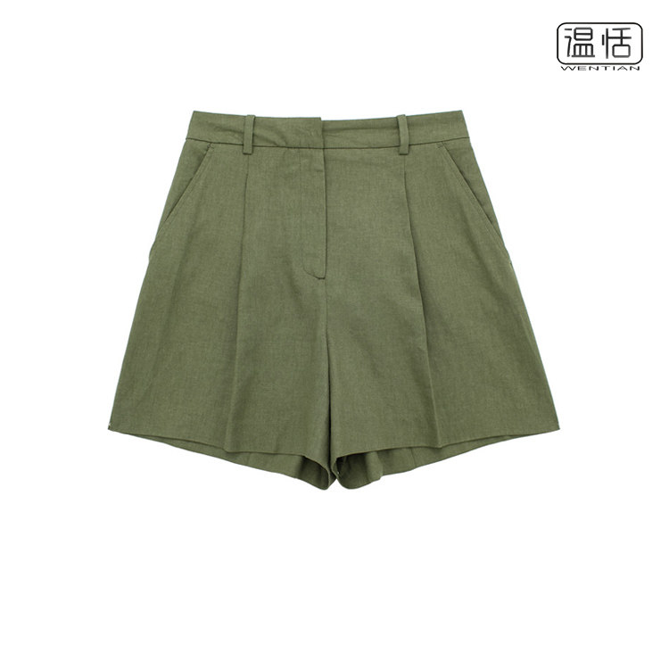 | https://item.taobao.com/item.htm?id=711364313267&pisk=gnFIr3m2QHxCdf7d2H7wcAvr6VG5uN52wUg8ozdeyXhK2UZTy2dJpbp9640kwYnPKuM74lD8TXzUf0ZzkJrETY5814u2JQHK2hptu4D840ze-Rq4kBPFKbRStbcR0i5Vge4nZbIhiCVJxF3-J_JppQhn6T7Seg1Vgy4682Q4WsyUhaUE5Ld82vnTWqitypdL2fht-cdKyBh-XNgoXbdKp4ptBqukvLEJ9fhtyqRJ9vnKBd3xX0h-wuUO54ot2bh82Ph2sEg5dD4CPY10WjXoxyn6wQFdZvijALRWN-uKd7UKfPza12MIDY1qmdVLbzFUtAXHLb4ahuw8qtJiOzeK9qzhOCGYJRPS777yFDUa1xNKQUpL57iIHWH6PZas94E-FRjXg2GUCxNQKaxTJooQHX4ylMzshRMmWALWpXy4u7DY96tmbx07YcrAMCGtegyygmi3bLTsnQgs0N_6ELcmRrn5taxhvv3iRA715HeopV0s0N_6ELDKS2gV5NtLE&spm=a1z10.5-c-s.w4002-13439634375.12.46857eee2PoA2p&skuId=4983279888315

