BugReport
Bug No | Title | Steps | Expected results | Actual results | Screenshots | Priority | Severity | Status
Bug_001 | Search for a product doesn't exist | 1. Open the Swag Labs website. 2. Enter the valid username standard _user" in the "username" field. 3. Enter the valid password " secret_sauce" in the "password" field. 4. Click the "login" button. 5. Use the search function to search for the product 'Sauce Labs Backpack' 6. Add the product to the cart by clicking the "Add to cart" button 7- Press on the "cart" icon on the top right of the page 8- Press "Check out" button 9- Enter john in the "First name" field, wick in the "Last name" field, and 123457 in the "Postal code" field 10- Click the "Finish" button. | • Successful Login • Productes are sorted from A to Z successfully • After add a product it should appear in the cart • Upon entering valid personal details and pressing “continue” the system redirect you to "Checkout: Overview" • The price of products are calculated successfully • You get a message "Thank you for your order!" • Now your cart is empty | The search field is not found on the page after logging in | 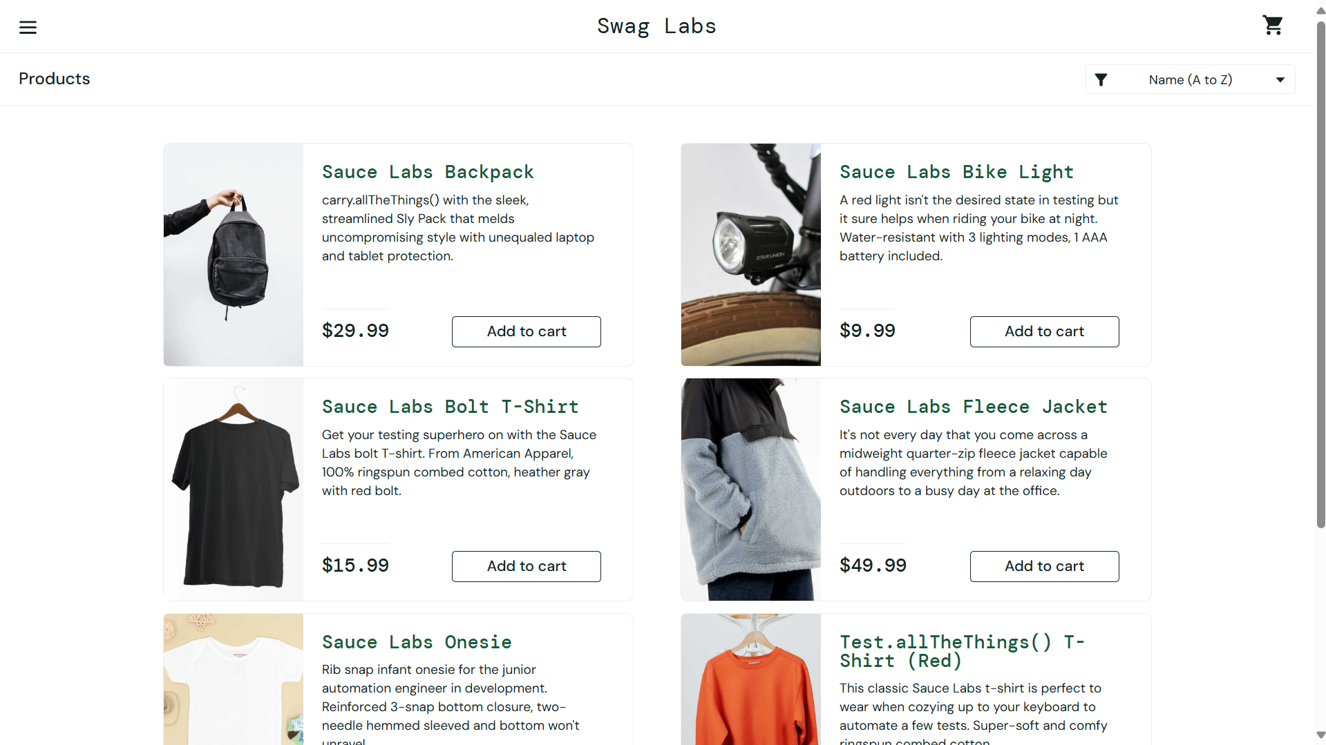 | Medium | Critical | Open
Bug_002 | Failure to Purchase Multiple Quantities of the Same Product | 1. Open the Swag Labs website. 2. Enter the valid username "standard _user" in the "username" field. 3. Enter the valid password " secret_sauce" in the "password" field. 4. Click the "login" button. 5. Add one product to the cart by pressing the "Add to cart" button. 6. Add another 2 quantities of the same product to the cart. 7. Click on the "cart" icon on the top right of the page. 8. Click the "Check out" button. 9. Enter "Mohamed" in the "First name" field, "Ahmed" in the "Last name" field, and "123456" in the "Postal code" field. 10. Click the "Finish" button. | There should be an option to adjust the quantity of the product (increment or decrement) in the cart. | There is no option available to increase or decrease the quantity of the product in the cart. | 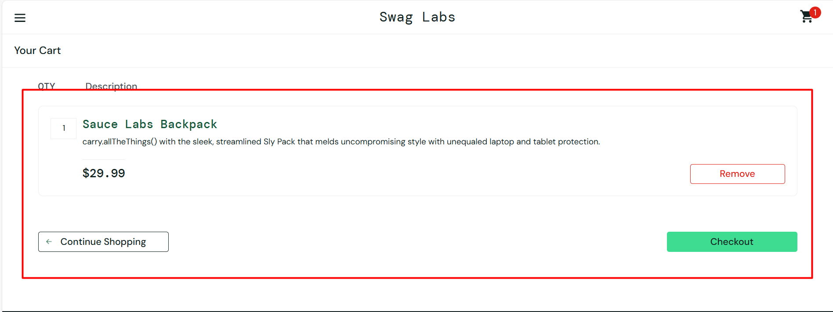 | High | Medium | Open
Bug_003 | The website accept the purchace when the cart is empty | 1. Open the Swag Labs website. 2. Enter the valid username "standard _user" in the "username" field. 3. Enter the valid password " secret_sauce" in the "password" field. 4. Click the "login" button. 4- Press on the "cart" icon on the top right of the page 5- Press "Check out" button 6- Enter "Mohamed" in the "First name" field, "Ahmed"in the "Last name" field, and "123456" in the "Postal code" field 7- Click the "Finish" button. | There is no error message or indication that the cart is empty and The system allows the user to proceed with checkout despite the cart being empty. | The system should present an error message or prevent the user from proceeding with checkout, indicating that the cart is empty |  | Critical | High | Open

