Instructions
Introduction |  | Change Log
This document was created by RedMonsterSC and is intended as a reference document with common tools needed for mining in Star Citizen. Before you start, Save a Copy. You will have Read-only access to the master document, and in order to use the spreadsheet and calculations for your own work, you must create a copy and edit your copied version. Please submit feedback or suggestions through discord at Discord.gg/RedLegion |  | Version | Date | Comments
 |  | 14 | 8/2/2023 | Added density heading to Ore Location table along with hot or cold suit indicators. Added a refinery picker to maximize profits per load, based on some helpful feedback from PatSched! Minor bug fixes.
 |  | 13 | 6/9/2023 | Updated bulk mass calculator to include estimated values. Fixed the clear mass calc script. Added logging for ship owner, security, and crew splits. Added IOU's
 |  | 12 | 5/21/2023 | Added Loadout Calculator sheet for lasers, modules, and gadget combinations.
 |  | 11 | 5/17/2023 | Updating all content for 3.19 Live. Updated dashboard calculations, locations, refineries, lasers, modules, and gadgets. Calculators are still considered "Beta" while we gather additional data
 |  | 10 | 3/23/2023 | Updated refinery bonuses and inventory for 3.18 Live
 |  | 9 | 1/1/2023 | Updated refinery bonuses for 3.18 PTU
Original Document Link |  | 8 | 10/18/2022 | Added conditional formatting for unfinished refinery orders in the refinery log, added device details for Waveshift gadget
https://docs.google.com/spreadsheets/d/11ePuSaqORlewxuMytUplTs8r-liePE8lJOSXCafqEW0/copy |  | 7 | 10/11/2022 | Added Days and Hours remaining to the Yield Calculation table and log book. Updated & Fixed Save to Log Macro.
 |  | 6 | 10/7/2022 | Added Ore Locations, Mining Lasers, and Mining Modules & Gadgets tabs with associated data.
Requesting Support |  | 5 | 9/12/2022 | Moved finders fee calculation under mining shares and splits.
Red Legion Discord | My Discord server, where you can join the ongoing discussion with myself and my community. | 4 | 8/5/2022 | Completed refinery station inventory survey and added data. Updated dashboard with Finders Fee Calculation.
 |  | 3 | 7/17/2022 | Added refinery stations for the 3.17.2 patch update, also added Asteroid Field Survey for data collection
Providing Support |  | 2 | 6/26/2022 | Fixed the save to log macro. Added reference link back to the original document.
If this document helped you, please consider supporting me in one of the following ways: |  | 1 | 6/25/2022 | Initial version created with standard mining calculations, some reference links. Relevant for game version 3.17.1
RedMonsterSC on Patreon | My Patreon page, where you can help provide monetary support for ongoing content creation.
RedMonsterSC on YouTube | My YouTube channel, where I post Star Citizen tutorials, playthroughs, and workarounds.
RedMonsterSC on Twitch | My Twitch channel, where I live stream Star Citizen content about 3 times per week.

RedMonsterSC on Twitter | My Twitter account, which is solely for Star Citizen, Gaming and Tech.
Red Legion Armory - Merch Store | My Merch Store, which has a few mining inspired items (Discount for Twitch Subscribers!)

Workbook Index
Sheet | Description
Instructions | Metadata and instructions for this document
Dashboard | A one-stop shop for the most common calculations
Loadout Calculator | Configure your mining lasers, modules, and gadgets to determine final bonuses.
Refinery Log Book | A log of refinery orders created by filling out the dashboard and using the "Save to Log" macro.
Ore Locations | A table detailing which locations have the highest chances to spawn various materials.
Refinery Yield Bonuses | A list of current refinery stations and their yield bonuses
Mining Lasers | A table of mining lasers, their modifiers, and where they can be purchased.
Mining Modules & Gadgets | A table of mining modules and gadgets, their modifiers, and where they can be purchased.
Materials Price List | Price list for Ores and Gemstones used for calculations on the Dashboard
Reference Links | Helpful Links for all mining topics

Field Color Key
Warnings | Context-specific warnings or other notes of high importance.
Information | Instructions or other helpful information relevant to the current calculation or informative segment.
Inputs | Fields that are used as an input for calculations.
Outputs | Calculations based on input data. These fields contain formulas that rely on input data.
COLOR SCALES | A variety of color scales are used to indicate beneficial or detrimental conditions.

Loadout Calculator
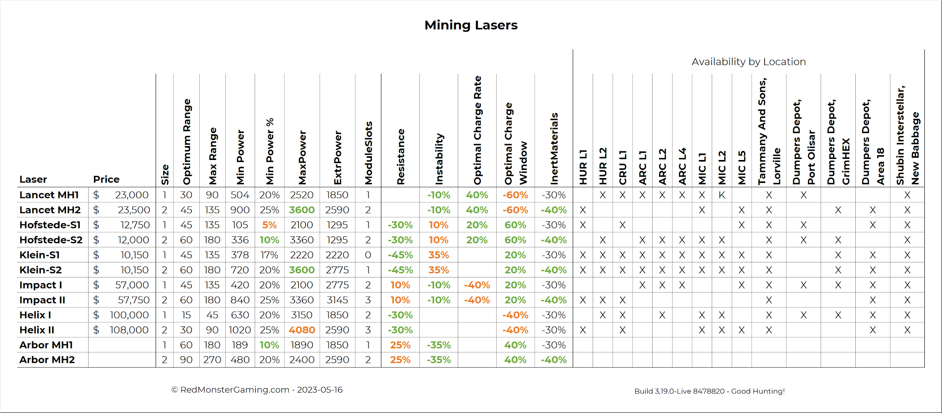
Laser 1 |  |  | Laser 2
Mining Laser | Helix II |  | Mining Laser | Hofstede-S2
ModuleSlots | 3 |  | ModuleSlots | 2
Module 1 | Surge |  | Module 1 | Surge
Module 2 | Rieger-C3 |  | Module 2 | XTR-XL
Module 3 | Rieger-C3 |  | Module 3

Laser 1 Bonuses |  |  | Laser 2 Bonuses
 | Passive | Active |  | Passive | Active
Maximum Power | 5396 | 8094 | Maximum Power | 3360 | 5040
Minimum Power | 1349 | 2023 | Minimum Power | 336 | 504
Extraction Power | 2590 | 2590 | Extraction Power | 1230 | 1230
Resistance | -30.00% | -40.50% | Resistance | -30.00% | -40.50%
Instability | 0.00% | 10.00% | Instability | 10.00% | 21.00%
Shatter Damage | 100.00% | 100.00% | Shatter Damage | 100.00% | 100.00%
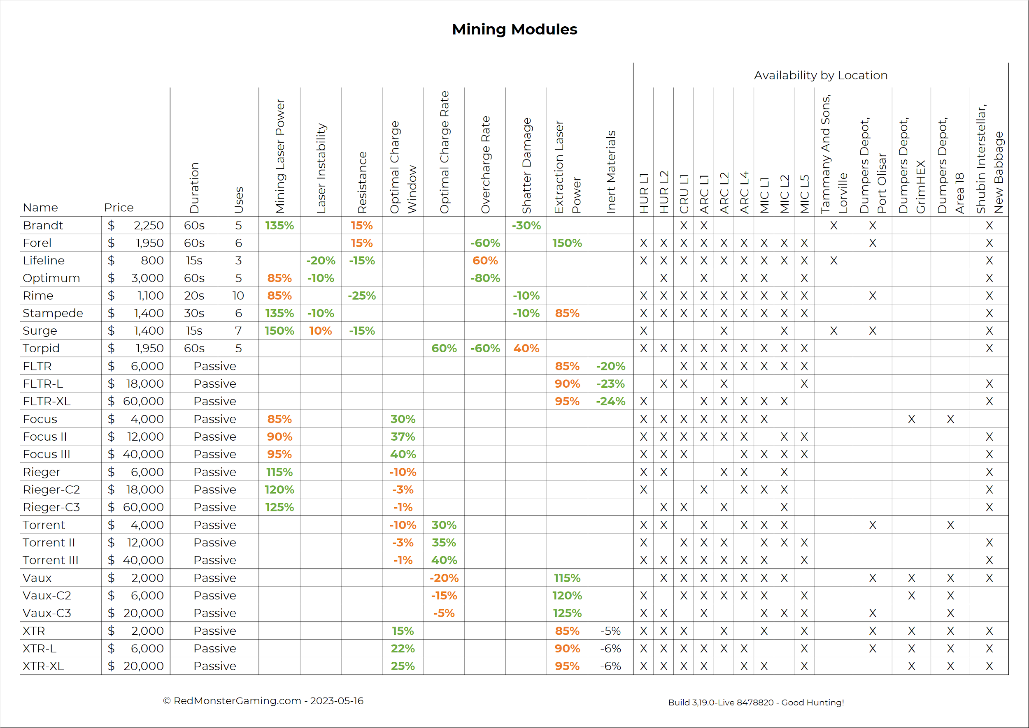
Optimal Charge Rate | 0.00% | 0.00% | Optimal Charge Rate | 20.00% | 20.00%
Optimal Charge Window | -41.19% | -41.19% | Optimal Charge Window | 100.00% | 100.00%
Inert Materials | -30.00% | -30.00% | Inert Materials | -43.60% | -43.60%
Overcharge Rate | 0.00% | 0.00% | Overcharge Rate | 0.00% | 0.00%

Laser 3 |  |  | Gadget Selection
Mining Laser | Hofstede-S2 |  | Mining Gadget | Optimax
ModuleSlots | 2
Module 1 | Surge
Module 2 | XTR-XL
Module 3

Laser 3 Bonuses |  |  | Full Kit Summary
 | Passive | Active |  | Passive | Active
Maximum Power | 3360 | 5040 | Maximum Power | 12116 | 18174
Minimum Power | 336 | 504 | Minimum Power | 2021 | 3031
Extraction Power | 1230 | 1230 | Extraction Power | 5051 | 5051
Resistance | -30.00% | -40.50% | Resistance | -75.99% | -85.25%
Instability | 10.00% | 21.00% | Instability | 21.00% | 61.05%
Shatter Damage | 100.00% | 100.00% | Shatter Damage | 100.00% | 100.00%
Optimal Charge Rate | 20.00% | 20.00% | Optimal Charge Rate | 44.00% | 44.00%
Optimal Charge Window | 100.00% | 100.00% | Optimal Charge Window | 64.66% | 64.66%
Inert Materials | -43.60% | -43.60% | Inert Materials | -77.73% | -77.73%
Overcharge Rate | 0.00% | 0.00% | Overcharge Rate | 0.00% | 0.00%
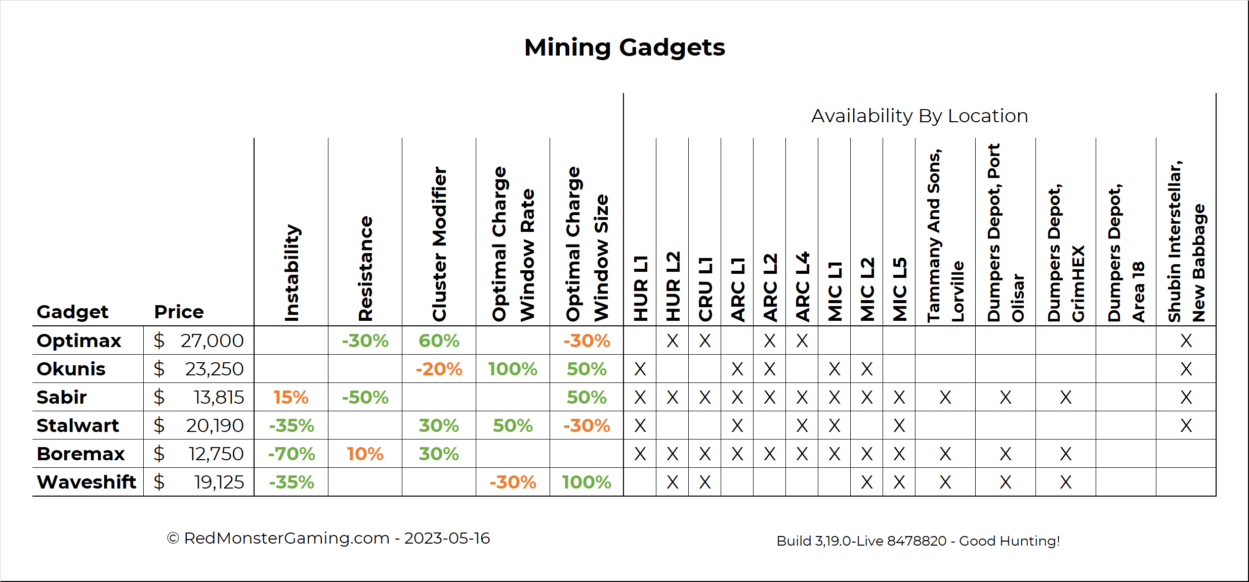
NOTE: If you are using more than one active module in your loadout, these calculations may not be accurate. Please only select one Active Module at a time

