Run 2_ BasicSimulink
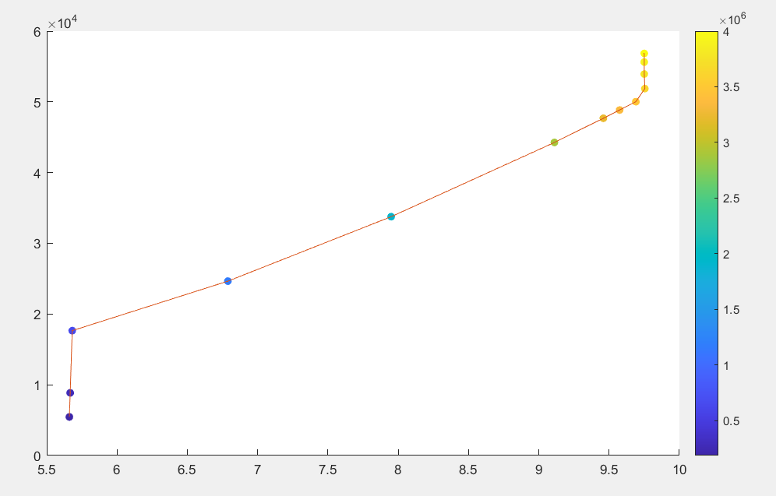
RotorSpeed |  | GeneratorTorque | TP_ConverterPower | WindSpeed
1.021018 | 9.7500039201 | 56850.64 | 4000000 | 9
1.0210176 | 9.7500001004 | 56850.65 | 3999999 | 8.9
1.0210175 | 9.7499991455 | 55621.35 | 3905864 | 8.8
1.021017 | 9.7499943708 | 53941.2 | 3777204 | 8.7
1.0214777326 | 9.754394043 | 51876.269157 | 3633497.0301 | 8.6004
1.014748122 | 9.6901309943 | 50025.37798 | 3466987.2319 | 8.4996
1.0026954507 | 9.5750364588 | 48853.081472 | 3345926.9955 | 8.4004
0.99054160581 | 9.4589757866 | 47684.409607 | 3226657.1581 | 8.3004
0.95410365661 | 9.1110189949 | 44262.531374 | 2884085.8058 | 8.0004
0.83248518702 | 7.9496481325 | 33768.047156 | 1904429.9756 | 7.0004
0.71088048339 | 6.7884087252 | 24654.625342 | 1159040.9332 | 6
0.594932727 | 5.6811891862 | 17653.087019 | 657061.69926 | 5.0002
0.59341977446 | 5.6667415533 | 8854.3594259 | 290267.71262 | 4.0004
0.59281429912 | 5.6609596895 | 5451.3432443 | 188013.39006 | 3.5

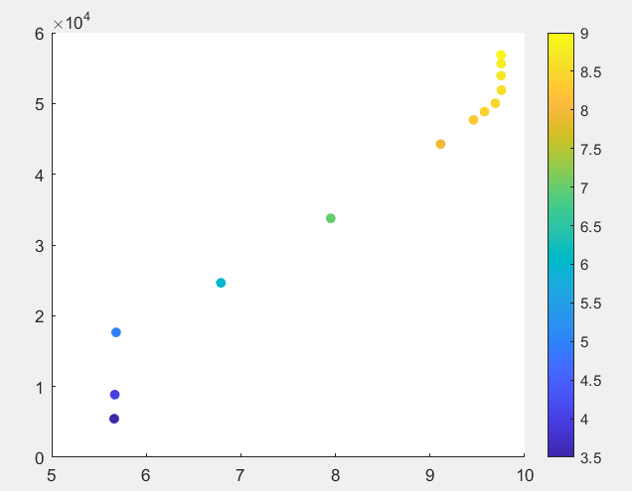
 |  |  | wind speed colorbar
 |  |  |  |  | power colorbar

