Q5-Q6
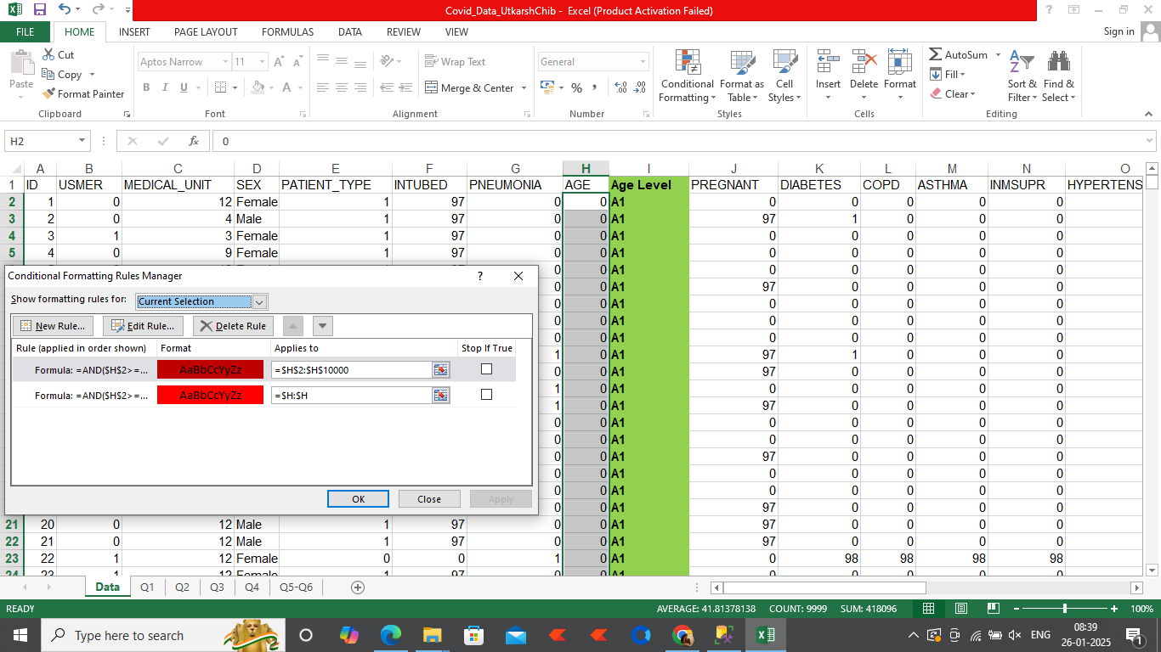
 | 0
Patients have more than 2 comorbidities and age greater than 50 | 488

I have applied the formula of highligting age between 70-80 of patients. Please see it for your reference.

