Sheet1
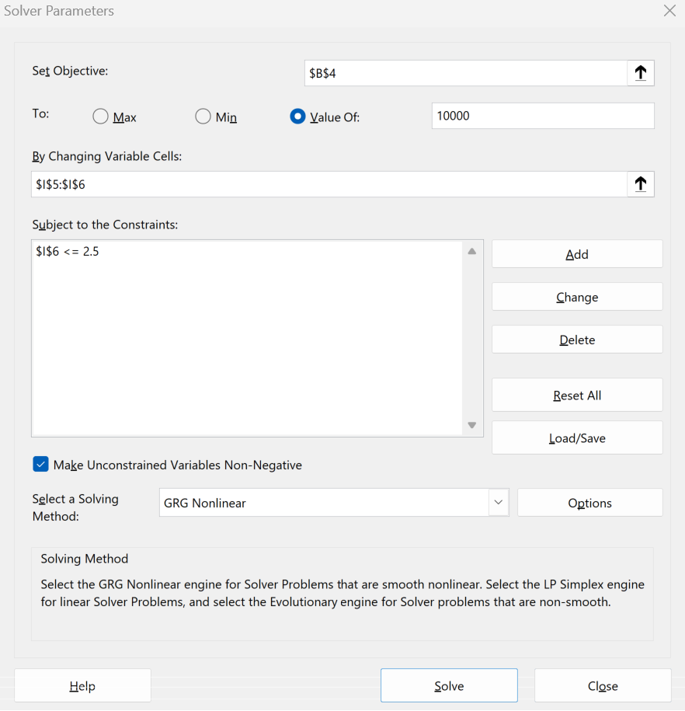
 | What-if Analysis (Goal Seek, Solver, Data Table)

Financials Pt 1 |  | Financials Pt 2 |  | Financials Pt 3 |  | Sensitivity Analysis
Quantity Sold | 3,345 | Quantity Sold | 12,196 | Quantity Sold | 17,392 |  |  | Quantity Sold
Price per Unit | 2.99 | Price per Unit | 2.99 | Price per Unit | 2.50 |  | 10,001 | 16,392 | 16,892 | 17,392 | 17,892 | 18,392
Revenue | 10,002 | Variable Cost per Unit | 1.35 | Variable Cost per Unit | 1.35 | Price per Unit | 1.5 | (7,541) | (7,466) | (7,391) | (7,316) | (7,241)
 |  | Fixed Cost | 10,000 | Fixed Cost | 10,000 |  | 2.0 | 655 | 980 | 1,305 | 1,630 | 1,955
 |  |  |  |  |  |  | 2.5 | 8,851 | 9,426 | 10,001 | 10,576 | 11,151
 |  | Income Statement |  | Income Statement |  |  | 3.0 | 17,047 | 17,872 | 18,697 | 19,522 | 20,347
 |  | Total Revenue | 36,466 | Total Revenue | 43,480 |  | 3.5 | 25,243 | 26,318 | 27,393 | 28,468 | 29,543
 |  | Variable Costs | 16,465 | Variable Costs | (23,479)
 |  | Fixed Costs | 10,000 | Fixed Costs | (10,000)
 |  | Profit | 10,001 | Profit | 10,001

 |  |  |  | Constraints
 |  |  |  | Max Price per Unit | 2.50

