KPIs
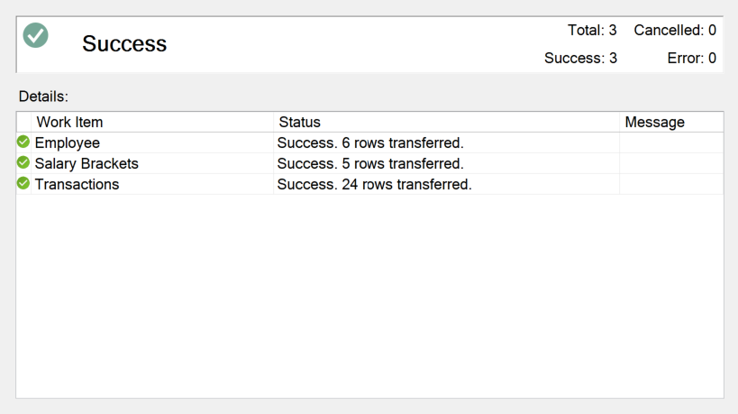
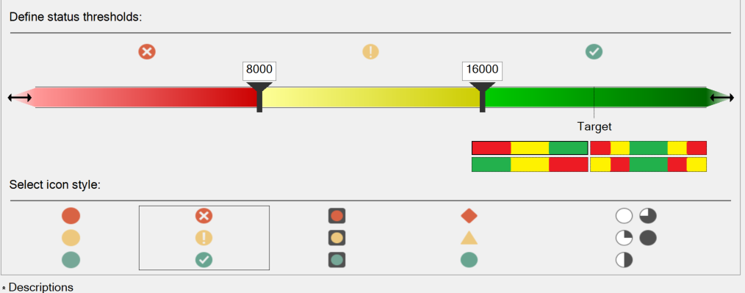
Employee | Profit | Status
Alex | $35,802 | 1
Ana | $22,125 | 1
Jones | $13,183 | 0
Mike | $48,281 | 1
Sam | $5,800 | -1
Sarah | $29,830 | 1
Grand Total | $155,020 | 1

