Goal Seek
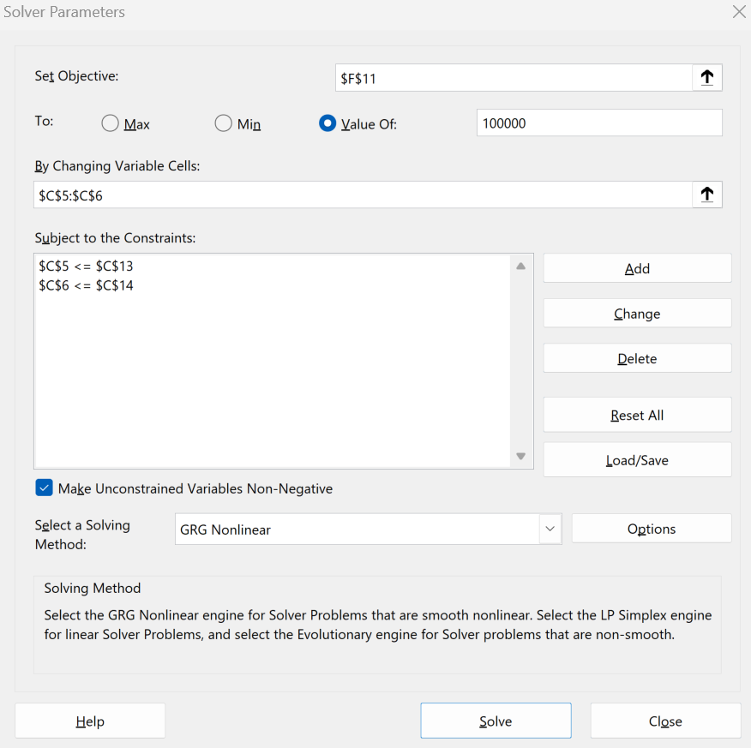
Goal Seek

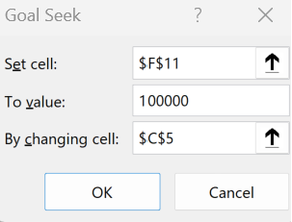
Assumptions |  | Income Statement
Units sold | 25,000 | Revenue | 205,332
Price per unit | 8.21 | COGS | (68,750)
Cost per unit | 2.75 | Gross Profit | 136,582
G&A | 10,000 | G&A | (10,000)
Tax rate | 21% | Earnings Before Tax | 126,582
 |  | Taxes | (26,582)
Constraints |  | Net Income (Loss) | 100,000
Net Income | 100000
Units sold | 25000
Price | 9.99

Sensitivity
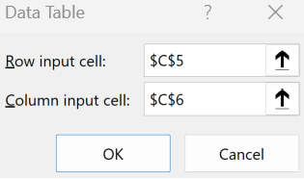
Sensitivity Analysis |  |  |  | Price & Quantity Sensitivity
 |  |  |  |  |  | Quantity Sold
Assumptions |  | Income Statement |  |  | 100,000 | 15,000 | 20,000 | 25,000 | 30,000 | 35,000
Units sold | 25,000 | Revenue | 205,332 | Price per Unit | 6 | 33,140 | 46,820 | 60,500 | 74,180 | 87,860
Price per unit | 8.21 | COGS | (68,750) |  | 7 | 44,990 | 62,620 | 80,250 | 97,880 | 115,510
Cost per unit | 2.75 | Gross Profit | 136,582 |  | 8 | 56,840 | 78,420 | 100,000 | 121,580 | 143,160
SG&A | 10,000 | SG&A | (10,000) |  | 9 | 68,690 | 94,220 | 119,750 | 145,280 | 170,810
Tax rate | 21% | Earnings Before Tax | 126,582 |  | 10 | 80,540 | 110,020 | 139,500 | 168,980 | 198,460
 |  | Taxes | (26,582)
 |  | Net Income (Loss) | 100,000

Scenario
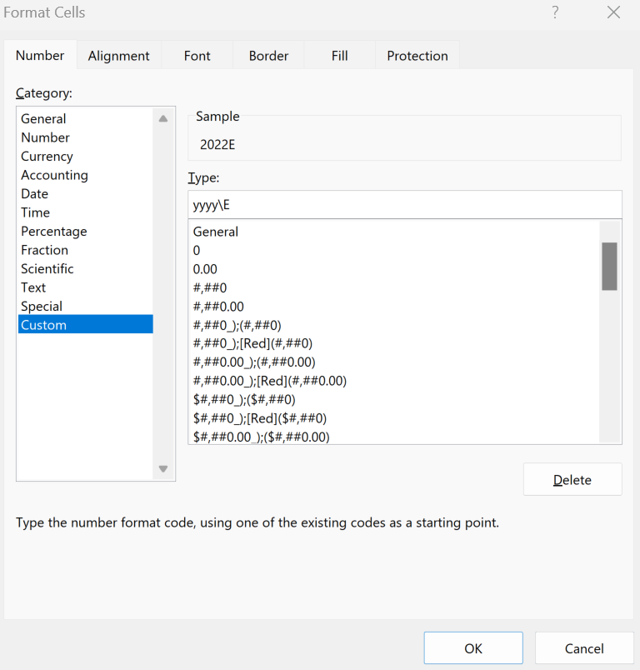
Scenario Analysis
$ in actual figures | 2022-01-01 | 2023-01-01 | 2024-01-01
Revenues | 50,000 | 125,000 | 250,000
Costs | (5,000) | (12,500) | (25,000)
Net Income (Loss) | 45,000 | 112,500 | 225,000

Choose Scenario -> | 1

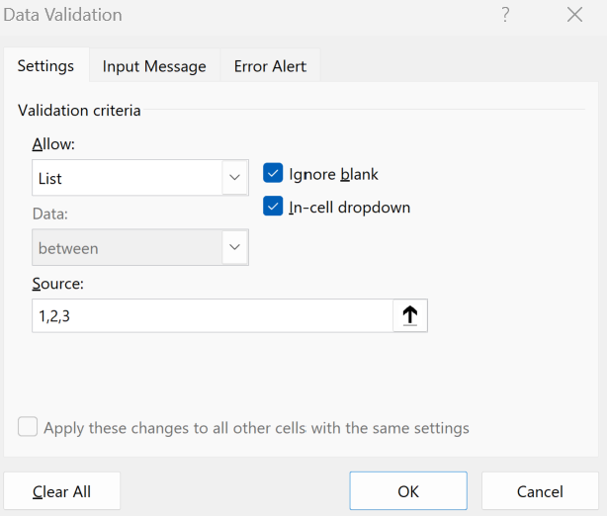
Revenue Scenarios
1. Best Case | 50,000 | 125,000 | 250,000
2. Base Case | 25,000 | 37,500 | 50,000
3. Worst Case | 12,500 | 13,000 | 13,250

Cost Scenarios
1. Best Case | (5,000) | (12,500) | (25,000)
2. Base Case | (16,000) | (25,000) | (37,500)
3. Worst Case | (22,500) | (30,000) | (45,000)

