Data Cleaning
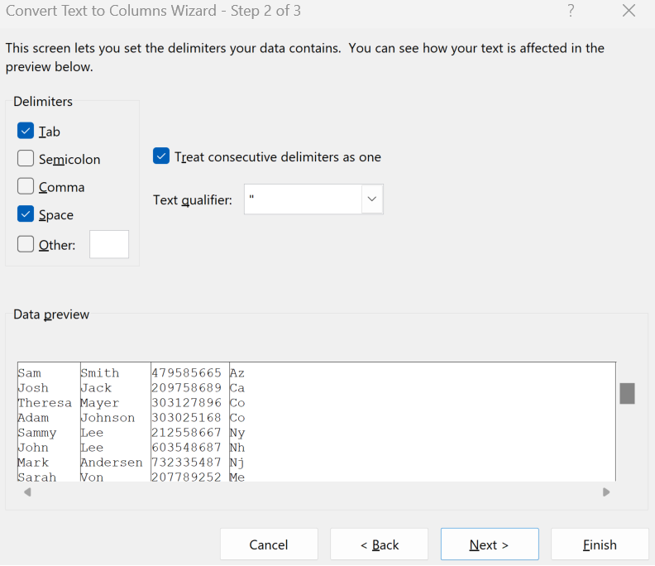
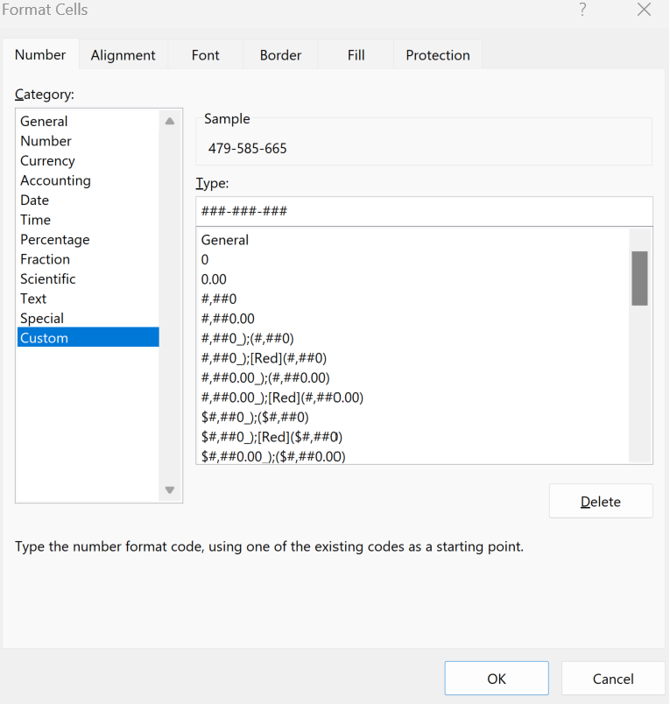
Raw Data | TRIM | PROPER | Value Paste (ALT + H + V + V) | Text to Columns
Sam sMIth 479585665 AZ | Sam sMIth 479585665 AZ | Sam Smith 479585665 Az | Sam Smith 479585665 Az | Sam | Smith | 479585665 | AZ
Josh JACk 209758689 CA | Josh JACk 209758689 CA | Josh Jack 209758689 Ca | Josh Jack 209758689 Ca | Josh | Jack | 209758689 | CA
THEREsa Mayer 303127896 CO | THEREsa Mayer 303127896 CO | Theresa Mayer 303127896 Co | Theresa Mayer 303127896 Co | Theresa | Mayer | 303127896 | CO
Adam JohnSON 303025168 co | Adam JohnSON 303025168 co | Adam Johnson 303025168 Co | Adam Johnson 303025168 Co | Adam | Johnson | 303025168 | CO
Sammy Lee 212558667 ny | Sammy Lee 212558667 ny | Sammy Lee 212558667 Ny | Sammy Lee 212558667 Ny | Sammy | Lee | 212558667 | NY
John LEE 603548687 NH | John LEE 603548687 NH | John Lee 603548687 Nh | John Lee 603548687 Nh | John | Lee | 603548687 | NH
MARK Andersen 732335487 NJ | MARK Andersen 732335487 NJ | Mark Andersen 732335487 Nj | Mark Andersen 732335487 Nj | Mark | Andersen | 732335487 | NJ
Sarah Von 207789252 me | Sarah Von 207789252 me | Sarah Von 207789252 Me | Sarah Von 207789252 Me | Sarah | Von | 207789252 | ME
Hanna Hoover 610023585 PA | Hanna Hoover 610023585 PA | Hanna Hoover 610023585 Pa | Hanna Hoover 610023585 Pa | Hanna | Hoover | 610023585 | PA
Irina Adams 401178699 RI | Irina Adams 401178699 RI | Irina Adams 401178699 Ri | Irina Adams 401178699 Ri | Irina | Adams | 401178699 | RI

