1
Sector | % | Helper
Advanced Industries | 9 | 91
Energy | 15 | 85
Logistics | 22 | 78
Life Sciences | 28 | 72
Consumer | 39 | 61
Telecommunications | 70 | 30
Financial Services | 71 | 29

Financial Services
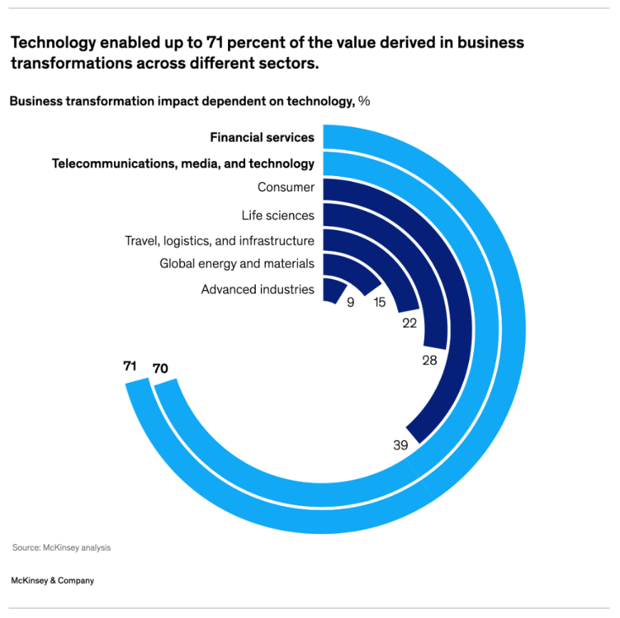
Telecommunications
Consumer
Life Sciences
Logistics
Energy
Advanced Industries
15
9

22
71
70
28

39

2
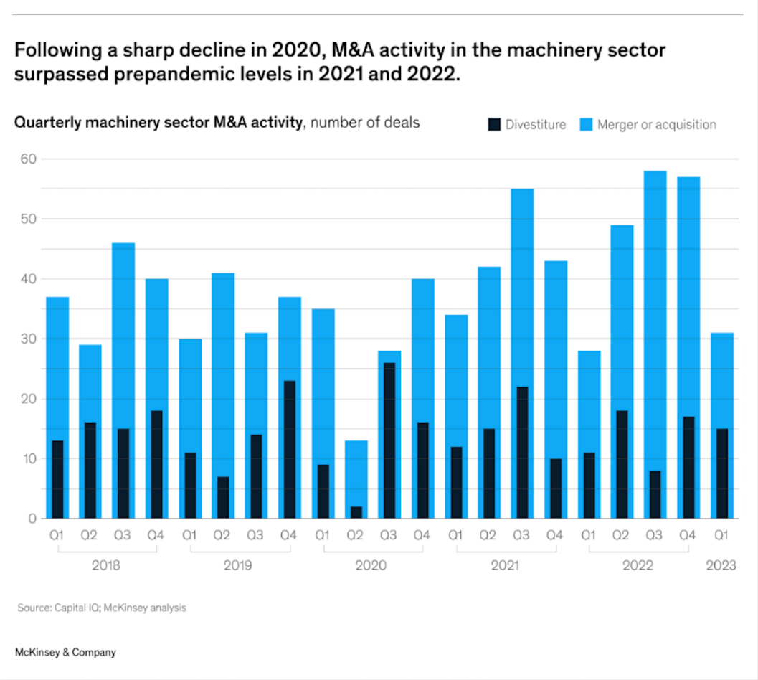
Year | Quarter | Divestiture | Merger or Acquisition
2018 | Q1 | 13 | 36
 | Q2 | 16 | 29
 | Q3 | 15 | 46
 | Q4 | 18 | 40
2019 | Q1 | 11 | 30
 | Q2 | 6 | 41
 | Q3 | 14 | 31
 | Q4 | 23 | 37
2020 | Q1 | 9 | 35
 | Q2 | 2 | 13
 | Q3 | 26 | 27
 | Q4 | 16 | 40
2021 | Q1 | 12 | 34
 | Q2 | 15 | 42
 | Q3 | 21 | 55
 | Q4 | 10 | 43
2022 | Q1 | 11 | 27
 | Q2 | 18 | 49
 | Q3 | 8 | 58
 | Q4 | 16 | 57
2023 | Q1 | 15 | 31

2018
2019
2020
2021
2022

3
 | Entry | Manager | Director | Vice President | Senior Vice President | C-suite
White Women | 30 | 28 | 27 | 24 | 22 | 20
Minority Women | 17 | 12 | 9 | 7 | 5 | 4
Minority Men | 17 | 17 | 15 | 13 | 12 | 13
White Men | 35 | 42 | 50 | 56 | 61 | 62

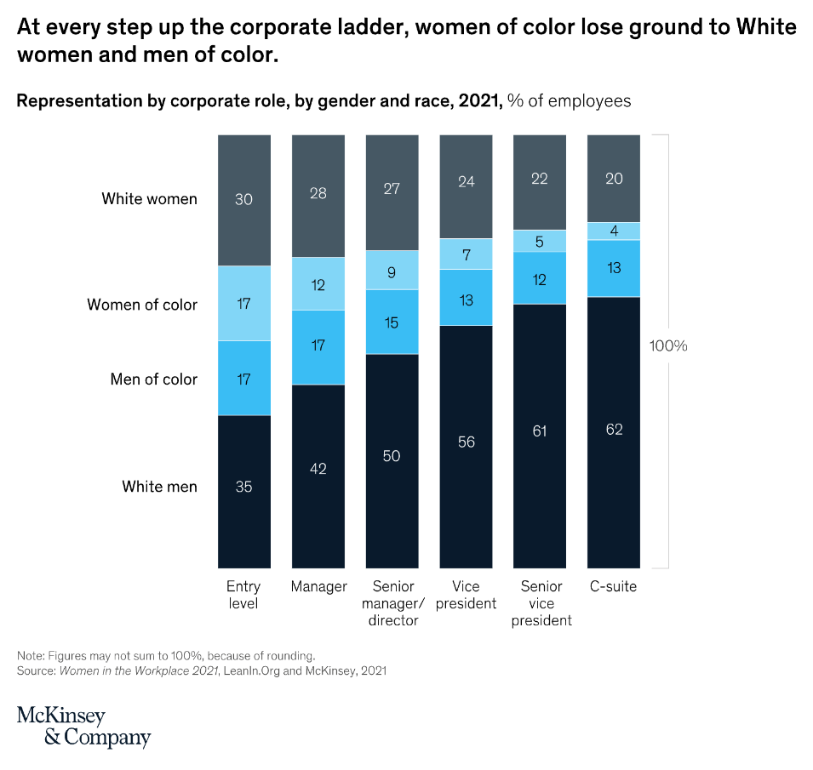

100%

