Format
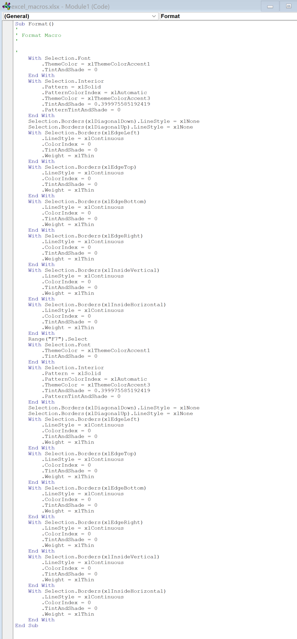
New Project Idea -Financial Analysis
Figures in USD

Inputs

Start Date: | Apr-2023 | Initial Investment: | $500,000
End Date: | Dec-2026 | Expected Return: | 30%
Location: | Paris, FR | Employees: | 8

Project Assumptions

Assumption 1
Assumption 2
Assumption 3

Financials

Comments 2
Financial Statement Forecast
Figures in USD

Income Statement
$ in actual figures |  | 2022-01-01 | 2023-01-01 | 2024-01-01 | 2025-01-01 | 2026-01-01
Revenue
Gross Revenue |  | 25,000 | 27,500 | 32,500 | 40,000 | 50,000
Discounts |  | (1,250) | (1,375) | (1,625) | (2,000) | (2,500)
Net Revenue |  | 23,750 | 26,125 | 30,875 | 38,000 | 47,500
Cost of Goods Sold (COGS)
Raw Materials |  | (7,500) | (8,250) | (9,750) | (12,000) | (15,000)
Fulfillment |  | (1,750) | (1,925) | (2,275) | (2,800) | (3,500)
Transaction Fees |  | (500) | (550) | (650) | (800) | (1,000)
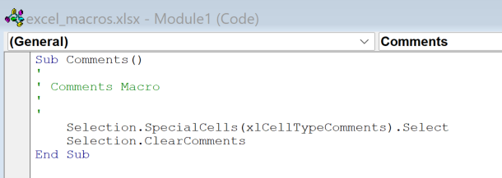
Total COGS |  | (9,750) | (10,725) | (12,675) | (15,600) | (19,500)
Gross Profit |  | 14,000 | 15,400 | 18,200 | 22,400 | 28,000
Gross Profit Margin % |  | 59% | 59% | 59% | 59% | 59%
Operating Expenses
Labor |  | (3,750) | (4,125) | (4,875) | (6,000) | (7,500)
Marketing |  | (1,250) | (1,375) | (1,625) | (2,000) | (2,500)
SGA & Other |  | (1,250) | (1,375) | (1,625) | (2,000) | (2,500)
Total OpEx |  | (6,250) | (6,875) | (8,125) | (10,000) | (12,500)
EBITDA |  | 7,750 | 8,525 | 10,075 | 12,400 | 15,500
Depreciation & Amortization |  | (3,929) | (3,929) | (3,929) | (3,929) | (1,929)
EBIT |  | 3,821 | 4,596 | 6,146 | 8,471 | 13,571
Interest Expense |  | (665) | (630) | (928) | (875) | (823)
EBT |  | 3,156 | 3,966 | 5,219 | 7,596 | 12,749
Taxes |  | (663) | (833) | (1,096) | (1,595) | (2,677)
Net Income |  | 2,494 | 3,133 | 4,123 | 6,001 | 10,072

Balance Sheet
$ in actual figures | 2021-12-31 | 2022-12-31 | 2023-12-31 | 2024-12-31 | 2025-12-31 | 2026-12-31
Current Assets
Cash | 5,000 | 1,413 | 7,989 | 20,319 | 26,541 | 37,848
Accounts Receivable | 150 | 238 | 261 | 309 | 380 | 475
Total Current Assets | 5,150 | 1,651 | 8,251 | 20,628 | 26,921 | 38,323
Non Current Assets
Fixed Assets | 10,000 | 19,500 | 19,500 | 19,500 | 22,500 | 22,500
Accumulated Depreciation | (2,000) | (5,929) | (9,857) | (13,786) | (17,714) | (19,643)
Net Fixed Assets | 8,000 | 13,571 | 9,643 | 5,714 | 4,786 | 2,857
Total Non Current Assets | 8,000 | 13,571 | 9,643 | 5,714 | 4,786 | 2,857
Total Assets | 13,150 | 15,222 | 17,894 | 26,342 | 31,707 | 41,180

Current Liabilities
Accounts Payable | 200 | 220 | 242 | 286 | 353 | 441
Deferred Revenue | 100 | 158 | 174 | 206 | 253 | 317
Total Current Liabilitites | 300 | 379 | 417 | 492 | 606 | 757
Non Current Liabilities
Debt | 10,000 | 9,500 | 9,000 | 13,250 | 12,500 | 11,750
Total Non Current Liabilitites | 10,000 | 9,500 | 9,000 | 13,250 | 12,500 | 11,750
Total Liabilitites | 10,300 | 9,879 | 9,417 | 13,742 | 13,106 | 12,507
Equity
Common Stock | 300 | 300 | 300 | 300 | 300 | 300
Retained Earnings | 2,550 | 5,044 | 8,177 | 12,300 | 18,301 | 28,373
Total Equity | 2,850 | 5,344 | 8,477 | 12,600 | 18,601 | 28,673
Total Liabilities & Equity | 13,150 | 15,222 | 17,894 | 26,342 | 31,707 | 41,180

Balance Check | - | - | - | - | - | -

Statement of Cashflows
$ in actual figures |  | 2022-01-01 | 2023-01-01 | 2024-01-01 | 2025-01-01 | 2026-01-01
Operating Activities
Net Income |  | 2,494 | 3,133 | 4,123 | 6,001 | 10,072
Depreciation |  | 3,929 | 3,929 | 3,929 | 3,929 | 1,929
Change in Accounts Receivable |  | (88) | (24) | (48) | (71) | (95)
Change in Accounts Payable |  | 20 | 22 | 44 | 66 | 88
Change in Deferred Revenue |  | 58 | 16 | 32 | 48 | 63
Operating Cash Flow |  | 3,920 | 3,943 | 3,957 | 3,971 | 1,985
Investing Activities
CapEx |  | (9,500) | - | - | (3,000) | -
Investing Cash Flow |  | (9,500) | - | - | (3,000) | -
Financing Activities
Debt Repayment |  | (500) | (500) | (750) | (750) | (750)
Net Borrowings |  | - | - | 5,000 | - | -
Financing Cash Flow |  | (500) | (500) | 4,250 | (750) | (750)
Net Cash Flow |  | (3,587) | 6,576 | 12,330 | 6,222 | 11,307

Fixed Assets
$ in actual figures | Asset Life (Years) | 2022-12-31 | 2023-12-31 | 2024-12-31 | 2025-12-31 | 2026-12-31
CapEx
Lemon Crusher | 3 | $3,000 |  |  | $3,000
Ice Machine | 7 | $3,000
Refrigerator | 7 | $3,500
Total CapEx |  | $9,500 | $- | $- | $3,000 | $-

Depreciation
Existing Equipment |  | $2,000 | $2,000 | $2,000 | $2,000
Lemon Crusher |  | $1,000 | $1,000 | $1,000 | $1,000 | $1,000
Ice Machine |  | $429 | $429 | $429 | $429 | $429
Refrigerator |  | $500 | $500 | $500 | $500 | $500
Total D&A |  | $3,929 | $3,929 | $3,929 | $3,929 | $1,929

Assumptions
Income Statement Assumptions:
Revenue
Cups Sold |  | 5,000 | 5,500 | 6,500 | 8,000 | 10,000
Average Price per Cup |  | $5 | $5 | $5 | $5 | $5
Discounts as % of Rev |  | 5% | 5% | 5% | 5% | 5%

Cost of Goods Sold (COGS)
Raw Materials as % of Rev |  | 30% | 30% | 30% | 30% | 30%
Fulfillment as % of Rev |  | 7% | 7% | 7% | 7% | 7%
Transaction Fees as % of Rev |  | 2% | 2% | 2% | 2% | 2%

Operating Expenses
Labor as % of Rev |  | 15% | 15% | 15% | 15% | 15%
Marketing as % of Rev |  | 5% | 5% | 5% | 5% | 5%
SGA & Other as % of Rev |  | 5% | 5% | 5% | 5% | 5%

Corporate Tax Rate |  | 21% | 21% | 21% | 21% | 21%

Balance Sheet Assumptions:
Net Revenue | 15,000 | 23,750 | 26,125 | 30,875 | 38,000 | 47,500
COGS | 8,850 | 9,750 | 10,725 | 12,675 | 15,600 | 19,500
Accounts Receivable % of Net Rev | 1.0% | 1.0% | 1.0% | 1.0% | 1.0% | 1.0%
Accounts Payable % of COGS | 2.3% | 2.3% | 2.3% | 2.3% | 2.3% | 2.3%
Deferred Revenue % of Net Rev | 0.7% | 0.7% | 0.7% | 0.7% | 0.7% | 0.7%

Debt
Net Borrowing |  |  |  | 5,000
Debt Repayment |  | 500 | 500 | 750 | 750 | 750
Interest Rate |  | 7% | 7% | 7% | 7% | 7%
Interest Payment |  | 665 | 630 | 928 | 875 | 823

