VBA
Weekly Orders & Discounts
Figures in USD

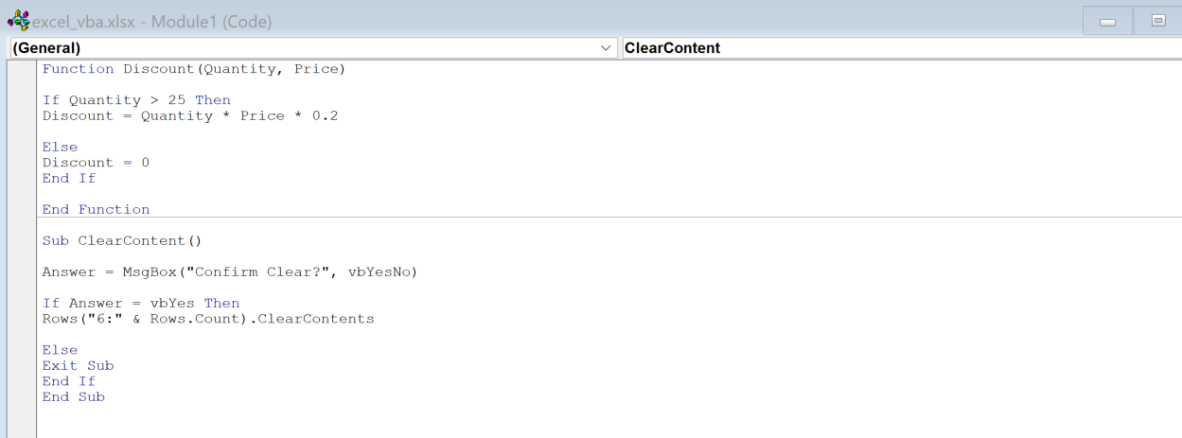
Order ID | Name | Product | Quantity | Price | Discount | Total
11280 | Bill Smith | Volkswagen Golf | 15 | 30,000 | - | 450,000
11281 | Kennedi Singh | Toyota Yaris | 10 | 25,000 | - | 250,000
11282 | Harley Fritz | Seat Panda | 150 | 28,000 | 840,000 | 3,360,000
11283 | Nyla Novak | Ford Focus | 12 | 30,000 | - | 360,000
11284 | Ivan Hines | Vauxhall Corsa | 20 | 30,000 | - | 600,000
11285 | Jonah Higgins | Volkswagen Polo | 20 | 26,000 | - | 520,000
11286 | Jordan Boone | Kia Sportage | 2 | 30,000 | - | 60,000
11287 | Kylee Townsend | Ford Fiesta | 5 | 35,000 | - | 175,000
11288 | Nora Rollins | Seat Ibiza | 80 | 30,000 | 480,000 | 1,920,000
11289 | Brendan Walls | Renault Clio | 100 | 26,000 | 520,000 | 2,080,000
11290 | Steven Michael | Honda CR-V | 20 | 35,000 | - | 700,000
11291 | Lucia Mckay | GMC Sierra | 25 | 40,000 | - | 1,000,000
11292 | Josue Roach | Seat Panda | 10 | 28,000 | - | 280,000
11293 | Franklin Wright | Ford Focus | 10 | 30,000 | - | 300,000
11294 | Denzel Flores | Vauxhall Corsa | 5 | 30,000 | - | 150,000
11295 | Bruno Cordova | Volkswagen Polo | 180 | 26,000 | 936,000 | 3,744,000
11296 | Jaylynn Knapp | Kia Sportage | 5 | 30,000 | - | 150,000
11297 | Bruce Rich | Ford Fiesta | 250 | 35,000 | 1,750,000 | 7,000,000

