Forecast 01
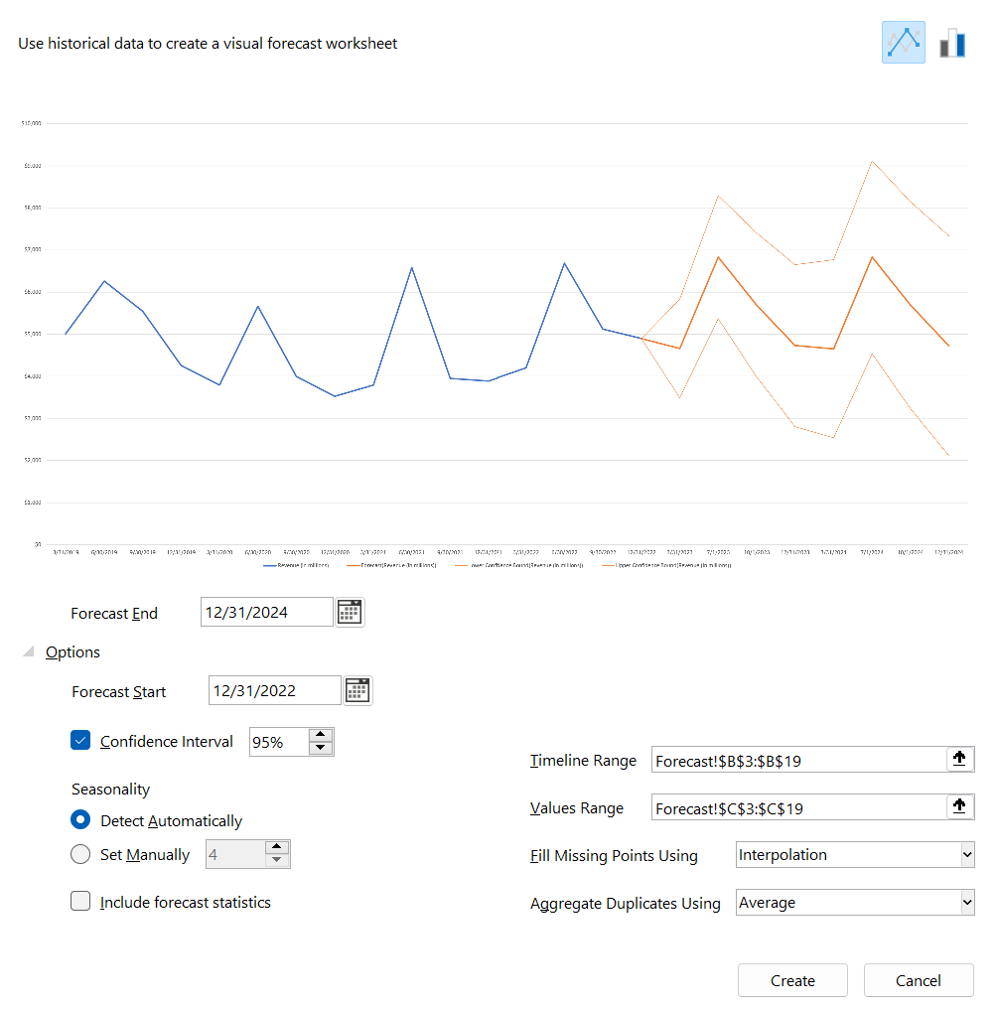
Hotel Resort Business
Date | Revenue (in millions)
2022-12-31 | $4,899
2022-09-30 | $5,123
2022-06-30 | $6,689
2022-03-31 | $4,199
2021-12-31 | $3,889
2021-09-30 | $3,946
2021-06-30 | $6,587
2021-03-31 | $3,789
2020-12-31 | $3,523
2020-09-30 | $3,999
2020-06-30 | $5,663
2020-03-31 | $3,789
2019-12-31 | $4,258
2019-09-30 | $5,548
2019-06-30 | $6,258
2019-03-31 | $5,012

Forecast 02
Date | Revenue (in millions) | Forecast(Revenue (in millions)) | Lower Confidence Bound(Revenue (in millions)) | Upper Confidence Bound(Revenue (in millions))
2019-03-31 | $5,012
2019-06-30 | $6,258
2019-09-30 | $5,548
2019-12-31 | $4,258
2020-03-31 | $3,789
2020-06-30 | $5,663
2020-09-30 | $3,999
2020-12-31 | $3,523
2021-03-31 | $3,789
2021-06-30 | $6,587
2021-09-30 | $3,946
2021-12-31 | $3,889
2022-03-31 | $4,199
2022-06-30 | $6,689
2022-09-30 | $5,123
2022-12-31 | $4,899 | $4,899 | $4,899 | $4,899
2023-03-31 |  | $4,660 | $3,491 | $5,830
2023-07-01 |  | $6,834 | $5,370 | $8,298
2023-10-01 |  | $5,695 | $3,986 | $7,403
2023-12-31 |  | $4,729 | $2,806 | $6,651
2024-03-31 |  | $4,655 | $2,539 | $6,771
2024-07-01 |  | $6,829 | $4,535 | $9,122
2024-10-01 |  | $5,689 | $3,231 | $8,148
2024-12-31 |  | $4,724 | $2,110 | $7,337

 | Revenue (in millions) | Forecast(Revenue (in millions)) | Lower Confidence Bound(Revenue (in millions)) | Upper Confidence Bound(Revenue (in millions))
 | $5,012
 | $6,258
 | $5,548
 | $4,258
 | $3,789
 | $5,663
 | $3,999
 | $3,523
 | $3,789
 | $6,587
 | $3,946
 | $3,889
 | $4,199
 | $6,689
 | $5,123
 | $4,899 | 4899 | 4899 | 4899
 |  | 4660.3838504 | 3490.6161677 | 5830.1515331
 |  | 6833.9266856 | 5370.3121643 | 8297.5412068
 |  | 5694.5271601 | 3986.3006298 | 7402.7536903
 |  | 4728.9210587 | 2806.4303815 | 6651.4117358
 |  | 4655.167706 | 2539.0308094 | 6771.3046026
 |  | 6828.7105412 | 4535.2196808 | 9122.2014015
 |  | 5689.3110157 | 3230.8082983 | 8147.813733
 |  | 4723.7049143 | 2110.1931091 | 7337.2167195

Scatter
Online Ads | Sales
12 | $10,555
15 | $12,499
15 | $12,400
10 | $11,000
14 | $12,399
34 | $19,880
45 | $22,569
20 | $12,008
45 | $23,663
48 | $24,585
55 | $27,044
60 | $29,748
62 | $28,778
61 | $21,136
69 | $23,458
50 | $22,588
45 | $19,550
40 | $22,202
65 | $30,668
70 | $31,549
70 | $29,998
25 | $12,558
65 | $25,372
70 | $32,220
75 | $33,698
75 | $35,925
72 | $31,458
70 | $28,778
40 | $33,277
40 | $32,611
38 | $31,959

