Image to Table
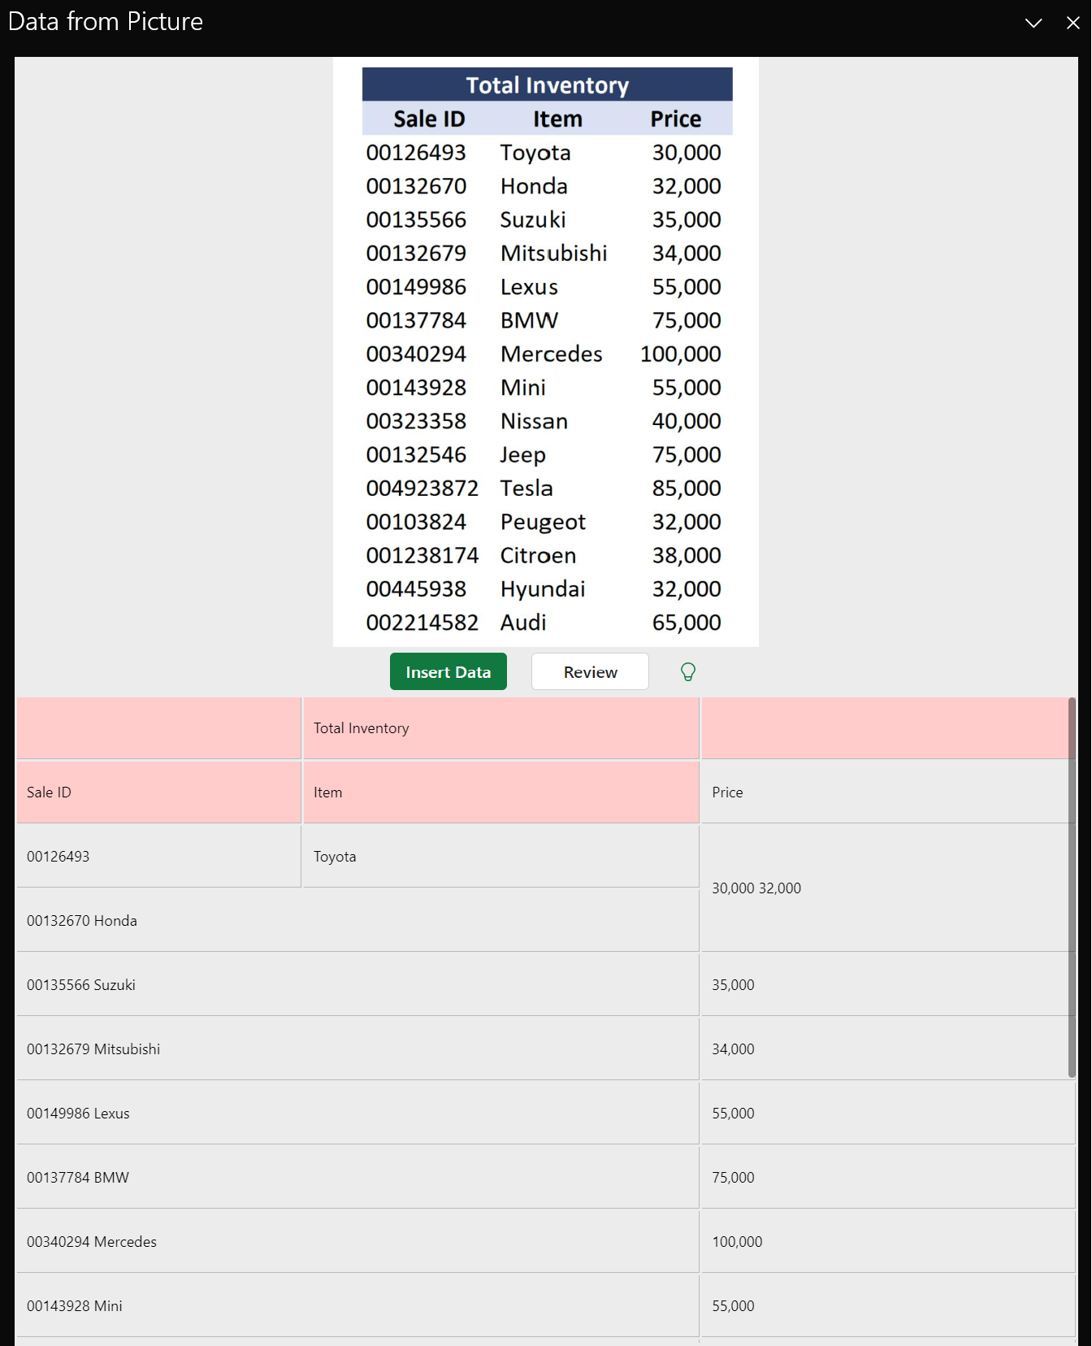

 | Total Inventory
Sale ID | Item | Price
126493 | Toyota | 30,000 32,000
00132670 Honda
00135566 Suzuki |  | 35,000
00132679 Mitsubishi |  | 34,000
00149986 Lexus |  | 55,000
00137784 BMW |  | 75,000
00340294 Mercedes |  | 100,000
00143928 Mini |  | 55,000
00323358 Nissan |  | 40,000
00132546 Jeep |  | 75,000
004923872 Tesla |  | 85,000
00103824 Peugeot |  | 32,000
001238174 Citroen |  | 38,000
00445938 Hyundai |  | 32,000
002214582 Audi |  | 65,000

