Part 2
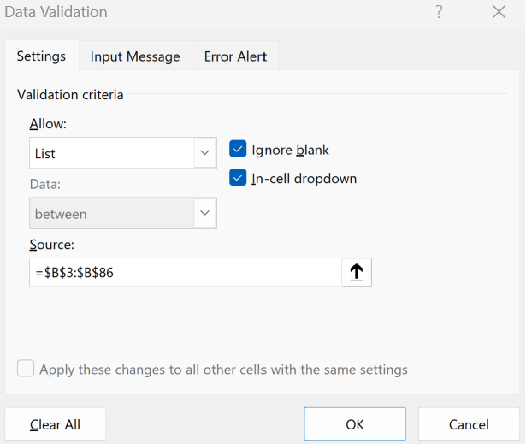
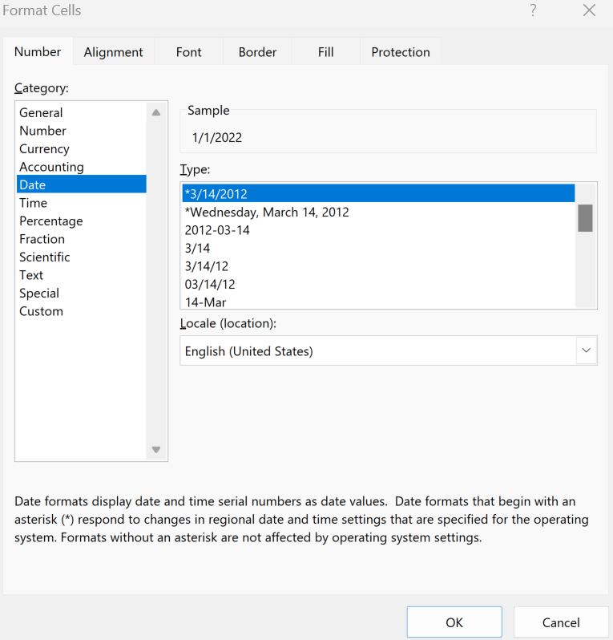
Date | Revenue | Cost | Net Income | Summary
2022-01-01 | 512,970 | 230,837 | 282,134
2022-01-02 | 250,936 | 200,749 | 50,187 | Choose Date -> | 2022-01-01
2022-01-03 | 505,978 | 607,174 | (101,196)
2022-01-04 | 564,267 | 552,982 | 11,285 | Revenue | $512,970
2022-01-05 | 276,030 | 124,213 | 151,816 | Cost | $230,837
2022-01-06 | 556,576 | 445,261 | 111,315 | Net Income | $282,134
2022-01-07 | 394,987 | 473,984 | (78,997)
2022-01-08 | 193,221 | 189,356 | 3,864
2022-01-09 | 389,603 | 175,321 | 214,282
2022-01-10 | 355,488 | 284,391 | 71,098
2022-01-11 | 173,899 | 208,678 | (34,780)
2022-01-12 | 350,643 | 343,630 | 7,013
2022-01-13 | 497,683 | 223,958 | 273,726
2022-01-14 | 243,458 | 194,766 | 48,692
2022-01-15 | 490,900 | 589,080 | (98,180)
2022-01-16 | 461,673 | 452,440 | 9,233
2022-01-17 | 225,842 | 101,629 | 124,213
2022-01-18 | 455,380 | 364,304 | 91,076
2022-01-19 | 507,840 | 609,408 | (101,568)
2022-01-20 | 248,427 | 243,458 | 4,969
2022-01-21 | 500,918 | 225,413 | 275,505
2022-01-22 | 355,488 | 284,391 | 71,098
2022-01-23 | 173,899 | 208,678 | (34,780)
2022-01-24 | 350,643 | 343,630 | 7,013
2022-01-25 | 319,939 | 143,973 | 175,967
2022-01-26 | 156,509 | 125,207 | 31,302
2022-01-27 | 315,578 | 378,694 | (63,116)
2022-01-28 | 447,915 | 438,957 | 8,958
2022-01-29 | 219,112 | 98,601 | 120,512
2022-01-30 | 441,810 | 353,448 | 88,362
2022-01-31 | 538,619 | 646,342 | (107,724)
2022-02-01 | 263,483 | 258,213 | 5,270
2022-02-02 | 531,277 | 239,075 | 292,202
2022-02-03 | 592,480 | 473,984 | 118,496
2022-02-04 | 289,831 | 347,797 | (57,966)
2022-02-05 | 584,405 | 572,716 | 11,688
2022-02-06 | 414,736 | 186,631 | 228,105
2022-02-07 | 202,882 | 162,305 | 40,576
2022-02-08 | 409,083 | 490,900 | (81,817)
2022-02-09 | 373,263 | 365,797 | 7,465
2022-02-10 | 182,594 | 82,167 | 100,426
2022-02-11 | 368,175 | 294,540 | 73,635
2022-02-12 | 522,568 | 627,081 | (104,514)
2022-02-13 | 255,631 | 250,518 | 5,113
2022-02-14 | 515,445 | 231,950 | 283,495
2022-02-15 | 505,275 | 404,220 | 101,055
2022-02-16 | 247,172 | 296,606 | (49,434)
2022-02-17 | 498,388 | 488,421 | 9,968
2022-02-18 | 555,803 | 250,111 | 305,692
2022-02-19 | 271,889 | 217,511 | 54,378
2022-02-20 | 548,227 | 657,873 | (109,645)
2022-02-21 | 389,062 | 381,281 | 7,781
2022-02-22 | 190,322 | 85,645 | 104,677
2022-02-23 | 383,759 | 307,007 | 76,752
2022-02-24 | 350,156 | 420,187 | (70,031)
2022-02-25 | 171,290 | 167,864 | 3,426
2022-02-26 | 345,383 | 155,422 | 189,961
2022-02-27 | 490,218 | 392,175 | 98,044
2022-02-28 | 239,806 | 287,767 | (47,961)
2022-03-01 | 483,536 | 473,866 | 9,671
2022-03-02 | 531,890 | 521,252 | 10,638
2022-03-03 | 585,079 | 573,377 | 11,702
2022-03-04 | 643,587 | 630,715 | 12,872
2022-03-05 | 707,946 | 693,787 | 14,159
2022-03-06 | 778,740 | 763,165 | 15,575
2022-03-07 | 856,614 | 839,482 | 17,132
2022-03-08 | 942,276 | 923,430 | 18,846
2022-03-09 | 1,036,503 | 1,015,773 | 20,730
2022-03-10 | 1,140,153 | 1,117,350 | 22,803
2022-03-11 | 1,254,169 | 1,229,085 | 25,083
2022-03-12 | 1,379,586 | 1,351,994 | 27,592
2022-03-13 | 1,517,544 | 1,487,193 | 30,351
2022-03-14 | 1,669,299 | 1,635,913 | 33,386
2022-03-15 | 1,836,229 | 1,799,504 | 36,725
2022-03-16 | 2,019,851 | 1,979,454 | 40,397
2022-03-17 | 2,221,837 | 2,177,400 | 44,437
2022-03-18 | 2,444,020 | 2,395,140 | 48,880
2022-03-19 | 2,688,422 | 2,634,654 | 53,768
2022-03-20 | 2,957,264 | 2,898,119 | 59,145
2022-03-21 | 3,252,991 | 3,187,931 | 65,060
2022-03-22 | 3,578,290 | 3,506,724 | 71,566
2022-03-23 | 3,936,119 | 3,857,397 | 78,722
2022-03-24 | 4,329,731 | 4,243,136 | 86,595
2022-03-25 | 4,762,704 | 4,667,450 | 95,254

Part 3
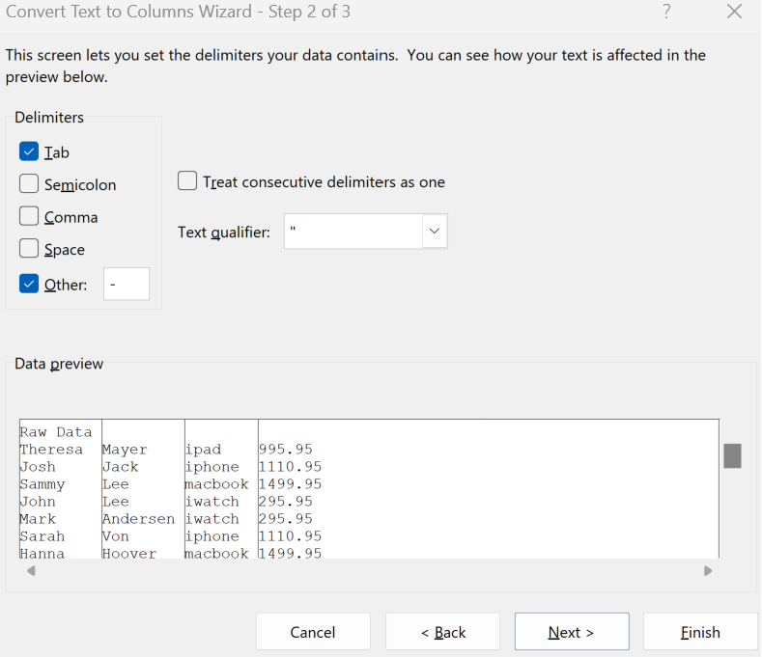
Raw Data | First | Last | Product | Price | First | Product | Price
Theresa-Mayer-ipad-995.95 | Theresa | Mayer | ipad | 995.95 | Theresa Mayer | ipad | 995.95
Josh-Jack-iphone-1110.95 | Josh | Jack | iphone | 1110.95 | Josh Jack | iphone | 1110.95
Sammy-Lee-macbook-1499.95 | Sammy | Lee | macbook | 1499.95 | Sammy Lee | macbook | 1499.95
John-Lee-iwatch-295.95 | John | Lee | iwatch | 295.95 | John Lee | iwatch | 295.95
Mark-Andersen-iwatch-295.95 | Mark | Andersen | iwatch | 295.95 | Mark Andersen | iwatch | 295.95
Sarah-Von-iphone-1110.95 | Sarah | Von | iphone | 1110.95 | Sarah Von | iphone | 1110.95
Hanna-Hoover-macbook-1499.95 | Hanna | Hoover | macbook | 1499.95 | Hanna Hoover | macbook | 1499.95
Irina-Adams-airpods-99.95 | Irina | Adams | airpods | 99.95 | Irina Adams | airpods | 99.95
Sam-Smith-airpods-99.95 | Sam | Smith | airpods | 99.95 | Sam Smith | airpods | 99.95
Adam-Johnson-iphone-1110.95 | Adam | Johnson | iphone | 1110.95 | Adam Johnson | iphone | 1110.95

