1
China growth: continued policy easing needed
Impulse-implied China real GDP growth, % change, yoy
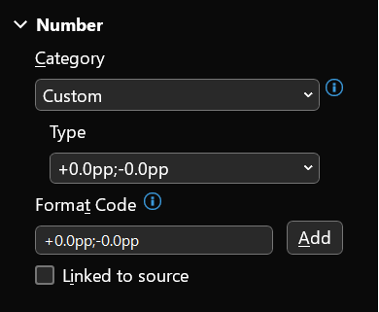
2023 GS Forecast | 5.3
Covid (base effect) | -2.0
Property | 0.3
Net Exports | 0.4
Policy Support | 0.5
2024 GS Forecast | 4.5

2
Exhibit 19: S&P 500 index scenarios at year-end 2024
 |  | Faster growth | Slower growth
 | Baseline | lower yields | higher yields | Recession
2024 EPS Growth | 5 % | 25 % | 1 % | (15)%

Equal-weight P/E | 14 x | 15 x | 13 x | 13 x
%ile rank vs. history | 65% | 77% | 58% | 53%
Aggregate P/E | 18 x | 19 x | 16 x | 15 x
%ile rank vs. history | 83% | 86% | 71% | 64%

Real 10-yr UST yield | 2.3 % | 1.8 % | 3.0 % | 1.3 %

S&P 500 level | 4700 | 5000 | 4150 | 3700
% total return vs current | 6 % | 13 % | (6)% | (16)%
%ile rank since 1976 | 29% | 47% | 13% | 5%

GS subjective probability | 50% | 25% | 10% | 15%

3
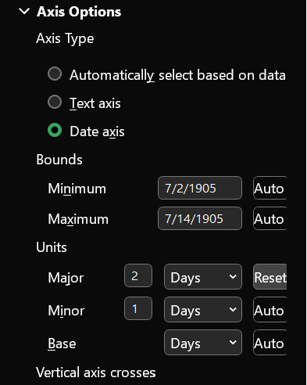
Leveraged lending guidelines
Recession fears/trade wars
COVID-present
Year | Market Share
2010 | 8%
2011 | 4%
2012 | 3%
2013 | 5%
2014 | 7%
2015 | 15%
2016 | 14%
2017 | 11%
2018 | 14%
2019 | 31%
2020 | 29%
2021 | 23%
2022 | 57%

