circle5
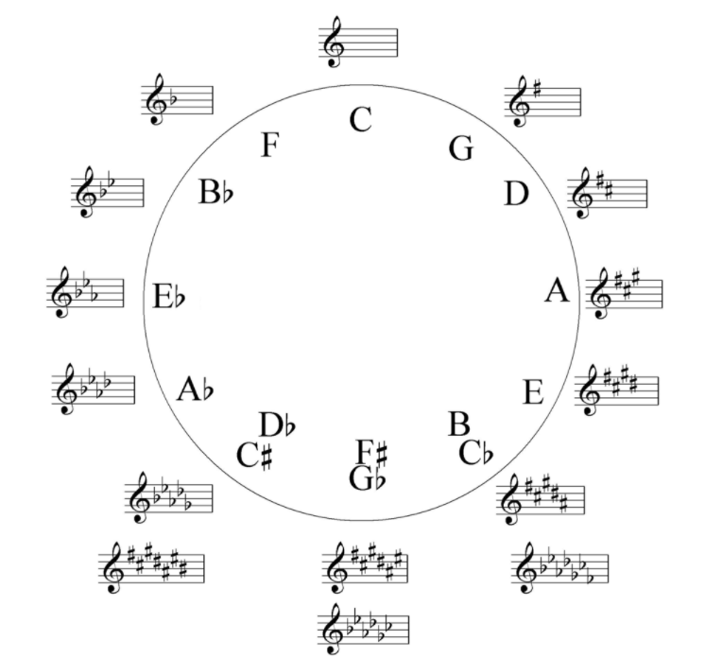

 |  |  |  | 7 | 6 | 5 | 4 | 3 | 2 | 1
 |  |  |  | 1 | 2 | 3 | 4 | 5 | 6 | 7
key.maj | relative.min | no.sharps | no.flats | F | C | G | D | A | E | B
C maj | A min | 0 | 0
G maj | E min | 1 | 0 | F#
D maj | B min | 2 | 0 | F# | C#
A maj | F# min | 3 | 0 | F# | C# | G#
E maj | C# min | 4 | 0 | F# | C# | G# | D#
B maj | G# min | 5 | 0 | F# | C# | G# | D# | A#
F# maj | D# min | 6 | 0 | F# | C# | G# | D# | A# | E#
C# maj | A# min | 7 | 0 | F# | C# | G# | D# | A# | E# | B#
F maj | D min | 0 | 1 |  |  |  |  |  |  | Bb
Bb maj | G min | 0 | 2 |  |  |  |  |  | Eb | Bb
Eb maj | C min | 0 | 3 |  |  |  |  | Ab | Eb | Bb
Ab maj | F min | 0 | 4 |  |  |  | Db | Ab | Eb | Bb
Db maj | Bb min | 0 | 5 |  |  | Gb | Db | Ab | Eb | Bb
Gb maj | Eb min | 0 | 6 |  | Cb | Gb | Db | Ab | Eb | Bb
Cb maj | Ab min | 0 | 7 | Fb | Cb | Gb | Db | Ab | Eb | Bb

