Use Case Diagrams
Use Case Diagrams

Author Notes: | My notes…
 |  | Score:
Review Notes: | Example review notes | 100
Diagram: (If the diagram is large, or there are multiple diagrams, you may link to the diagram(s) or embed them as objects, with icons.) | 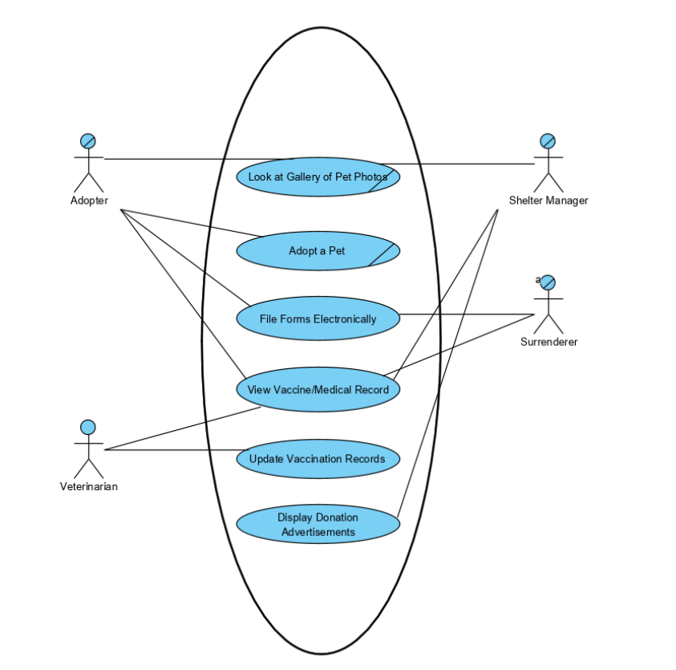

Classes
Classes

Author Notes: | Classes: Customer (Surrenderer, Prospective, Adopter), Account, Animal (Data, Owner), Shelter, Veterinarian.
 |  |  |  |  |  |  |  |  |  | Score:
Review Notes: | Example review notes |  |  |  |  |  |  |  |  | 100
Diagram: (If the diagram is large, or there are multiple diagrams, you may link to the diagram(s) or embed them as objects, with icons.) | 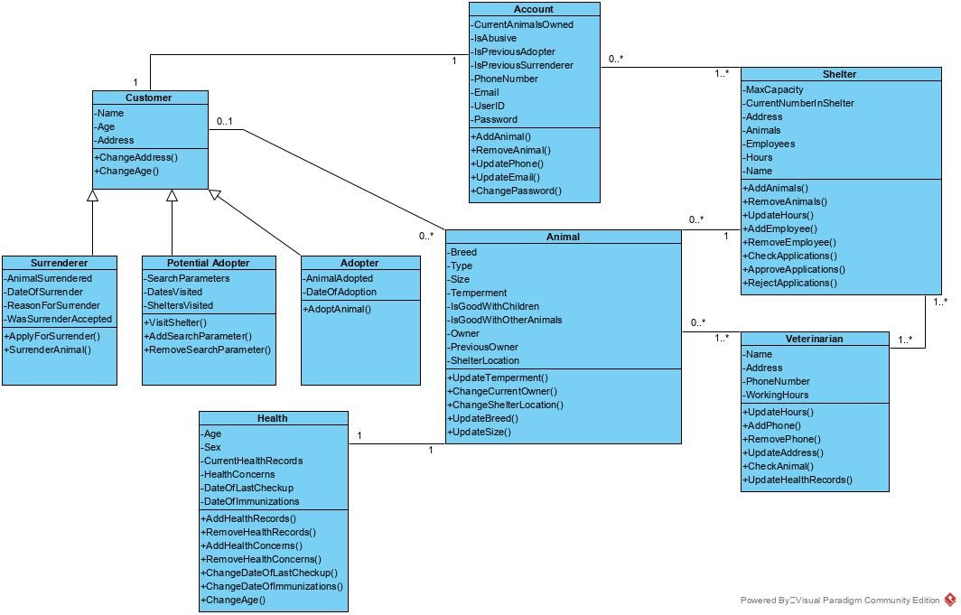

CL ID | Name | Description | Parent | Attributes | Methods | Status | Traced OIDs | Traced StateCharts | Author Notes | Review Notes
CL001 | Customer | Maintains information about a patron of the shelter. |  | - Name - Age - Address | - ChangeAddress - ChangeAge | Proposed
CL002 | Surrenderer | Maintains information about a Customer that is a Surrenderer of a pet. | Customer | - Animal Surrendered - Date of Surrender - Reason for Surrender - WasSurrenderAccepted | - ApplyForSurrender - SurrenderAnimal | Proposed
CL003 | Potential Adopter | Maintains information about a Customer that is a Prospective Adopter. | Customer | - SearchParameter - Dates Visited - Shelters Visited | - VisitShelter - AddSearchParameter - RemoveSearchParameter | Proposed
CL004 | Adopter | Maintains information about a Customer that is an Adopter. | Customer | - Animal Adopted - Date of Adoption | - AdoptAnimal | Proposed
CL005 | Account | Maintains information about the Customer associated with the Account |  | - CurrentAnimalsOwned - IsAbusive - PreviousAdopter - PreviousSurrenderer - PhoneNumber - Email - UserID - Password | - AddAnimal - RemoveAnimal - UpdatePhone - UpdateEmail - ChangePassword | Proposed
CL006 | Animal | Maintains information about a specific Animal. |  | - Breed - Type - Size - Temperment - GoodWithChildren - GoodWithOtherAnimals - PreviousOwner - ShelterLocation - CurrentOwner | - UpdateTemperment - ChangeCurrentOwner - ChangeShelterLocation - UpdateGoodWithChildren - Update Breed - UpdateGoodWithOtherAnimals - UpdateSize | Proposed
CL007 | Health | Maintains information on the Health of an Animal | Animal | -Age -Sex -CurrentHealthRecords -HealthConcerns -DateOfLastCheckup -DateOfImmunizations | -AddHealthRecords -RemoveHealthRecords -AddHealthConcerns -RemoveHealthConcerns -ChangeDateOfLastCheckup -ChangeDateOfImmunizations -ChangeAge
CL008 | Shelter | Maintains information about the Shelter. |  | - MaxCapacity - CurrentNumberInShelter - Address - Animals - Employees - Hours - Name | - AddAnimals - RemoveAnimals - UpdateHours - AddEmployee - RemoveEmployee - CheckApplications - ApproveApplications - RejectApplications | Proposed
CL009 | Veterinarian | Maintains information on Veterinarian. |  | - Name - Address - Phone Number - WorkingHours | - UpdateHours - AddPhone - RemovePhone - UpdateAddress - CheckAnimal - UpdateHealthRecords | Proposed

Prototypes
Prototypes

Author Notes:
 |  |  |  | Score:
Review Notes: | Example review notes |  |  | 100

PR ID | Name | Embedded Image | Author Notes | Review Notes
PR001 | Sreen for viewing the pet adoption infromation and adopting | 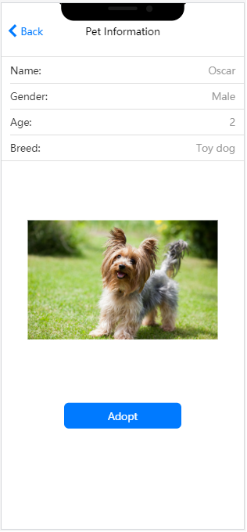 | You can embed the image and show it.
PR002 | Screen for electonical file forms | 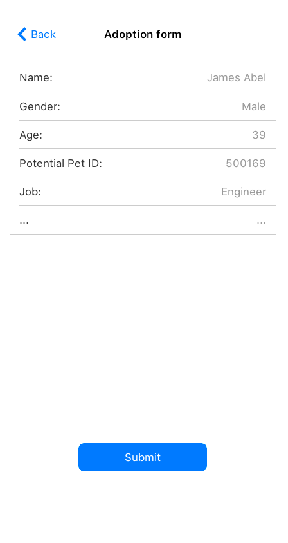 | Or you can embed the image and show an icon.
PR003 | Screen for viewing and updating vaccinaton records | 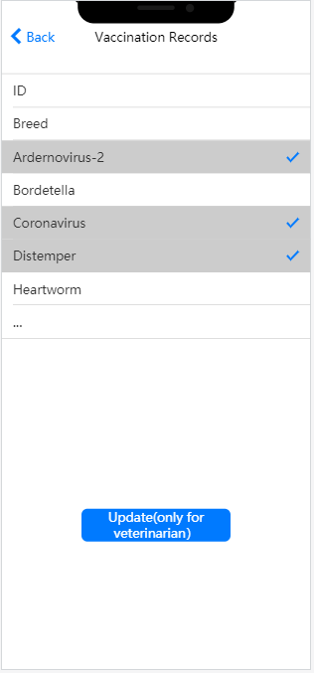
PR004 | Application drawer to navigate to different screens | 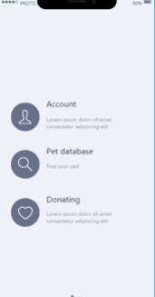

OIDs
Object Interaction Diagrams

Author Notes:
 |  |  |  | Score:
Review Notes: | Example review notes |  |  | 100

OID ID | Name | Embedded Diagram | Author Notes | Review Notes
OID001 | Pet adoption process | 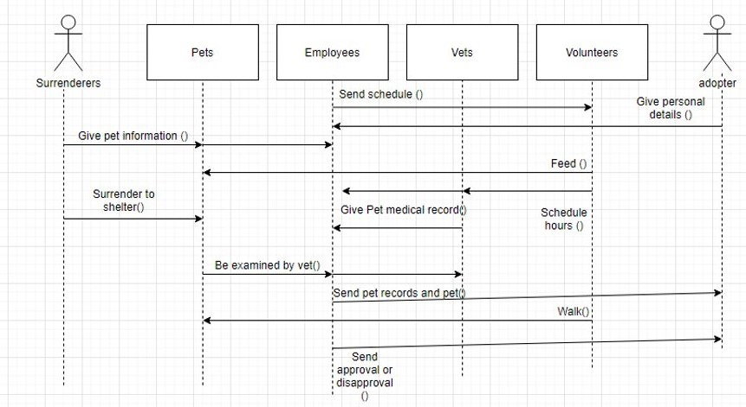 | You can embed the diagram and show it.
OID002 | Browse pet photos | 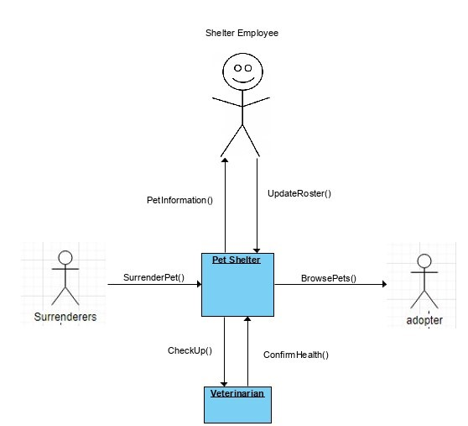 | Communication Diagram showing the process for adopters to browse pets that have been brought to the shelter.

StateCharts
StateCharts

Author Notes:
 |  |  |  | Score:
Review Notes: | Example review notes |  |  | 100

SC ID | Name (Class) | Embedded Diagram | Author Notes | Review Notes
SC001 | Animal | 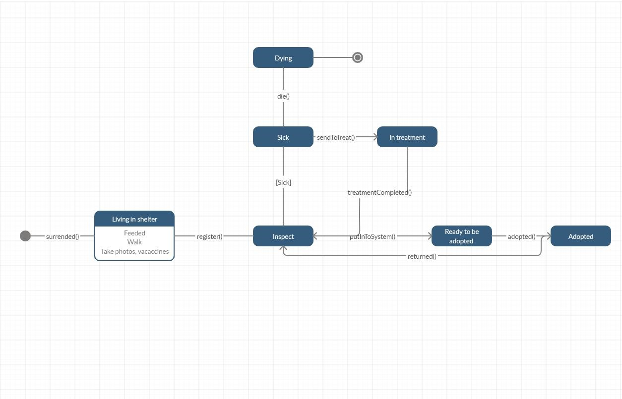 | You can embed the diagram and show it.
 |  |  | Or you can embed the diagram and show an icon.

