network structures-v1.1
network "Nexus supplier with high out-degree centrality"

 |  |  |  |  |  | Agent | Low price variability | High price variability |  | Agent | Price (mean) | Fixed cost | Variable cost | Profit margin
 |  |  |  |  |  | B | µ=1679.616 ; σ=2.4 | µ=1679.616 ; σ=6.2 |  | B | 1,679.62 | 79,315.20 | 466.56 | 0.25
 |  |  |  |  |  | S1 | µ=93.312 ; σ=0.5 | µ=93.312 ; σ=1.5 |  | S11 | 93.312 | 4,406.40 | 25.92 | 0.25
 |  |  |  |  |  | S21_o | µ=25.92 ; σ=0.27 | µ=25.92 ; σ=0.6 |  | S12 | 93.312 | 4,406.40 | 25.92 | 0.25
 |  |  |  |  |  | RM | µ= 3.6 ; σ=0.08 | µ=3.6 ; σ=0.3 |  | S13 | 93.312 | 4,406.40 | 25.92 | 0.25
 |  |  |  |  |  |  |  |  |  | S14 | 93.312 | 4,406.40 | 25.92 | 0.25
 |  |  |  |  |  | high variability = high variability coeff = 2.7% |  |  |  | S15 | 93.312 | 4,406.40 | 25.92 | 0.25
 |  |  |  |  |  | σ | σ=(1679.616/2.7)/100 | 6.2208 |  | S21_o | 25.92 | 1,224 | 7.2 | 0.25
 |  |  |  |  |  | Low variability = low variability coefficient = 0.3% |  |  |  | RM1 | 3.6 | 170 | 1 | 0.25
 |  |  |  |  |  | σ | σ=1679.616*.3/100/2 | 2.519424 |  | RM2 | 3.6 | 170 | 1 | 0.25

 |  |  |  |  |  |  |  |  |  |  | FC/VC | 1.7
 |  |  |  |  |  |  |  |  |  |  | Q | 100
 |  |  |  |  |  |  |  |  |  | FC-value | Q* (FC/VC) | 170
 |  |  |  |  |  |  |  |  |  | Price mean= | (FC-value/Q +VC)/(1-target profit) | 3.6
 |  |  |  |  |  |  |  |  |  | VC(S15) |  | 25.92 | VC(B) | 466.56
 |  |  |  |  |  |  |  |  |  | FC-value(S15) | 100*1.7 * 25.92 | 4406.4 | FC-value(B) | 79315.2
 |  |  |  |  |  |  |  |  |  | Price mean= | (4406.4/100+25.92)/(1-0.25) | 93.312 | Price mean | 1679.616

network "Nexus supplier with high out-degree centrality"

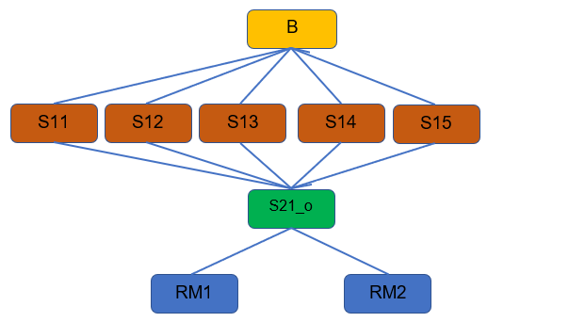

 |  |  |  |  | Agent | Low price variability | High price variability |  | Agent | Price (mean) | Fixed cost | Variable cost | Profit margin
 |  |  |  |  | B | µ=1679.616 ; σ=2.4 | µ=1679.616 ; σ=6.2 |  | B | 1,679.62 | 79,315.20 | 466.56 | 0.25
 |  |  |  |  | S1 | µ=93.312 ; σ=0.5 | µ=93.312 ; σ=1.5 |  | S11 | 93.312 | 4,406.40 | 25.92 | 0.25
 |  |  |  |  | S21_o | µ=25.92 ; σ=0.27 | µ=25.92 ; σ=0.6 |  | S12 | 93.312 | 4,406.40 | 25.92 | 0.25
 |  |  |  |  | RM | µ= 3.6 ; σ=0.08 | µ=3.6 ; σ=0.3 |  | S13 | 93.312 | 4,406.40 | 25.92 | 0.25
 |  |  |  |  |  |  |  |  | S14 | 93.312 | 4,406.40 | 25.92 | 0.25
 |  |  |  |  | high variability = high variability coeff = 2.7% |  |  |  | S15 | 93.312 | 4,406.40 | 25.92 | 0.25
 |  |  |  |  | σ | σ=(1679.616/2.7)/100 | 6.2208 |  | S21_o | 25.92 | 1,224 | 7.2 | 0.25
 |  |  |  |  | Low variability = low variability coefficient = 0.3% |  |  |  | RM1 | 3.6 | 170 | 1 | 0.25
 |  |  |  |  | σ | σ=1679.616*.3/100/2 | 2.519424 |  | RM2 | 3.6 | 170 | 1 | 0.25

 |  |  |  |  |  |  |  |  |  | FC/VC | 1.7
 |  |  |  |  |  |  |  |  |  | Q | 100
 |  |  |  |  |  |  |  |  | FC-value | Q* (FC/VC) | 170
 |  |  |  |  |  |  |  |  | Price mean= | (FC-value/Q +VC)/(1-target profit) | 3.6
 |  |  |  |  |  |  |  |  | VC(S15) |  | 25.92 | VC(B) | 466.56
network "Nexus supplier with high in_out-degree centrality" |  |  |  |  |  |  |  |  | FC-value(S15) | 100*1.7 * 25.92 | 4406.4 | FC-value(B) | 79315.2
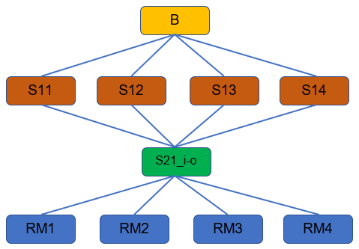
 |  |  |  |  |  |  |  |  | Price mean= | (4406.4/100+25.92)/(1-0.25) | 93.312 | Price mean | 1679.616

 |  |  |  |  | Agent | Low price variability | High price variability |  | Agent | Price (mean) | Fixed cost | Variable cost | Profit margin
 |  |  |  |  | B | µ=2,687.385 ; σ=2.8 | µ=2,687.385 ; σ=8.5 |  | B | 2,687.39 | 126,904.32 | 746.496 | 0.25
 |  |  |  |  | S1 | µ=186.624 ; σ=0.7 | µ=186.624 ; σ=2.2 |  | S11 | 186.624 | 8,812.80 | 51.84 | 0.25
 |  |  |  |  | S21_i-o | µ=51.84 ; σ=0.3 | µ=51.84 ; σ=1.1 |  | S12 | 186.624 | 8,812.80 | 51.84 | 0.25
 |  |  |  |  | RM | µ=3.6 ; σ=0.08 | µ=3.6 ; σ=0.3 |  | S13 | 186.624 | 8,812.80 | 51.84 | 0.25
 |  |  |  |  |  |  |  |  | S14 | 186.624 | 8,812.80 | 51.84 | 0.25
 |  |  |  |  |  |  |  |  | S21_i-o | 51.84 | 2,448 | 14.4 | 0.25
 |  |  |  |  |  |  |  |  | RM1 | 3.6 | 170 | 1 | 0.25
 |  |  |  |  |  |  |  |  | RM2 | 3.6 | 170 | 1 | 0.25
 |  |  |  |  |  |  |  |  | RM3 | 3.6 | 170 | 1 | 0.25
 |  |  |  |  |  |  |  |  | RM4 | 3.6 | 170 | 1 | 0.25

 |  | S21_i (Nexus in-degree) | S21_o (Nexus out-degree) | S21_i-o (Nexus in-out-degree)
 | Supply level | 2° | 2° | 2°
 | In-degree centrality | 0.666 | 0.222 | 0.444
 | Out-degree centrality | 0.222 | 0.666 | 0.444
 | Betweenness centrality | 0.5 | 0.39 | 0.55

σ-calc
X Variable 1 Residual Plot
µ | σ | SUMMARY OUTPUT
1000.2 | 4.5
272.23 | 2 | Regression Statistics
12.96 | 0.6 | Multiple R | 0.98429750088
59.6 | 1.1 | R Square | 0.96884157024
3.6 | 0.3 | Adjusted R Square | 0.96644476796
2015.539 | 7.3 | Standard Error | 0.50989756333
279.936 | 2.7 | Observations | 15
77.76 | 1.4
3.6 | 0.3 | ANOVA
2015.539 | 7.3 |  | df | SS | MS | F | Significance F
93.312 | 1.5 | Regression | 1 | 105.09605817 | 105.09605817 | 404.22256552 | 3.5547792379E-11
Normal Probability Plot
25.92 | 0.6 | Residual | 13 | 3.3799418261 | 0.25999552509
2687.385 | 8.5 | Total | 14 | 108.476
186.624 | 2.2
51.84 | 1.1 |  | Coefficients | Standard Error | t Stat | P-value | Lower 95% | Upper 95% | Lower 95.0% | Upper 95.0%
 |  | Intercept | 0.98233108895 | 0.15858995745 | 6.1941569613 | 3.2491422419E-05 | 0.63971831563 | 1.3249438623 | 0.63971831563 | 1.3249438623
Eqn |  | X Variable 1 | 0.0030349302406 | 0.00015095184863 | 20.105287004 | 3.5547792379E-11 | 0.0027088185982 | 0.003361041883 | 0.0027088185982 | 0.003361041883
σ=Intercept+X Variable 1 * µ

 |  | RESIDUAL OUTPUT |  |  |  |  | PROBABILITY OUTPUT

 |  | Observation | Predicted Y | Residuals | Standard Residuals |  | Percentile | Y
 |  | 1 | 4.0178683156 | 0.4821316844 | 0.98123962582 |  | 3.3333333333 | 0.3
 |  | 2 | 1.8085301483 | 0.19146985165 | 0.3896815158 |  | 10 | 0.3
 |  | 3 | 1.0216637849 | -0.42166378486 | -0.85817470178 |  | 16.666666667 | 0.6
 |  | 4 | 1.1632129313 | -0.063212931285 | -0.12865164238 |  | 23.333333333 | 0.6
 |  | 5 | 0.99325683781 | -0.69325683781 | -1.4109238246 |  | 30 | 1.1
 |  | 6 | 7.0993513512 | 0.20064864883 | 0.40836230323 |  | 36.666666667 | 1.1
 |  | 7 | 1.8319173208 | 0.86808267922 | 1.7667312705 |  | 43.333333333 | 1.4
 |  | 8 | 1.2183272645 | 0.18167273555 | 0.36974231899 |  | 50 | 1.5
 |  | 9 | 0.99325683781 | -0.69325683781 | -1.4109238246 |  | 56.666666667 | 2
 |  | 10 | 7.0993513512 | 0.20064864883 | 0.40836230323 |  | 63.333333333 | 2.2
 |  | 11 | 1.2655264996 | 0.23447350044 | 0.47720300757 |  | 70 | 2.7
 |  | 12 | 1.0609964808 | -0.46099648078 | -0.93822503051 |  | 76.666666667 | 4.5
 |  | 13 | 9.1383570936 | -0.6383570936 | -1.2991912706 |  | 83.333333333 | 7.3
 |  | 14 | 1.5487219102 | 0.65127808983 | 1.3254882221 |  | 90 | 7.3
 |  | 15 | 1.1396618726 | -0.039661872618 | -0.08072027271 |  | 96.666666667 | 8.5

