Dashboard
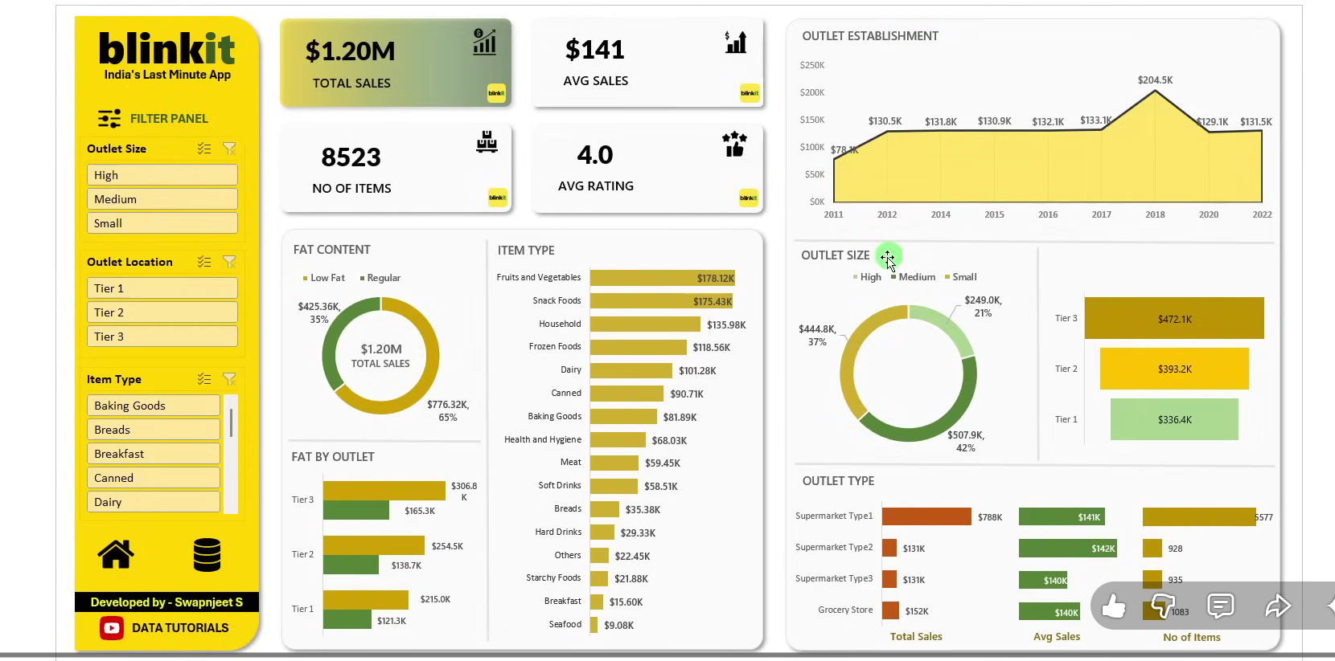
 | Total
Seafood | ₹ 9.1K
Breakfast | ₹ 15.6K
Starchy Foods | ₹ 21.9K
Others | ₹ 22.5K
Hard Drinks | ₹ 29.3K
Breads | ₹ 35.4K
Soft Drinks | ₹ 58.5K
Meat | ₹ 59.4K
Health and Hygiene | ₹ 68.0K
Baking Goods | ₹ 81.9K
Canned | ₹ 90.7K
Dairy | ₹ 101.3K
Frozen Foods | ₹ 118.6K
Household | ₹ 136.0K
Snack Foods | ₹ 175.4K
Fruits and Vegetables | ₹ 178.1K
 | Total
2011 | ₹ 78.1K
2012 | ₹ 130.5K
2014 | ₹ 131.8K
2015 | ₹ 130.9K
2016 | ₹ 132.1K
2017 | ₹ 133.1K
2018 | ₹ 204.5K
2020 | ₹ 129.1K
2022 | ₹ 131.5K
 | Total
Low Fat | ₹ 776.3K
Regular | ₹ 425.4K
 | Total
Grocery Store | ₹ 151.9K
Supermarket Type3 | ₹ 130.7K
Supermarket Type2 | ₹ 131.5K
Supermarket Type1 | ₹ 787.5K
 | Total
High | ₹ 249.0K
Small | ₹ 444.8K
Medium | ₹ 507.9K
blinkit
india's Last minute App
FILTER PANEL
₹ 1.2M
TOTAL SALES
₹ 141
8.5K
AVG SALES
NO OF ITEMS
4.0
AVG RATING
OUTET TYPE
FAT CONTENT
OUTLET LOCATION
OUTLET ESTABLISMENT
OUTET SIZE
ITEM TYPE

Sheet Design
Total Sales | Average Sales | number of items | Average of Rating
1201681.4928 | 140.99278339 | 8523 | 3.9658570926
FAT CONTENT
₹ 1.2M | ₹ 141 | 8.5K | 4.0

Row Labels | Sum of Sales
Low Fat | ₹ 776.3K
Regular | ₹ 425.4K
ITEM TYPE
Row Labels | Sum of Sales
Seafood | ₹ 9.1K
Breakfast | ₹ 15.6K
Starchy Foods | ₹ 21.9K
Others | ₹ 22.5K
Hard Drinks | ₹ 29.3K
Breads | ₹ 35.4K
Soft Drinks | ₹ 58.5K
Meat | ₹ 59.4K
Health and Hygiene | ₹ 68.0K
Baking Goods | ₹ 81.9K
Canned | ₹ 90.7K
Dairy | ₹ 101.3K
Frozen Foods | ₹ 118.6K
Household | ₹ 136.0K
Snack Foods | ₹ 175.4K
Fruits and Vegetables | ₹ 178.1K
OUTLET ESTABLISMENT
Grand Total | ₹ 1201.7K
Row Labels | Sum of Sales
2011 | ₹ 78.1K
2012 | ₹ 130.5K
2014 | ₹ 131.8K
2015 | ₹ 130.9K
2016 | ₹ 132.1K
2017 | ₹ 133.1K
2018 | ₹ 204.5K
2020 | ₹ 129.1K
2022 | ₹ 131.5K

Row Labels | Sum of Sales
Tier 3 | ₹ 472.1K |  | Tier 3 | ₹ 472.1K
Tier 2 | ₹ 393.2K |  | Tier 2 | ₹ 393.2K
Tier 1 | ₹ 336.4K |  | Tier 1 | ₹ 336.4K

Row Labels | Sum of Sales
Grocery Store | ₹ 151.9K
Supermarket Type3 | ₹ 130.7K
Supermarket Type2 | ₹ 131.5K
Supermarket Type1 | ₹ 787.5K

Row Labels | Average of Sales
Grocery Store | 140 K
Supermarket Type3 | 140 K
Supermarket Type2 | 142 K
Supermarket Type1 | 141 K

Row Labels | Sum of Sales
Baking Goods | 81895
Breads | 35379
Breakfast | 15597
Canned | 90707
Dairy | 101276
Frozen Foods | 118559
Fruits and Vegetables | 178124
Hard Drinks | 29335
Health and Hygiene | 68026
Household | 135977
Meat | 59450
Others | 22452
Seafood | 9078
Snack Foods | 175434
Soft Drinks | 58514
Starchy Foods | 21880

Row Labels | Sum of Sales
High | ₹ 249.0K
Small | ₹ 444.8K
Medium | ₹ 507.9K

