ToolLife
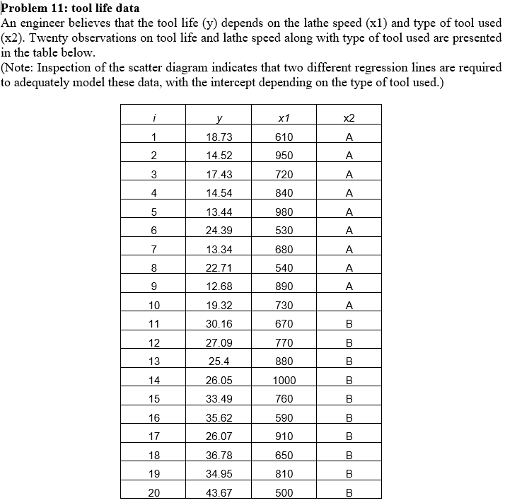
i | y | x1 | x2
1 | 18.73 | 610 | A
2 | 14.52 | 950 | A
3 | 17.43 | 720 | A
4 | 14.54 | 840 | A
5 | 13.44 | 980 | A
6 | 24.39 | 530 | A
7 | 13.34 | 680 | A
8 | 22.71 | 540 | A
9 | 12.68 | 890 | A
10 | 19.32 | 730 | A
11 | 30.16 | 670 | B
12 | 27.09 | 770 | B
13 | 25.4 | 880 | B
14 | 26.05 | 1000 | B
15 | 33.49 | 760 | B
16 | 35.62 | 590 | B
17 | 26.07 | 910 | B
18 | 36.78 | 650 | B
19 | 34.95 | 810 | B
20 | 43.67 | 500 | B

