Sheet1
 | Project Name | City Finder
 | Reference Document | IFB299-Story-Cards-VER-1.3.pptx
 | Created by | IFB299 Group 114
 | Date of creation | 15-Oct-17
 | Date of review | 21-Oct-17

Test case ID | Test Objective | Precondition | Steps: | Test data | Expected result / Acceptance criteria | Post-condition | Test Status
TC_01 | Register a new account on the City Finder website. | 1. City Finder website is launched on a compatible browser | 1. Navigate to the account registration page by clicking "Login" on the top-right hand corner of the website | Name: John, Surname: Forge, Username: john01 Password: password User type: Businessman, Phone number: 1234567890, Email: johnforge@hotmail.com, Address: 1, ABC Street, Paddington, 1000, Brisbane | A ‘Register‘ button is displayed. | User can log in the City Finder website using their newly created account | Passed
 |  |  | 2. Click the "Register" button when prompted to either log in or register |  | 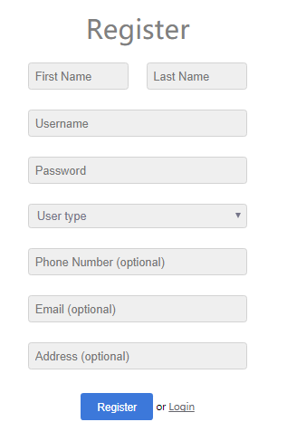 Clicking ‘Register‘ redirects the user to a page that contains compulsory user input fields for the user‘s name, unique username, and password, as well as optional user input fields for the user‘s phone number, email address and residential address).
 |  |  | 3. Fill in all the required fields in the registration form |  | The system stores all the account information into a database.
 |  |  | 4. Submit the form by clicking "Register"
Test case ID | Test Objective | Precondition | Steps: | Test data | Expected result / Acceptance criteria | Post-condition | Test Status
TC_02 | Log in the City Finder website using an existing username and password. | 1. City Finder website is launched on a compatible browser | 1. Navigate to the login page by clicking the "Login" button in the top-right hand corner of the website | Username: johnny, Password: password | A 'Log in' button is displayed | User can use the services on the City Finder website | Passed
 |  | 2. An account has already been created | 2. Enter a valid username and password |  | 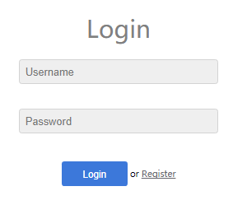 Clicking 'Log in' displays two user input fields for the user's username and password.
 |  |  | 3. Click "Login" |  | The log-in display has another 'Log in' button, which when clicked should permit the user to enter the system, as long as the username and password are valid.
 |  |  |  |  | The system stores all the account information into a database.
Test case ID | Test Objective | Precondition | Steps: | Test data | Expected result / Acceptance criteria | Post-condition | Test Status
TC_03 | Edit account details on the user's personal profile. | 1. City Finder website is launched on a compatible browser | 1. Navigate to the account details page by clicking "Edit Account" on the top-right hand corner of the website | Username: johnny, Password: password | A link "Edit account" is displayed when the user is logged in. | Users can ensure that their account details are up-to-date | Passed
 |  | 2. An account is already logged in | 2. Replace account details with new information |  | 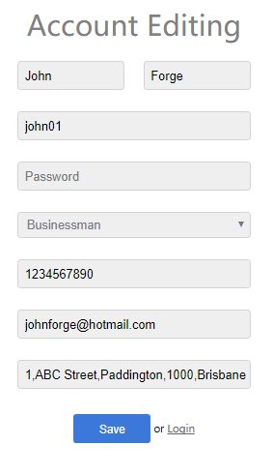 Clicking on the "Edit account" link redirects the user to a new page that displays the user's current email addresss, phone number, and residential address in separate user input fields. |  | The "Cancel" button is substituted for "Login", which essentially serves the same purpose of cancelling the changes
 |  |  | 3. Click "Save" |  | Clicking on a user input field deletes the user's previously entered infromation, and allow the user to input their new details.
 |  |  |  |  | Clicking on the "Save changes" link updates the user's account details
 |  |  |  |  | Clicking on the "Cancel" link redirects the user to their previous page and revert any changes.
 |  |  |  |  | All account information is stored in a database, and is updated whenever the user edits their account.
Test case ID | Test Objective | Precondition | Steps: | Test data | Expected result / Acceptance criteria | Post-condition | Test Status
TC_04 | Hide the user's password with asterisks for each character the user inputs into the password field | 1. City Finder website is launched on a compatible browser | 1. Navigate to the login page by clicking the "Login" button in the top-right hand corner of the website | Username: johnny, Password: password | A user input field is provided for the user's password. | Users can securely login to the website | Passed
 |  |  | 2. Enter a valid username and password |  | An asterisk is displayed instead of the user's actual input for every character that the user inputs.
 |  |  |  |  | The password is be stored into a database.
 |  |  |  |  | The password is at least 6 characters
 |  |  |  |  | Passwords contains uppercase and lowercase letters, numbers, and special characters.

