Sheet1
 | Project Name | City Finder
 | Reference Document | IFB299-Story-Cards-VER-1.3.pptx
 | Created by | IFB299 Group 114
 | Date of creation | 15-Oct-17
 | Date of review | 21-Oct-17

Test case ID | Test Objective | Precondition | Steps: | Test data | Expected result / Acceptance criteria | Post-condition | Test Status
TC_05 | Admin Register | 1. City Finder website is launched on a compatible browser | 1. Input 'http://localhost:8000/CityFinder/adminRegister/' in the link box | Name: Tom, Surname: Sam, Username: tom01, Password: 123, Phone number: 1234567890, Email: tomsam@gmail.com, Address: 4, AC Street, Paddington, 4020, Brisbane | A ‘Register‘ button is displayed.An ‘Administrator‘ user account can be created using a separate web page. | Admin can log in the City Finder website using their admin account | Passed
 |  |  | 2. Fill in all the required fields in the registration form |  | 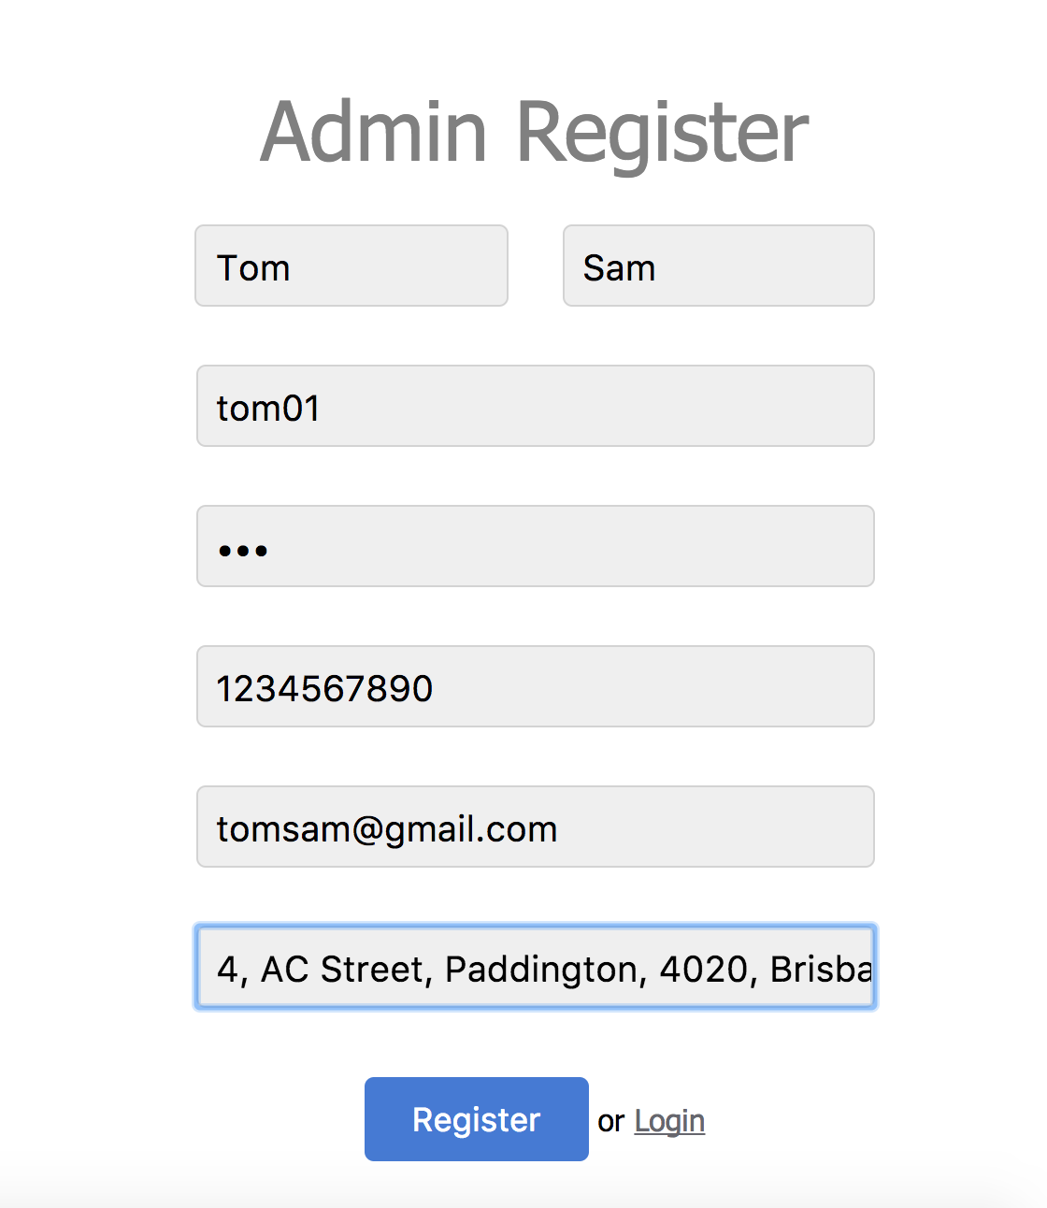 User type ‘Administrator‘ can create and modify all the data for each city.
Test case ID | Test Objective | Precondition | Steps: | Test data | Expected result / Acceptance criteria | Post-condition | Test Status
TC_06 | Edit city information | 1. City Finder website is launched on a compatible browser | 1. Navigate to the ogin page by clicking the "Login" button in the top-right hand corner of the website | Username: tom01 Password: 123, DataType: restaurant, IndustryType: none, Data name: Jackpot Dining, Address: 1/96 Albert St, Brisbane City QLD 4000, Phone: (07) 3210 0219, Email: KFC@gmail.com, CityID: 5, Latitude: -27.470995, Longitude :153.024911 | 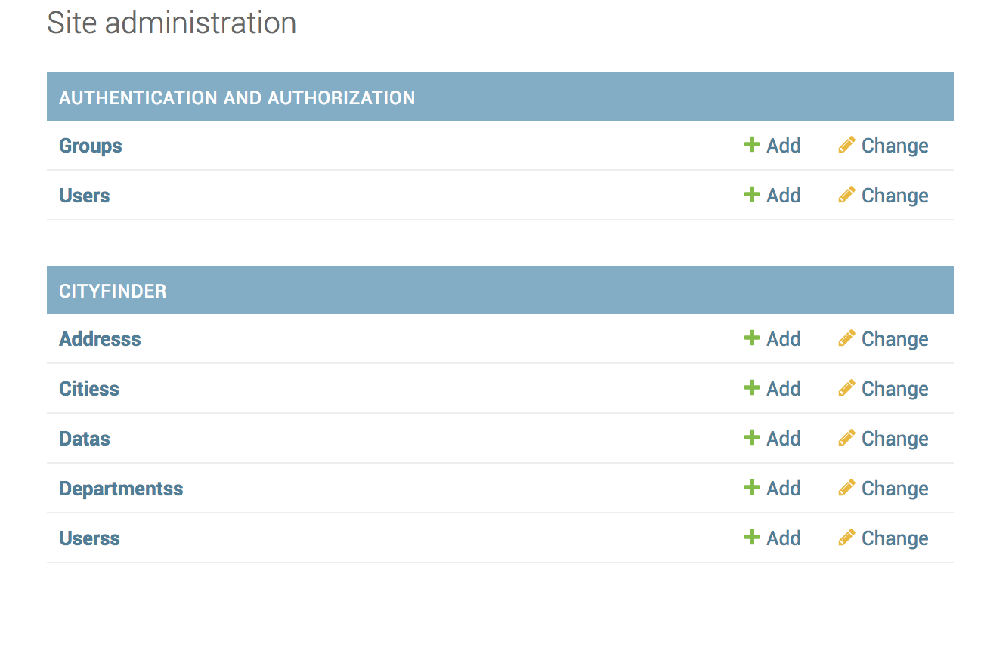 A link ‘Edit information‘ is displayed for Administrators for each type of information | Admin can add and change data in this page | Passed (replace 'cancel' button with 'delete' button
 |  | 2. An admin account has already logged in | 2. Enter a valid username and password |  | 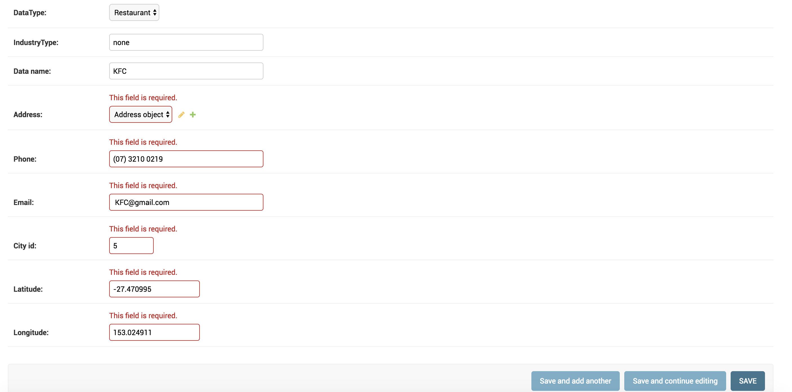 Clicking ‘Edit information‘ displays the information in an editable format, allowing Administrators to modify all the separate information that is provided in the system.
 |  |  | 3. Click "Login" |  | Clicking on “Save changes“ link should update the city information.
 |  |  | 4. Go CITYFINDER secton , click 'addreses', 'cities', 'datas', 'departments' to add and change information |  | Clicking on “Cancel“ link should redirect the administrator to their previous page and revert any changes.
Test case ID | Test Objective | Precondition | Steps: | Test data | Expected result / Acceptance criteria | Post-condition | Test Status
TC_07 | Restaurant informationa properly displays | 1. City Finder website is launched on a compatible browser | 1. click restaurant | Restaurant:KFC | A ‘Restaurants’ link is provided for all users | Users can see up-to-date restaurants information | Passed
 |  | 2. An account is already logged in | 2.click one of the restaurants that has displayed on the right screen |  | 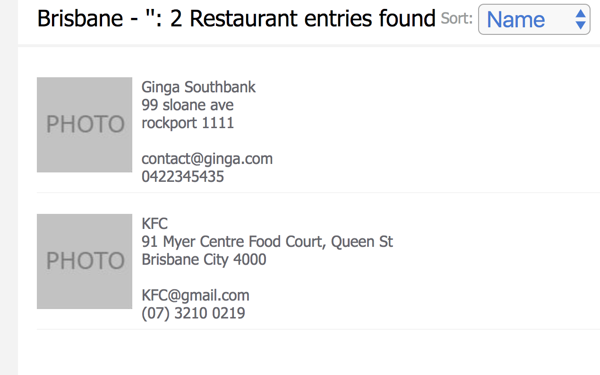 Clicking on ‘Restaurants’ displays a list of names, addresses, phone numbers, and email addresses of the restaurants in the city
 |  | 3. City has been selected (brisbane) |  |  | 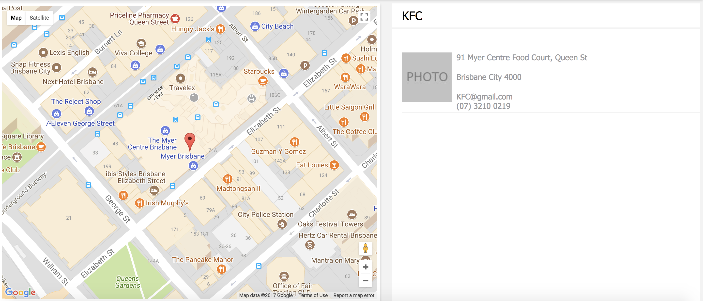 The restaurants are displayed on a city map
Test case ID | Test Objective | Precondition | Steps: | Test data | Expected result / Acceptance criteria | Post-condition | Test Status
TC_08 | Park informationa properly displays | 1. City Finder website is launched on a compatible browser | 1. Click park | Park: King Edward Park | A ‘Parks’ link is provided for all users, which directs the user to the ‘Parks’ page | Users can see up-to-date parks information | Passed (havent implemented photos of park features)
 |  | 2. An account is already logged in | 2. Click one of the parks that has displayed on the right screen |  | Users can browse through photos of the parks in the city
 |  | 3. City has been selected (brisbane) |  |  | 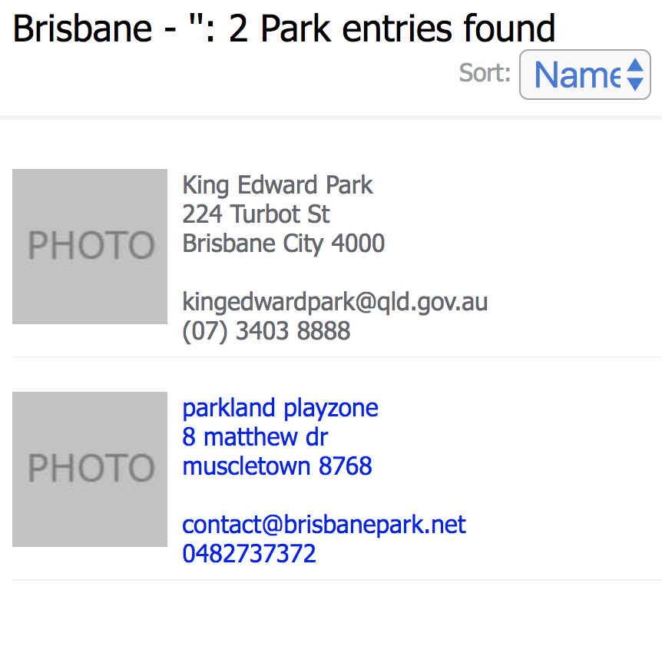 Clicking a name displays the name, address, phone number, and email address of the park
 |  |  |  |  | 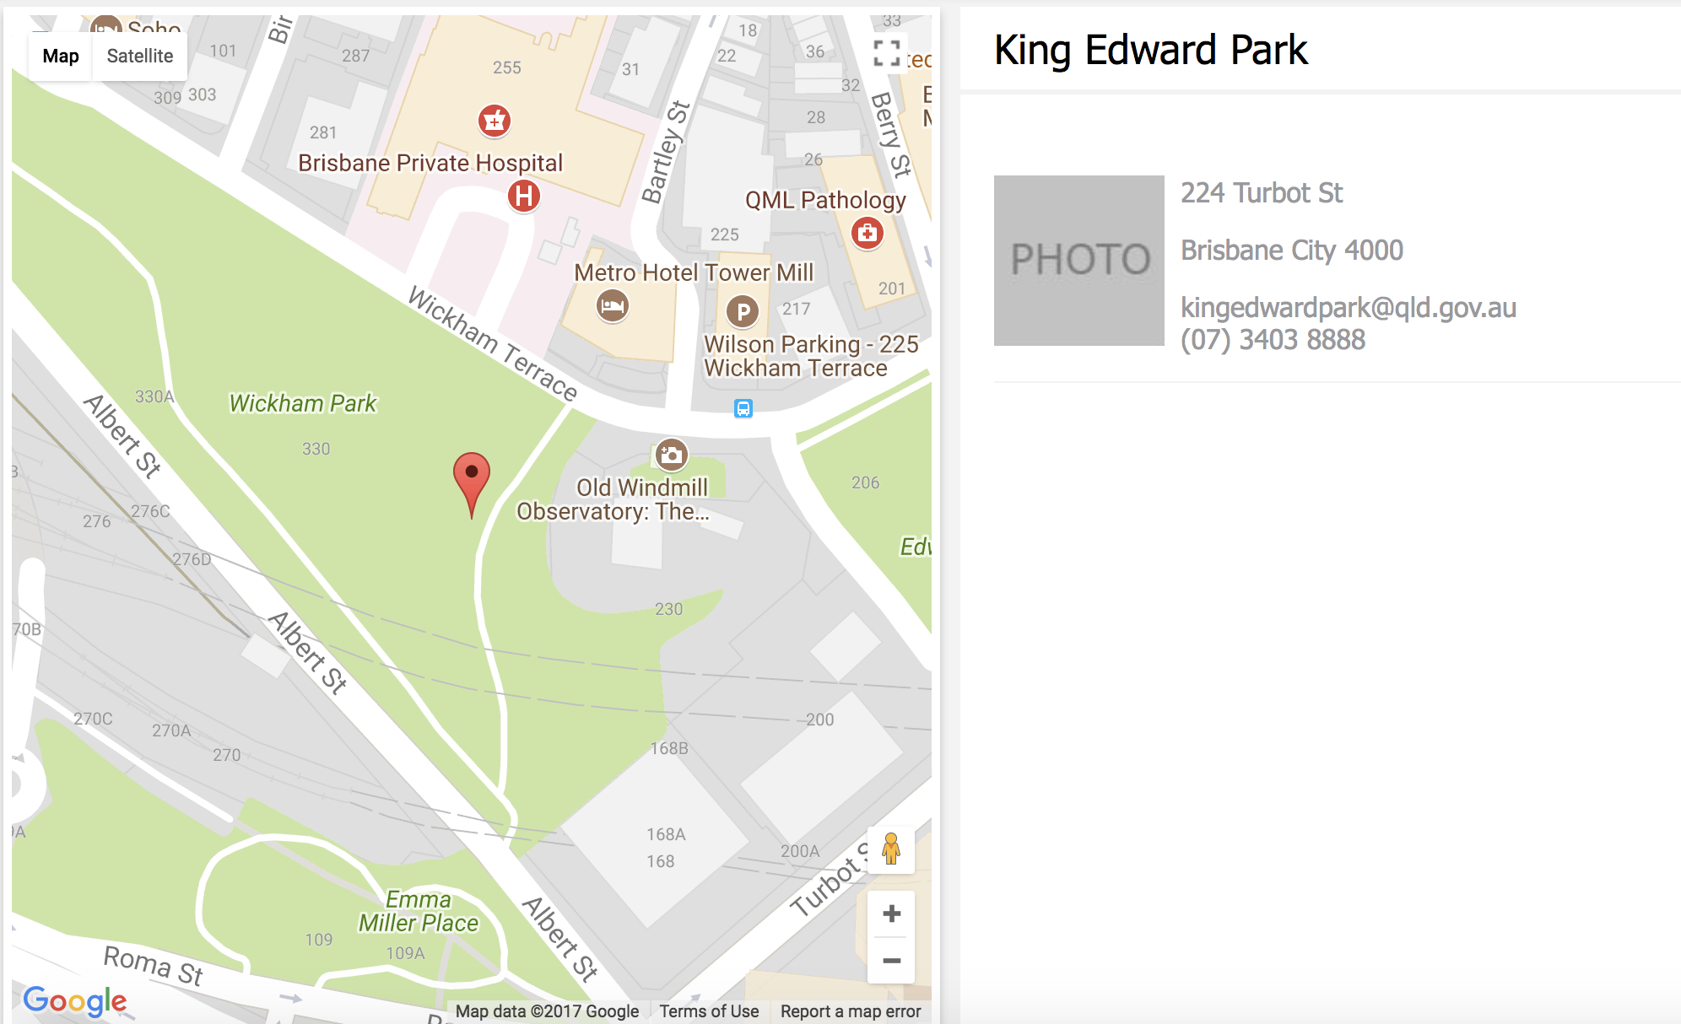 city map with the locations of the parks is provided.
Test case ID | Test Objective | Precondition | Steps: | Test data | Expected result / Acceptance criteria | Post-condition | Test Status
TC_09 | Museum informationa properly displays | 1. City Finder website is launched on a compatible browser | 1. Click musem | Museum: Museum of Brisbane | Users can click on a ‘Museums’ link, which directs the user to ‘Museums’ page | Users can see up-to-date museums information | Passed (havent implemented photos of museums features)
 |  | 2. An account is already logged in | 2. Click one of the museums that has displayed on the right screen |  | 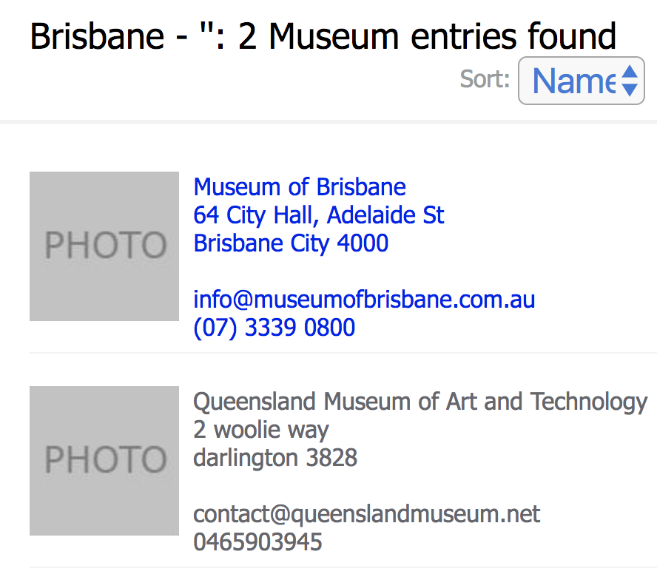 Users can see the name, address, phone number, and email address for each of the museums in the city.
 |  | 3. City has been selected (brisbane) |  |  | 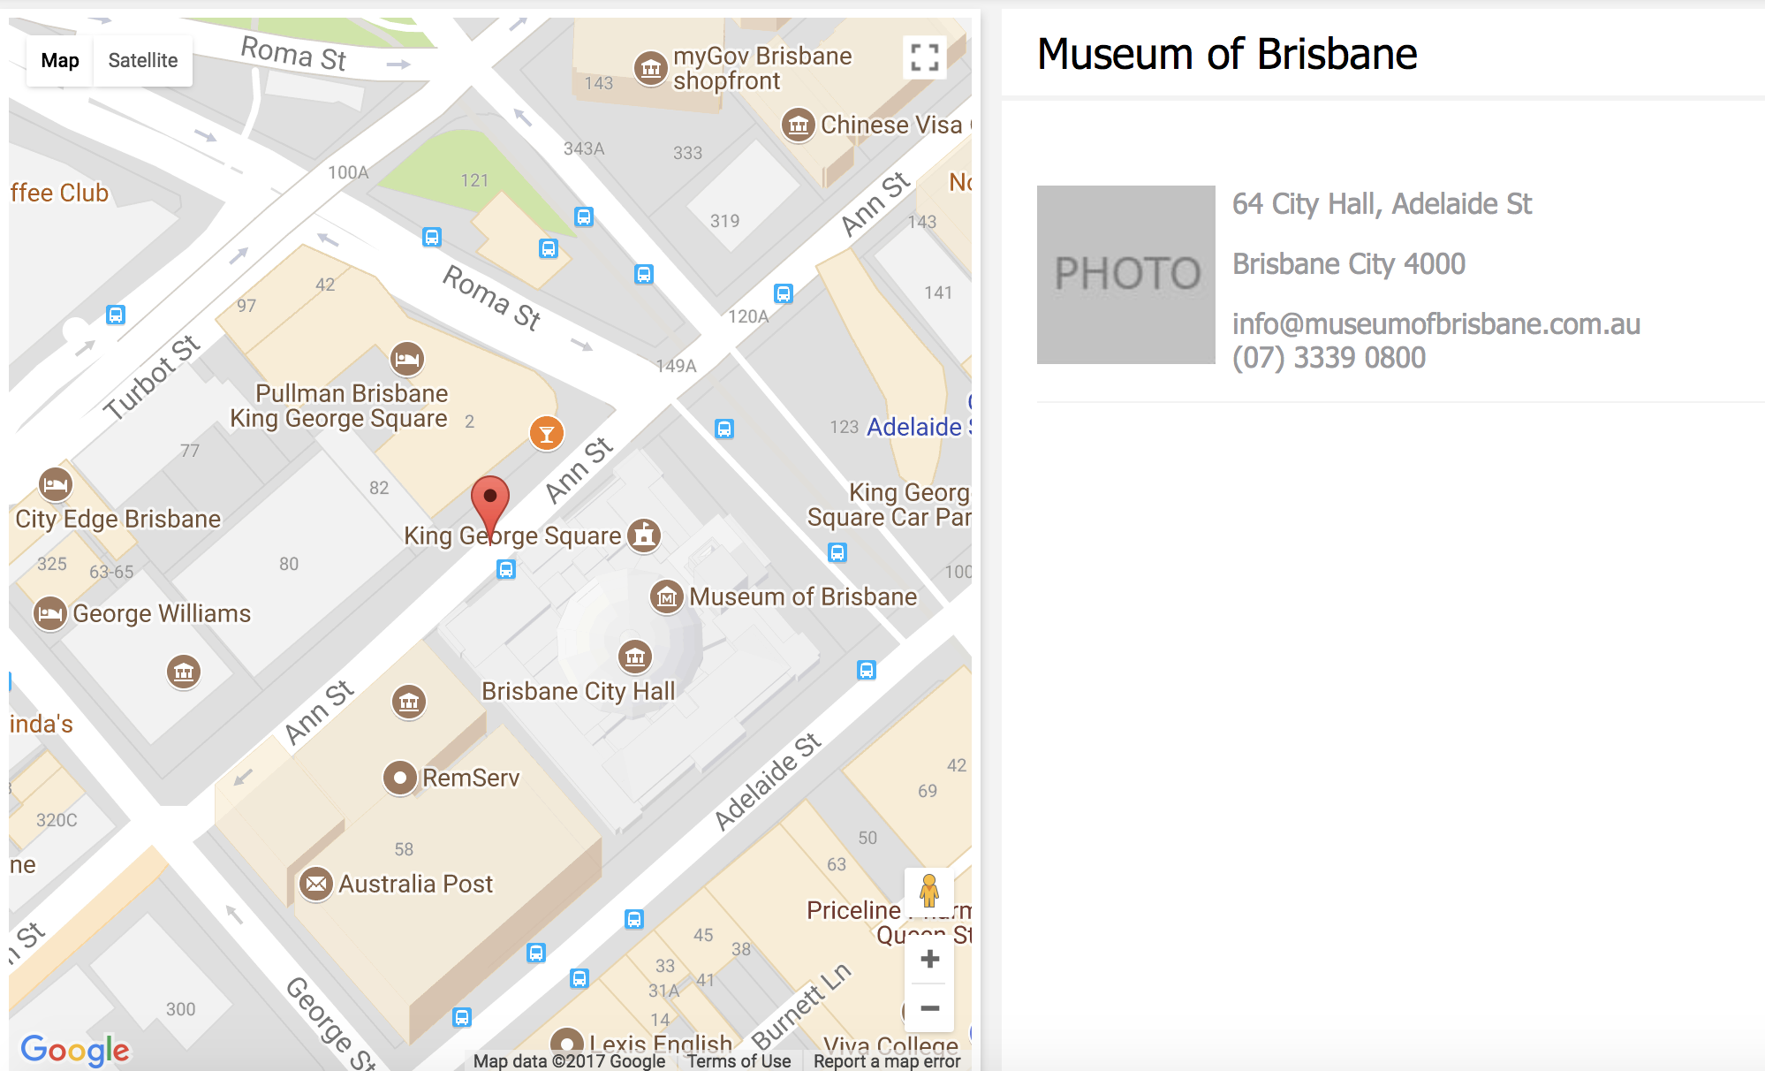 A city map is provided to pinpoint the locations of each museum in the city.
 |  |  |  |  | Users can see a photo of the museum.

