BGL Electricity Contract
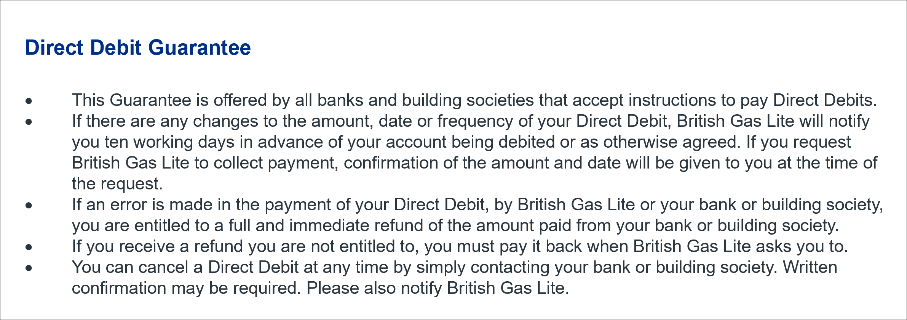
CUSTOMER COPY
CONTRACT
For the supply of electricity to a Fixed Term, Fixed Price Site
These contract details apply where 40% or more of the electricity consumption is for business purposes.
The terms of British Gas Lite require the following conditions being met for the full duration of the contract. Nonadherence to these conditions could lead to the cancellation of the contract:
You will require a fully communicating smart meter upon your supply transferring to Lite. If you haven’t got one, we will attempt to install one for you free of charge when you are on supply with Lite.
You will need to pay your bills monthly by variable direct debit. As such you will be covered by the direct debit guarantee.
You will need to manage your account through Lite’s online account management system, supported by webchat.
You understand they don’t have call centres.
If your business usage is between 40% and 99% you will need to complete a VAT declaration within your online account once you are on supply
From time to time, British Gas Lite may contact you about market related products that could be relevant or beneficial to you. You have a right to opt out and can do so at any time by contacting them on webchat.
I confirm that the information I have given is correct and complete, including the VAT information (if applicable)
Your legally binding contract and switch will only will start when British Gas Lite process your registration details and they will confirm this by email with a personalised link to register online and choose your password which you will need to do in order to view your contract, smart data rights and download your bills

Broker details |  |  |  | Meter Point Details

Broker name |  | Commercial Energy Solutions Ltd |  | Meter point administration no.

Sales agent name |  |  |  | S

Broker contact number

Your broker commission associated with agreeing this contract is included in your agreed unit rate. The estimated broker commission value is:

£ | for your | year contract.

Commission included |  |  | p/kWh

Supply details |  |  |  | Contract details
Business name:
Business name |  |  |  | Contract length |  |  |  | year(s)

Business contact number |  |  |  | Standing charge |  |  |  | p/day

Site address line 1 |  |  |  | Unit charges |  |  |  | p/kWh

Site address line 2 |  |  |  |  |  |  |  | p/kWh

City |  |  |  |  |  |  |  | p/kWh

Postcode |  |  |  | EAC |  |  |  | kWh

Customer personal details

Full name |  |  |  | Business status | Micro Business

Date of birth |  |  |  | Sale type | Acquisition

Home address line 1 (resident for a minimum of 5 years) |  |  |  |  | Upgrade

Home address line 2 |  |  |  |  | Renewal

City |  |  |  | Schedule attached |  | Yes | No

Postcode |  |  |  | Change of tenancy/ownership? |  | Yes | No

Previous home address |  |  |  | Change of tenancy date |  | / | /

 |  |  |  | Proposed start date

 |  |  |  | Termination notice served |  | Yes | No

Registered charity / Business number |  |  |  | Debt with current supplier |  | Yes | No

Existing account number |  |  |  | Current contract end date

Payment details |  |  |  | Confirmation details

 |  |  |  | Customer email

Account name |  |  |  | Signature

Sort code

Account number |  |  |  | Print name

Bank / Society name |  |  |  | Job title

 |  |  |  | Date

BGL Gas Contract Single
CUSTOMER COPY
CONTRACT
For the supply of gas to a Fixed Term, Fixed Price Site
These contract details apply where 40% or more of the gas consumption is for business purposes.
The terms of British Gas Lite require the following conditions being met for the full duration of the contract. Nonadherence to these conditions could lead to the cancellation of the contract:
You will need to pay your bills monthly by variable direct debit. As such you will be covered by the direct debit guarantee.
You will need to manage your account through Lite’s online account management system, supported by webchat.
You understand they don’t have call centres.
If your business usage is between 40% and 99% you will need to complete a VAT declaration within your online account once you are on supply
From time to time, British Gas Lite may contact you about market related products that could be relevant or beneficial to you. You have a right to opt out and can do so at any time by contacting them on webchat.
I confirm that the information I have given is correct and complete including the VAT information (if applicable)
Your legally binding contract and switch will only will start when British Gas Lite process your registration details and they will confirm this by email with a personalised link to register online and choose your password which you will need to do in order to view your contract, smart data rights and download your bills

Broker details |  |  |  | Meter Point Details
Broker name |  |  |  | Meter point reference number (MPRN)

Sales agent name |  |  |  | MPRN

Broker contact number

Your broker commission associated with agreeing this contract is included in your agreed unit rate. The estimated broker commission value is:

£ | for your | year contract.

Commission included |  |  | p/kWh

Supply details |  |  |  | Contract details
Business name:
Business name |  |  |  | Contract length |  |  |  |  | year(s)

Business contact number |  |  |  | Standing charge |  |  |  |  | p/day

Site address line 1 |  |  |  | Unit charges |  |  |  |  | p/kWh

Site address line 2 |  |  |  |  |  |  |  |  | p/kWh

City |  |  |  |  |  |  |  |  | p/kWh

Postcode |  |  |  | AQ |  |  |  |  | kWh

Customer personal details

Full name |  |  |  | Business status | Micro Business

Date of birth |  |  |  | Sale type |  |  | Acquisition

Home address line 1 (resident for a minimum of 5 years) |  |  |  |  |  |  | Upgrade

Home address line 2 |  |  |  |  |  |  | Renewal

City

Postcode |  |  |  | Change of tenancy/ownership? |  | Yes |  | No

Previous home address |  |  |  | Change of tenancy date |  | / |  | /

 |  |  |  | Proposed start date |  | / |  | /

 |  |  |  | Termination notice served |  | Yes |  | No

Registered charity / Business number |  |  |  | Debt with current supplier |  | Yes |  | No

Existing account number |  |  |  | Current contract end date |  | / |  | /

Payment details |  |  |  | Confirmation details

 |  |  |  | Customer email

Account name |  |  |  | Customer signature

Sort code

Account number |  |  |  | Print name

Bank / Society name |  |  |  | Job title

 |  |  |  | Date

