Instruction for running
OperationRequest.cpp/OperationRequest.h
CPP
createUserIdWithGoogleAcc.php
PHP
toDoListUserId.txt
TEXT FILE

Start
 |  | produces |  | used by

requestOperations.php
PHP
 |  |  |  |  | send POST request
 |  | access
 |  |  |  |  |  | 1. Login to Google Account using createUserIdWithGoogleAcc.php
 |  |  |  |  |  | 2. Once login to google account, a text file called "toDoListUserId.txt" that contain
 |  |  |  |  |  | a user id will be generated
 |  |  |  |  |  | 3. Place this text file into the same folder as your cpp file.
sql_queries_class.php
PHP
perform UPDATE/ |  |  |  |  |  | 4. CPP file will read this text file in order to get the user id
Database todo_list_db:
UserDetails Table
user_todo_db table
 | DELETE/ SELECT |  |  |  |  | 5. CPP file will give instruction to the server on what task that need to be done
 |  |  | access

Instruction for testing
A. Server side

1. Import the given db file to your environment

2. Setup your server detail according to your environment.
Please find it in the __construct function under the sql_queries_class.php
As you can see below, my environment is using localhost.
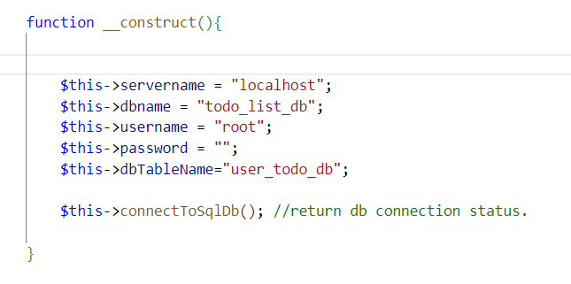

3. Using createUserIdWithGoogleAcc.php, sign in to Google account.
Once sign-in, it will register a new user id will be registered.
Then, it will generate a text file called toDoListUserId.txt inside the same folder as createUserIdWithGoogleAcc.php
You can see the your user id under the text file.
For, testing purpose using existing db, you can change the user id inside the text file into "user1"
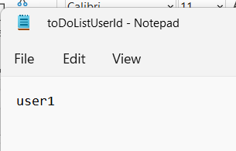
 |  | inside content

B. Client side
4. Put your cpp folder at Desktop

5. Copy the toDoListUserId.txt into the same folder as your CPP file

6. For testing cpp api, run the class_test.cpp. You will get output as below:

7. from the CPP file, execute this 3 commands first (for reference, please refer to "Interface documentation" sheet):
 | a. Insert 1 --> this allow userId to be set
 | b. Insert 3 --> to set the url that will receive the POST request
 | c. Insert 3--> to set the url to already define value
 | d. You can start insert command number 5 to 9

Interface documentation
1. interface at createUserIdWithGoogleAcc.php | 2. After click "Sign in with Google", we will directed to this page. We can start Sign In to Google.
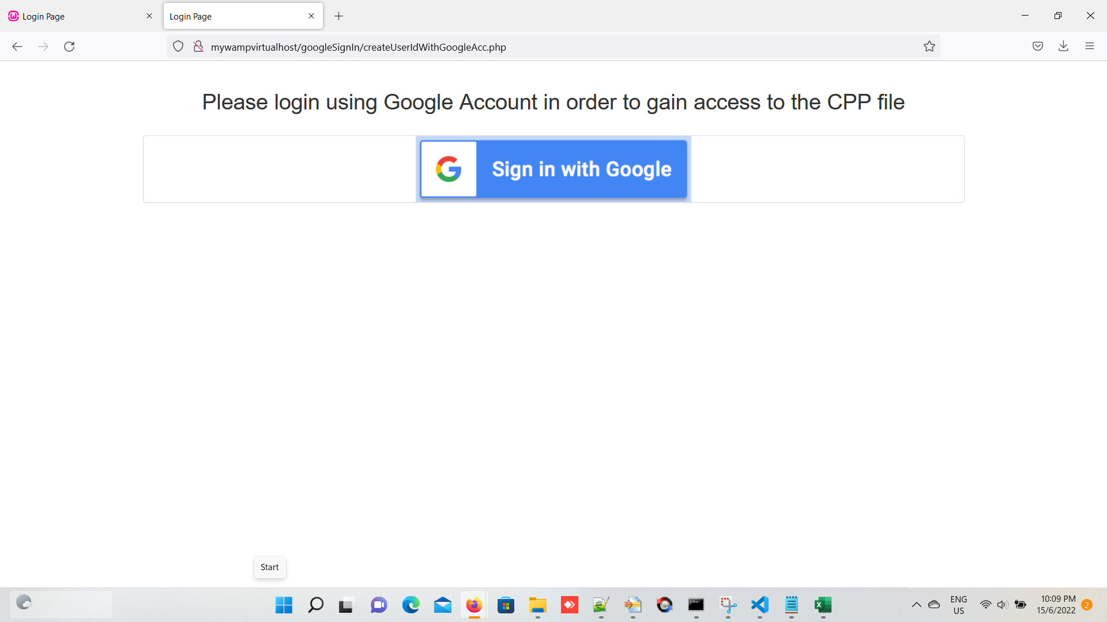
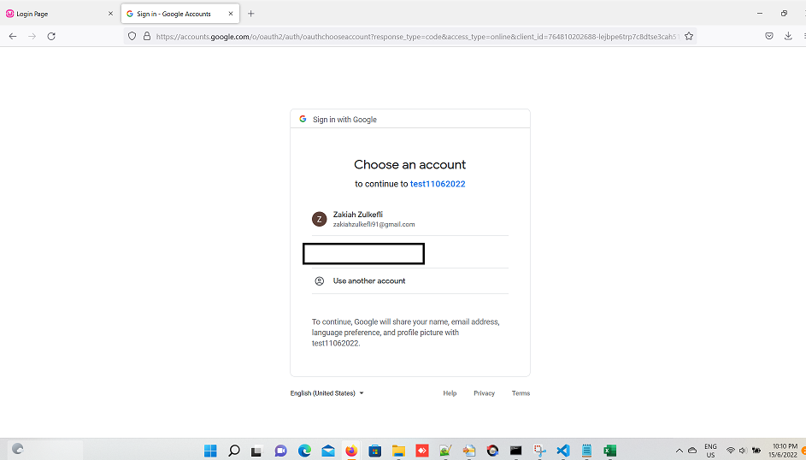

3. Once successs, we will directed to this page: |  | 4. toDoListUserId.txt will be generated
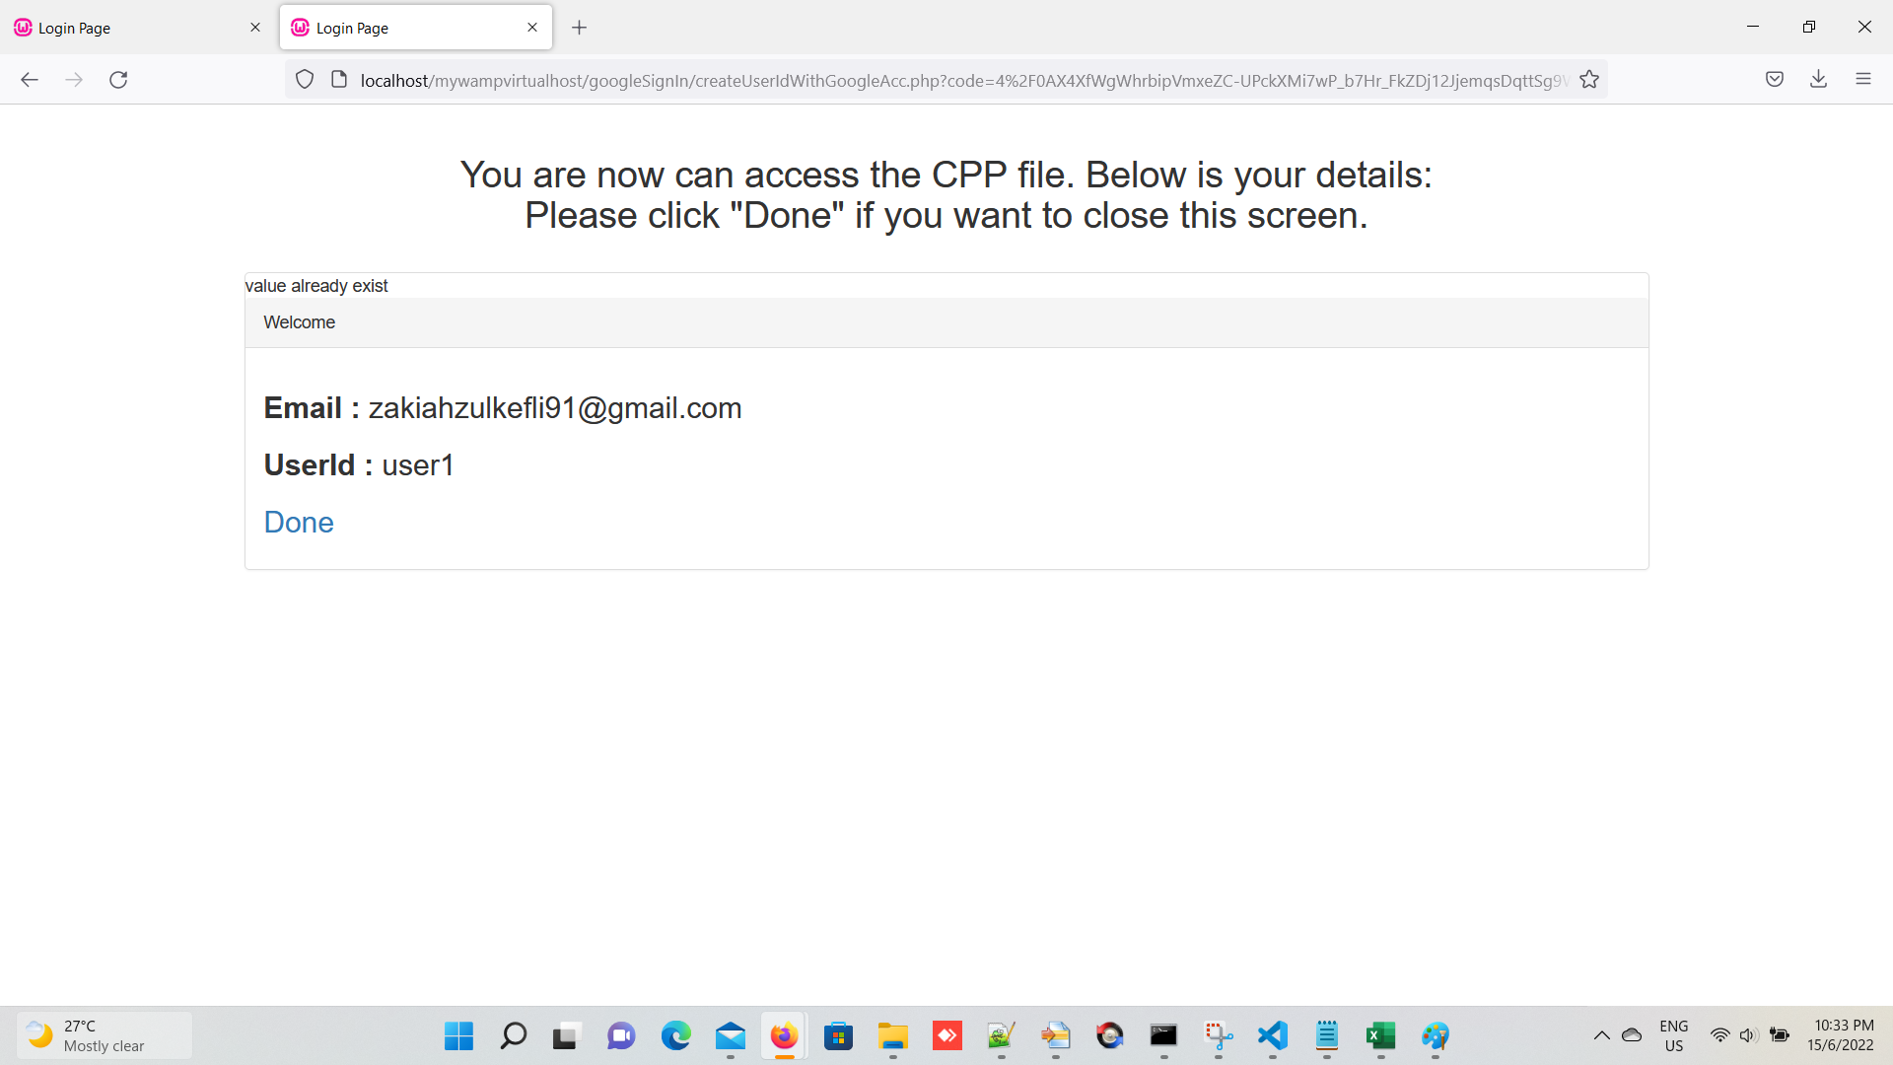

 |  |  | the content of toDoListUserId.txt


5. copy the "toDoListUserId.txt" into the "client side" folder

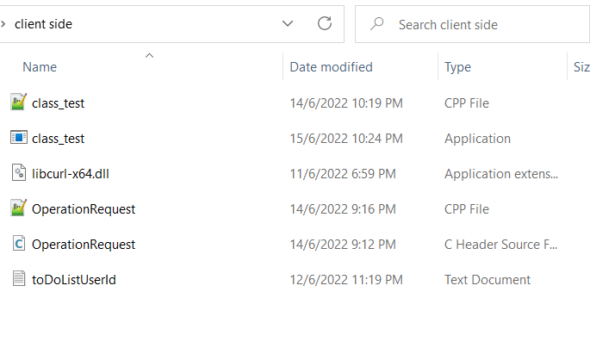

6. start building the cpp file using the cmd below

7. Once execute the class_test.exe, you will see the output as below:

8. Insert 1 to set the userId. It will automatically read the value from the "toDoListUserId.txt"

9. Insert 3 to set the url. Insert 3 back to set the url to the pre-defined value. In case you want to insert other url, insert value other the 3

10. we can start to test the for command no5 until 9
For example, below will output the value in the form of JSON. Please refer to highligh in yellow [Note: Gidi is my cat's name]
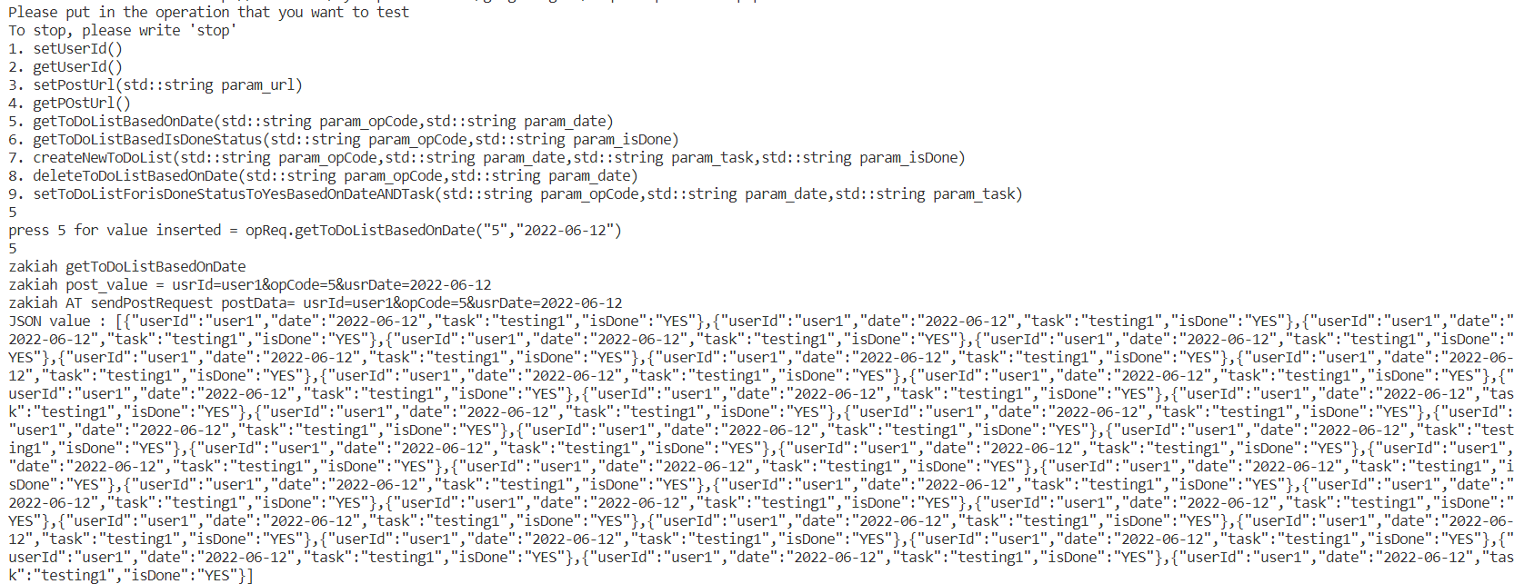

 |  |  |  | [Note: for number 7, currently it is not working properly when insert other number.
 |  |  |  | It is because, I am using cin>> . This mean, it will terminate the reading after it meets with [space] ]

Running with docker
 |  | Server side |  |  |  | Client side

1. Download the file called "Docker files 21062022.zip" from github |  |  |  | 1. Go to "\path\to\Docker files 2106202\client side\client side"

2. Extract the content of the zip file |  |  |  | 2. Modify the userId in toDoListUserId.txt with your userId generated from server side. Currently, it has been set as user1

3. Insert your client id and secret id by following this step: |  |  |  | 3. [OPTIONAL STEP] Modify the part with yellow highlight in case your container have different IP
 |  |  |  | and you want to test it directly without inputting any url value when presssing "3".
a. | Create credential for Google Auth at https://console.cloud.google.com/apis/dashboard
 | Generate Client ID and Client Secret and register the authorized redirect url
 | Please put your redirect URL as follow:
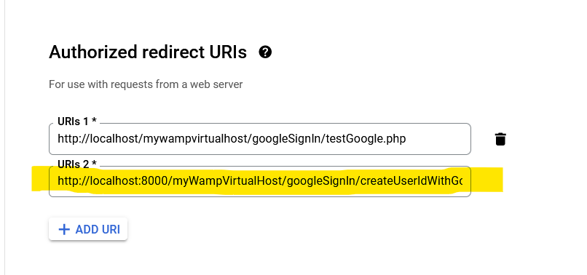

 |  |  |  | 4. Using Powershell, go to "\path\to\Docker files 2106202\client side" . This is where the "Dockerfile" situated

 |  |  |  | 5. Eexecute the command as below:
 |  |  |  |  | docker build -t ubuntu_gcc_libcurl .

 |  |  |  | 6. After it has finish, go to Docker Desktop -> Images . Then, run the ubuntu_gcc_libcurl image
 |  |  |  | In my case, I put the container name as "ubuntu_gcc_libcurl"
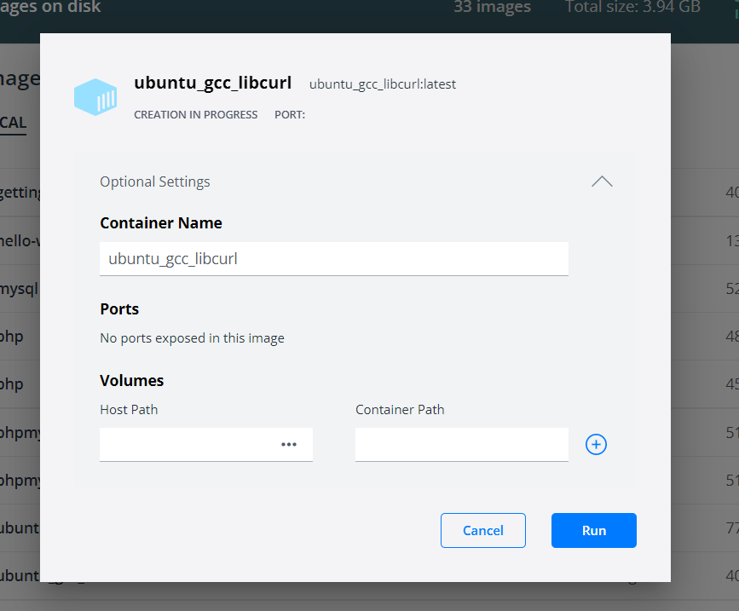

 |  |  | http://localhost:8000/myWampVirtualHost/googleSignIn/createUserIdWithGoogleAcc.php
 |  |  | [Note: please change the "localhost" into your IP address in case you access using you container IP]

b. Go to "server side\php\src\myWampVirtualHost\googleSignIn\googleSignInConfig.php" and fill in your client id and secret id in the line below:

c. Open powershell, and insert command as below to setup the docker for server side. |  |  |  | 7. Then go to Docker Desktop -> Container. Find the container "ubuntu_gcc_libcurl" and run. After that, open the terminal.
 | a. cd /path/to/"docker file 21062022"/"server side"
 | a. docker-compose build |  |  | 8. Inside the "ubuntu_gcc_libcurl" container terminal, do the following commands:
 | b. docker-compose up |  |  |  | a. cd client_side
 | [Note: yaml file for docker-compose can be obtained at inside "server side" folder, while Dockerfile can be |  |  |  | b. to test libcurl is working, do the following:
 | obtained at "server side/php"] |  |  |  | g++ test_for_curl.cpp -lcurl -o test_for_curl.exe
d. You can start sign in to using your google account by going to the below url |  |  |  |  | ./test_for_curl.exe
 | http://localhost:8000/myWampVirtualHost/googleSignIn/createUserIdWithGoogleAcc.php |  |  |  | you will get the output as below. This mean the libcurl is working
 | [Note: please follow the "Interface documentation" for the next step
 | Please note that, in this docker environment (Debian), the fwrite() seems like not functioning.
 | The file toDoListUserId.txt is generated, but no value in it.
 | It is suspected that this issue is related to file permission. Please copy the userId (highlighted with yellow color) for later use in the client side]

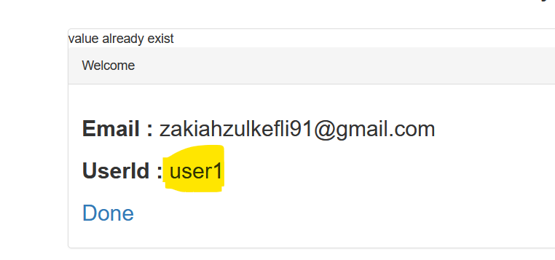

 |  |  |  |  | c. you can start running the todolist cpp file. To run, do the following:
 |  |  |  |  | g++ class_test.cpp OperationRequest.cpp -lcurl -o class_test.exe
 |  |  |  |  | ./class_test.exe
 |  |  |  |  | you will get output as shown in the sheet called "Interface documentation"
 |  |  |  |  | However, during my checking using the container, we will get the output as below when
 |  |  |  |  | we are trying to perform POST request to the server. Since we are able to
 |  |  |  |  | get reply from example.com during checking using test_for_curl.cpp, this mean the program
 |  |  |  |  | is still working correctly, but it cannot perform the connection to localhost because
 |  |  |  |  | the network is not being setup properly.

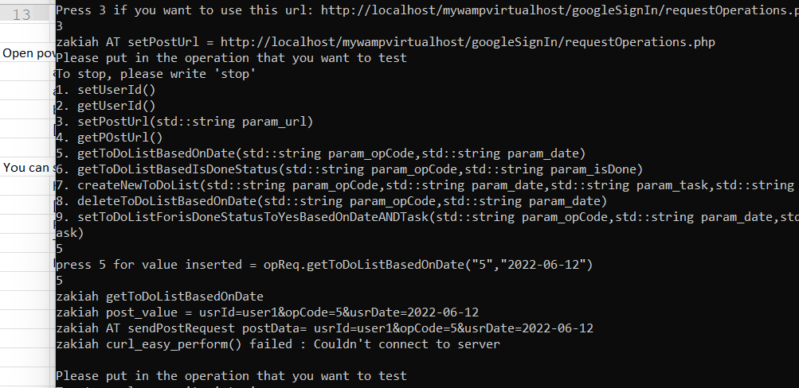

 |  |  |  |  | The output "curl_easy_perform() faild: couldn’t connect to server" occur here because
 |  |  |  |  | the my current container's network does not setup/linked properly to the localhost.

