Instruction for running
OperationRequest.cpp/OperationRequest.h
CPP
createUserIdWithGoogleAcc.php
PHP
toDoListUserId.txt
TEXT FILE

Start
 |  | produces |  | used by

requestOperations.php
PHP
 |  |  |  |  | send POST request
 |  | access
 |  |  |  |  |  | 1. Login to Google Account using createUserIdWithGoogleAcc.php
 |  |  |  |  |  | 2. Once login to google account, a text file called "toDoListUserId.txt" that contain
 |  |  |  |  |  | a user id will be generated
 |  |  |  |  |  | 3. Place this text file into the same folder as your cpp file.
sql_queries_class.php
PHP
perform UPDATE/ |  |  |  |  |  | 4. CPP file will read this text file in order to get the user id
Database todo_list_db:
UserDetails Table
user_todo_db table
 | DELETE/ SELECT |  |  |  |  | 5. CPP file will give instruction to the server on what task that need to be done
 |  |  | access

Instruction for testing
A. Server side

1. Import the given db file to your environment

2. Setup your server detail according to your environment.
Please find it in the __construct function under the sql_queries_class.php
As you can see below, my environment is using localhost.
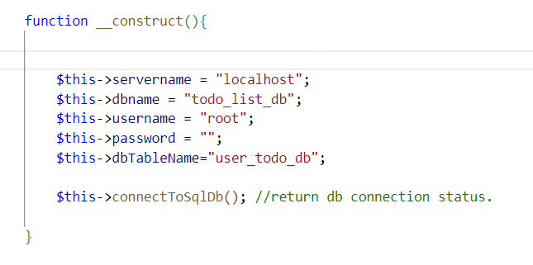

3. Using createUserIdWithGoogleAcc.php, sign in to Google account.
Once sign-in, it will register a new user id will be registered.
Then, it will generate a text file called toDoListUserId.txt inside the same folder as createUserIdWithGoogleAcc.php
You can see the your user id under the text file.
For, testing purpose using existing db, you can change the user id inside the text file into "user1"
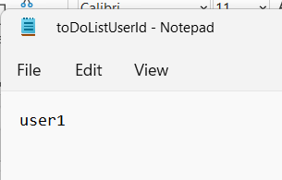
 |  | inside content

B. Client side
4. Put your cpp folder at Desktop

5. Copy the toDoListUserId.txt into the same folder as your CPP file

6. For testing cpp api, run the class_test.cpp. You will get output as below:

7. from the CPP file, execute this 3 commands first (for reference, please refer to "Interface documentation" sheet):
 | a. Insert 1 --> this allow userId to be set
 | b. Insert 3 --> to set the url that will receive the POST request
 | c. Insert 3--> to set the url to already define value
 | d. You can start insert command number 5 to 9

Interface documentation
1. interface at createUserIdWithGoogleAcc.php | 2. After click "Sign in with Google", we will directed to this page. We can start Sign In to Google.
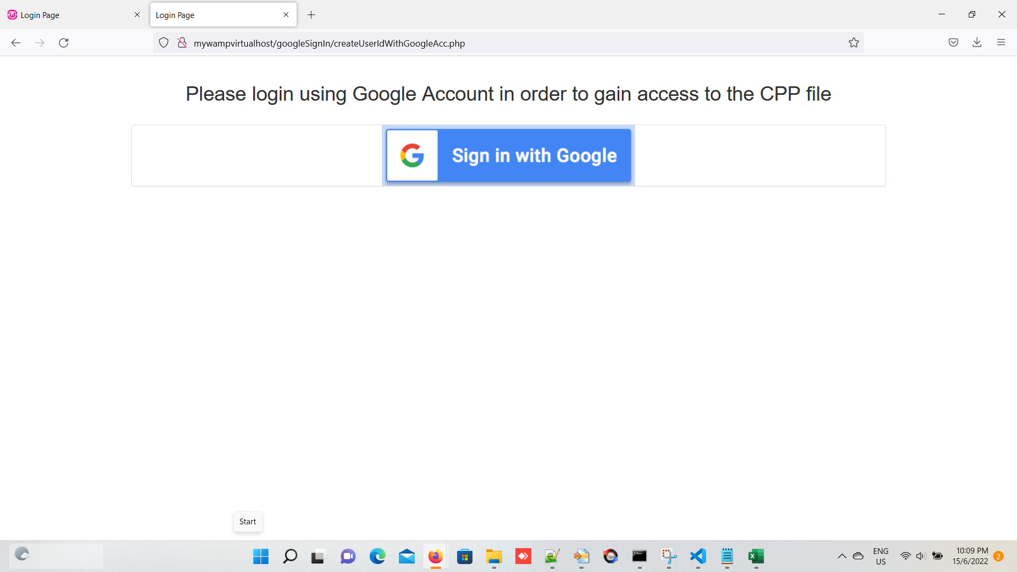
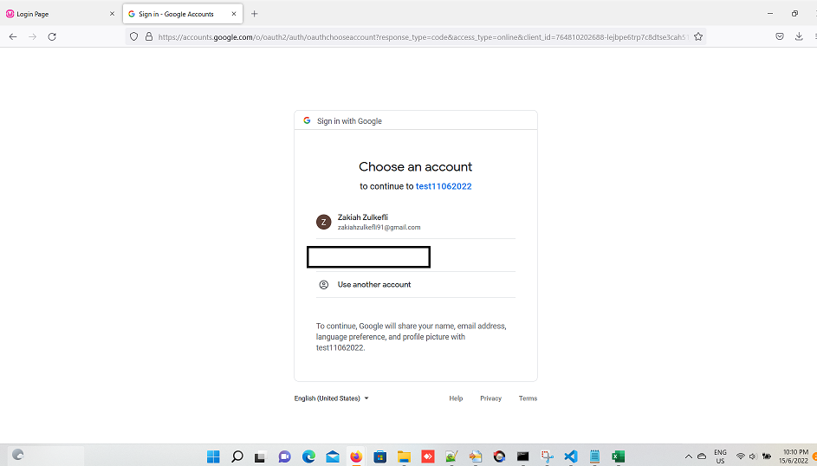

3. Once successs, we will directed to this page: |  | 4. toDoListUserId.txt will be generated
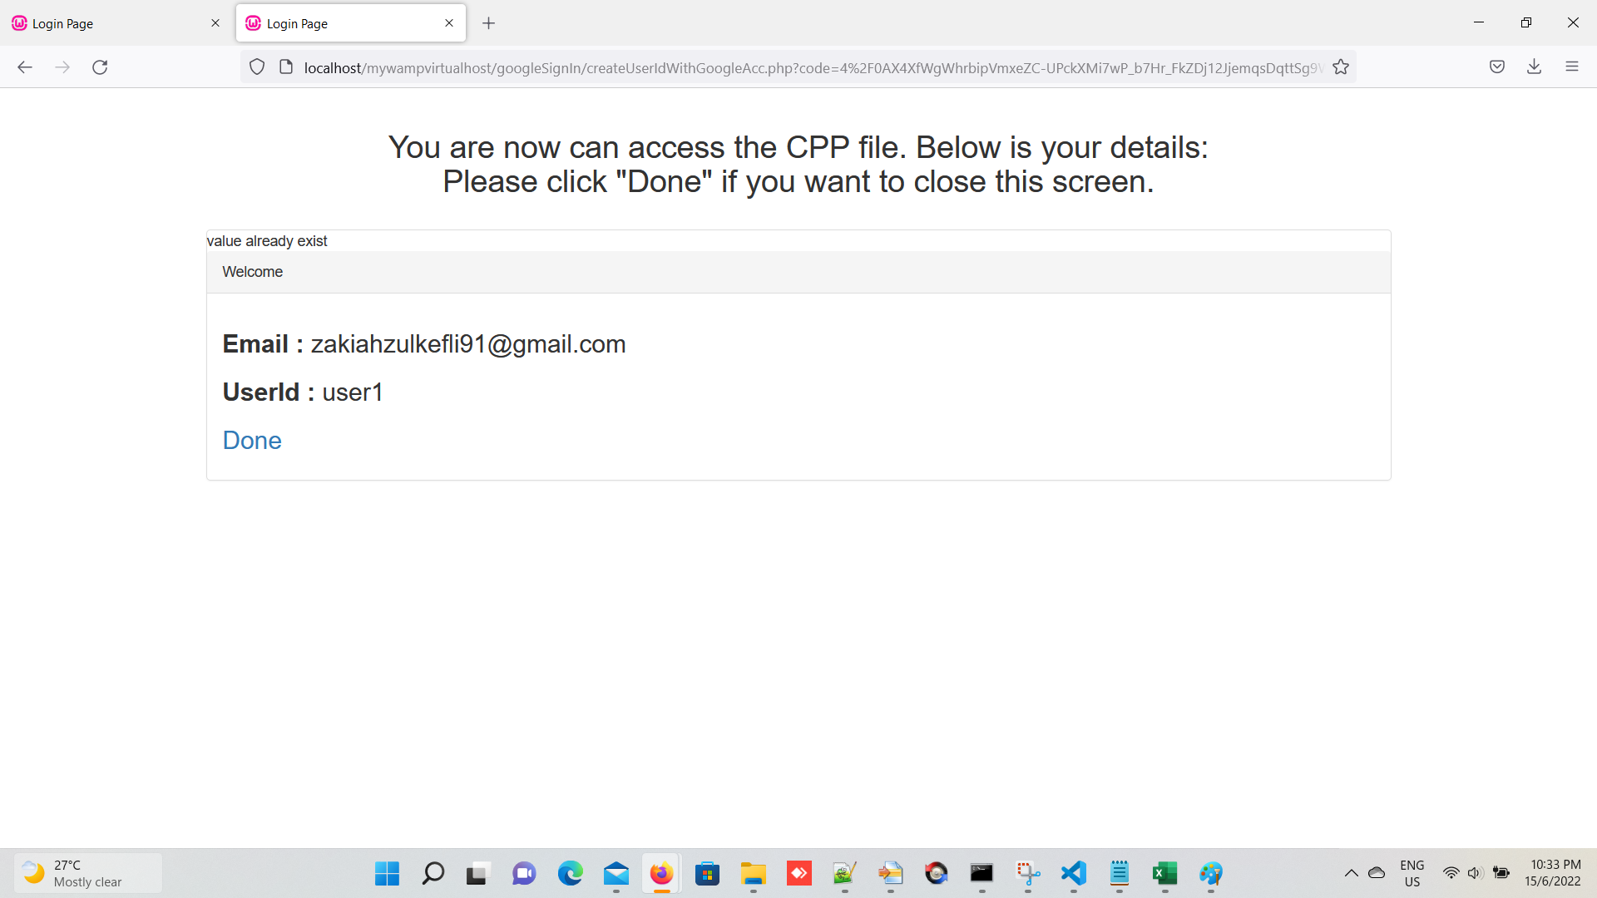

 |  |  | the content of toDoListUserId.txt


5. copy the "toDoListUserId.txt" into the "client side" folder

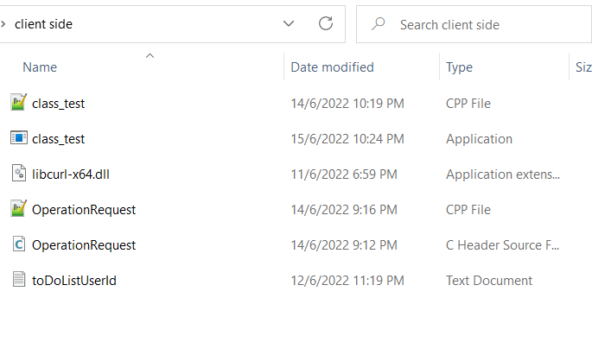

6. start building the cpp file using the cmd below

7. Once execute the class_test.exe, you will see the output as below:

8. Insert 1 to set the userId. It will automatically read the value from the "toDoListUserId.txt"

9. Insert 3 to set the url. Insert 3 back to set the url to the pre-defined value. In case you want to insert other url, insert value other the 3

10. we can start to test the for command no5 until 9
For example, below will output the value in the form of JSON. Please refer to highligh in yellow [Note: Gidi is my cat's name]
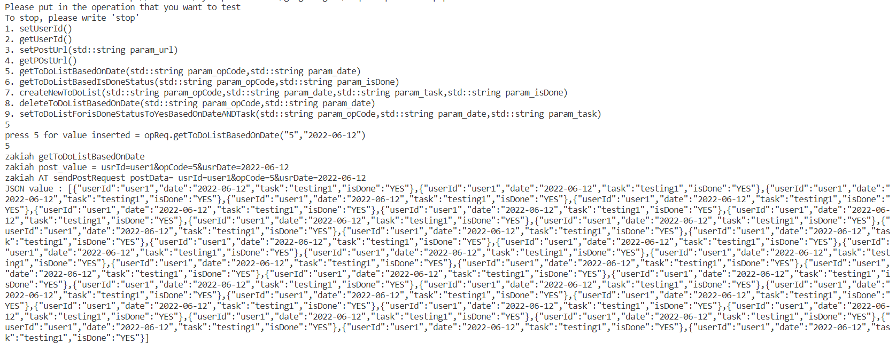

 |  |  |  | [Note: for number 7, currently it is not working properly when insert other number.
 |  |  |  | It is because, I am using cin>> . This mean, it will terminate the reading after it meets with [space] ]

