Munka1
Adatok |  |  |  | M meghatározása |  |  |  |  | S meghatározása |  |  |  | saját körfrekvenciák
m1 | 0.35 | [kg] |  | M | 0.76851851852 | 0 | [kg] |  | S | 2704.2435957 | -340 | [N/m] | segédszámítás a másodfoku egyenletekhez
m2 | 0.5 | [kg] |  | q=[Yc;Yb] | 0 | 0.3 | [kg] |  | q=[Yc;Yb] | -340 | 340 | [N/m] | A | 0.23055555556 | 0.23055555556
m3 | 0.5 | [kg] |  | M | 0.3 | 0 | [kg] |  | S | 340 | -340 | [N/m] | B | -1072.569375 | -1072.569375
m4 | 0.3 | [kg] |  | q=[Yb;Yc] | 0 | 0.76851851852 | [kg] |  | q=[Yb;Yc] | -340 | 2704.2435957 | [N/m] | C | 803842.82253 | 803842.82253
l1 | 0.25 | [m] |  | M | 0.003984 | 0 | [kgm] |  | S | 14.0187988 | -24.48 | [Nm]
l2 | 0.3 | [m] |  | q=[Ψ;Yb] | 0 | 0.3 | [kg] |  | q=[Ψ;Yb] | -24.48 | 340 | [N/m] | α1 | 30.6427460 | [rad/s]
R | 0.06 | [m] |  | M | 0.3 | 0 | [kg] |  | S | 340 | -24.48 | [N/m] | α2 | 60.9354597 | [rad/s]
kt | 10 | [Nm/rad] |  | q=[Yb;Ψ] | 0 | 0.003984 | [kgm] |  | q=[Yb;Ψ] | -24.48 | 14.0187988 | [Nm]
k2 | 440 | [N/m] |  | M | 1.1066666667 | 0 | [kg] |  | S | 3894.1107778 | 408 | [N/m] | lengéskép
k1 | 340 | [N/m] |  | q=[Xa;Yb] | 0 | 0.3 | [kg] |  | q=[Xa;Yb] | 408 | 340 | [N/m] | A1 | 1 | [m]
m0 | 0 | [kg] |  | M | 0.3 | 0 | [kg] |  | S | 340 | 408 | [N/m] | q=[Yc;Yb] | 5.8312403 | [m]
e | 0 | [m] |  | q=[Yb;Xa] | 0 | 1.1066666667 | [kg] |  | q=[Yb;Xa] | 408 | 3894.1107778 | [N/m] | A1 | 1 | [m]
Fa0 | -30 | [N] |  | M | 0.069166666667 | 0 | [kgm] |  | S | 243.38192361 | -102 | [Nm] | q=[Yb;Yc] | 0.1714901 | [m]
Fb0 | -35 | [N] |  | q=[ϕ;Yb] | 0 | 0.3 | [kg] |  | q=[ϕ;Yb] | -102 | 340 | [N/m] | A1 | 1 | [rad]
M0 | 0 | [Nm] |  | M | 0.3 | 0 | [kg] |  | S | 340 | -102 | [N/m] | q=[Ψ;Yb] | 0.4198493 | [m]
r0 | -0.02 | [m] |  | q=[Yb;ϕ] | 0 | 0.069166666667 | [kgm] |  | q=[Yb;ϕ] | -102 | 243.38192361 | [Nm] | A1 | 1 | [m]
ε | 1.0471975512 | [rad] |  |  |  |  |  |  |  |  |  |  | q=[Yb;Ψ] | 2.3818070 | [rad]
ω | -100 | [rad/s] |  | partikuláris MO |  |  |  | maximális rugóerő |  |  |  |  | A1 | 1 | [m]
g | 9.81 | [m/s^2] |  | segédkonstansok |  |  |  | Frst | 2.9430000 | [N] |  |  | q=[Xa;Yb] | -6.9974884 | [m]
 |  |  |  | E | -4980.9415895 |  |  | A | 0.0076645 | [m] |  |  | A1 | 1 | [m]
koordináta független |  |  |  | F | -340 |  |  | frdin | 2.6059409 | [N] |  |  | q=[Yb;Xa] | -0.1429084 | [m]
q | Yc |  |  | G | -340 |  |  | Fr1max | 5.5489409 | [N] |  |  | A1 | 1 | [rad]
 | Yb |  |  | H | -2660 |  |  |  |  |  |  |  | q=[ϕ;Yb] | 1.7493721 | [m]
q | Yb |  |  | Fc1 | -21.650635095 |  |  |  |  |  |  |  | A1 | 1 | [m]
 | Yc |  |  | Fc2 | -30.310889132 |  |  | koordináta transzformáció |  |  |  |  | q=[Yb;ϕ] | 0.5716337 | [rad]
q | Ψ |  |  | Fs1 | -21.3 |  |  | Ψ-> Yc | 0.005184 | 0.072
 | Yb |  |  | Fs2 | -17.5 |  |  | Xa->Yc | 1.44 | -1.2 |  |  | A2 | 1 | [m]
q | Yb |  |  |  |  |  |  | ϕ->Yc | 0.09 | 0.3 |  |  | q=[Yc;Yb] | -0.4393111 | [m]
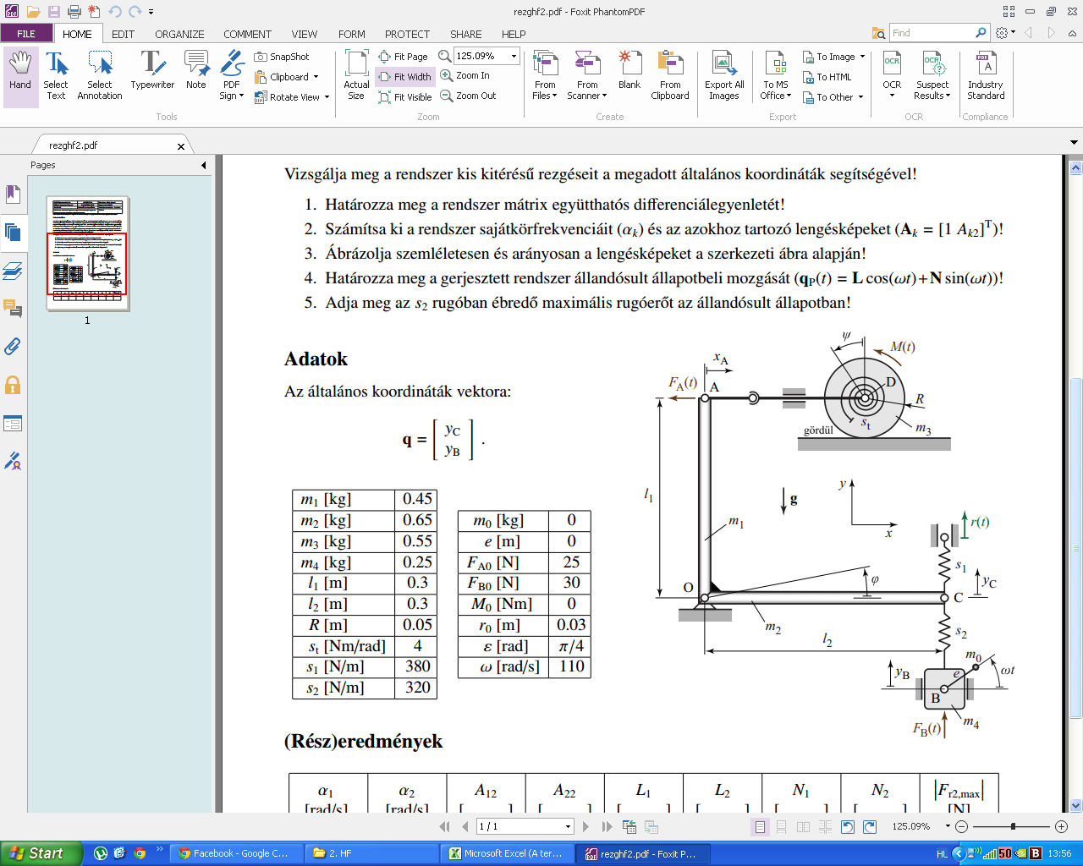
 | Ψ |  |  |  |  |  |  |  |  |  |  |  | A2 | 1 | [m]
q | Xa |  |  | L | 0.0036003 | [m] |  |  |  |  |  |  | q=[Yb;Yc] | -2.2762914 | [m]
 | Yb |  |  | q=[Yc;Yb] | 0.0109349 | [m] |  |  |  |  |  |  | A2 | 1 | [rad]
q | Yb |  |  | L | 0.0109349 | [m] |  |  |  |  |  |  | q=[Ψ;Yb] | -0.0316304 | [m]
 | Xa |  |  | q=[Yb;Yc] | 0.0036003 | [m] |  |  |  |  |  |  | A2 | 1 | [m]
q | ϕ |  |  | L | 0.0500039 | [rad] |  |  |  |  |  |  | q=[Yb;Ψ] | -31.6151583 | [rad]
 | Yb |  |  | q=[Ψ;Yb] | 0.0109349 | [m] |  |  |  |  |  |  | A2 | 1 | [m]
q | Yb |  |  | L | 0.0109349 | [m] |  |  |  |  |  |  | q=[Xa;Yb] | 0.5271733 | [m]
 | ϕ |  |  | q=[Yb;Ψ] | 0.0500039 | [rad] |  |  |  |  |  |  | A2 | 1 | [m]
 |  |  |  | L | -0.0030002 | [m] |  |  |  |  |  |  | q=[Yb;Xa] | 1.8969095 | [m]
 |  |  |  | q=[Xa;Yb] | 0.0109349 | [m] |  |  |  |  |  |  | A2 | 1 | [rad]
 |  |  |  | L | 0.0109349 | [m] |  |  |  |  |  |  | q=[ϕ;Yb] | -0.1317933 | [m]
 |  |  |  | q=[Yb;Xa] | -0.0030002 | [m] |  |  |  |  |  |  | A2 | 1 | [m]
 |  |  |  | L | 0.0120009 | [rad] |  |  |  |  |  |  | q=[Yb;ϕ] | -7.5876380 | [rad]
 |  |  |  | q=[ϕ;Yb] | 0.0109349 | [m]
 |  |  |  | L | 0.0109349 | [m]
 |  |  |  | q=[Yb;ϕ] | 0.0120009 | [rad]

 |  |  |  | N | 0.0038609 | [m]
 |  |  |  | q=[Yc;Yb] | 0.0060854 | [m]
 |  |  |  | N | 0.0060854 | [m]
 |  |  |  | q=[Yb;Yc] | 0.0038609 | [m]
 |  |  |  | N | 0.0536237 | [rad]
 |  |  |  | q=[Ψ;Yb] | 0.0060854 | [m]
 |  |  |  | N | 0.0060854 | [m]
 |  |  |  | q=[Yb;Ψ] | 0.0536237 | [rad]
 |  |  |  | N | -0.0032174 | [m]
 |  |  |  | q=[Xa;Yb] | 0.0060854 | [m]
 |  |  |  | N | 0.0060854 | [m]
 |  |  |  | q=[Yb;Xa] | -0.0032174 | [m]
 |  |  |  | N | 0.01286968692 | [rad]
 |  |  |  | q=[ϕ;Yb] | 0.0060854 | [m]
 |  |  |  | N | 0.0060854 | [m]
 |  |  |  | q=[Yb;ϕ] | 0.01286968692 | [rad]

 | m11 | = | 1.1917 | [SI] | Jó!
 | m22 | = | 0.25 | [SI] | Jó!
 | s11 | = | 1027215.00 | [SI] | Jó!
 | s12 | = | 360 | [SI] | Jó!
 | s22 | = | 360 | [SI] | Jó!
 | 1 | = | 35.742 | [rad/s] | Jó!
 | 2 | = | 64.165 | [rad/s] | Jó!
 | A12 | = | -8.8619 | [SI] | Jó!
 | A22 | = | 0.53788 | [SI] | Jó!
 | L1 | = | 0.0015337 | [SI] | Jó!
 | L2 | = | -0.0077528 | [SI] | Jó!
 | N1 | = | 0.0026519 | [SI] | Jó!
 | N2 | = | -0.0076017 | [SI] | Jó!
 | |Fr2max| | = | 5.3139 | [N] | Jó!

