Bug report 1
Bug ID: | 1
Bug name: | User can finish registration although user doesn't click on "Finish" button
Description: | When user gets in the last step in registration, in popup window "Please create your Sporcle Username" with field for entering "Username" and "Finish" button.User enters valid username, and click out of popup window "Please create your Sporcle Username", not on "Finish" button, but user is registered, registration is competed, and Account page is present.
Steps to reproduce: | 1. Open browser Google Chrome version 73.0.3
 | 2. Go to following URL "http://sporcle.com"
 | 3. Click on "Join for free" button in top right corner
 | 4. Click on "Sign up with google" button in popup window
 | 5. Click on user account with gmail
 | 6. Enter password to sign in gmail = **************
 | 7. Click on "Next" button
 | 7. Enter valid username unique (3-16 characters (letters, numbers, '_', and '-' only)) = petar-01
 | 8. Click somewhere out of popup window "Please create your Sporcle Username" (example on the gray surfasce)
Expected result: | User stays on the same page "Please create your Sporcle Username" and "Finish" button is needed to click to finish registration
Actual result: | User is registered, registration is competed, and Account page is present
Screenshot:
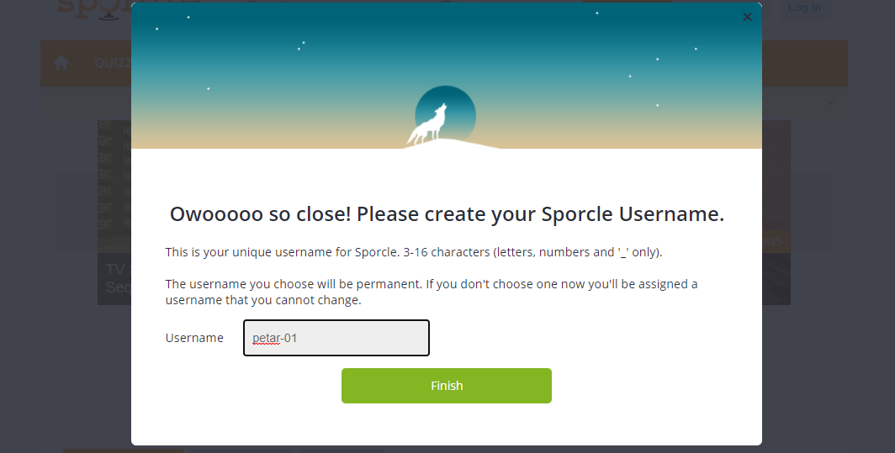

Assing to: | in "Resources" - "Feedback" - "Report a Problem"
Repro rate: | 100%
Priority: | low
Severity: | low

Bug report 2
Bug ID: | 2
Bug name: | User doesn't receive the new verificatin code to the email, after the first has expired
Description: | When user get in the step to enter a registration code for verification to complete registration and log in. User receives email "Verify your email address" which contains 4-digit code and text "Don't delay! This code will expire in a few minutes.If the code above becomes invalid, you will need to re-register." But If it is occured, notification is shown "This registration code has expired. Request a new code." User click on "Request a new code" but a new email with a new code is not got, and begining registaration page is present. User should enter the data again. Exactly it is occured what is written in email, not notification.
Steps to reproduce: | 1. Open browser Google Chrome version 73.0.3
 | 2. Go to following URL "http://sporcle.com"
 | 3. Click on "Join for free" button in top right corner
 | 4. Click on "Sign up with email" button in popup window
 | 5. Input a valid email address in format [name]@[domain].[xyz]
 | 6. Input a valid password
 | 7. Repeat the password
 | 8. Enter unique username(3-16 characters (letters, numbers, '_', and '-' only))
 | 9. Input a result in "Huma check field"
 | 10. Click on "Submit" button
 | 11. Go to user email and open mail from Sporcle
 | 12. Only after a few minutes user try to enter received code
 | 13. Press "Request a new code"
Expected result: | The new code is received on user email
Actual result: | The begining registaration page is present. User should enter the data again. User needs to re-register.
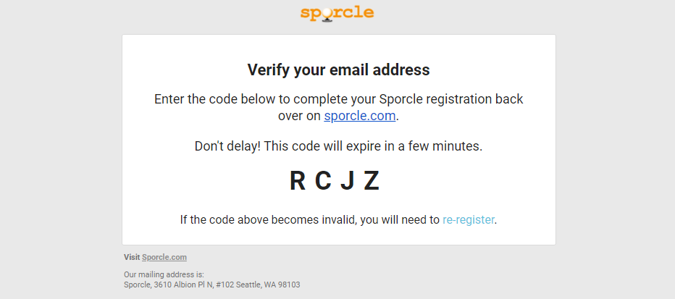
Screenshot:

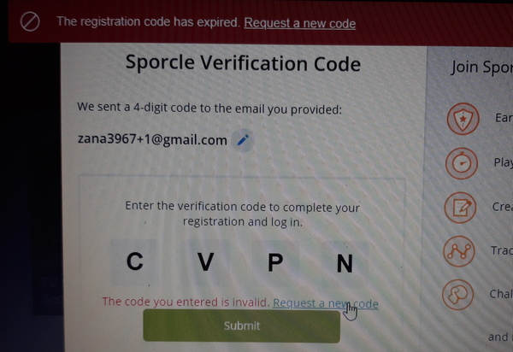
Assing to:
Repro rate:
Priority:
Severity:

Assing to: | in "Resources" - "Feedback" - "Report a Problem"
Repro rate: | 100%
Priority: | low
Severity: | low

