Bug report 1
Bug ID: | 1
Bug name: | Invalid e-mail input
Description: | User can register using invalid email form or non-existing email adress
Steps to reproduce: | 1. Open Browser= Google Chrome version 89.0.3
 | 2. Go to following URL = "https://iskljucenja.rs"
 | 3. Enter an ivalid e-mail address in "e-mail" field = zana3967@gmail.co
 | 4. Enter a valid password (more than 1 character) in "Password" field
 | 5. Enter the same password in "Confirm password" field
 | 6. Click on "Sign up" button bellow
Expected result: | Email adress is invalid and notification appears "Please, input valid e-mail address"
Actual result: | Notification appears and an email confirmation request is sent

Screenshot:



Report rate: | 100%
Severity: | medium
Priority: | medium

Bug report 2
Bug ID: | 2
Bug name: | "Number" field must contain only valid numbers
Description: | "Number" field must contain only numbers between 1 and 1000, but user can enter any number beyond bounds
Steps to reproduce: | 1. Open Browser= Google Chrome version 89.0.3
 | 2. Go to following URL = "https://iskljucenja.rs"
 | 3. Enter a valid e-mail address in "e-mail" field with following format: [name]@[domen.xyz]
 | 4. Enter a valid password (more than 1 character) in "Password" field
 | 5. Enter the same password in "Confirm password" field
 | 6. Click on "Sign up" button bellow
 | 7. Click on "+" button undernith the "Address 1"
 | 8. Click on "Municipality in Belgrade"
 | 9. Enter street name on "Street name" field (example: Kralja Milana)
 | 10. Enter 0 in "Number" field
 | 11. Click on "Add" button
Expected result: | Address is not added and notification "Please, enter a valid number in "Number" field"
Actual result: | Address is added and is visible on minimap underneath the "Address 1" part
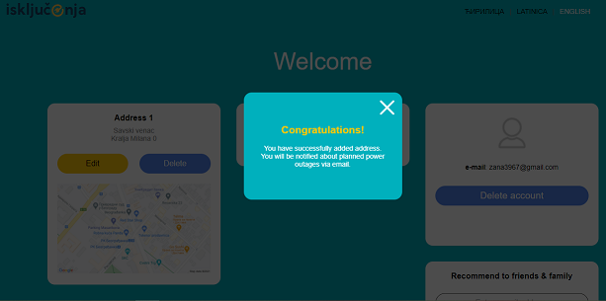
Screenshot:

Report rate: | 100%
Severity: | low
Priority: | medium

