Sheet3
Company | AIC sector | Share type | Traded currency | Total assets (m) | Price (last close) | NAV | Discount/ premium (%) | Gearing (%) | Share price total return (%) |  |  | AIC ongoing charge (%) | AIC ongoing charge plus perf fee (%) | 5yr dividend growth (%) p.a. | Dividend yield (%) |  | NAVTR 5yr (%) | Perf fee | hurdle |  | Amt targeted | Costs | AMC % | Fee cap | Admin Secretarial | raised
 |  |  |  |  |  |  |  |  | 1yr | 5yr | 10yr
Sector average | - | - | - | - | - | - | -7.2 | 0 | -5.6 | 18.2 | 119.2 | 2.55 | 2.74 | N/A | N/A |  | 16.2
Mobeus Income & Growth 2 VCT | VCT Generalist | Ordinary Share | GBX | 48.6 | 63 | 65.99 | -4.5 | 0 | -5 | 37.9 | 442.4 | 3.06 | 3.06 | -1.7 | 41.3 |  | 19.16 | 20 | 6p inc RPI |  | 15 |  |  |  |  | 21.8 | Inc offer size
Mobeus Income & Growth 4 VCT | VCT Generalist | Ordinary Share | GBX | 48.4 | 54.5 | 57.3 | -4.9 | 0 | -0.8 | 34.1 | 112.6 | 2.8 | 2.8 | -9.7 | 22 |  | 15.9 | 20% | 8.95p inc RPI |  | 8 |  |  |  |  | 13
Mobeus Income & Growth VCT | VCT Generalist | Ordinary Share | GBX | 67 | 50.5 | 52.78 | -4.3 | 0 | 1.6 | 46.9 | 202.7 | 2.73 | 2.73 | -30.1 | 31.7 |  | 30.1 | 20 | 6p inc RPI |  | 10 |  |  |  |  | 15
The Income & Growth VCT | VCT Generalist | Ordinary Share | GBX | 75.8 | 62.5 | 65.46 | -4.5 | 0 | -4 | 28.9 | 203.1 | 2.67 | 2.67 | -12.9 | 9.6 |  | 14.5 | 15 | 6% NAV (CPI +1 floor) |  | 5 |  |  |  |  | 10
 |  |  |  |  |  |  |  |  |  |  |  |  |  |  |  |  |  |  |  |  | 38 |  |  |  |  | 59.8
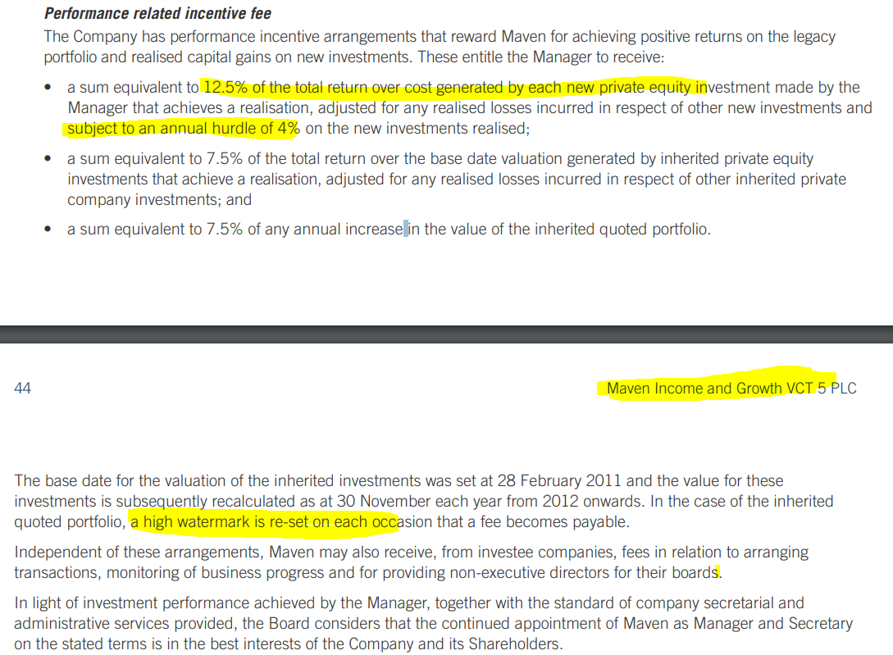
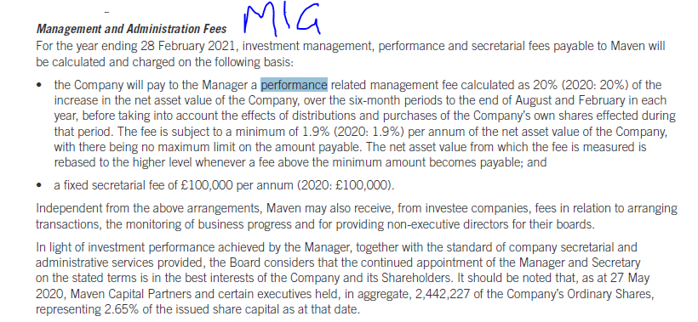
Company | AIC sector | Share type | Traded currency | Total assets (m) | Price (last close) | NAV | Discount/ premium (%) | Gearing (%) | Share price total return (%) |  |  | AIC ongoing charge (%) | AIC ongoing charge plus perf fee (%) | 5yr dividend growth (%) p.a. | Dividend yield (%) |  | NAVTR 5yr (%) | Perf fee | hurdle |  | Amt targeted | Costs |  |  |  | raised
 |  |  |  |  |  |  |  |  | 1yr | 5yr | 10yr
Sector average | - | - | - | - | - | - | -7.2 | 0 | -5.6 | 18.2 | 119.2 | 2.55 | 2.74 | N/A | N/A |  | 16.2
Maven Income and Growth VCT | VCT Generalist | Ordinary Share | GBX | 39.2 | 40 | 42.68 | -6.3 | 0 | -3.7 | 15.8 | 148 | 2.53 | 2.53 | -7.5 | 41.4 |  | 22.49 | 20 | 0 |  | 0
Maven Income and Growth VCT 3 | VCT Generalist | Ordinary Share | GBX | 42 | 48 | 52.74 | -9 | 0 | -4.7 | 17.2 | 128.9 | 3.27 | 3.31 | -6.2 | 23.4 |  | 6.54 | 15 | 0 |  | 7.5 |  |  |  |  | 7.5
Maven Income and Growth VCT 4 | VCT Generalist | Ordinary Share | GBX | 71.5 | 60 | 63.32 | -5.2 | 0 | -1.6 | 20.3 | 95.6 | 2.98 | 3.29 | -4.4 | 6.7 |  | 3.15 | 20 | 0 |  | 7.5 |  |  |  |  | 7.5
Maven Income and Growth VCT 5 | VCT Generalist | Ordinary Share | GBX | 42.9 | 29.6 | 34.34 | -13.8 | 0 | -4.5 | 25.7 | 167.7 | 2.1 | 2.43 | -15.1 | 3.7 |  | 20.1 | 12.5 | 4 |  | 0

Company | AIC sector | Share type | Traded currency | Total assets (m) | Price (last close) | NAV | Discount/ premium (%) | Gearing (%) | Share price total return (%) |  |  | AIC ongoing charge (%) | AIC ongoing charge plus perf fee (%) | 5yr dividend growth (%) p.a. | Dividend yield (%) |  | NAVTR 5yr (%)
 |  |  |  |  |  |  |  |  | 1yr | 5yr | 10yr
Sector average | - | - | - | - | - | - | -7.2 | 0 | -5.6 | 18.2 | 119.2 | 2.55 | 2.74 | N/A | N/A |  | 16.2
Pembroke VCT | VCT Generalist | Ordinary Share | GBX | 20.8 | 95 | 114.67 | -17.2 | 7 | -2.1 | -5.6 | N/A | 2.63 | 2.63 | -3.6 | 3.2 |  | 22.2
Pembroke VCT B shares | VCT Generalist | Ordinary Share | GBX | 89.7 | 105.5 | 110.29 | -4.3 | 0 | 1.9 | 4.8 | N/A | 2.28 | 2.28 | N/A | 2.8 |  | 24.9

Company | AIC sector | Share type | Traded currency | Total assets (m) | Price (last close) | NAV | Discount/ premium (%) | Gearing (%) | Share price total return (%) |  |  | AIC ongoing charge (%) | AIC ongoing charge plus perf fee (%) | 5yr dividend growth (%) p.a. | Dividend yield (%)
 |  |  |  |  |  |  |  |  | 1yr | 5yr | 10yr
Sector average | - | - | - | - | - | - | -7.2 | 0 | -5.6 | 18.2 | 119.2 | 2.55 | 2.74 | N/A | N/A |  | NAVTR 5yr (%) | Perf fee | hurdle |  | Amt targeted | Costs |  |  |  | raised
Albion Development VCT | VCT Generalist | Ordinary Share | GBX | 73.4 | 75 | 79.3 | -5.4 | 0 | -0.5 | 49.3 | 128.8 | 2.4 | 2.4 | -2.1 | 6 |  | 44.9 | 20% | RPI+2% | Inconsistent 20% over 6.5% or 20 over RPI +2 | 8 | 0.2 | 2.25 | 2.5 | 0 | The total net proceeds receivable by the Company for this allotment is approximately £7.6m.
Albion Enterprise VCT | VCT Generalist | Ordinary Share | GBX | 70.6 | 98 | 103.84 | -5.6 | 0 | -5.1 | 41.9 | 118 | 2.6 | 2.6 | 3.7 | 5.5 |  | 39.2 | 20% | BR+2.% |  | 6 | 0.15 | 2.5 | 3 | 50000 | The total net proceeds receivable by the Company for this allotment is approximately £5.6m.
Albion Technology & General VCT | VCT Generalist | Ordinary Share | GBX | 85.5 | 72 | 77.37 | -6.9 | 0 | 1.1 | 21.2 | 76.3 | 2.57 | 2.57 | -4.4 | 5.6 |  | 25.8 | 15% | RPI+2% |  |  |  | 2.5 | 2.75 | 0
Albion VCT | VCT Generalist | Ordinary Share | GBX | 68.6 | 65 | 67.63 | -3.9 | 0 | -4 | 39.3 | 97.9 | 2.35 | 2.35 | 0 | 7.7 |  | 36.6 | 15% | RPI+2% | Inconsistent 8% over 5 or 20 over RPI +2 | 6 | 0.15 | 1.9 | 2.5 |  | The total net proceeds receivable by the Company for this allotment is approximately £5.2m.
Crown Place VCT | VCT Generalist | Ordinary Share | GBX | 62.6 | 31 | 31.77 | -2.4 | 0 | 0.8 | 51.3 | 137.4 | 2.32 | 2.32 | -4.4 | 6.5 |  | 43.5 | 20% | BR+2.% |  | 4 | 0.1 | 1.75 | 3 |  | The total net proceeds receivable by the Company for this allotment is approximately £3.7m
Kings Arms Yard VCT | VCT Generalist | Ordinary Share | GBX | 76.4 | 19.2 | 20.3 | -5.4 | 0 | -5.5 | 38.4 | 423.3 | 2.43 | 2.43 | 3.7 | 6.3 |  | 33.3 | 15 | RPI+2% |  | 10 | 0.25 | 2 | 3 | 50000 | The total net proceeds receivable by the Company for this allotment is approximately £9.4m.

 |  | AADV |  |  |  | CRWN | Crown place |  |  | AAEV |  |  |  | KAY |  |  |  | AAVC

 |  | 1,843,797 | 84.8 | 1563539.856 |  | 4,051,167 | 35.4 | 1434113.118 |  | 1,286,925 | 121.3 | 1561040.025 |  | 5,082,101 | 22.4 | 1138390.624 |  | 2,668,571 | 76.7 | 2046793.957
 |  | 401,498 | 85.3 | 342477.794 |  | 904,613 | 35.6 | 322042.228 |  | 266,214 | 121.9 | 324514.866 |  | 1,019,398 | 22.5 | 229364.55 |  | 592,553 | 77 | 456265.81
 |  | 6,789,082 | 85.7 | 5818243.274 |  | 5,684,033 | 35.8 | 2034883.814 |  | 3,154,706 | 122.5 | 3864514.85 |  | 36,336,304 | 22.7 | 8248341.008 |  | 3,620,503 | 77.4 | 2802269.322
 |  |  |  | 7724260.924 |  |  |  | 3791039.16 |  |  |  | 5750069.741 |  |  |  | 9616096.182 |  |  |  | 5305329.089 |  | 32186795.096

 |  | Intermediary commissionsThe Manager has agreed to pay a trail commission to execution-only intermediaries, normally of 0.4 per cent. per annum for five years until 31 March 2025.

