Welcome
Welcome to the REN21 GSR 2023 Renewables for Economic and Social Value Creation Data Pack!
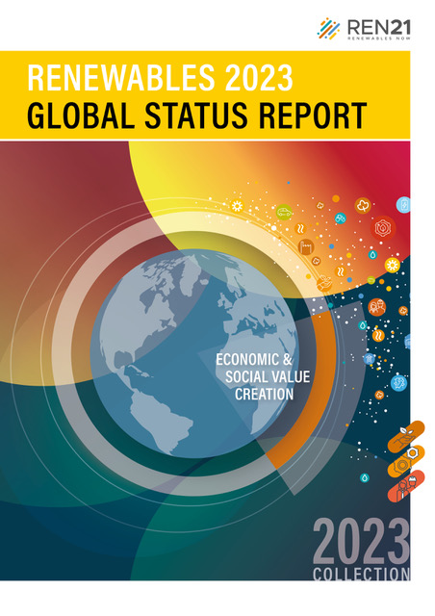
The Datapack created by REN21 is a collection of all the figures, data and tables that appear in the Renewables 2023 Global Status Report (GSR) Renewables for Economic and Social Value Creation. This is to facilitate easier access and deeper research into the numbers and infographics that form and support the narrative in REN21's flagship publication.

Please note:
1) The figures and data listed in the Data Pack appear in the same order as in the GSR Module, on separate tabs.
2) You can directly jump to any specific figure or data from the Table of Contents and back to the Contents by clicking on the top-left cell of any particular sheet.
3) The Reference Tables appear towards the end of the data pack.
4) Source information found on each data sheet corresponds to the endnotes referenced for each respective figure in the GSR modules (accessible via: https://www.ren21.net/gsr2023/datapack/ESVC).
5) Occasional discrepanies in data may appear due to rounding.
6) In cases where a figure and/or data is missing, it is because of limited sharing rights.
7) Much of the data reported in the GSR is preliminary and/or uncertain. See respective figure and table endnotes for more information.

If you have any questions, please don't hesitate to contact us at gsr@ren21.net

Fig1
Table of Contents | Figure 1. Countries without universal access to electricity and clean cooking, and status of targets, as of end-2022
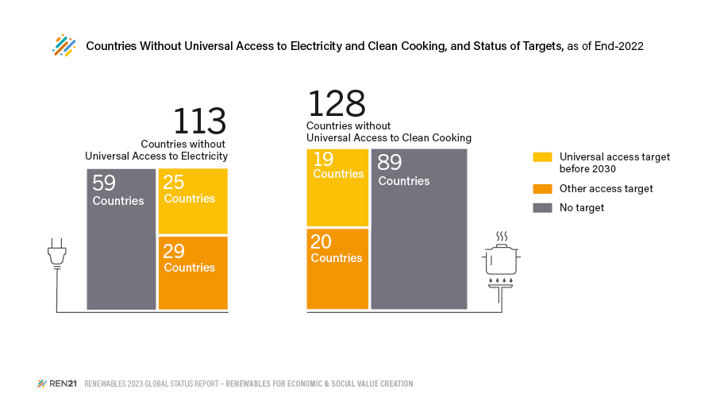
 |  | Other access target | Universal access target before 2030 | No target
 | Countries Without Universal Access to Electricity | 29 | 25 | 59
 | Countries Without Universal Access to Clean Cooking | 20 | 19 | 89

 | Source: REN21 Policy database

Fig2
Table of Contents | Figure 2. Global Renewable Energy Employment, by Technology, 2013-2021

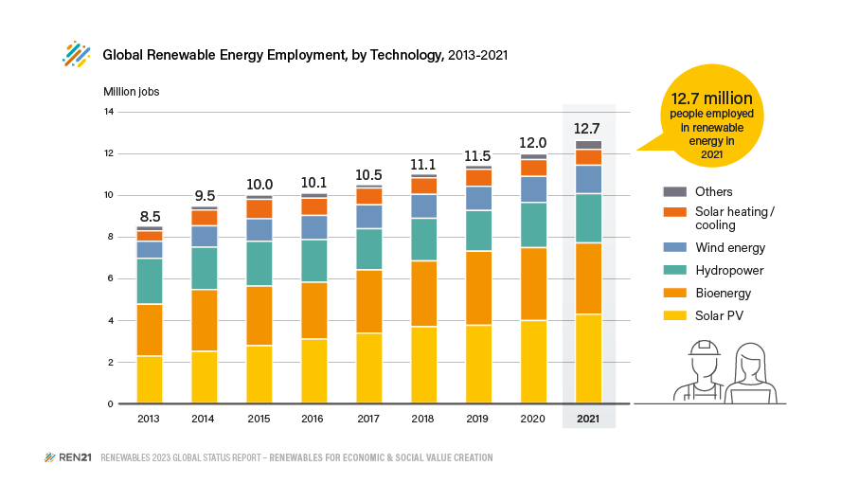
 | Million jobs | 2013 | 2014 | 2015 | 2016 | 2017 | 2018 | 2019 | 2020 | 2021
 | Solar PV | 2.27 | 2.49 | 2.77 | 3.09 | 3.37 | 3.68 | 3.75 | 3.98 | 4.29
 | Bioenergy | 2.5 | 2.99 | 2.88 | 2.74 | 3.05 | 3.18 | 3.58 | 3.52 | 3.44
 | Hydropower | 2.21 | 2.04 | 2.16 | 2.06 | 1.99 | 2.05 | 1.96 | 2.18 | 2.37
 | Wind energy | 0.83 | 1.03 | 1.08 | 1.16 | 1.15 | 1.16 | 1.17 | 1.25 | 1.37
 | Solar heating and cooling | 0.5 | 0.76 | 0.94 | 0.83 | 0.81 | 0.8 | 0.82 | 0.82 | 0.77
 | Other | 0.23 | 0.19 | 0.2 | 0.24 | 0.16 | 0.18 | 0.18 | 0.27 | 0.43
 | Total | 8.5 | 9.5 | 10 | 10.1 | 10.5 | 11.1 | 11.5 | 12 | 12.7

 | Source: based on IRENA International Renewable Energy Agency (IRENA), “Renewable Energy and Jobs – Annual Review 2022”, 2022, https://www.irena.org/-/media/Files/IRENA/Agency/Publication/2022/Sep/IRENA_Renewable_energy_and_jobs_2022.pdf.

Fig3
Table of Contents | Figure 3. Global Renewable Energy Employment, by Technology and Region, 2021

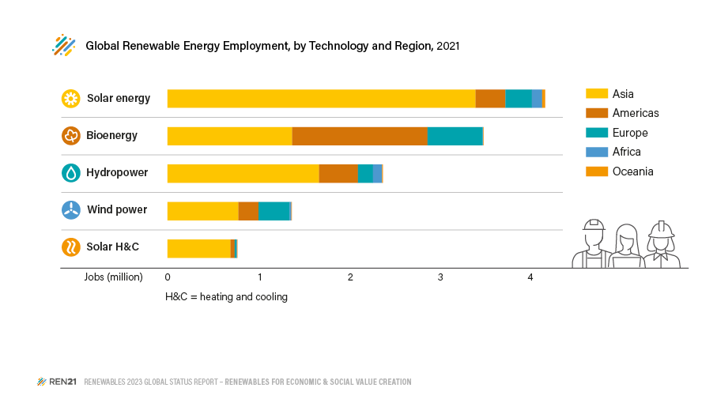
 | Million jobs | Solar PV | Bioenergy | Hydropower | Wind energy | Solar heating and cooling | Other | Total | Share Region (%)
 | Americas | 330407 | 1490000 | 427000 | 219360 | 47000 | 127000 | 2640767 | 21%
 | Africa | 111000 | 5000 | 102000 | 19010 | 4000 | 17000 | 258010 | 2%
 | Asia | 3389890 | 1371000 | 1668000 | 781470 | 694000 | 185000 | 8089360 | 65%
 | Europe | 291788 | 608000 | 167000 | 342750 | 20000 | 70000 | 1499538 | 12%
 | Oceania | 35000 | 2000 | 5000 | 4800 | 4100 | 2000 | 52900 | 0%
 | Others | 74000 | - | - | - | - | 1000 | - | 0%
 | Total | 4232085 | 3476000 | 2369000 | 1367390 | 769100 | 402000 | 12540575 | 100%
 | Share Technology (%) | 34% | 28% | 19% | 11% | 6% | 3% | 100%

 | Source: IRENA, "Off-grid renewable energy statistics 2022", 2022, https://www.irena.org/Publications/2022/Dec/Off-grid-renewable-energy-statistics-2022

Fig4
Table of Contents | Figure 4. Population with Access to Electricity Through Off-Grid Renewable Energy Systems, 2012-2021

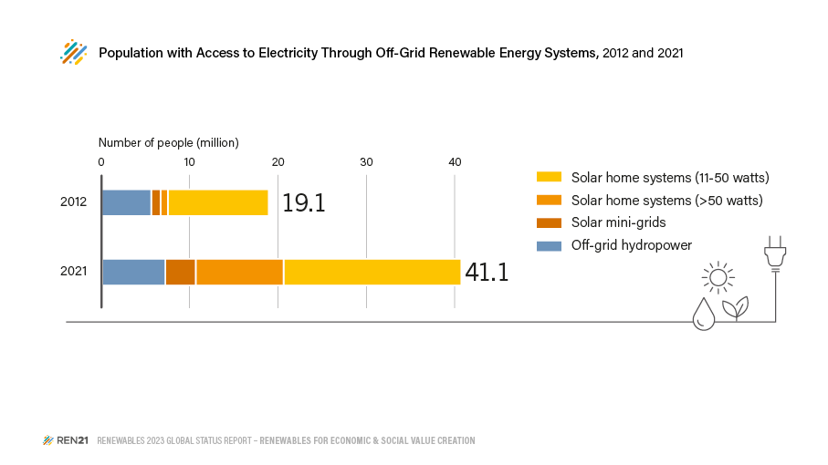
 | Number of people | 2012 | 2021
 | Off-grid hydropower | 5656000 | 7196000
 | Solar home system (11-50 W) | 11508000 | 20291000
 | Solar home system (>50 W) | 819000 | 10022000
 | Solar mini-grid | 1079000 | 3454000
 | Biogas mini-grid | 9800 | 89600
 | Total | 19071800 | 41052600

 | Source: IRENA, "Off-grid renewable energy statistics 2022", 2022, https://www.irena.org/Publications/2022/Dec/Off-grid-renewable-energy-statistics-2022

Fig5
Table of Contents | Figure 5. Volume of Off-grid Solar Products Sold, by Size and Type of Sale, 2022

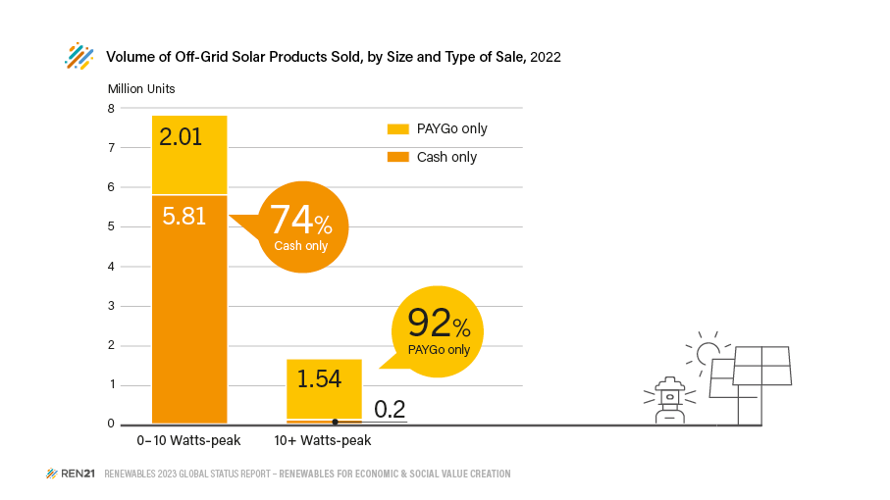
 | Region | Period | Segment | Total | 0-1.5 Wp | 1.5-3 Wp | 3-10 Wp | 11-20 Wp | 21-49 Wp | 50-100 Wp | 100+Wp
 | World | 2022 Jan-Jun | Cash only | 2794202 | 1237753 | 1173422 | 343489 | 15177 | 644 | 16617
 | World | 2022 Jan-Jun | PAYGo only | 1536893 | 0 | 389642 | 547497 | 276128 | 107735 | 194511
 | World | 2022 Jul-Dec | Cash only | 3162624 | 1506897 | 1182649 | 363579 | 77037 | 4092 | 27649 | 721
 | World | 2022 Jul-Dec | PAYGo only | 2039480 | 0 | 426884 | 646071 | 361762 | 216069 | 322256 | 66196

 | World | 2022-Cash Only | 0-10 Wp | 5807789 | 74%
 | World | 2022-PAYGo Only | 0-10 Wp | 2010094 | 26%
 | World | 2022-Cash Only | +10 Wp | 141937 | 8%
 | World | 2022-PAYGo Only | +10 Wp | 1544657 | 92%

 | Source: GOGLA, “Off-grid Solar Market Trends Report 2022”, https://www.gogla.org/off-grid-solar-market-trends-report-2022.

