Sheet1
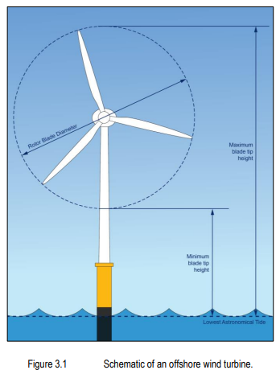
turbine data
number of turbines | 400
turbine rating (MW) | 6
minimum height of lowest blade tip above LAT (m) | 34.97
maximum blade tip height above LAT (m) | 325
maximum rotor blade diameter (m) | 265

