Sheet1
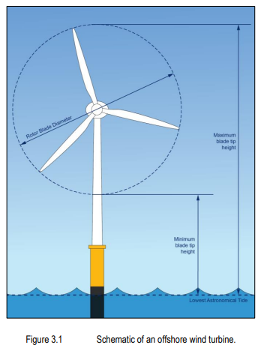
turbine data
Siemens Gamesa SG 8.0-167 DD offshore wind turbine
number of turbines (max) | 231
turbine rating (MW) | 11
minimum height of lowest blade tip above LAT (m) | 40
maximum blade tip height above LAT (m) | 405
rotor blade diameter (m) | 200
hub height | 182.5

