14_Profit_Scenarios
Product-level profitability scenarios — 12 months from first sale (P1 US + P2 from month 5)
Blue rows are inputs per month; all other rows are formulas referencing 12_Fee_Contribution. Peak cash comes from model.py (inventory timing).
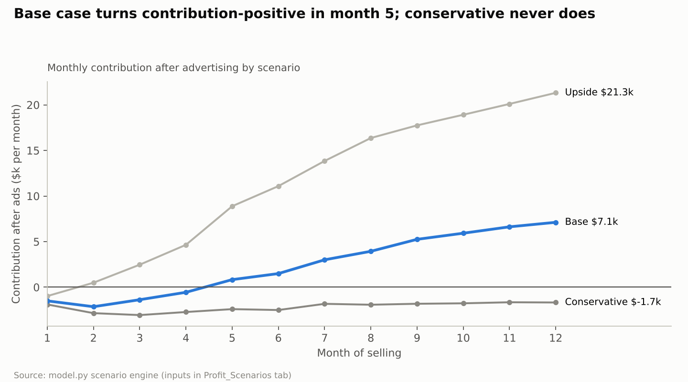
Conservative scenario
Metric | M1 | M2 | M3 | M4 | M5 | M6 | M7 | M8 | M9 | M10 | M11 | M12 | 12-month total
Sheet sets per day | 2 | 4 | 6 | 7 | 8 | 9 | 9 | 10 | 10 | 11 | 11 | 12
Price discount | 15.0% | 10.0% | 5.0% | - | - | - | - | - | - | - | - | -
Conversion | 6.0% | 6.5% | 7.0% | 7.0% | 7.5% | 7.5% | 8.0% | 8.0% | 8.0% | 8.0% | 8.0% | 8.0%
CPC | $2.80 | $2.80 | $2.80 | $2.80 | $2.80 | $2.80 | $2.80 | $2.80 | $2.80 | $2.80 | $2.80 | $2.80
Organic share of units | 8.0% | 12.0% | 15.0% | 18.0% | 20.0% | 22.0% | 24.0% | 25.0% | 26.0% | 28.0% | 29.0% | 30.0%
Duvet sets as % of sheet units (from M5) | - | - | - | - | - | - | - | - | - | - | - | -
Sheet units | 60 | 120 | 180 | 210 | 240 | 270 | 270 | 300 | 300 | 330 | 330 | 360 | 2,970
Duvet units | - | - | - | - | - | - | - | - | - | - | - | - | -
Revenue | $3,391 | $7,181 | $11,370 | $13,963 | $15,958 | $17,952 | $17,952 | $19,947 | $19,947 | $21,942 | $21,942 | $23,936 | $195,481
Paid units | 55 | 106 | 153 | 172 | 192 | 211 | 205 | 225 | 222 | 238 | 234 | 252 | 2,265
Ad spend | $2,576 | $4,549 | $6,120 | $6,888 | $7,168 | $7,862 | $7,182 | $7,875 | $7,770 | $8,316 | $8,201 | $8,820 | $83,327
ACoS (ad spend / revenue) | 76.0% | 63.3% | 53.8% | 49.3% | 44.9% | 43.8% | 40.0% | 39.5% | 39.0% | 37.9% | 37.4% | 36.8% | 42.6%
Contribution after ads | ($1,894) | ($2,846) | ($3,057) | ($2,721) | ($2,405) | ($2,504) | ($1,824) | ($1,922) | ($1,817) | ($1,767) | ($1,652) | ($1,676) | ($26,084)
Cumulative contribution | ($1,894) | ($4,740) | ($7,796) | ($10,517) | ($12,922) | ($15,427) | ($17,251) | ($19,172) | ($20,989) | ($22,756) | ($24,408) | ($26,084)

Base scenario
Metric | M1 | M2 | M3 | M4 | M5 | M6 | M7 | M8 | M9 | M10 | M11 | M12 | 12-month total
Sheet sets per day | 3 | 7 | 11 | 14 | 17 | 19 | 21 | 23 | 24 | 25 | 26 | 27
Price discount | 10.0% | 5.0% | - | - | - | - | - | - | - | - | - | -
Conversion | 7.0% | 7.5% | 8.0% | 8.5% | 9.0% | 9.0% | 9.5% | 9.5% | 10.0% | 10.0% | 10.0% | 10.0%
CPC | $2.40 | $2.40 | $2.40 | $2.40 | $2.40 | $2.40 | $2.40 | $2.40 | $2.40 | $2.40 | $2.40 | $2.40
Organic share of units | 10.0% | 15.0% | 20.0% | 25.0% | 29.0% | 32.0% | 35.0% | 38.0% | 40.0% | 42.0% | 44.0% | 45.0%
Duvet sets as % of sheet units (from M5) | - | - | - | - | 25.0% | 25.0% | 25.0% | 25.0% | 25.0% | 25.0% | 25.0% | 25.0%
Sheet units | 90 | 210 | 330 | 420 | 510 | 570 | 630 | 690 | 720 | 750 | 780 | 810 | 6,510
Duvet units | - | - | - | - | 128 | 143 | 158 | 173 | 180 | 188 | 195 | 203 | 1,368
Revenue | $5,386 | $13,265 | $21,942 | $27,926 | $43,829 | $48,980 | $54,132 | $59,284 | $61,821 | $64,436 | $66,973 | $69,587 | $537,560
Paid units | 81 | 179 | 264 | 315 | 453 | 485 | 512 | 535 | 540 | 544 | 546 | 557 | 5,011
Ad spend | $2,777 | $5,712 | $7,920 | $8,894 | $12,079 | $12,929 | $12,940 | $13,517 | $12,960 | $13,057 | $13,104 | $13,372 | $129,261
ACoS (ad spend / revenue) | 51.6% | 43.1% | 36.1% | 31.8% | 27.6% | 26.4% | 23.9% | 22.8% | 21.0% | 20.3% | 19.6% | 19.2% | 24.0%
Contribution after ads | ($1,500) | ($2,138) | ($1,371) | ($559) | $830 | $1,498 | $3,005 | $3,945 | $5,250 | $5,922 | $6,623 | $7,125 | $28,629
Cumulative contribution | ($1,500) | ($3,638) | ($5,009) | ($5,569) | ($4,739) | ($3,241) | ($236) | $3,708 | $8,958 | $14,881 | $21,504 | $28,629

Upside scenario
Metric | M1 | M2 | M3 | M4 | M5 | M6 | M7 | M8 | M9 | M10 | M11 | M12 | 12-month total
Sheet sets per day | 4 | 10 | 16 | 22 | 27 | 31 | 35 | 38 | 40 | 42 | 44 | 46
Price discount | 10.0% | - | - | - | - | - | - | - | - | - | - | -
Conversion | 8.0% | 9.0% | 10.0% | 10.5% | 11.0% | 11.0% | 11.5% | 12.0% | 12.0% | 12.0% | 12.0% | 12.0%
CPC | $2.10 | $2.10 | $2.10 | $2.10 | $2.10 | $2.10 | $2.10 | $2.10 | $2.10 | $2.10 | $2.10 | $2.10
Organic share of units | 15.0% | 22.0% | 30.0% | 36.0% | 40.0% | 44.0% | 47.0% | 50.0% | 52.0% | 53.0% | 54.0% | 55.0%
Duvet sets as % of sheet units (from M5) | - | - | - | - | 25.0% | 25.0% | 25.0% | 25.0% | 25.0% | 25.0% | 25.0% | 25.0%
Sheet units | 120 | 300 | 480 | 660 | 810 | 930 | 1,050 | 1,140 | 1,200 | 1,260 | 1,320 | 1,380 | 10,650
Duvet units | - | - | - | - | 203 | 233 | 263 | 285 | 300 | 315 | 330 | 345 | 2,274
Revenue | $7,181 | $19,947 | $31,915 | $43,883 | $69,587 | $79,891 | $90,194 | $97,883 | $103,035 | $108,187 | $113,339 | $118,490 | $883,533
Paid units | 102 | 234 | 336 | 422 | 608 | 651 | 696 | 713 | 720 | 740 | 759 | 776 | 6,757
Ad spend | $2,678 | $5,460 | $7,056 | $8,448 | $11,603 | $12,434 | $12,708 | $12,469 | $12,600 | $12,954 | $13,283 | $13,584 | $125,276
ACoS (ad spend / revenue) | 37.3% | 27.4% | 22.1% | 19.3% | 16.7% | 15.6% | 14.1% | 12.7% | 12.2% | 12.0% | 11.7% | 11.5% | 14.2%
Contribution after ads | ($974) | $493 | $2,469 | $4,649 | $8,893 | $11,098 | $13,859 | $16,363 | $17,750 | $18,913 | $20,102 | $21,318 | $134,934
Cumulative contribution | ($974) | ($481) | $1,988 | $6,638 | $15,531 | $26,629 | $40,489 | $56,852 | $74,601 | $93,514 | $113,616 | $134,934

Model summary incl. inventory timing, reorders and peak cash (model.py; values)
scenario | units_12m | revenue_12m | ad_spend_12m | tacos_12m | contribution_12m | one_time_costs | initial_inventory_landed | contingency_pct | peak_cash_need | reorders | cash_breakeven_month | inventory_end
Conservative | 2970 | $195,481 | $83,327 | 42.6% | ($26,084) | $14,500 | $30,502 | 10.0% | $96,078 | 2 | >12 | 1530
Base | 7875 | $537,327 | $129,214 | 24.0% | $28,611 | $27,000 | $50,838 | 15.0% | $142,172 | 3 | 12 | 990
Upside | 12921 | $883,300 | $125,244 | 14.2% | $134,900 | $40,000 | $81,340 | 20.0% | $197,184 | 4 | 7 | 1350

Charts
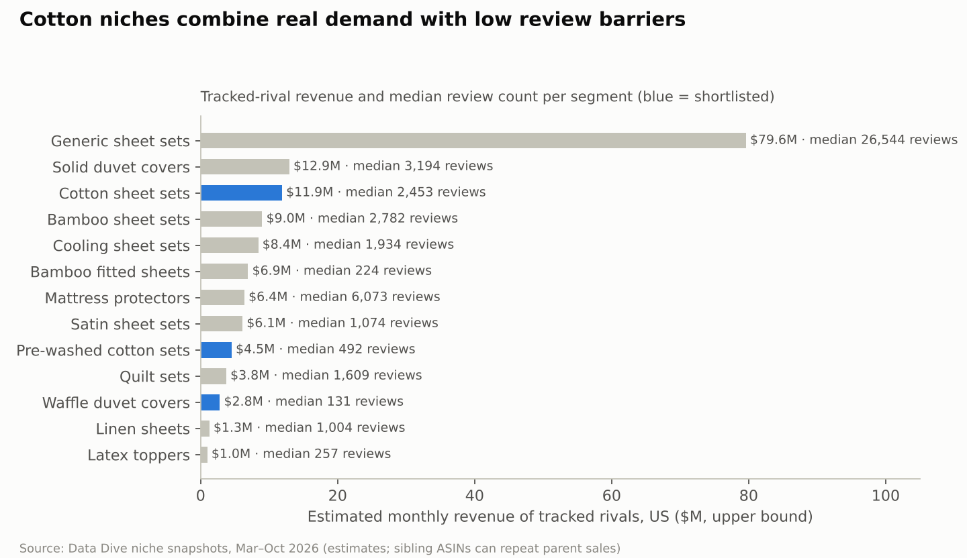
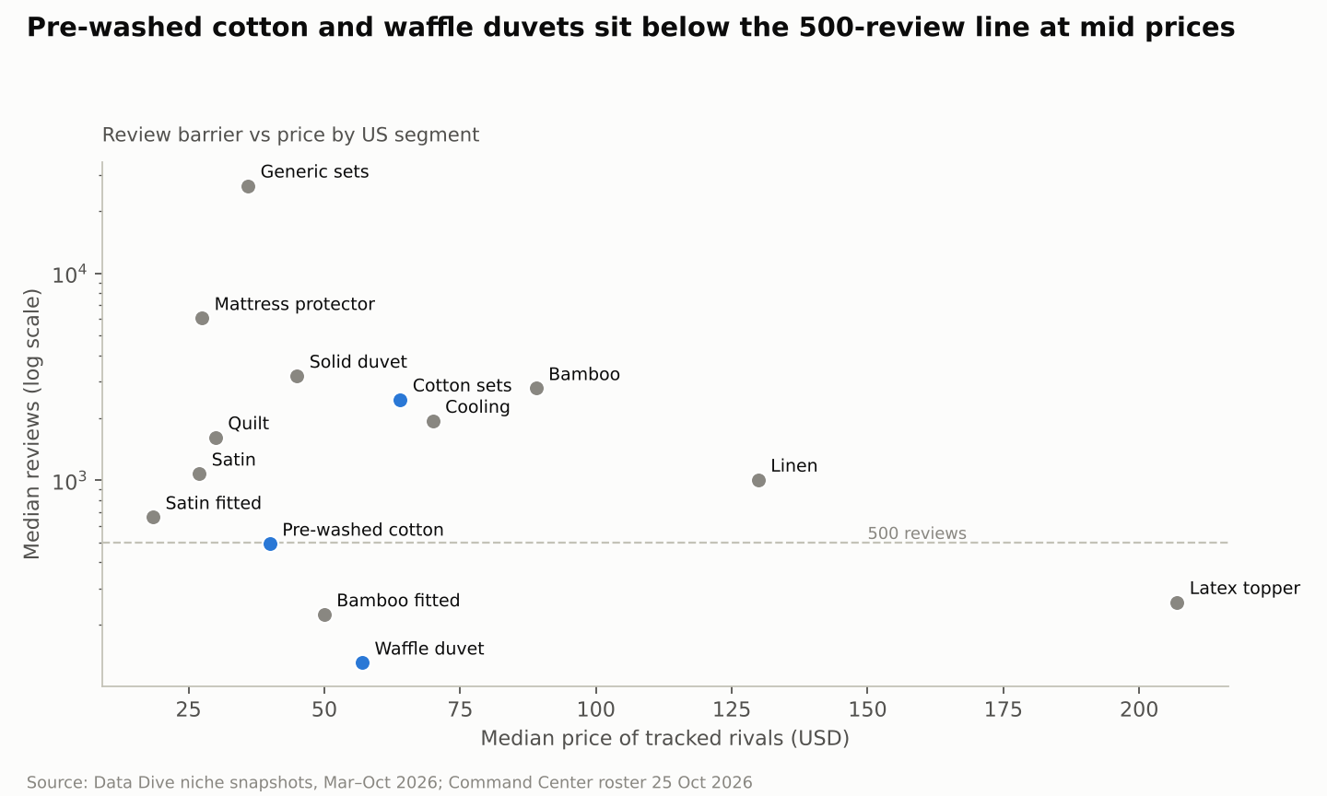
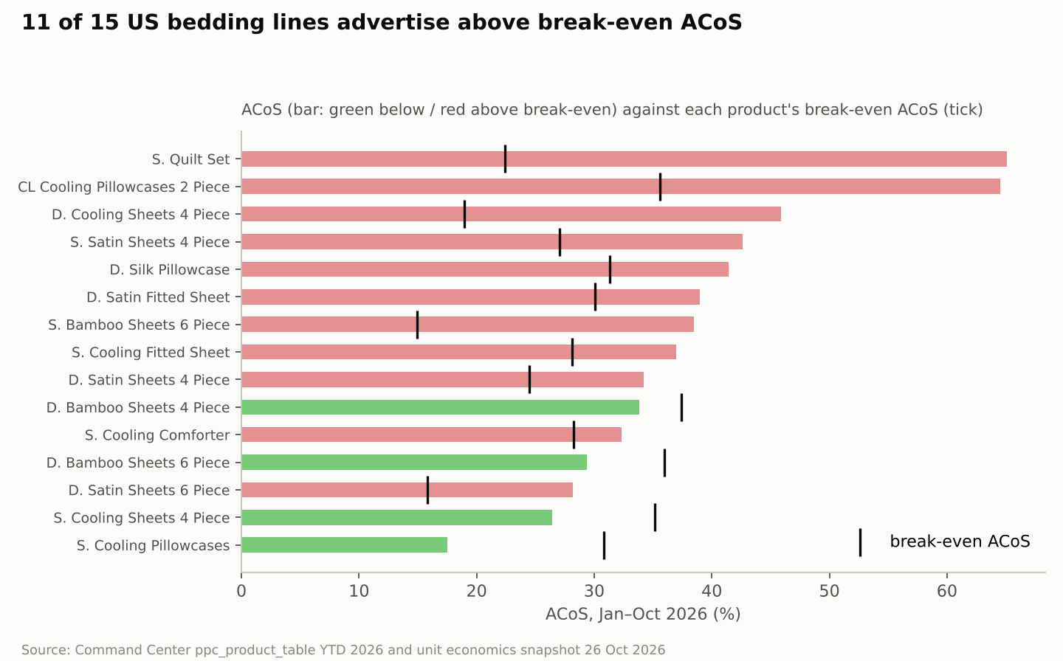
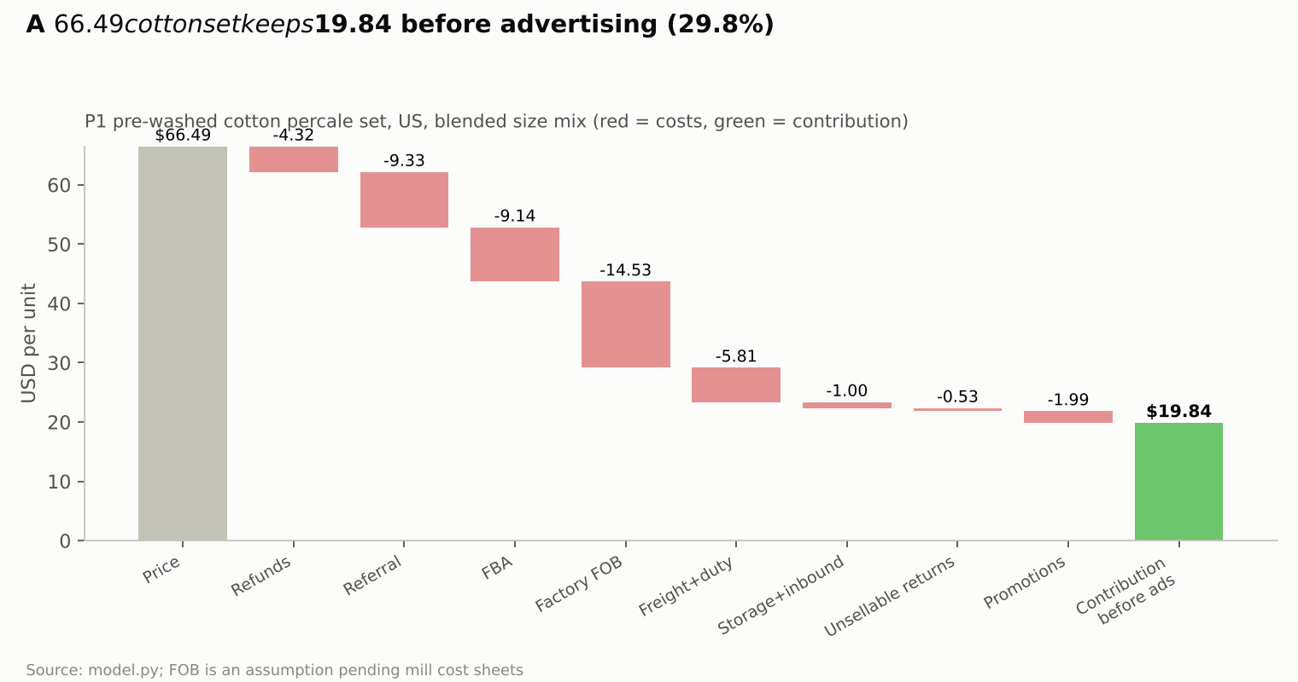
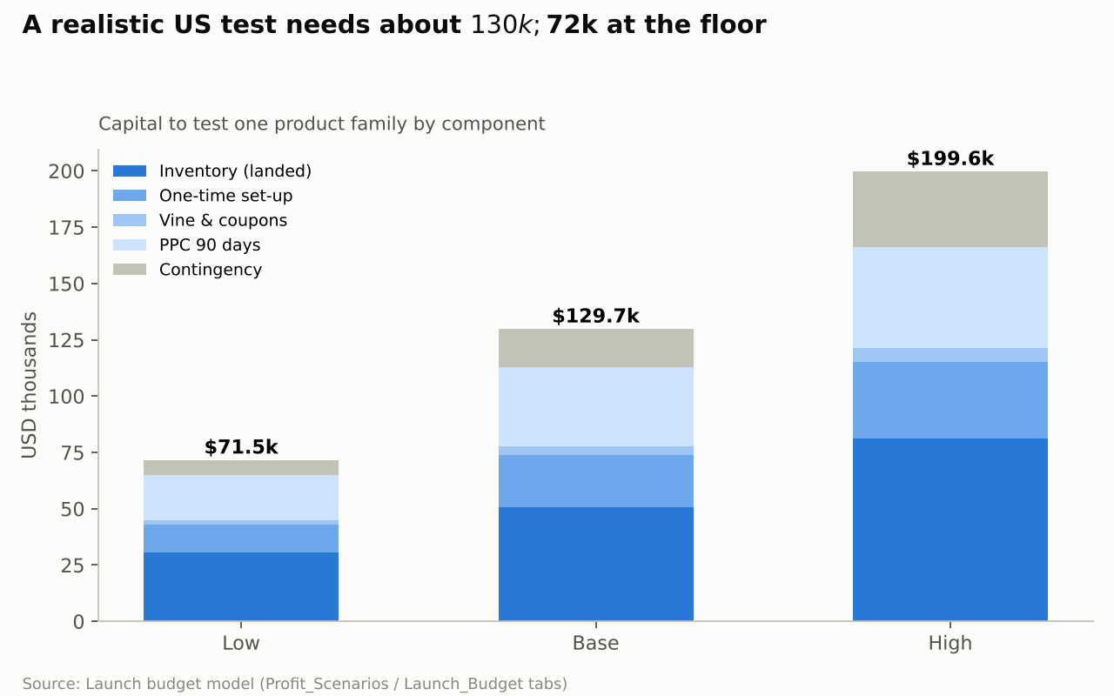
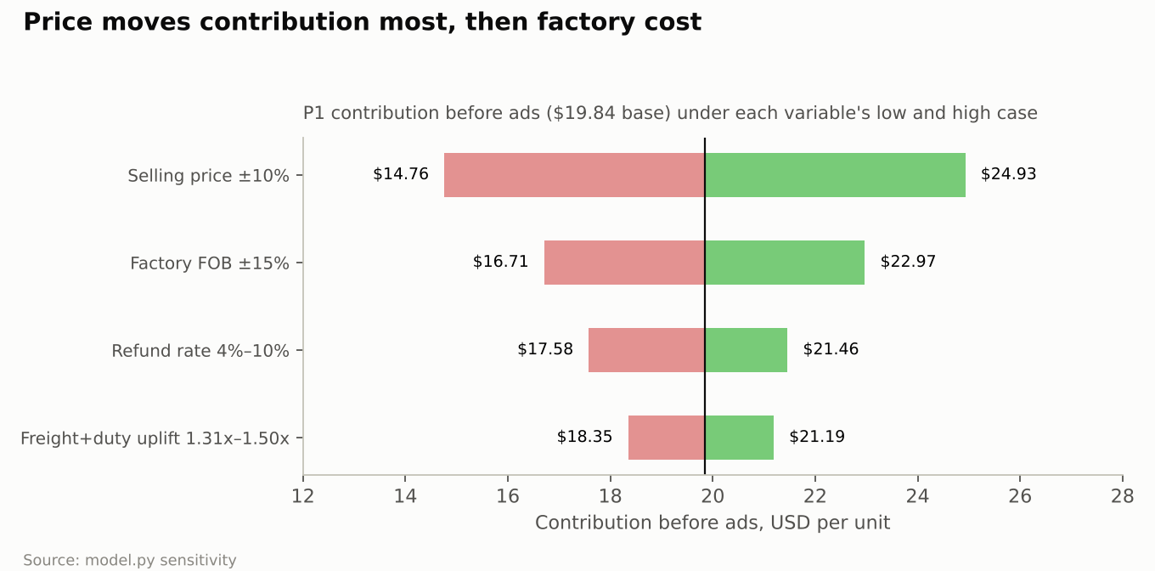
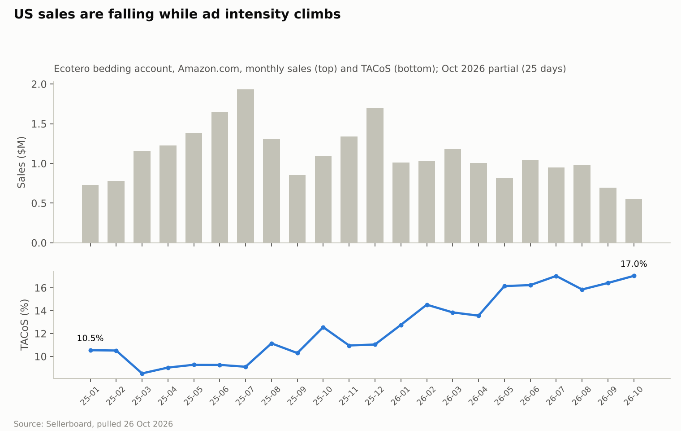
Visual evidence
PNG charts generated by charts.py from the same data

