Disulfide
Name | CAS | Life Chemicals ID | SMILES | Stucture | OCR | Binding site | IC50
1-(4-benzylpiperazin-1-yl)-3-[4-(2-{4-[3-(4-benzylpiperazin-1-yl)-2-hydroxypropoxy]-3,5-dibromophenyl}propan-2-yl)-2,6-dibromophenoxy]propan-2-ol | 325473-69-6 | F0777-1198 | CC(C)(c1cc(Br)c(OCC(O)CN2CCN(Cc3ccccc3)CC2)c(Br)c1)c1cc(Br)c(OCC(O)CN2CCN(Cc3ccccc3)CC2)c(Br)c1 | 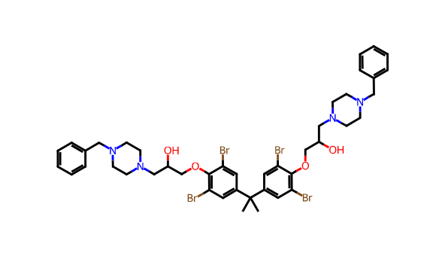 | 51.05 | MQ-9
Aurachin D | 108354-13-8 |  | CC1=C(C(=O)C2=CC=CC=C2N1)C/C=C(\C)/CC/C=C(\C)/CCC=C(C)C | 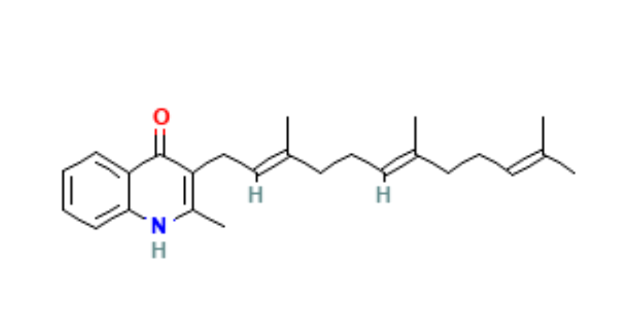 |  |  | 0.15 μM

No Disulfide
Name | CAS | Life Chemicals ID | SMILES | Stucture | OCR | Binding site | IC50 μM
1-(4-methylphenyl)-5-phenyl-2-(prop-2-en-1-ylsulfanyl)-1H-imidazole | 1206986-95-9 | F2964-1180 | C=CCSc1ncc(-c2ccccc2)n1-c1ccc(C)cc1 | 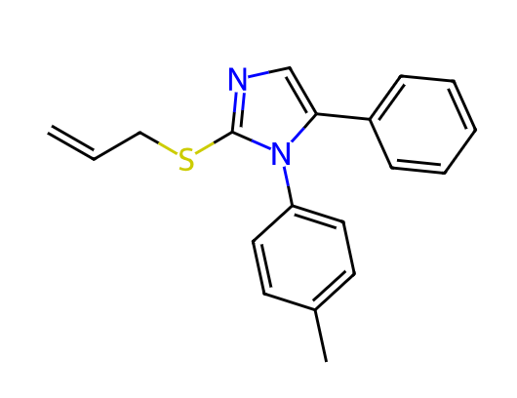 | 50.63 | Oxygen chanel
2-({[2-(4-ethoxyphenyl)-5-methyl-1,3-oxazol-4-yl]methyl}sulfanyl)-3-[3-(2-oxopyrrolidin-1-yl)propyl]-3,4-dihydroquinazolin-4-one | 1114828-05-5 | F3382-2259 | 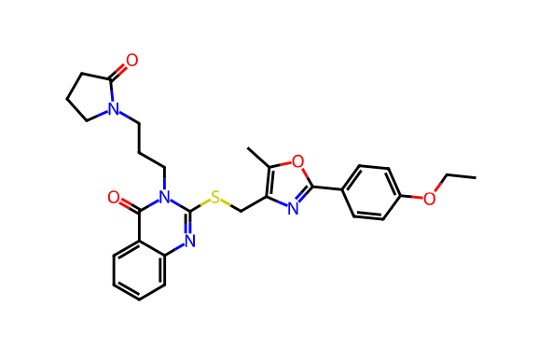 CCOc1ccc(-c2nc(CSc3nc4ccccc4c(=O)n3CCCN3CCCC3=O)c(C)o2)cc1 |  | 18.99 | MQ-9
Aurachin D | 108354-13-8 |  | CC1=C(C(=O)C2=CC=CC=C2N1)C/C=C(\C)/CC/C=C(\C)/CCC=C(C)C |  |  | Q-Loop | 0.15
CK-3-22 (1T) |  |  | Cc4c(c2ccc(Oc1ccc(OC(F)(F)F)cc1)nc2)[nH]c3ccccc3c4=O | 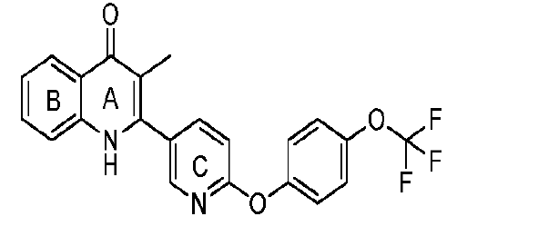 |  | Q-Loop | 0.14
CK-3-14 |  |  | 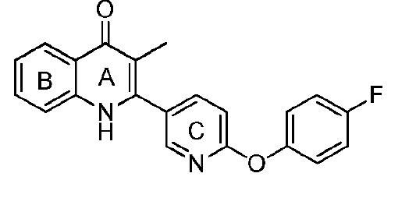 Cc4c(c2ccc(Oc1ccc(F)cc1)nc2)[nH]c3ccccc3c4=O |  |  | Q-Loop | 10.6
RKA-259 |  |  | 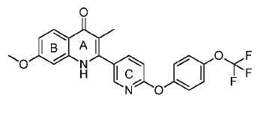 COc4ccc3c(=O)c(C)c(c2ccc(Oc1ccc(OC(F)(F)F)cc1)nc2)[nH]c3c4 |  |  | Q-loop | 3.6
RKA-307 |  |  | 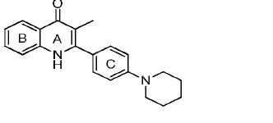 Cc4c(c2ccc(N1CCCCC1)cc2)[nH]c3ccccc3c4=O |  |  | Q-Loop | 0.44
RKA-310 |  |  | COc4ccc3c(=O)c(C)c(c2ccc(N1CCCCC1)cc2)[nH]c3c4 | 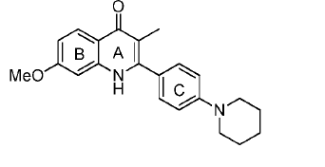 |  | Q-Loop | 1.4
MTD-403 |  |  | Cc4c(c2ccc(N1CCCCC1)cc2)[nH]c3cc(F)cc(F)c3c4=O | 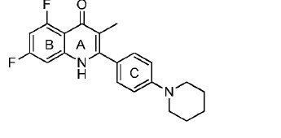 |  | Q-Loop | 0.27
CK-2-88 |  |  | Cc4c(c2ccc(Cc1ccccc1)cc2)[nH]c3ccccc3c4=O | 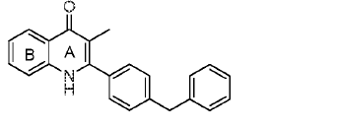 |  | Q-Loop | 0.02
CK-3-23 |  |  | COc3c(C)c(c2ccc(Cc1ccccc1)cc2)nc4ccccc34 | 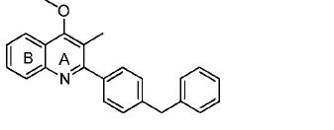 |  | Q-Loop | 3.6
CK-2-63 |  |  | Cc4c(c2ccc(Oc1ccc(OC(F)(F)F)cc1)cc2)[nH]c3ccccc3c4=O | 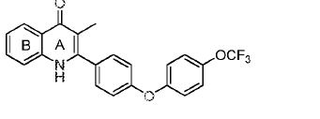 |  | Q-Loop | 0.003
PG-203 |  |  | Cc2[nH]c1ccccc1c(=O)c2c4ccc(Oc3ccc(OC(F)(F)F)cc3)cc4 | 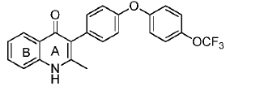 |  | Q-Loop | 0.07
RKA-70 |  |  | O=c3cc(c2ccc(Cc1ccc(OC(F)(F)F)cc1)cc2)[nH]c4ccccc34 | 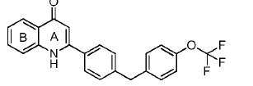 |  | Q-Loop | 0.75
RKA-73 |  |  | 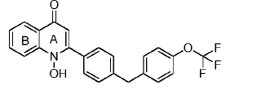 O=c3cc(c2ccc(Cc1ccc(OC(F)(F)F)cc1)cc2)n(O)c4ccccc34 |  |  | Q-Loop | 0.31
LT-9 |  |  | 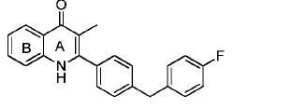 O=c3cc(c2ccc(Cc1ccc(F)cc1)cc2)[nH]c4ccccc34 |  |  | Q-Loop | 0.1
GN-171 |  |  | CCOC(=O)c4c(c2ccc(Cc1ccc(OC(F)(F)F)cc1)cc2)[nH]c3ccccc3c4=O | 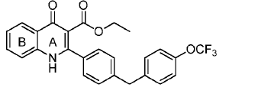 |  | Q-Loop | 0.25
PG-128 |  |  | Cc4c(c2ccc(c1ccc(C(F)(F)F)nc1)nc2)[nH]c3ccccc3c4=O | 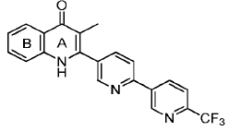 |  | Q-Loop | 4.47
SL-2-25 |  |  | Cc4c(c2ccc(c1ccc(OC(F)(F)F)cc1)nc2)[nH]c3ccccc3c4=O | 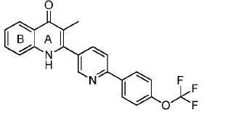 |  | Q-Loop | 0.29
WDH-1U-10 |  |  | CCOC(=O)c4c(c2ccc(c1ccc(Cl)cc1)cc2)[nH]c3ccccc3c4=O | 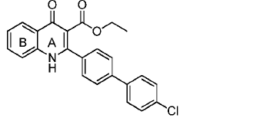 |  | Q-Loop | 0.012
WDH-1W-5 |  |  | O=c3cc(c2cnn(Cc1ccc(OC(F)(F)F)cc1)c2)[nH]c4ccccc34 | 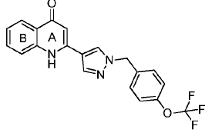 |  | Q-Loop | 15.8
WDH-2A-9 |  |  | Cc4c(c2cnn(Cc1ccc(OC(F)(F)F)cc1)c2)[nH]c3ccccc3c4=O | 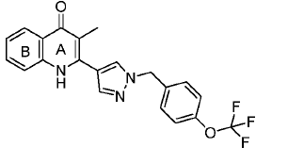 |  | Q-Loop | 6.5
WDH-2G-6 |  |  | CC(C)c4c(c2cnn(Cc1ccc(OC(F)(F)F)cc1)c2)[nH]c3ccccc3c4=O | 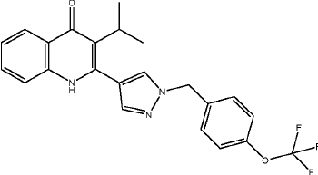 |  | Q-Loop | 0.082
WDH-2R-4 |  |  | Cc4c(c2cnn(Cc1ccc(OC(F)(F)F)cc1)c2)[nH]c3ccccc3c4=O |  |  | Q-Loop | 0.38

