Keychip Shape
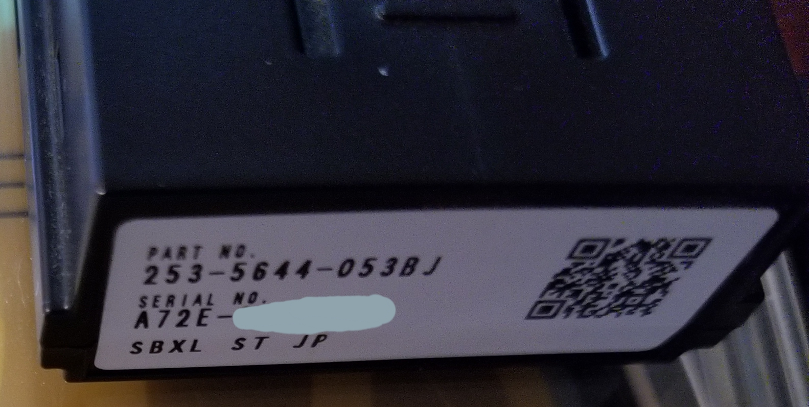
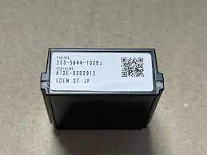
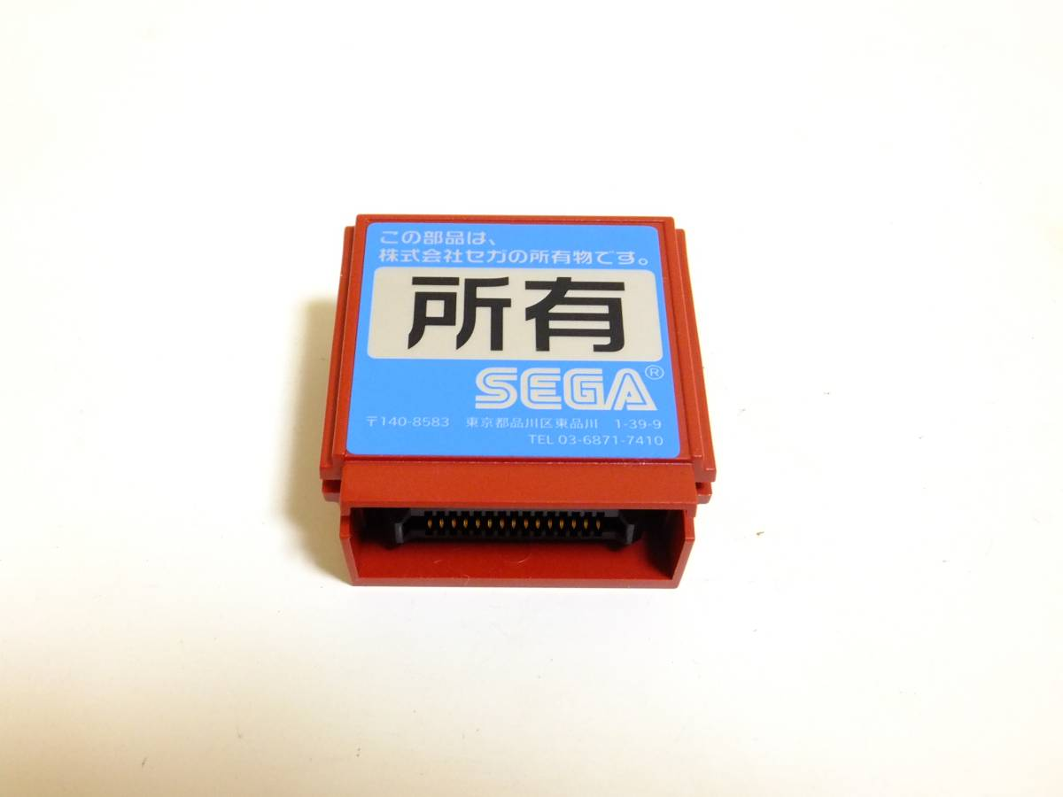
RINGEDGE / RINGEDGE 2 / RINGWIDE

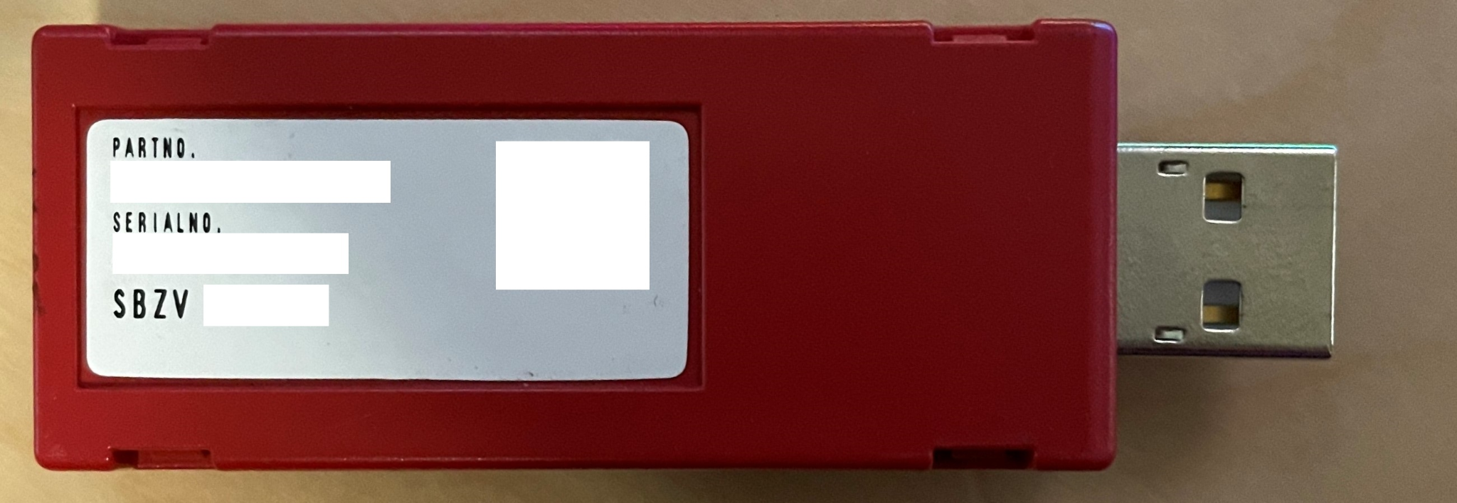
nu / nu 1.1 / nu 2 / nu SX / nu SX 1.1


ALLS UX/HX/UX2/HX2

