Growth
hrs | 0 | 24 | 48 | 72 | 96 | 120 | 144
AX4
1 | 1.54E+05 | 3.80E+05 | 4.14E+05 | 6.12E+05 | 8.25E+05 | 1.47E+06 | 1.72E+06
2 | 1.80E+05 | 3.94E+05 | 4.15E+05 | 6.35E+05 | 8.69E+05 | 1.52E+06 | 1.85E+06
3 | 1.57E+05 | 3.87E+05 | 4.15E+05 | 6.25E+05 | 8.39E+05 | 1.48E+06 | 1.59E+06
Average | 1.64E+05 | 3.87E+05 | 4.15E+05 | 6.24E+05 | 8.44E+05 | 1.49E+06 | 1.72E+06
S-AX4
1 | 1.85E+05 | 4.03E+05 | 8.25E+05 | 1.40E+06 | 2.78E+06 | 6.00E+06 | 6.58E+06
2 | 1.84E+05 | 3.88E+05 | 8.50E+05 | 1.42E+06 | 2.70E+06 | 5.98E+06 | 6.62E+06
3 | 1.65E+05 | 3.95E+05 | 8.60E+05 | 1.42E+06 | 2.74E+06 | 5.84E+06 | 6.76E+06
Average | 1.78E+05 | 3.95E+05 | 8.45E+05 | 1.41E+06 | 2.74E+06 | 5.94E+06 | 6.65E+06
DnmA(-)
1 | 1.38E+05 | 2.12E+05 | 3.89E+05 | 5.00E+05 | 7.15E+05 | 8.92E+05 | 1.05E+06
2 | 1.40E+05 | 2.48E+05 | 3.89E+05 | 5.01E+05 | 7.01E+05 | 8.95E+05 | 1.02E+06
3 | 1.39E+05 | 2.29E+05 | 3.89E+05 | 4.81E+05 | 7.08E+05 | 9.04E+05 | 9.95E+05
Average | 1.39E+05 | 2.30E+05 | 3.89E+05 | 4.94E+05 | 7.08E+05 | 8.97E+05 | 1.02E+06
S-DnmA(-)
1 | 1.36E+05 | 3.42E+05 | 5.78E+05 | 8.90E+05 | 1.19E+06 | 2.61E+06 | 3.29E+06
2 | 1.44E+05 | 3.34E+05 | 5.59E+05 | 9.00E+05 | 1.17E+06 | 2.69E+06 | 3.38E+06
3 | 1.39E+05 | 3.38E+05 | 5.67E+05 | 9.01E+05 | 1.21E+06 | 2.64E+06 | 3.32E+06
Average | 1.40E+05 | 3.38E+05 | 5.68E+05 | 8.97E+05 | 1.19E+06 | 2.65E+06 | 3.33E+06

Growth Curve AX4 vs DnmA (-)

Growth Curve AX4 vs DnmA (-)
 | Growth Curve AX4 | AX4 Shaking Culture | DNMT(-) Stationary | DNMT(-) Shaking Culture
0 | 1.57E+05 | 3.78E+05 | 1.39E+05 | 1.39E+05
24 | 3.88E+05 | 3.95E+05 | 2.30E+05 | 3.38E+05
48 | 4.15E+05 | 8.45E+05 | 3.89E+05 | 5.68E+05
72 | 6.24E+05 | 1.41E+06 | 4.94E+05 | 8.97E+05
96 | 8.45E+05 | 2.74E+06 | 7.08E+05 | 1.19E+06
120 | 1.49E+06 | 5.94E+06 | 8.97E+05 | 2.65E+06
144 | 1.72E+06 | 6.66E+06 | 1.01E+06 | 3.33E+06

AX4 Stationary
Sample Id | small size cells |  |  | Sample Id | small size cells_001 |  |  | Sample Id | small size cells |  |  | Sample Id | small size cells |  |  | Sample Id | AX4 stationary Day IV 1_001 |  |  | Sample Id | AX4 stationary Day IV 2_001 |  |  | Sample Id | AX4 stationary Day IV 2_003 |  |  | Sample Id | AX4 Stationary culture 1 Day V_001 |  |  | Sample Id | AX4 Stationary Culture 3 Day VI_001
Dilution | 1 |  |  | Dilution | 1 |  |  | Dilution | 1 |  |  | Dilution | 1 |  |  | Dilution | 1 |  |  | Dilution | 1 |  |  | Dilution | 1 |  |  | Dilution | 1 |  |  | Dilution | 1
7/17/18 |  |  |  | 7/18/18 |  |  |  | 7/19/18 |  |  |  | 7/20/18 |  |  |  | 7/21/18 |  |  |  | 7/22/18 |  |  |  | 7/23/18 |  |  |  | 7/24/18 |  |  |  | 7/25/18
Instrument | Zaza |  |  | Instrument | Zaza |  |  | Instrument | Zaza |  |  | Instrument | Zaza |  |  | Instrument | Zaza |  |  | Instrument | Zaza |  |  | Instrument | Zaza |  |  | Instrument | Zaza |  |  | Instrument | Zaza
Sn | AutoT4-102-0256 |  |  | Sn | AutoT4-102-0256 |  |  | Sn | AutoT4-102-0256 |  |  | Sn | AutoT4-102-0256 |  |  | Sn | AutoT4-102-0256 |  |  | Sn | AutoT4-102-0256 |  |  | Sn | AutoT4-102-0256 |  |  | Sn | AutoT4-102-0256 |  |  | Sn | AutoT4-102-0256

Cell Type | small size cells |  |  | Cell Type | small size cells |  |  | Cell Type | small size cells |  |  | Cell Type | small size cells |  |  | Cell Type | small size cells |  |  | Cell Type | small size cells |  |  | Cell Type | small size cells |  |  | Cell Type | small size cells |  |  | Cell Type | small size cells
 |  | * Tested Viability with Trypan Blue |  |  |  | * Tested Viability with Trypan Blue |  |  |  | * Tested Viability with Trypan Blue |  |  |  | * Tested Viability with Trypan Blue |  |  |  | * Tested Viability with Trypan Blue |  |  |  | * Tested Viability with Trypan Blue |  |  |  | * Tested Viability with Trypan Blue |  |  |  | * Tested Viability with Trypan Blue |  |  |  | * Tested Viability with Trypan Blue
Description | small size cells |  |  | Description | small size cells |  |  | Description | small size cells |  |  | Description | small size cells |  |  | Description | small size cells |  |  | Description | small size cells |  |  | Description | small size cells |  |  | Description | small size cells |  |  | Description | small size cells

Count Results |  |  |  | Count Results |  |  |  | Count Results |  |  |  | Count Results |  |  |  | Count Results |  |  |  | Count Results |  |  |  | Count Results |  |  |  | Count Results |  |  |  | Count Results

Live Cell Count | 57 | cells |  | Live Cell Count | 141 | cells |  | Live Cell Count | 150 | cells |  | Live Cell Count | 227 | cells |  | Live Cell Count | 305 | cells |  | Live Cell Count | 365 | cells |  | Live Cell Count | 351 | cells |  | Live Cell Count | 537 | cells |  | Live Cell Count | 621 | cells
Dead Cell Count | 30 | cells |  | Dead Cell Count | 48 | cells |  | Dead Cell Count | 55 | cells |  | Dead Cell Count | 157 | cells |  | Dead Cell Count | 150 | cells |  | Dead Cell Count | 118 | cells |  | Dead Cell Count | 181 | cells |  | Dead Cell Count | 8 | cells |  | Dead Cell Count | 45 | cells
Total Cell Count | 87 | cells |  | Total Cell Count | 189 | cells |  | Total Cell Count | 205 | cells |  | Total Cell Count | 384 | cells |  | Total Cell Count | 455 | cells |  | Total Cell Count | 483 | cells |  | Total Cell Count | 532 | cells |  | Total Cell Count | 545 | cells |  | Total Cell Count | 666 | cells

Live Mean Diameter | 9.7 | microns |  | Live Mean Diameter | 9.5 | microns |  | Live Mean Diameter | 10.8 | microns |  | Live Mean Diameter | 8.6 | microns |  | Live Mean Diameter | 11.4 | microns |  | Live Mean Diameter | 11.4 | microns |  | Live Mean Diameter | 13.3 | microns |  | Live Mean Diameter | 13 | microns |  | Live Mean Diameter | 12.4 | microns
Dead Mean Diameter | 7.6 | microns |  | Dead Mean Diameter | 7 | microns |  | Dead Mean Diameter | 7 | microns |  | Dead Mean Diameter | 6.2 | microns |  | Dead Mean Diameter | 9 | microns |  | Dead Mean Diameter | 12.1 | microns |  | Dead Mean Diameter | 11.8 | microns |  | Dead Mean Diameter | 5.7 | microns |  | Dead Mean Diameter | 9.4 | microns
Total Mean Diameter | 9 | microns |  | Total Mean Diameter | 8.9 | microns |  | Total Mean Diameter | 9.8 | microns |  | Total Mean Diameter | 7.6 | microns |  | Total Mean Diameter | 10.6 | microns |  | Total Mean Diameter | 11.6 | microns |  | Total Mean Diameter | 12.8 | microns |  | Total Mean Diameter | 12.9 | microns |  | Total Mean Diameter | 12.2 | microns

Viability | 65.5 | % |  | Viability | 74.6 | % |  | Viability | 73.2 | % |  | Viability | 59.1 | % |  | Viability | 67 | % |  | Viability | 75.6 | % |  | Viability | 66 | % |  | Viability | 98.5 | % |  | Viability | 93.2 | %

Live Concentration | 1.57E+05 | cells/ml |  | Live Concentration | 3.88E+05 | cells/ml |  | Live Concentration | 4.15E+05 | cells/ml |  | Live Concentration | 6.24E+05 | cells/ml |  | Live Concentration | 8.45E+05 | cells/ml |  | Live Concentration | 1.01E+06 | cells/ml |  | Live Concentration | 9.78E+05 | cells/ml |  | Live Concentration | 1.49E+06 | cells/ml |  | Live Concentration | 1.72E+06 | cells/ml
Dead Concentration | 8.27E+04 | cells/ml |  | Dead Concentration | 1.32E+05 | cells/ml |  | Dead Concentration | 1.52E+05 | cells/ml |  | Dead Concentration | 4.31E+05 | cells/ml |  | Dead Concentration | 4.15E+05 | cells/ml |  | Dead Concentration | 3.27E+05 | cells/ml |  | Dead Concentration | 5.04E+05 | cells/ml |  | Dead Concentration | 2.23E+04 | cells/ml |  | Dead Concentration | 1.25E+05 | cells/ml
Total Concentration | 2.40E+05 | cells/ml |  | Total Concentration | 5.21E+05 | cells/ml |  | Total Concentration | 5.67E+05 | cells/ml |  | Total Concentration | 1.06E+06 | cells/ml |  | Total Concentration | 1.26E+06 | cells/ml |  | Total Concentration | 1.34E+06 | cells/ml |  | Total Concentration | 1.48E+06 | cells/ml |  | Total Concentration | 1.52E+06 | cells/ml |  | Total Concentration | 1.85E+06 | cells/ml

AX4 Stationary DAY 1 |  |  |  | AX4 Stationary DAY 2 |  |  |  | AX4 Stationary Day III |  |  |  | AX4 Stationary Day IV |  |  |  | AX4 Stationary Day V |  |  |  | AX4 Stationary Day V |  |  |  | AX4 Stationary Day V |  |  |  | AX4 Stationary Day VI |  |  |  | AX4 Stationary Day VII

Cell Size | Num Live | Cell Size | Num Dead | Cell Size | Num Live | Cell Size | Num Dead | Cell Size | Num Live | Cell Size | Num Dead | Cell Size | Num Live | Cell Size | Num Dead | Cell Size | Num Live | Cell Size | Num Dead | Cell Size | Num Live | Cell Size | Num Dead | Cell Size | Num Live | Cell Size | Num Dead | Cell Size | Num Live | Cell Size | Num Dead | Cell Size | Num Live | Cell Size | Num Dead
3.66 | 0 | 3.66 | 2 | 3.99 | 4 | 3.99 | 7 | 3.66 | 1 | 3.66 | 6 | 3.66 | 12 | 3.66 | 18 | 4.05 | 6 | 4.05 | 19 | 4.06 | 4 | 4.06 | 3 | 4.05 | 6 | 4.05 | 13 | 4.03 | 2 | 4.03 | 1 | 4.03 | 4 | 4.03 | 8
4.12 | 1 | 4.12 | 2 | 4.80 | 1 | 4.80 | 3 | 4.13 | 1 | 4.13 | 1 | 4.14 | 4 | 4.14 | 10 | 4.92 | 13 | 4.92 | 20 | 4.94 | 2 | 4.94 | 4 | 4.91 | 10 | 4.91 | 5 | 4.87 | 0 | 4.87 | 4 | 4.87 | 0 | 4.87 | 3
4.59 | 1 | 4.59 | 2 | 5.60 | 1 | 5.60 | 10 | 4.60 | 1 | 4.60 | 5 | 4.61 | 16 | 4.61 | 13 | 5.78 | 6 | 5.78 | 13 | 5.81 | 0 | 5.81 | 7 | 5.77 | 3 | 5.77 | 4 | 5.70 | 3 | 5.70 | 0 | 5.71 | 6 | 5.71 | 3
5.05 | 0 | 5.05 | 3 | 6.41 | 2 | 6.41 | 4 | 5.08 | 2 | 5.08 | 7 | 5.09 | 9 | 5.09 | 19 | 6.65 | 9 | 6.65 | 14 | 6.69 | 5 | 6.69 | 4 | 6.63 | 3 | 6.63 | 6 | 6.54 | 2 | 6.54 | 1 | 6.55 | 10 | 6.55 | 5
5.52 | 2 | 5.52 | 3 | 7.21 | 12 | 7.21 | 5 | 5.55 | 1 | 5.55 | 2 | 5.56 | 13 | 5.56 | 27 | 7.51 | 9 | 7.51 | 8 | 7.56 | 13 | 7.56 | 11 | 7.48 | 3 | 7.48 | 6 | 7.38 | 2 | 7.38 | 0 | 7.39 | 13 | 7.39 | 4
5.98 | 1 | 5.98 | 1 | 8.02 | 17 | 8.02 | 4 | 6.02 | 0 | 6.02 | 4 | 6.04 | 7 | 6.04 | 0 | 8.37 | 17 | 8.37 | 10 | 8.44 | 14 | 8.44 | 5 | 8.34 | 2 | 8.34 | 6 | 8.22 | 12 | 8.22 | 1 | 8.23 | 23 | 8.23 | 2
6.45 | 0 | 6.45 | 0 | 8.82 | 18 | 8.82 | 7 | 6.49 | 2 | 6.49 | 2 | 6.51 | 17 | 6.51 | 15 | 9.24 | 18 | 9.24 | 6 | 9.31 | 22 | 9.31 | 8 | 9.20 | 3 | 9.20 | 12 | 9.05 | 9 | 9.05 | 0 | 9.06 | 21 | 9.06 | 2
6.91 | 3 | 6.91 | 1 | 9.63 | 25 | 9.63 | 3 | 6.96 | 1 | 6.96 | 4 | 6.99 | 10 | 6.99 | 9 | 10.10 | 20 | 10.10 | 7 | 10.19 | 38 | 10.19 | 10 | 10.06 | 6 | 10.06 | 13 | 9.89 | 15 | 9.89 | 0 | 9.90 | 48 | 9.90 | 1
7.38 | 2 | 7.38 | 0 | 10.43 | 23 | 10.43 | 1 | 7.43 | 1 | 7.43 | 3 | 7.46 | 6 | 7.46 | 7 | 10.97 | 27 | 10.97 | 11 | 11.06 | 66 | 11.06 | 10 | 10.92 | 18 | 10.92 | 19 | 10.73 | 36 | 10.73 | 1 | 10.74 | 58 | 10.74 | 1
7.85 | 2 | 7.85 | 2 | 11.23 | 11 | 11.23 | 2 | 7.91 | 2 | 7.91 | 1 | 7.93 | 9 | 7.93 | 10 | 11.83 | 41 | 11.83 | 8 | 11.94 | 57 | 11.94 | 5 | 11.78 | 35 | 11.78 | 10 | 11.57 | 46 | 11.57 | 0 | 11.58 | 57 | 11.58 | 0
8.31 | 2 | 8.31 | 1 | 12.04 | 9 | 12.04 | 0 | 8.38 | 6 | 8.38 | 4 | 8.41 | 14 | 8.41 | 7 | 12.69 | 34 | 12.69 | 6 | 12.81 | 49 | 12.81 | 6 | 12.64 | 37 | 12.64 | 16 | 12.40 | 73 | 12.40 | 0 | 12.42 | 89 | 12.42 | 4
8.78 | 1 | 8.78 | 4 | 12.84 | 5 | 12.84 | 0 | 8.85 | 10 | 8.85 | 2 | 8.88 | 9 | 8.88 | 2 | 13.56 | 33 | 13.56 | 2 | 13.69 | 41 | 13.69 | 2 | 13.50 | 48 | 13.50 | 8 | 13.24 | 99 | 13.24 | 0 | 13.26 | 66 | 13.26 | 2
9.24 | 5 | 9.24 | 1 | 13.65 | 3 | 13.65 | 0 | 9.32 | 6 | 9.32 | 2 | 9.36 | 5 | 9.36 | 2 | 14.42 | 17 | 14.42 | 1 | 14.56 | 21 | 14.56 | 5 | 14.35 | 54 | 14.35 | 8 | 14.08 | 80 | 14.08 | 0 | 14.10 | 56 | 14.10 | 2
9.71 | 7 | 9.71 | 2 | 14.45 | 3 | 14.45 | 0 | 9.79 | 7 | 9.79 | 3 | 9.83 | 9 | 9.83 | 3 | 15.29 | 25 | 15.29 | 4 | 15.44 | 18 | 15.44 | 5 | 15.21 | 46 | 15.21 | 10 | 14.92 | 50 | 14.92 | 0 | 14.94 | 65 | 14.94 | 0
10.17 | 5 | 10.17 | 0 | 15.26 | 0 | 15.26 | 0 | 10.26 | 13 | 10.26 | 2 | 10.31 | 5 | 10.31 | 2 | 16.15 | 10 | 16.15 | 4 | 16.31 | 3 | 16.31 | 6 | 16.07 | 28 | 16.07 | 11 | 15.75 | 44 | 15.75 | 0 | 15.78 | 28 | 15.78 | 1
10.64 | 6 | 10.64 | 1 | 16.06 | 3 | 16.06 | 0 | 10.74 | 10 | 10.74 | 1 | 10.78 | 8 | 10.78 | 4 | 17.01 | 4 | 17.01 | 2 | 17.19 | 1 | 17.19 | 10 | 16.93 | 17 | 16.93 | 9 | 16.59 | 23 | 16.59 | 0 | 16.62 | 31 | 16.62 | 1
11.11 | 3 | 11.11 | 0 | 16.86 | 2 | 16.86 | 1 | 11.21 | 11 | 11.21 | 0 | 11.25 | 8 | 11.25 | 2 | 17.88 | 8 | 17.88 | 0 | 18.06 | 4 | 18.06 | 0 | 17.79 | 6 | 17.79 | 4 | 17.43 | 15 | 17.43 | 0 | 17.46 | 15 | 17.46 | 1
11.57 | 2 | 11.57 | 1 | 17.67 | 0 | 17.67 | 0 | 11.68 | 14 | 11.68 | 1 | 11.73 | 7 | 11.73 | 1 | 18.74 | 0 | 18.74 | 4 | 18.94 | 1 | 18.94 | 2 | 18.65 | 5 | 18.65 | 4 | 18.27 | 12 | 18.27 | 0 | 18.30 | 8 | 18.30 | 1
12.04 | 3 | 12.04 | 1 | 18.47 | 0 | 18.47 | 0 | 12.15 | 13 | 12.15 | 1 | 12.20 | 13 | 12.20 | 1 | 19.61 | 1 | 19.61 | 2 | 19.81 | 1 | 19.81 | 0 | 19.51 | 3 | 19.51 | 2 | 19.10 | 7 | 19.10 | 0 | 19.13 | 8 | 19.13 | 1
12.50 | 6 | 12.50 | 1 | 19.28 | 0 | 19.28 | 0 | 12.62 | 22 | 12.62 | 0 | 12.68 | 14 | 12.68 | 0 | 20.47 | 1 | 20.47 | 0 | 20.69 | 2 | 20.69 | 6 | 20.37 | 6 | 20.37 | 5 | 19.94 | 2 | 19.94 | 0 | 19.97 | 6 | 19.97 | 0
12.97 | 2 | 12.97 | 0 | 20.08 | 1 | 20.08 | 0 | 13.09 | 8 | 13.09 | 1 | 13.15 | 9 | 13.15 | 2 | 21.33 | 3 | 21.33 | 2 | 21.56 | 2 | 21.56 | 1 | 21.22 | 2 | 21.22 | 5 | 20.78 | 3 | 20.78 | 0 | 20.81 | 2 | 20.81 | 2
13.43 | 0 | 13.43 | 0 | 20.89 | 1 | 20.89 | 0 | 13.57 | 5 | 13.57 | 1 | 13.63 | 11 | 13.63 | 1 | 22.20 | 2 | 22.20 | 4 | 22.44 | 0 | 22.44 | 0 | 22.08 | 6 | 22.08 | 2 | 21.62 | 0 | 21.62 | 0 | 21.65 | 5 | 21.65 | 0
13.90 | 1 | 13.90 | 1 | 21.69 | 0 | 21.69 | 0 | 14.04 | 3 | 14.04 | 0 | 14.10 | 6 | 14.10 | 0 | 23.06 | 1 | 23.06 | 0 | 23.31 | 0 | 23.31 | 2 | 22.94 | 0 | 22.94 | 2 | 22.45 | 1 | 22.45 | 0 | 22.49 | 1 | 22.49 | 0
14.36 | 1 | 14.36 | 0 | 22.50 | 0 | 22.50 | 0 | 14.51 | 5 | 14.51 | 0 | 14.58 | 4 | 14.58 | 1 | 23.93 | 0 | 23.93 | 1 | 24.19 | 1 | 24.19 | 2 | 23.80 | 0 | 23.80 | 0 | 23.29 | 0 | 23.29 | 0 | 23.33 | 0 | 23.33 | 0
14.83 | 1 | 14.83 | 1 | 23.30 | 0 | 23.30 | 1 | 14.98 | 5 | 14.98 | 2 | 15.05 | 2 | 15.05 | 1 | 24.79 | 0 | 24.79 | 2 | 25.06 | 0 | 25.06 | 4 | 24.66 | 4 | 24.66 | 1 | 24.13 | 1 | 24.13 | 0 | 24.17 | 1 | 24.17 | 1

Day
0 | 0
1 | 24
2 | 48
3 | 72
4 | 96
5 | 120
6 | 144

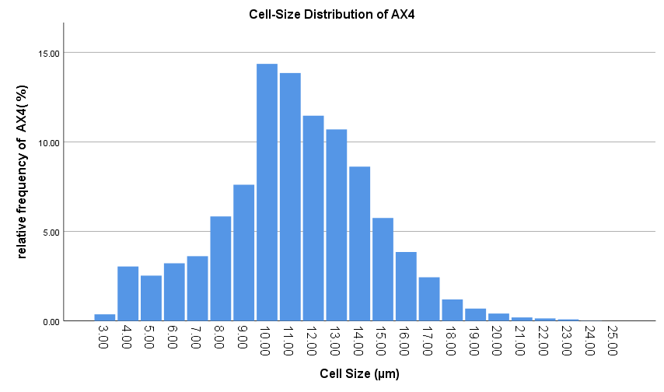
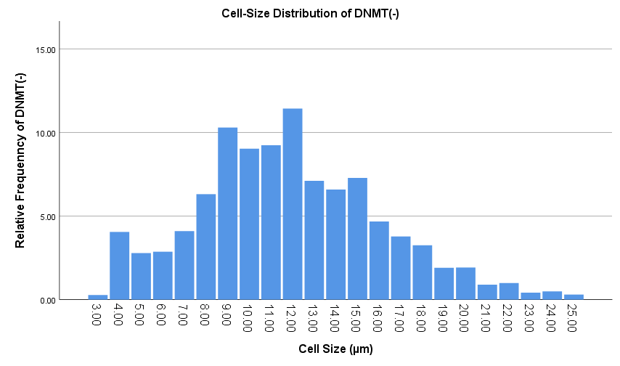

Growth Curve AX4 VS DNMT(-)
 | Growth Curve AX4 | AX4 Shaking Culture | DNMT(-) Stationary | DNMT(-) Shaking Culture
0 | 1.57E+05 | 3.78E+05 | 1.39E+05 | 1.39E+05
24 | 3.88E+05 | 3.95E+05 | 2.30E+05 | 3.38E+05
48 | 4.15E+05 | 8.45E+05 | 3.89E+05 | 5.68E+05
72 | 6.24E+05 | 1.41E+06 | 4.94E+05 | 8.97E+05
96 | 8.45E+05 | 2.74E+06 | 7.08E+05 | 1.19E+06
120 | 1.49E+06 | 5.94E+06 | 8.97E+05 | 2.65E+06
144 | 1.72E+06 | 6.66E+06 | 1.01E+06 | 3.33E+06

