varying_a_e
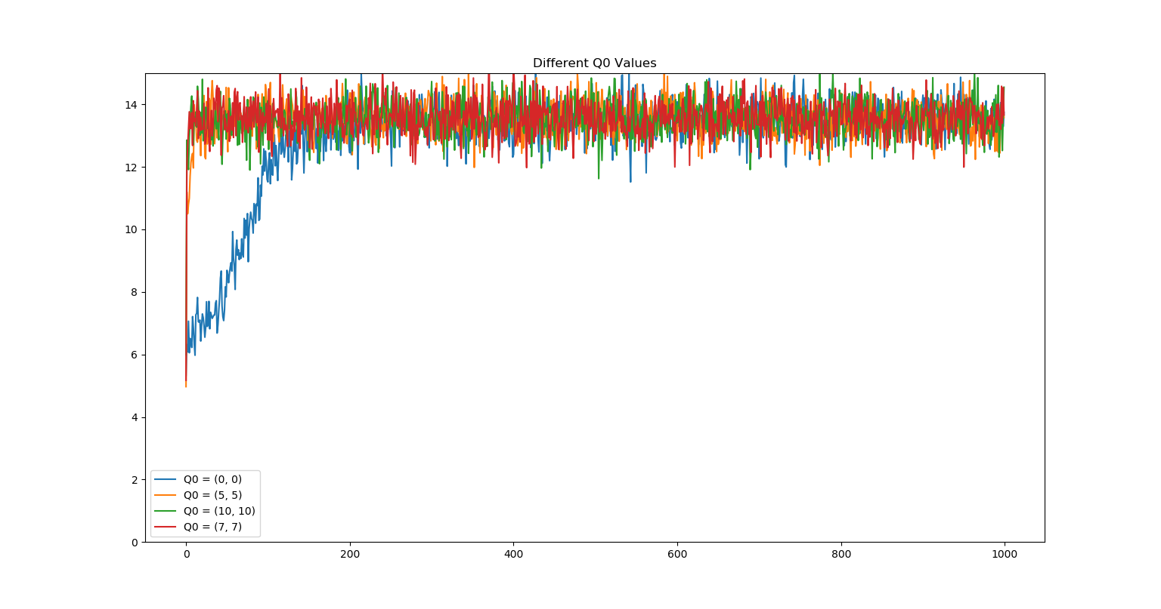
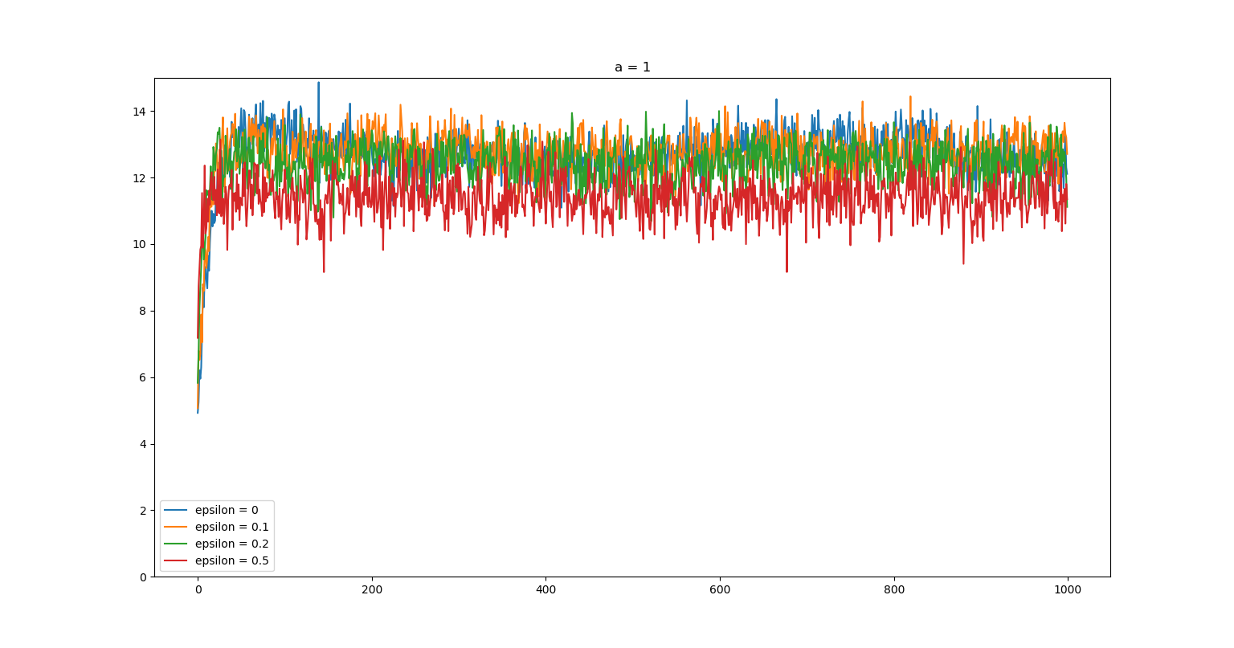
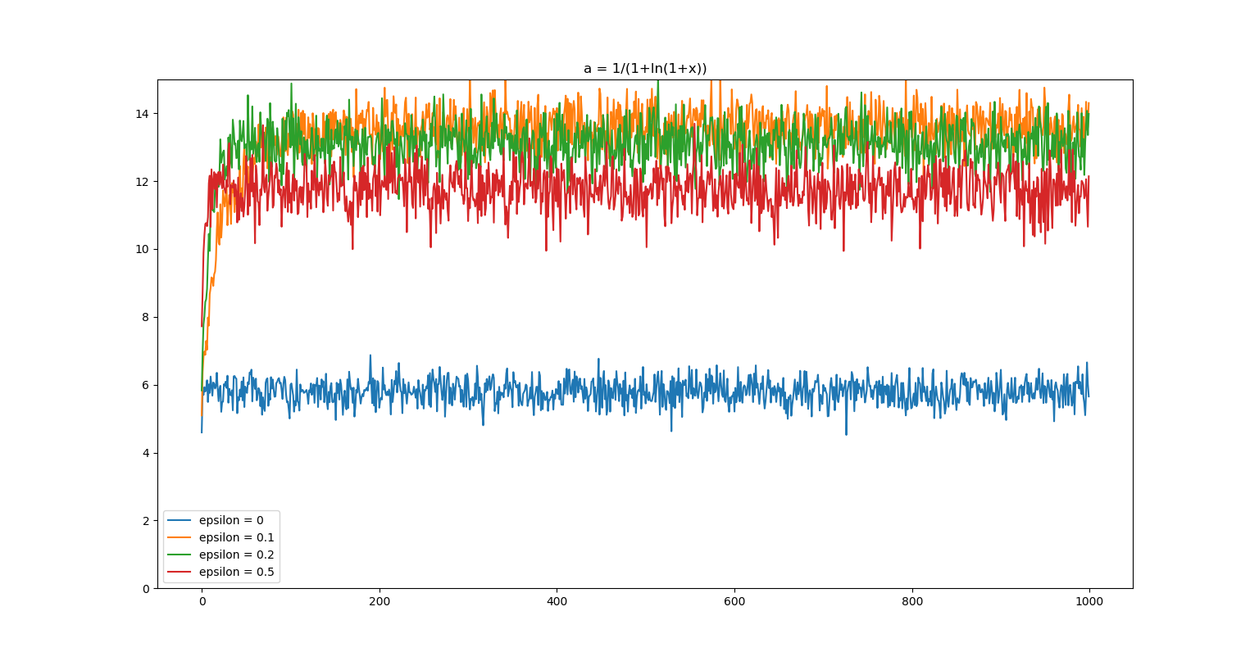
Epsilon | Alpha | Final Average | Std Dev Q1 | Std Dev Q2 | Avg Q1 | Avg Q2
0 | a = 1 | 12686.345732 | 3.8662232349 | 8.3650376723 | -1.3286690317 | 10.186470636 | Charts
0.1 | a = 1 | 12713.64116 | 2.7381863527 | 6.3459517894 | 3.2443738043 | 12.487249881
0.2 | a = 1 | 12415.086127 | 3.1211492857 | 5.4961241778 | 3.1618901717 | 12.548861123
0.5 | a = 1 | 11338.115498 | 2.7752157829 | 5.3714066425 | 4.4332232066 | 13.834692097
0 | a = 0.9^k | 6417.2318473 | 2.4489000204 | 5.0880718237 | 3.9857029921 | 2.2163433209
0.1 | a = 0.9^k | 13416.566465 | 0.49610786348 | 0.83589705256 | 5.0596160598 | 13.986928569
0.2 | a = 0.9^k | 13058.483565 | 0.49095695849 | 0.77425141492 | 4.9624375799 | 14.185248938
0.5 | a = 0.9^k | 11747.425527 | 0.56371415654 | 0.86026068861 | 5.0072702603 | 13.926374948
0 | a = 1/(1+ln(1+x)) | 5461.7597727 | 1.3814101267 | 2.9017904376 | 4.7087400346 | 0.6625436611
0.1 | a = 1/(1+ln(1+x)) | 13350.034623 | 1.0921570681 | 1.2232019538 | 4.9688434737 | 14.177969088
0.2 | a = 1/(1+ln(1+x)) | 13049.607509 | 1.0266938131 | 1.2391360225 | 5.0905148352 | 14.145646763
0.5 | a = 1/(1+ln(1+x)) | 11769.341297 | 0.88138457185 | 1.2294676856 | 4.8914620364 | 14.162474087
0 | a = 1/k | 5895.3172032 | 1.6257717416 | 4.193854695 | 4.452532067 | 1.39781951
0.1 | a = 1/k | 13359.668986 | 0.41421615293 | 0.14454626859 | 4.8975562682 | 14.018501248
0.2 | a = 1/k | 13017.05089 | 0.3040687474 | 0.16981310174 | 4.9281643641 | 13.977310774
0.5 | a = 1/k | 11732.021195 | 0.2044133111 | 0.17006906183 | 4.9965939496 | 13.977375445

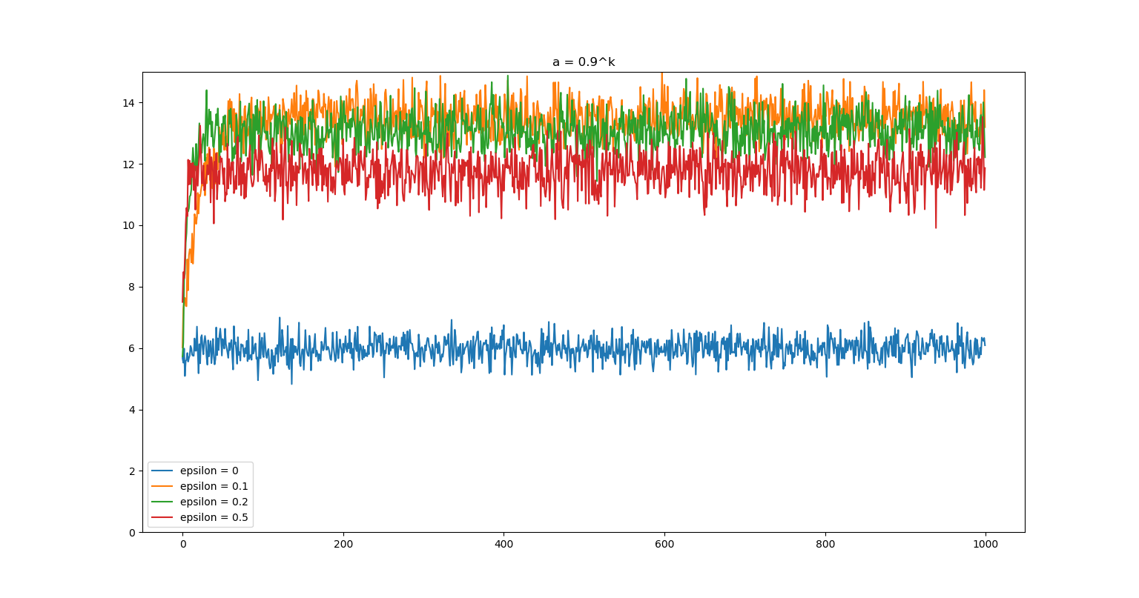
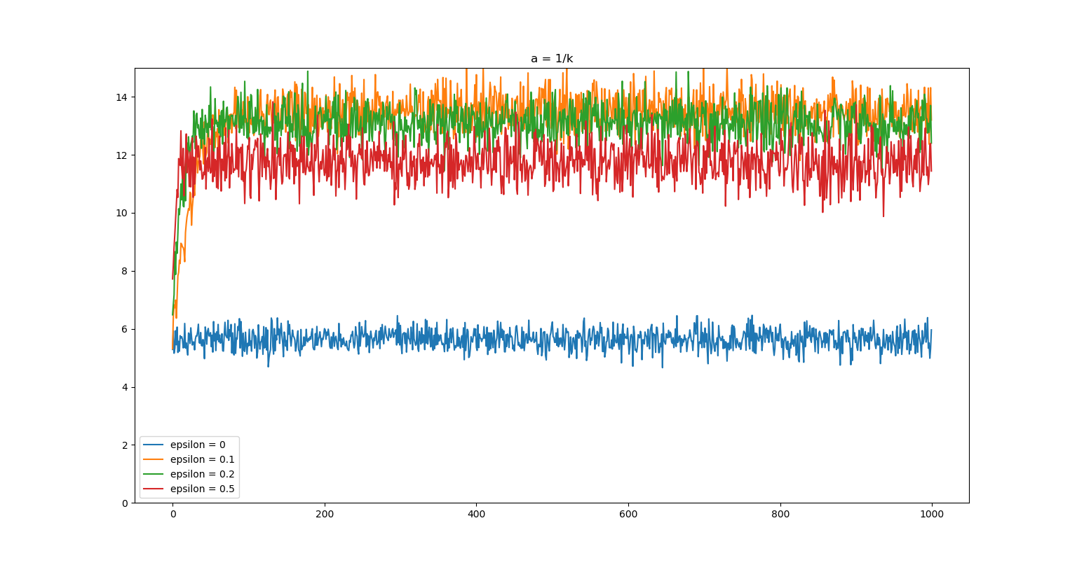
Q0 | Final Average | Std Dev Q1 | Std Dev Q2 | Avg Q1 | Avg Q2
(0, 0) | 12931.601316 | 0.62113243671 | 1.1343225013 | 5.1414269089 | 14.097428619
(5, 5) | 13514.46141 | 0.7228275063 | 1.2332667457 | 4.9905528539 | 14.025306455
(10, 10) | 13526.15849 | 0.70723898347 | 1.2638607246 | 4.9672001293 | 14.030489876
(7, 7) | 13538.433641 | 0.57945301725 | 1.2352666201 | 5.1056732675 | 14.235929836

