使用说明||请不要申请编辑权限||不会通过
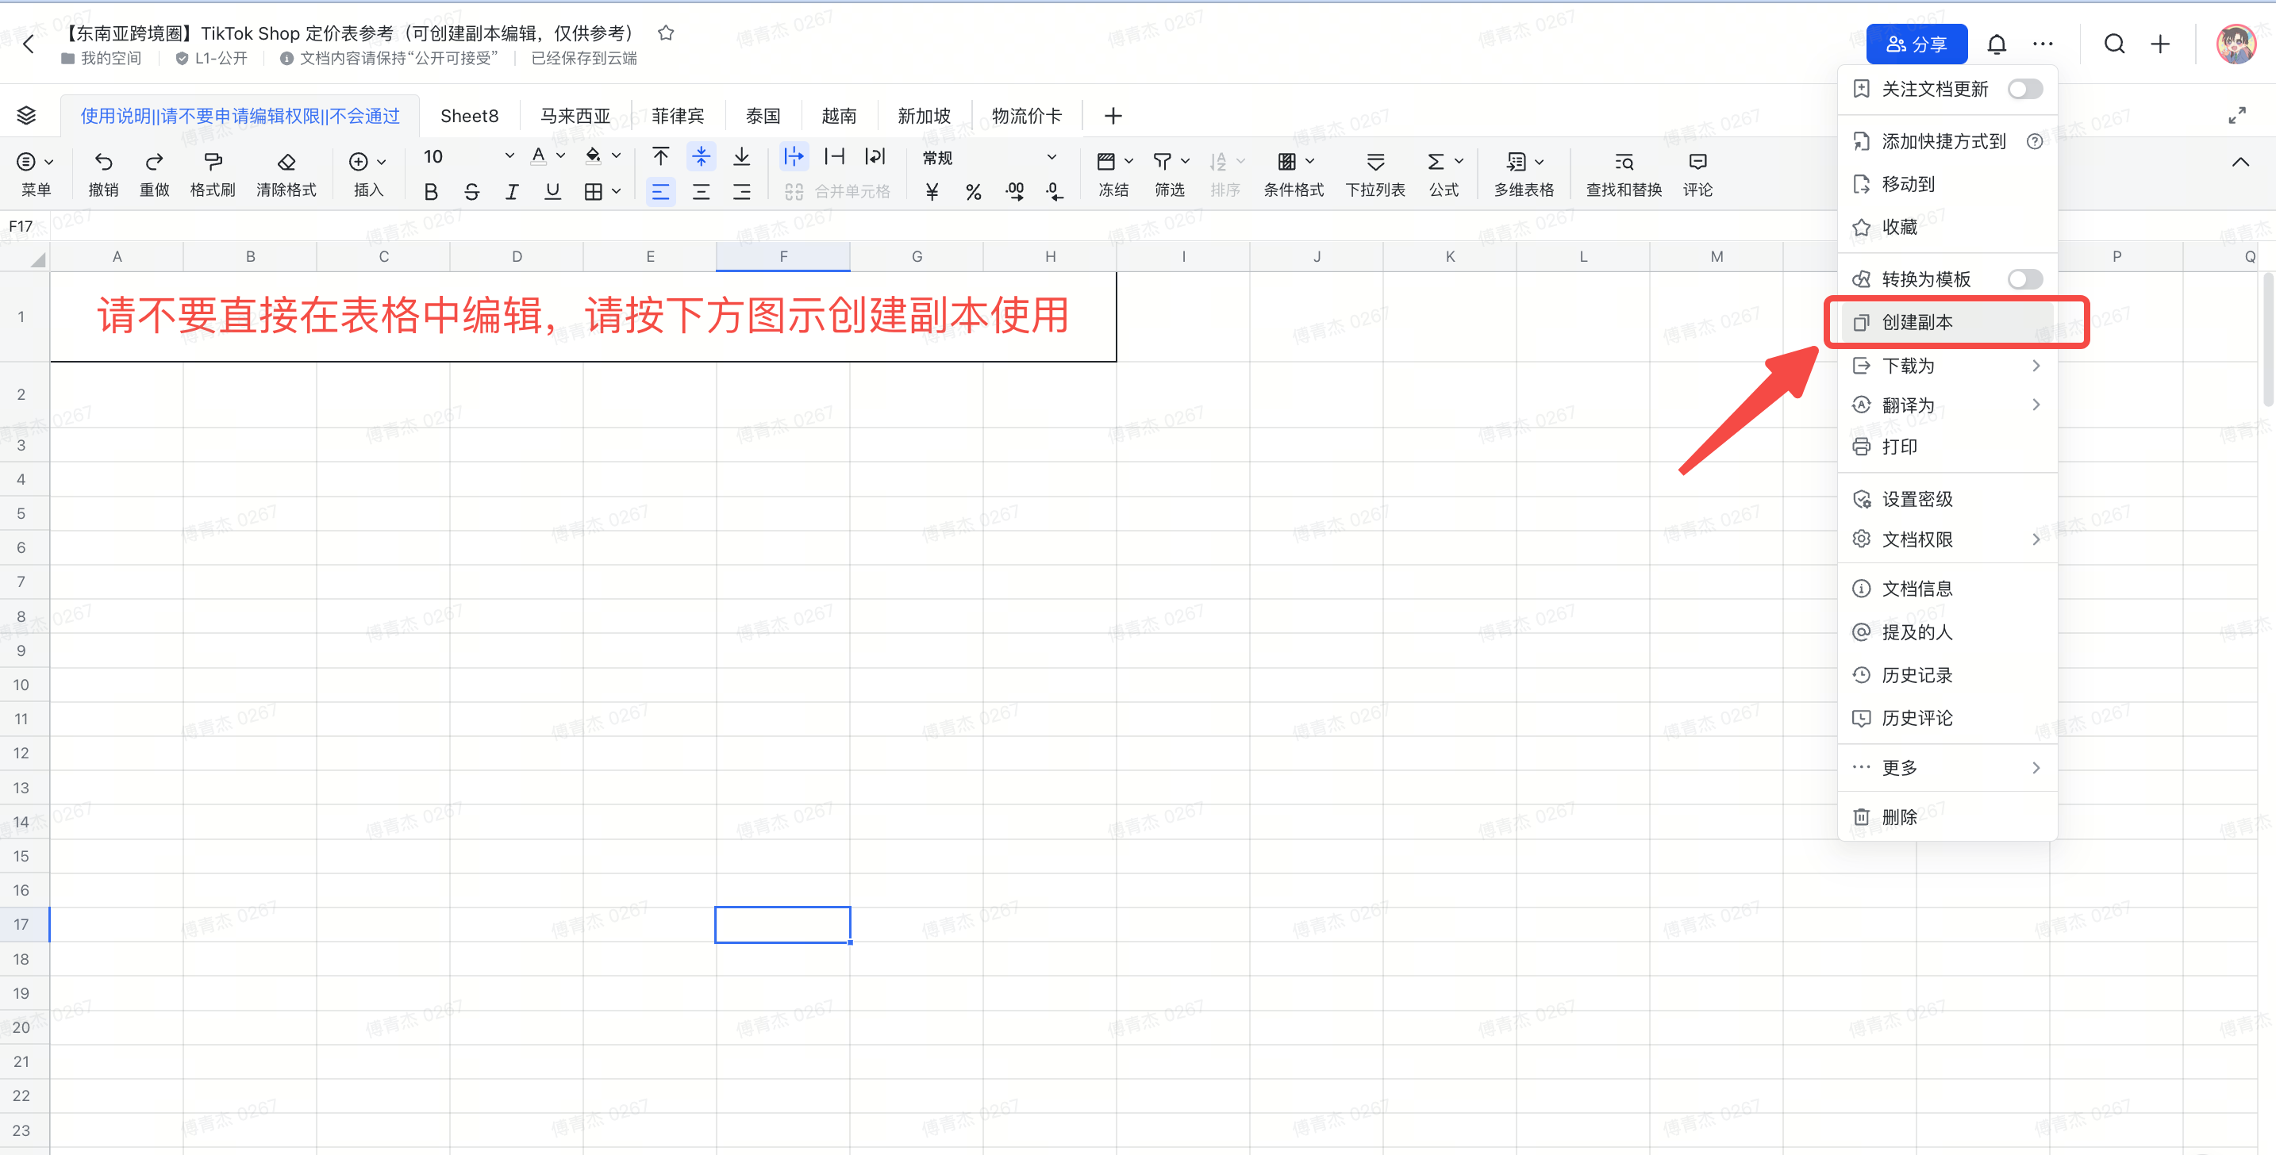
请不要直接在表格中编辑，请按下方图示创建副本使用
请自行检查相关可修改部分的数据是否是最新数据
最终费用版本：2026-07-23｜普通Marketplace/Non-Mall｜支持“家居日用/时尚配件”类目切换｜固定订单费已纳入利润公式。

